Correlation Matrix
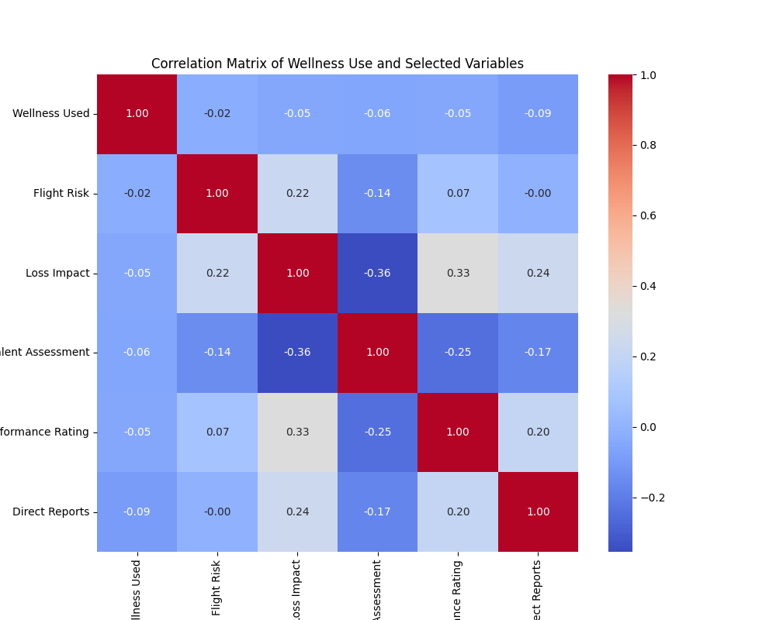
 | Wellness Used | Flight Risk | Loss Impact | Talent Assessment | 2023 Performance Rating | Direct Reports
Wellness Used | 1 | -0.021983039347 | -0.049731046182 | -0.058301148773 | -0.053064779227 | -0.092331567727
Flight Risk | -0.021983039347 | 1 | 0.22485777837 | -0.14374329196 | 0.074864472465 | -0.0034420251378
Loss Impact | -0.049731046182 | 0.22485777837 | 1 | -0.3550850905 | 0.3275631999 | 0.23545238945
Talent Assessment | -0.058301148773 | -0.14374329196 | -0.3550850905 | 1 | -0.24672035966 | -0.17301984882
2023 Performance Rating | -0.053064779227 | 0.074864472465 | 0.3275631999 | -0.24672035966 | 1 | 0.2025777848
Direct Reports | -0.092331567727 | -0.0034420251378 | 0.23545238945 | -0.17301984882 | 0.2025777848 | 1

