Intro
 | Project Management Dashboard Template | Get our Premium Project Management Templates
 | Free Excel Template by analysistabs.com

Info 4 | Excel Project Management Dashboard Template for Multiple Project Management

Usage 4 | Go to 'Projects Summary' sheet, enter the Project Details. And go to 'Data Sheet' Sheet and enter the Tasks and Timelines in the Required Columns of the Data Table. Dashboard and Gantt chart, it is updated automatically based on your data.

1
Share 4 | Analysistabs ™ is developing Free and Premium l Project Management Templates. Please do not share this downloaded file. Instead, you can share our free template page link with your colleagues and friends, it helps us to create better tools and more templates.

*
Email 4 | Please share your feedback or ask questions, Email: info@analysistabs.com

4 Download Now
Please Visit us | 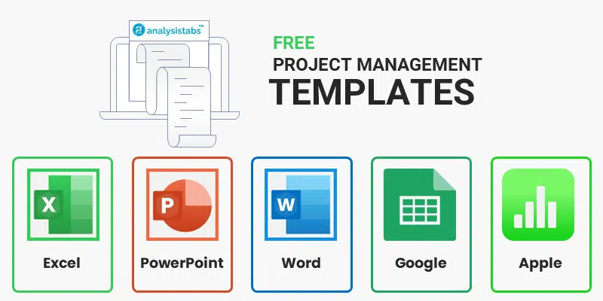
Visit us for more Free Templates and Premium Templates
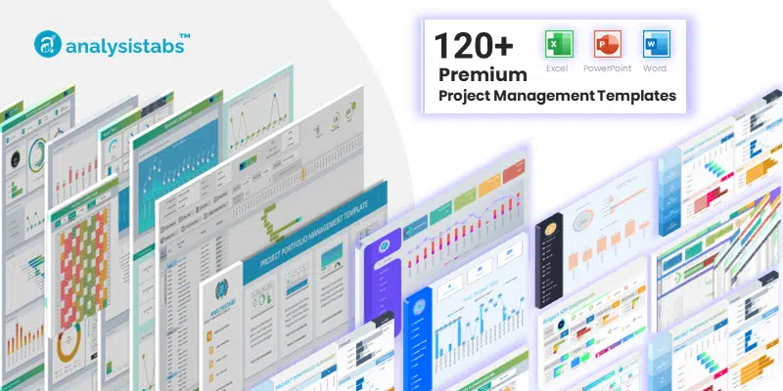

 | i Please do not delete this worksheet. Instead, you can hide the sheet.

Dashboard
 | DASHBOARD

PROJECTS |  | TASKS | TASKS - COMPLETED | MANDAYS
10 |  | 80 | 20 | 532
 | %Progress | Remaining
All Projects | 55% | 45%
Project 1 | 100% | 0%
Project 2 | 46% | 54%
Project 3 | 100% | 0%
Project 4 | 44% | 56%
Project 5 | 34% | 66%
Project 6 | 63% | 37%
Project 7 | 41% | 59%
Project 8 | 48% | 52%
Project 9 | 48% | 52%
Project 10 | 34% | 66%
Not Started(0%) | 2
Inprogress(1-99%) | 58
Completed(100%) | 20
 |  |  |  | KEY NOTES
 | 55%
 | 45%

 |  | 56%

 |  |  |  | TASKS DUE THIS WEEK

0% | 2
1-25% | 11
26-50% | 30
51-75% | 15
76-99% | 2
100% | 20

 |  |  |  | TOP RISKS

Gantt Chart
GANTT VIEW |  | 80 Tasks Found |  |  |  |  |  |  | Gantt. Scroll |  |  |  |  |  |  | 0
Select a Project 4 | All Projects | Top Tasks | Responsible | Start Date | End Date | Days Req. | Status | Days Comp. | 2022-02-20 | 2022-02-21 | 2022-02-22 | 2022-02-23 | 2022-02-24 | 2022-02-25 | 2022-02-26 | 2022-02-27 | 2022-02-28 | 2022-03-01 | 2022-03-02 | 2022-03-03 | 2022-03-04 | 2022-03-05 | 2022-03-06 | 2022-03-07
 |  | Project 1 - Task 1 | Person 1 | 24-Feb-22 | 28-Feb-22 | 5 | 100% | 5
Overall Progress |  | Project 3 - Task 1 | Person 2 | 25-Feb-22 | 2-Mar-22 | 6 | 100% | 6
 |  | Project 1 - Task 2 | Person 3 | 26-Feb-22 | 7-Mar-22 | 10 | 100% | 10
55%
 |  | Project 1 - Task 3 | Person 4 | 1-Mar-22 | 9-Mar-22 | 9 | 100% | 9
 |  | Project 1 - Task 4 | Person 5 | 25-Feb-22 | 28-Feb-22 | 4 | 100% | 4
 |  | Project 1 - Task 5 | Person 1 | 28-Feb-22 | 5-Mar-22 | 6 | 100% | 6
 |  | Project 1 - Task 6 | Person 2 | 28-Feb-22 | 6-Mar-22 | 7 | 100% | 7
 |  | Project 1 - Task 7 | Person 3 | 2-Mar-22 | 6-Mar-22 | 5 | 100% | 5
 |  | Project 1 - Task 8 | Person 4 | 2-Mar-22 | 10-Mar-22 | 9 | 100% | 9
Start Date | 20-Feb-2022 | Project 1 - Task 9 | Person 5 | 3-Mar-22 | 8-Mar-22 | 6 | 100% | 6
End Date | 21-Mar-2022 | Project 2 - Task 1 | Person 1 | 21-Feb-22 | 27-Feb-22 | 7 | 59% | 4.13
Overall Progress | 55% | Project 2 - Task 2 | Person 2 | 25-Feb-22 | 5-Mar-22 | 9 | 41% | 3.69
 | 45% | Project 2 - Task 3 | Person 3 | 26-Feb-22 | 5-Mar-22 | 8 | 0% | 0
 |  | Project 2 - Task 4 | Person 4 | 28-Feb-22 | 6-Mar-22 | 7 | 49% | 3.43
Days Required | 29 days | Project 2 - Task 5 | Person 5 | 1-Mar-22 | 4-Mar-22 | 4 | 36% | 1.44
 | 532 man-days | Project 2 - Task 6 | Person 1 | 1-Mar-22 | 6-Mar-22 | 6 | 54% | 3.24
 |  | Project 2 - Task 7 | Person 2 | 4-Mar-22 | 9-Mar-22 | 6 | 57% | 3.42
 |  | Project 2 - Task 8 | Person 3 | 5-Mar-22 | 8-Mar-22 | 4 | 22% | 0.88
 |  | Project 2 - Task 9 | Person 4 | 7-Mar-22 | 13-Mar-22 | 7 | 46% | 3.22
 |  | Project 2 - Task 10 | Person 5 | 24-Feb-22 | 26-Feb-22 | 3 | 100% | 3
 |  | Project 3 - Task 2 | Person 1 | 20-Feb-22 | 1-Mar-22 | 10 | 100% | 10
 |  | Project 3 - Task 3 | Person 2 | 1-Mar-22 | 5-Mar-22 | 5 | 100% | 5
 |  | Project 3 - Task 4 | Person 3 | 3-Mar-22 | 9-Mar-22 | 7 | 100% | 7
 |  | Project 3 - Task 5 | Person 4 | 6-Mar-22 | 12-Mar-22 | 7 | 100% | 7
 |  | Project 3 - Task 6 | Person 5 | 8-Mar-22 | 10-Mar-22 | 3 | 100% | 3

Project Gantt. Template Designed By: PNRao |  | Please let us know your feedback | Email: info@analysistabs.com
https://analysistabs.com |  | i This is a free template, you can use this template to plan a small project with 25 tasks, check our premium templates for multiple projects and more features.

Projects Summary
Project Management

1.
Input Your Project Title Here
Projects | Tasks | Start | End | Days | %Progress | Remaining
All Projects | 80 | 2022-02-20 | 2022-03-21 | 532 | 55% | 45% | Total Tasks | 80
Project 1 | 9 | 2022-02-24 | 2022-03-13 | 61 | 100% | 0% | 0% | 2 | Not Started(0%) | 2
Project 2 | 10 | 2022-02-21 | 2022-03-16 | 61 | 46% | 54% | 1-25% | 11 | Inprogress(1-99%) | 58
Project 3 | 6 | 2022-02-20 | 2022-03-18 | 38 | 100% | 0% | 26-50% | 30 | Completed(100%) | 20
Project 4 | 7 | 2022-02-24 | 2022-03-21 | 51 | 44% | 56% | 51-75% | 15
Project 5 | 8 | 2022-02-27 | 2022-03-20 | 55 | 34% | 66% | 76-99% | 2
Project 6 | 8 | 2022-02-24 | 2022-03-12 | 52 | 63% | 37% | 100% | 20
Project 7 | 9 | 2022-02-21 | 2022-03-13 | 62 | 41% | 59%
Project 8 | 11 | 2022-02-20 | 2022-03-21 | 69 | 48% | 52%
Project 9 | 4 | 2022-02-27 | 2022-03-15 | 28 | 48% | 52%
Project 10 | 8 | 2022-02-27 | 2022-03-20 | 55 | 34% | 66%

Data Sheet
2.
Input Your Tasks of Your Project and Respective Timelines
Project | Task | Responsible | Start Date | Days Req. | Progress
Project 1 | Project 1 - Task 1 | Person 1 | 24-Feb-22 | 5 | 100%
Project 3 | Project 3 - Task 1 | Person 2 | 25-Feb-22 | 6 | 100%
Project 1 | Project 1 - Task 2 | Person 3 | 26-Feb-22 | 10 | 100%
Project 1 | Project 1 - Task 3 | Person 4 | 1-Mar-22 | 9 | 100%
Project 1 | Project 1 - Task 4 | Person 5 | 25-Feb-22 | 4 | 100%
Project 1 | Project 1 - Task 5 | Person 1 | 28-Feb-22 | 6 | 100%
Project 1 | Project 1 - Task 6 | Person 2 | 28-Feb-22 | 7 | 100%
Project 1 | Project 1 - Task 7 | Person 3 | 2-Mar-22 | 5 | 100%
Project 1 | Project 1 - Task 8 | Person 4 | 2-Mar-22 | 9 | 100%
Project 1 | Project 1 - Task 9 | Person 5 | 3-Mar-22 | 6 | 100%
Project 2 | Project 2 - Task 1 | Person 1 | 21-Feb-22 | 7 | 59%
Project 2 | Project 2 - Task 2 | Person 2 | 25-Feb-22 | 9 | 41%
Project 2 | Project 2 - Task 3 | Person 3 | 26-Feb-22 | 8 | 0%
Project 2 | Project 2 - Task 4 | Person 4 | 28-Feb-22 | 7 | 49%
Project 2 | Project 2 - Task 5 | Person 5 | 1-Mar-22 | 4 | 36%
Project 2 | Project 2 - Task 6 | Person 1 | 1-Mar-22 | 6 | 54%
Project 2 | Project 2 - Task 7 | Person 2 | 4-Mar-22 | 6 | 57%
Project 2 | Project 2 - Task 8 | Person 3 | 5-Mar-22 | 4 | 22%
Project 2 | Project 2 - Task 9 | Person 4 | 7-Mar-22 | 7 | 46%
Project 2 | Project 2 - Task 10 | Person 5 | 24-Feb-22 | 3 | 100%
Project 3 | Project 3 - Task 2 | Person 1 | 20-Feb-22 | 10 | 100%
Project 3 | Project 3 - Task 3 | Person 2 | 1-Mar-22 | 5 | 100%
Project 3 | Project 3 - Task 4 | Person 3 | 3-Mar-22 | 7 | 100%
Project 3 | Project 3 - Task 5 | Person 4 | 6-Mar-22 | 7 | 100%
Project 3 | Project 3 - Task 6 | Person 5 | 8-Mar-22 | 3 | 100%
Project 4 | Project 4 - Task 1 | Person 1 | 10-Mar-22 | 9 | 88%
Project 4 | Project 4 - Task 2 | Person 2 | 11-Mar-22 | 10 | 20%
Project 4 | Project 4 - Task 3 | Person 3 | 24-Feb-22 | 4 | 10%
Project 4 | Project 4 - Task 4 | Person 4 | 27-Feb-22 | 8 | 60%
Project 4 | Project 4 - Task 5 | Person 5 | 2-Mar-22 | 10 | 34%
Project 4 | Project 4 - Task 6 | Person 1 | 5-Mar-22 | 6 | 51%
Project 4 | Project 4 - Task 7 | Person 2 | 5-Mar-22 | 4 | 48%
Project 5 | Project 5 - Task 1 | Person 3 | 8-Mar-22 | 8 | 32%
Project 5 | Project 5 - Task 2 | Person 4 | 10-Mar-22 | 9 | 42%
Project 5 | Project 5 - Task 3 | Person 5 | 28-Feb-22 | 5 | 59%
Project 5 | Project 5 - Task 4 | Person 1 | 27-Feb-22 | 3 | 31%
Project 5 | Project 5 - Task 5 | Person 2 | 1-Mar-22 | 7 | 49%
Project 5 | Project 5 - Task 6 | Person 3 | 2-Mar-22 | 10 | 16%
Project 5 | Project 5 - Task 7 | Person 4 | 2-Mar-22 | 10 | 31%
Project 5 | Project 5 - Task 8 | Person 5 | 2-Mar-22 | 3 | 11%
Project 6 | Project 6 - Task 1 | Person 1 | 24-Feb-22 | 5 | 47%
Project 6 | Project 6 - Task 2 | Person 2 | 25-Feb-22 | 6 | 43%
Project 6 | Project 6 - Task 3 | Person 3 | 26-Feb-22 | 10 | 38%
Project 6 | Project 6 - Task 4 | Person 4 | 1-Mar-22 | 9 | 100%
Project 6 | Project 6 - Task 5 | Person 5 | 25-Feb-22 | 4 | 100%
Project 6 | Project 6 - Task 6 | Person 1 | 28-Feb-22 | 6 | 100%
Project 6 | Project 6 - Task 7 | Person 2 | 28-Feb-22 | 7 | 42%
Project 6 | Project 6 - Task 8 | Person 3 | 2-Mar-22 | 5 | 34%
Project 7 | Project 7 - Task 1 | Person 4 | 2-Mar-22 | 9 | 14%
Project 7 | Project 7 - Task 2 | Person 5 | 3-Mar-22 | 6 | 55%
Project 7 | Project 7 - Task 3 | Person 1 | 21-Feb-22 | 7 | 59%
Project 7 | Project 7 - Task 4 | Person 2 | 25-Feb-22 | 9 | 41%
Project 7 | Project 7 - Task 5 | Person 3 | 26-Feb-22 | 8 | 0%
Project 7 | Project 7 - Task 6 | Person 4 | 28-Feb-22 | 7 | 49%
Project 7 | Project 7 - Task 7 | Person 5 | 1-Mar-22 | 4 | 36%
Project 7 | Project 7 - Task 8 | Person 1 | 1-Mar-22 | 6 | 54%
Project 7 | Project 7 - Task 9 | Person 2 | 4-Mar-22 | 6 | 57%
Project 8 | Project 8 - Task 1 | Person 3 | 5-Mar-22 | 4 | 22%
Project 8 | Project 8 - Task 2 | Person 4 | 7-Mar-22 | 7 | 46%
Project 8 | Project 8 - Task 3 | Person 5 | 24-Feb-22 | 3 | 100%
Project 8 | Project 8 - Task 4 | Person 1 | 20-Feb-22 | 10 | 47%
Project 8 | Project 8 - Task 5 | Person 2 | 1-Mar-22 | 5 | 55%
Project 8 | Project 8 - Task 6 | Person 3 | 3-Mar-22 | 7 | 38%
Project 8 | Project 8 - Task 7 | Person 4 | 6-Mar-22 | 7 | 33%
Project 8 | Project 8 - Task 8 | Person 5 | 8-Mar-22 | 3 | 68%
Project 8 | Project 8 - Task 9 | Person 1 | 10-Mar-22 | 9 | 88%
Project 8 | Project 8 - Task 10 | Person 2 | 11-Mar-22 | 10 | 20%
Project 8 | Project 8 - Task 11 | Person 3 | 24-Feb-22 | 4 | 10%
Project 9 | Project 9 - Task 1 | Person 4 | 27-Feb-22 | 8 | 60%
Project 9 | Project 9 - Task 2 | Person 5 | 2-Mar-22 | 10 | 34%
Project 9 | Project 9 - Task 3 | Person 1 | 5-Mar-22 | 6 | 51%
Project 9 | Project 9 - Task 4 | Person 2 | 5-Mar-22 | 4 | 48%
Project 10 | Project 10 - Task 1 | Person 3 | 8-Mar-22 | 8 | 32%
Project 10 | Project 10 - Task 2 | Person 4 | 10-Mar-22 | 9 | 42%
Project 10 | Project 10 - Task 3 | Person 5 | 28-Feb-22 | 5 | 59%
Project 10 | Project 10 - Task 4 | Person 1 | 27-Feb-22 | 3 | 31%
Project 10 | Project 10 - Task 5 | Person 2 | 1-Mar-22 | 7 | 49%
Project 10 | Project 10 - Task 6 | Person 3 | 2-Mar-22 | 10 | 16%
Project 10 | Project 10 - Task 7 | Person 4 | 2-Mar-22 | 10 | 31%
Project 10 | Project 10 - Task 8 | Person 5 | 2-Mar-22 | 3 | 11%

Advanced Project Plan Template
Ultimate Project Plan Advanced Excel Template
The Most Powerful Project Planning Template on the Market
View Details 4

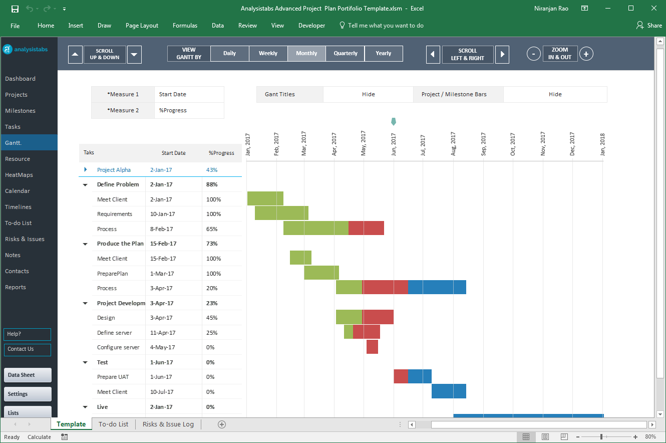

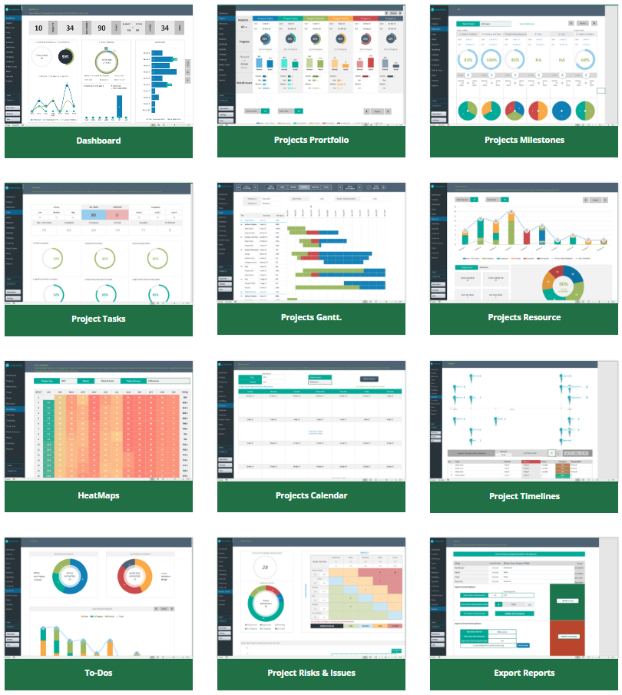

Our Most Popular Project Management Templates
Excel Templates | PowerPoint Templates | MS Word Templates
Browse All Templates4

