Sheet1
Exploratory testing report
 | Issue 1 | finding 2 | issue 3 | issue 4 | finding 5 | finding 6 | Bug/issue/finding 7 | Bug/issue/finding 8 | Bug/issue/finding 9 | Bug/issue/finding 10 | Bug/issue/finding N
Reporter/Tester | Jenni Kontturi | Jenni Kontturi | Jenni Kontturi | Jenni Kontturi | Jenni Kontturi | Jenni Kontturi | Jenni Kontturi
Testing notes | Testing scenario 2/3. Testing the search by trying to find the Turku bus station. | Testing scenario 1, Testing if it is possible to save the same location with the same name and icon | Testing scenario 1. Testinng the saved locations: trying to quickly add the starting point and end destination from the saved locations. | Testing scenario 1. Starring a bus stop. | Mission 1. Icons missing tooltips | Mission 1. Changing the language | Mission 2, scenario 3. Printing the chosen route. Note: tested on chrome / Windows 10
Impact analysis (describe why the issue/bug/finding is important and to whom?) | Important because it causes confusion especially users not familiar with Turku | This finding causes redundancy. Experienced user might added places more than once, which might cause confusion. | This is issue is important for users who uses the app a lot and freaquently leaves from the same place, for example someone living in Turku. | This is issue is important for frequent users, who gives stars to the most used stops | Important for inexperienced users. | This is issue important for none Finnish speakers, because foli.fi goes to the Finnish version. | The issue is important for people who want to print the route info, like elderly people or tourists
Summary of the bug/issue/finding | The search suggest bus station in Mynämäki first and also two stations in Turku, which are actually the same place with two different names | It is possible to add same place more than once to the saved locations | If you save a location, you can only pick it as the end destination but not as starting location | Clicking the star-icon on top right-corner of the buss top card, it jums to the top pf the list. User doesn't get any kind of feedback that the starred stop has moved to the top of the list. | None of the icons have tool tips | The language option is hard to find from behind the burger menu | Printing a the chosen route gives two empty pages and a map of the route
Desption (include also what you expected and what happened) | Expected to get Turku bus station as number one search, but got Mynämäki's bus station first and then Turku bus station in Finnish | What happened: Saved a place with the same name, location and icon to the saved places. Expected: user gets a warning that the place has already been added before | When you have a location saved and click/tap on it, the app sets it as you end destination. Expected the location to be the staring place if there was no starting place chosen. | Expected: When user stars a bus stop that is not on the top of list, the app indicated to the user that the stop has moved to the top of the list and shows it has a star. How it works now: When user stars a bus stop that is not on the top of the list, it moves to the top, but user doesn't get any indication that the app did that. | What happened: hovering mouse over icon, doesn't do anything Expected: User gets a tool tip that explains what is icon for | The language option is behind the burger menu and could be difficult to spot for inexperienced user. | What happened: I chose a route, cliked the print-button and got the empty pages and map of the route on the last page Expected: I expected to get the route info as well as the map of the route, no empty pages
Other freeform findings/observations/thinking to be discussed | Should translation for the main bus station to be added? |  |  |  | Not needed for all icons, mostly the ones that are a bit more unknown, like the layer icon (see picture).
Screenshots | 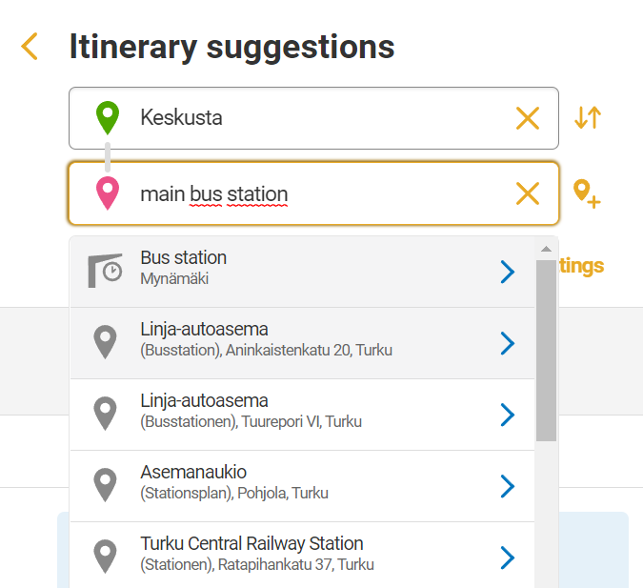 | 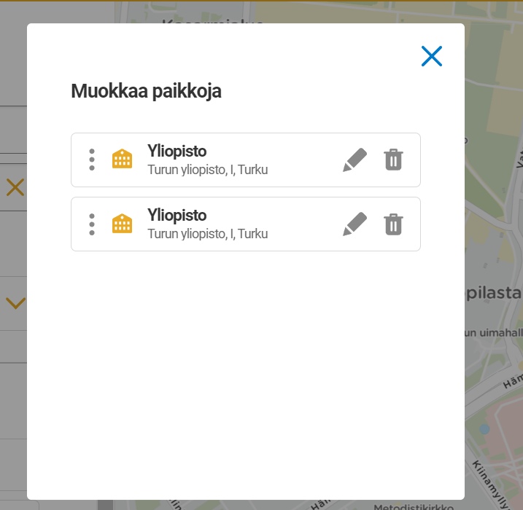 | 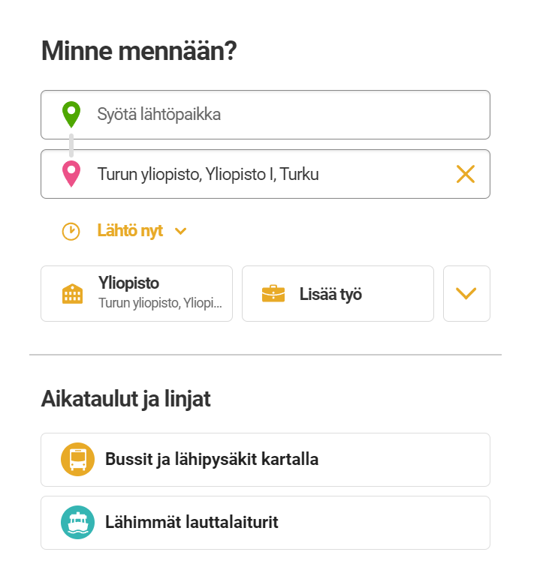 | 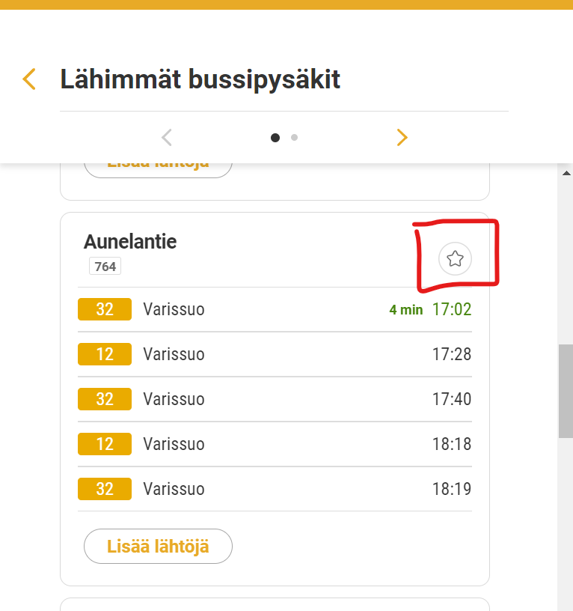 | 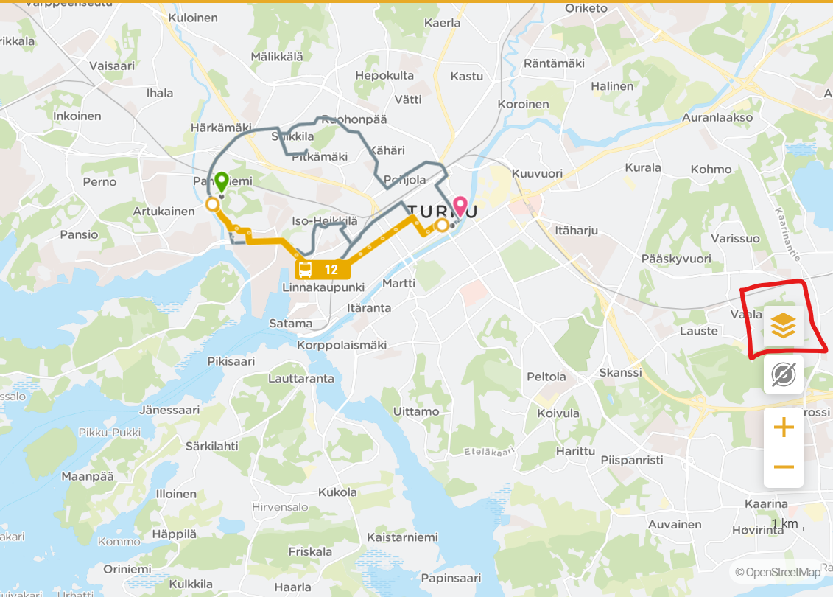 | 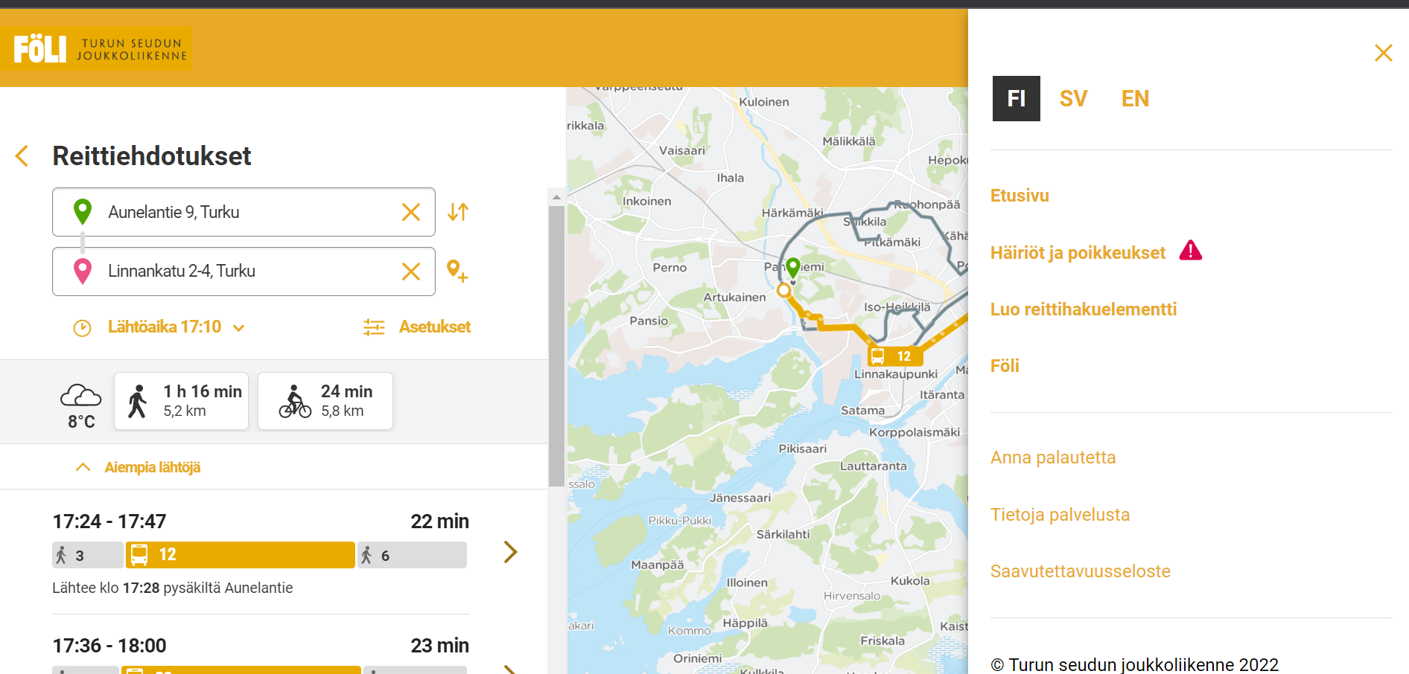 | 