Sheet1
Employee Performance Analysis
 | HIGH | LOW | MEDIUM | VERY HIGH

Sheet2
BusinessUnit | LOW
BPC | 34
CCDR | 47
EW | 41
MSC | 39
NEL | 41
PL | 33
PYZ | 41
SVG | 43
TNS | 45
WBL | 34

BusinessUnit | MEDIUM
BPC | 85
CCDR | 65
EW | 78
MSC | 92
NEL | 77
PL | 69
PYZ | 75
SVG | 82
TNS | 71
WBL | 84

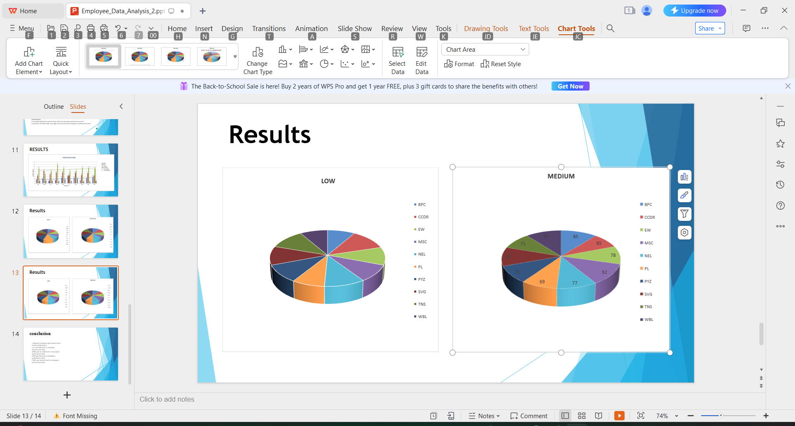

BusinessUnit | VERY HIGH
BPC | 15
CCDR | 15
EW | 14
MSC | 9
NEL | 15
PL | 12
PYZ | 15
SVG | 16
TNS | 13
WBL | 13

