C9_7
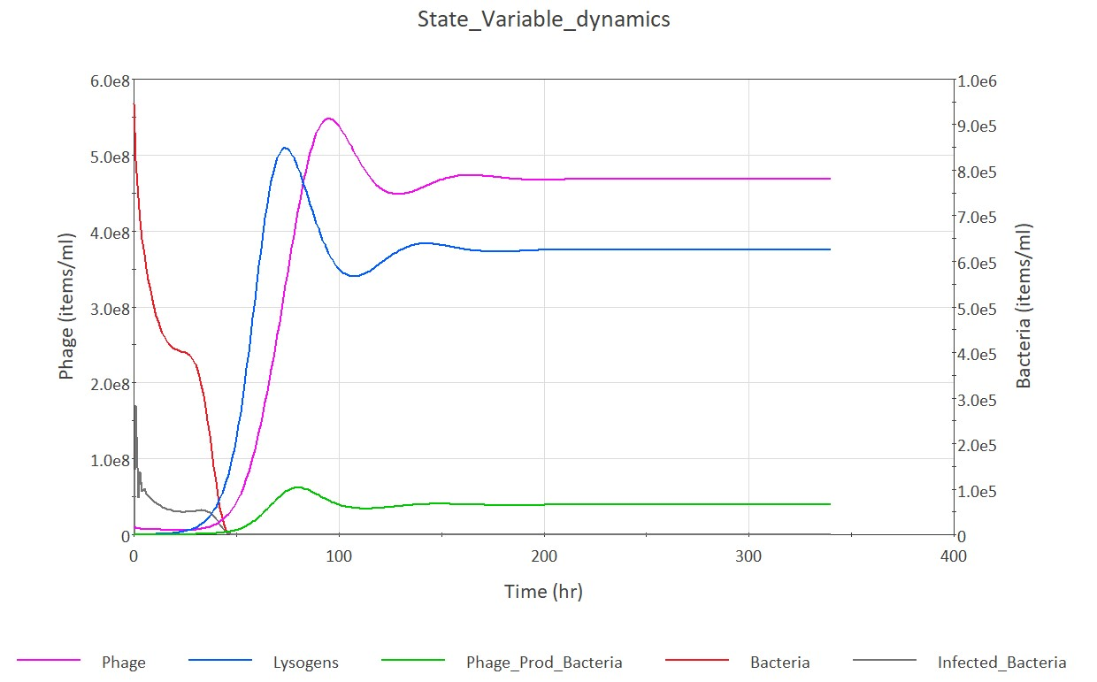
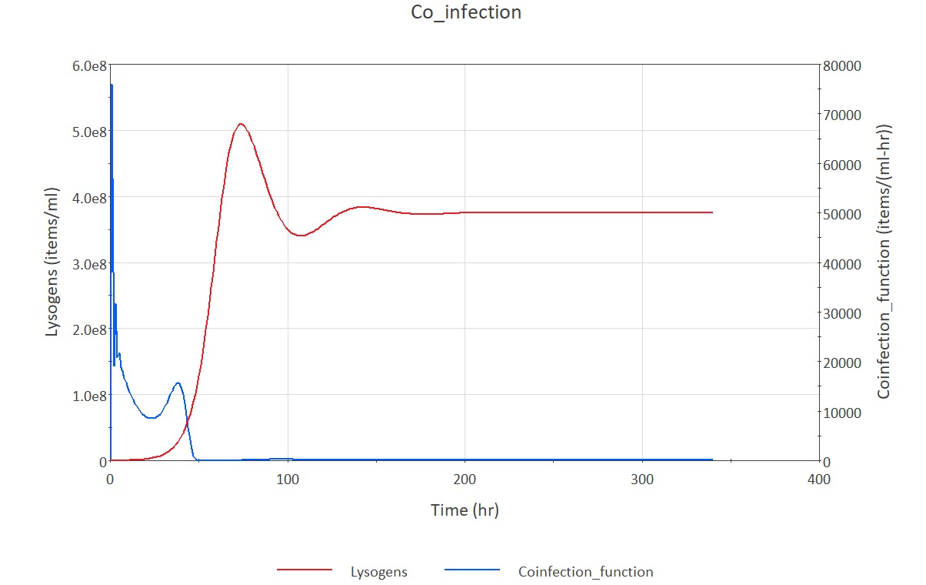

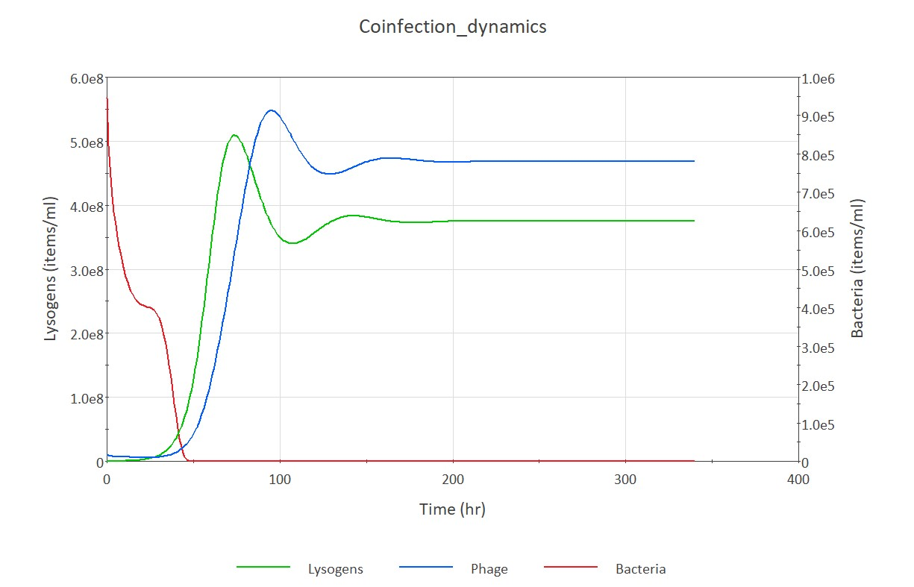

C9_8
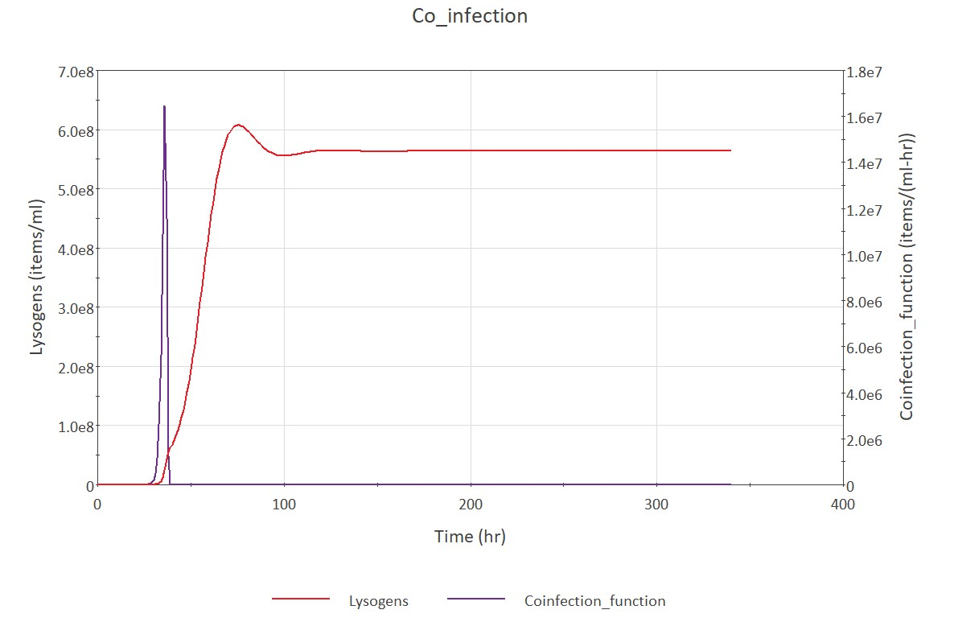
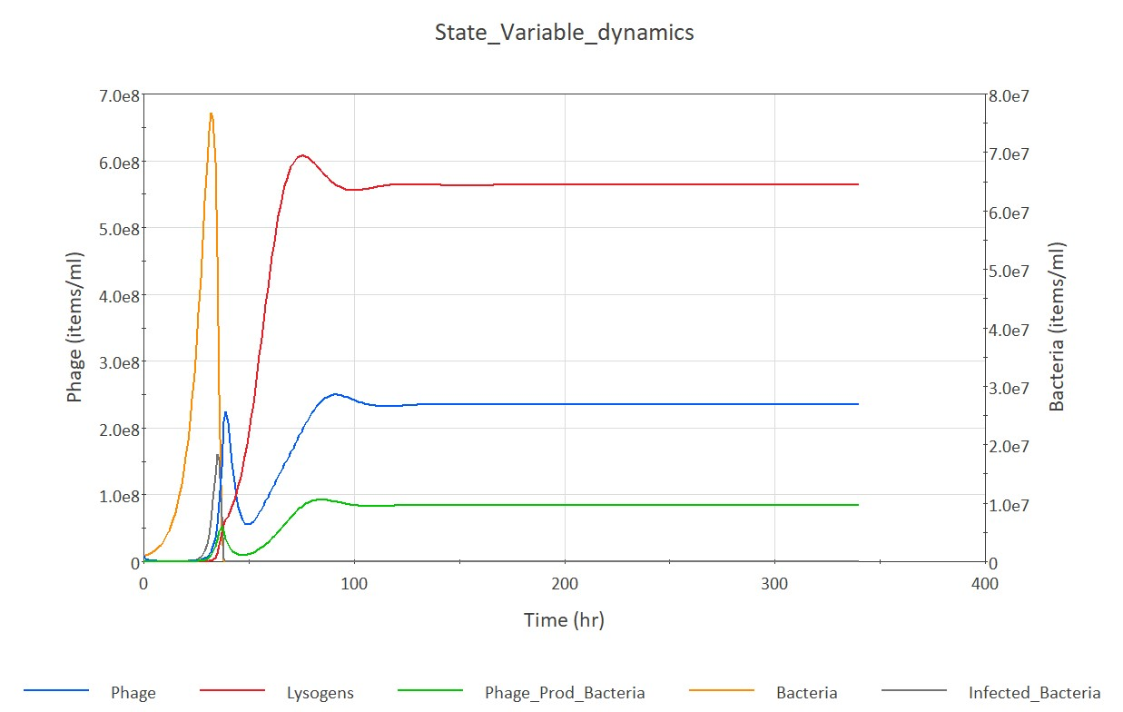

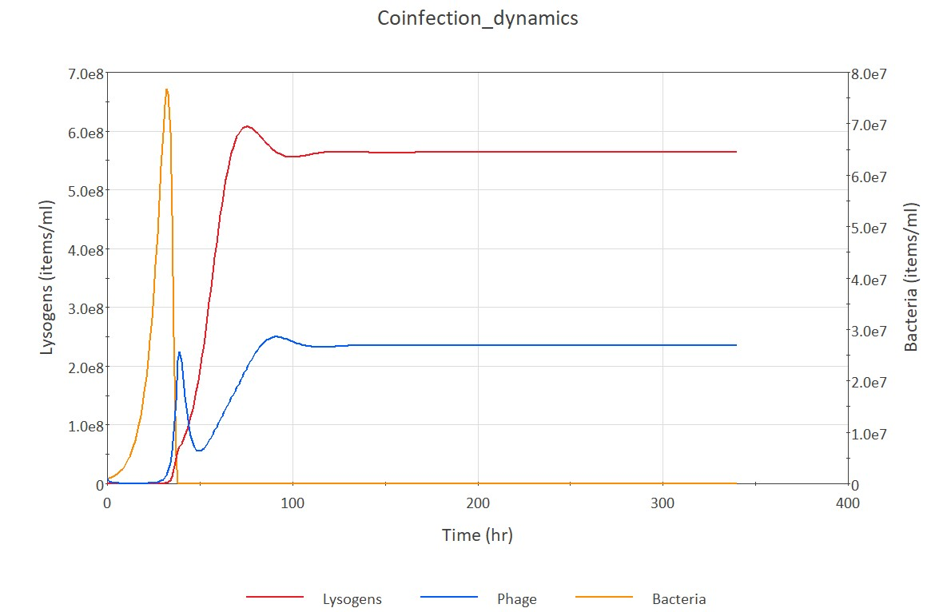

Metabolic
Metabolic | 2022-03-07 |  |  |  |  |  |  |  |  | c | m | r(0.1)
Parameter | Name | Min Value | Max Value | Mean Value | Median Value | References | DOI | Phage Species | Host | 8 | 0.136 | 0.017
r | B growth rate | 0.071 | 0.169 |  |  | (Kirchman, 2016) | 10.1146/annurev-marine-122414-033938 |  |  | 9 | 0.153 | 0.017
$$∝$$
 | Infection rate | 6.2x10^-9 | 3.7x10^-7 | 1.7x10^-7 | 1.6x10^-7 | (Luque and Silveira, 2020) | https://doi.org/10.1128/mSystems.00353-20 |  |  | 10 | 0.17 | 0.017
$$β$$
$$γ$$
 | P Burst Size | 8 | 14 | 11 |  | (M. Middelboe et al., 2001) | 10.1007/s00248-001-0012-1 | Myoviridae | Vibrio sp. | 11 | 0.187 | 0.017
 | P decay rate | 0.3 | 0.528 |  |  | (C.A. Suttle, 1994) | https://www.jstor.org/stable/4251380 | Myoviridae | Vibrio sp. | 12 | 0.204 | 0.017
B | Bacteria conc. | 3.8x10^4 | 6.7x10^6 | 2.5x10^6 | 2.0x10^6 | (Luque and Silveira, 2020) | https://doi.org/10.1128/mSystems.00353-20 |  |  | 13 | 0.221 | 0.017
P | Phage conc. | 6.2x10^5 | 3.9x10^7 | 1.6x10^7 | 1.3x10^7 | (Luque and Silveira, 2020) | https://doi.org/10.1128/mSystems.00353-20 |  |  | 14 | 0.238 | 0.017

2022-09-09
Parameter | Name | Value | Units |  |  | References | DOI | Phage Species | Host
r | B growth rate | 0.17 | 1/hr |  | 0.17 | Silveira et al., 2021
d | Infection rate | 3e^-8 | ml/hr
c | P Burst Size | 5 |  |  |  | made up
m | P decay rate | 0.08 | 1/hr
B | Bacteria conc. | 1.70E+05 | items/ml
P | Phage conc. | 1.70E+03 | items/ml
up | Time for phage to lyse | 1 | 1/hr |  |  | conversion unit
P(L) | Probability of lysogeny | 0.6 |  |  |  | calculated
ui | Induction rate | 0.02 | 1/hr |  |  | Toni student

2022-10-03
Parameter | Name | Value | Units |  |  | References | DOI | Phage Species | Host
r | B growth rate |  | 1/hr
d | Infection rate |  | ml/hr
c | P Burst Size
m | P decay rate |  | 1/hr
B | Bacteria conc. |  | items/ml
P | Phage conc. |  | items/ml
up | Time for phage to lyse |  | 1/hr
P(L) | Probability of lysogeny
ui | Induction rate |  | 1/hr

M9_8
