Pipeline_notes
Pipeline
Collection of Methods | comparison of machine learning methods with published packages (selbal, CODAcore. Etc.)

 | only filtering when over 1000 features
Steps | Methods | Comment
Pre-Processing | Filtering (e.g., 0.1% abundance, 10% samples, mRMR) | filtering should be implemented to reduce computational taxing; for zero-imputation, one extra next to zComposition as comparison
 | Zero-Imputation (zCompositions, mbImpute, Bayesian Imputation)

 | LASSO feature selection
 | univariate selection
 | Statistically Equivalent Signature algorithm
Transformation | CLR | by hand or selbal, easyCODA, or other packages; careful: for datasets correlating microbiomes with metabolites
 | ALR
 | ILR
 | Balances (selbal/discriminantive balance analysis, codacore)
 | Amalgamation (SLR)

Statistical Analysis | Mean, Median, Min., Max. | probably not part of the pipeline, until distributions are of interest
 | MAD
 | skweness
 | kurtosis
 | Kolmogorov-Smirnov test

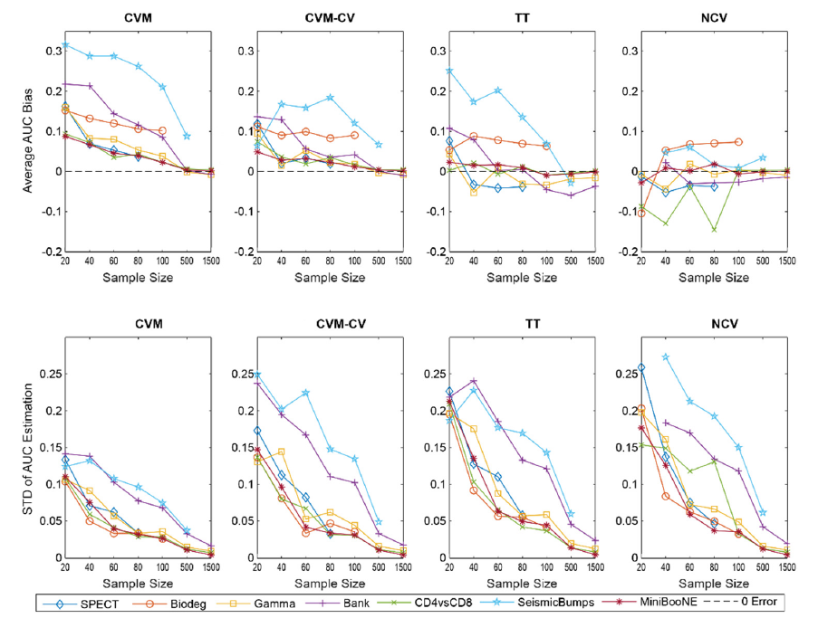
Test/Training Split | 10-fold nested cross-validation | using empirical dataset to validate pipeline? Computation of bias L(Hold_out) - L(estimation)
 | stratification
 | 30% partition for sub-sampling (n = 30)/70% for true performance estimation
 | small datasets: repeating inner CV loop to reduce variance
Models | Random Forrest (XGBoost) | recursive or normal SVM?
 | Logistic Regression
 | Support-Vector Machines
 | K-Nearest Neighbors
 | Neural Network
 | Linear Discriminant Analysis
 | PCA

Performance Metrics | Accuracy | Q: sensitivity analysis? See graph on the right as example for model performances for each data set
 | AUROC
 | PCC (Proportion of correct classifications)
 | RCI (entropy-based measures for uncertainty)

Statistical Indicators | random permutation testing to compare accuracies (see Statnikov)
 | McNemar's test
 | 5x2-fold cross validation with modified paired students t-test
 | Wilcoxon signed rank test

