Stratification
Stratification
Soil profile 1 |  | (SP1) |  |  |  |  |  | Note: | LB3
Characteristic parameters
Ground angle back |  | 0.00 | Ground angle front |  | 0.00 | [deg.]
Soil Profile 1
Back | z | γ_d | γ_m | Cu | c' | ϕ' | i | r | Description | Keep drained |  | Back |  | Sheet pile wall
Units | [m] | [kN/m³] | [kN/m³] | [kN/m² ] | [kN/m² ] | [deg.] | [-] | [-] | [Text] | [Yes / No] | x | 5.00 | 0.00 | 0.00 | 0.00
1 | 2.25 | 18 | 20 | 0 | 0 | 30 | 0.00 | 0.47 | Baglandsmateriale | Yes | y | 2.25 | 2.25 | -13.13 | 2.25
2 | -4.50 | 20 | 20 | 60 | 6 | 30 | 0.00 | 0.47 | Moræneler | No | y | -4.50 | -4.50
3 | -4.90 | 18 | 18 | 0 | 0 | 35 | 0.00 | 0.47 | Grus | Yes | y | -4.90 | -4.90
4 |  |  |  |  |  |  |  |  |  |  | y | 2.25 | 2.25
5 |  |  |  |  |  |  |  |  |  |  | y | 2.25 | 2.25
6 |  |  |  |  |  |  |  |  |  |  | y | 2.25 | 2.25
7 |  |  |  |  |  |  |  |  |  |  | y | 2.25 | 2.25
8 |  |  |  |  |  |  |  |  |  |  | y | 2.25 | 2.25
9 |  |  |  |  |  |  |  |  |  |  | y | 2.25 | 2.25
10 |  |  |  |  |  |  |  |  |  |  | y | 2.25 | 2.25
Front | z | γ_d | γ_m | Cu | c' | ϕ' | i | r | Description | Keep drained |  | Front
Units | [m] | [kN/m³] | [kN/m³] | [kN/m² ] | [kN/m² ] | [deg.] | [-] | [-] | [Text] | [Yes / No] | x | -5.00 | 0.00
1 | -8.00 | 18 | 18 | 0 | 0 | 35 | 0.00 | 1.00 | Grus | Yes | y | -8.00 | -8.00
2 |  |  |  |  |  |  |  |  |  |  | y | -8.00 | -8.00
3 |  |  |  |  |  |  |  |  |  |  | y | -8.00 | -8.00
4 |  |  |  |  |  |  |  |  |  |  | y | -8.00 | -8.00
5 |  |  |  |  |  |  |  |  |  |  | y | -8.00 | -8.00
6 |  |  |  |  |  |  |  |  |  |  | y | -8.00 | -8.00
7 |  |  |  |  |  |  |  |  |  |  | y | -8.00 | -8.00
8 |  |  |  |  |  |  |  |  |  |  | y | -8.00 | -8.00
9 |  |  |  |  |  |  |  |  |  |  | y | -8.00 | -8.00
10 |  |  |  |  |  |  |  |  |  |  | y | -8.00 | -8.00
Soil profile 2 |  | (SP2) |  |  |  |  |  | Note: | LB3
Characteristic parameters
Ground angle back |  | 0.00 | Ground angle front |  | 0.00 | [deg.]
Soil Profile 2
Back | z | γ_d | γ_m | Cu | c' | ϕ' | i | r | Description | Keep drained |  | Back |  | Sheet pile wall
Units | [m] | [kN/m³] | [kN/m³] | [kN/m² ] | [kN/m² ] | [deg.] | [-] | [-] | [Text] | [Yes / No] | x | 5.00 | 0.00 | 0.00 | 0.00
1 | 2.25 | 18 | 20 | 0 | 0 | 30 | 0.00 | 0.55 | Baglandsmateriale | Yes | y | 2.25 | 2.25 | -13.13 | 2.25
2 | -4.50 | 20 | 20 | 60 | 6 | 30 | 0.00 | 0.55 | Moræneler | No | y | -4.50 | -4.50
3 | -4.90 | 18 | 18 | 0 | 0 | 35 | 0.00 | 0.55 | Grus | Yes | y | -4.90 | -4.90
4 |  |  |  |  |  |  |  |  |  |  | y | 2.25 | 2.25
5 |  |  |  |  |  |  |  |  |  |  | y | 2.25 | 2.25
6 |  |  |  |  |  |  |  |  |  |  | y | 2.25 | 2.25
7 |  |  |  |  |  |  |  |  |  |  | y | 2.25 | 2.25
8 |  |  |  |  |  |  |  |  |  |  | y | 2.25 | 2.25
9 |  |  |  |  |  |  |  |  |  |  | y | 2.25 | 2.25
10 |  |  |  |  |  |  |  |  |  |  | y | 2.25 | 2.25
Front | z | γ_d | γ_m | Cu | c' | ϕ' | i | r | Description | Keep drained |  | Front
Units | [m] | [kN/m³] | [kN/m³] | [kN/m² ] | [kN/m² ] | [deg.] | [-] | [-] | [Text] | [Yes / No] | x | -5.00 | 0.00
1 | -8.00 | 18 | 18 | 0 | 0 | 35 | 0.00 | 1.00 | Grus | Yes | y | -8.00 | -8.00
2 |  |  |  |  |  |  |  |  |  |  | y | -8.00 | -8.00
3 |  |  |  |  |  |  |  |  |  |  | y | -8.00 | -8.00
4 |  |  |  |  |  |  |  |  |  |  | y | -8.00 | -8.00
5 |  |  |  |  |  |  |  |  |  |  | y | -8.00 | -8.00
6 |  |  |  |  |  |  |  |  |  |  | y | -8.00 | -8.00
7 |  |  |  |  |  |  |  |  |  |  | y | -8.00 | -8.00
8 |  |  |  |  |  |  |  |  |  |  | y | -8.00 | -8.00
9 |  |  |  |  |  |  |  |  |  |  | y | -8.00 | -8.00
10 |  |  |  |  |  |  |  |  |  |  | y | -8.00 | -8.00
Soil profile 3 |  | (SP3) |  |  |  |  |  | Note: | Inter under -10,7
Characteristic parameters
Ground angle back |  | 0.00 | Ground angle front |  | 0.00 | [deg.]
Soil Profile 3
Back | z | γ_d | γ_m | Cu | c' | ϕ' | i | r | Description | Keep drained |  | Back |  | Sheet pile wall
Units | [m] | [kN/m³] | [kN/m³] | [kN/m² ] | [kN/m² ] | [deg.] | [-] | [-] | [Text] | [Yes / No] | x | 5.00 | 0.00 | 0.00 | 0.00
1 | 2.25 | 18 | 20 | 0 | 0 | 30 | 0.00 | 0.65 | Baglandsmateriale | Yes | y | 2.25 | 2.25 | -13.13 | 2.25
2 | -4.50 | 20 | 20 | 60 | 6 | 30 | 0.00 | 0.65 | Moræneler | No | y | -4.50 | -4.50
3 | -4.90 | 18 | 18 | 0 | 0 | 35 | 0.00 | 0.65 | Grus | Yes | y | -4.90 | -4.90
4 |  |  |  |  |  |  |  |  |  |  | y | 2.25 | 2.25
5 |  |  |  |  |  |  |  |  |  |  | y | 2.25 | 2.25
6 |  |  |  |  |  |  |  |  |  |  | y | 2.25 | 2.25
7 |  |  |  |  |  |  |  |  |  |  | y | 2.25 | 2.25
8 |  |  |  |  |  |  |  |  |  |  | y | 2.25 | 2.25
9 |  |  |  |  |  |  |  |  |  |  | y | 2.25 | 2.25
10 |  |  |  |  |  |  |  |  |  |  | y | 2.25 | 2.25
Front | z | γ_d | γ_m | Cu | c' | ϕ' | i | r | Description | Keep drained |  | Front
Units | [m] | [kN/m³] | [kN/m³] | [kN/m² ] | [kN/m² ] | [deg.] | [-] | [-] | [Text] | [Yes / No] | x | -5.00 | 0.00
1 | -8.00 | 18 | 18 | 0 | 0 | 35 | 0.00 | 1.00 | Grus | Yes | y | -8.00 | -8.00
2 |  |  |  |  |  |  |  |  |  |  | y | -8.00 | -8.00
3 |  |  |  |  |  |  |  |  |  |  | y | -8.00 | -8.00
4 |  |  |  |  |  |  |  |  |  |  | y | -8.00 | -8.00
5 |  |  |  |  |  |  |  |  |  |  | y | -8.00 | -8.00
6 |  |  |  |  |  |  |  |  |  |  | y | -8.00 | -8.00
7 |  |  |  |  |  |  |  |  |  |  | y | -8.00 | -8.00
8 |  |  |  |  |  |  |  |  |  |  | y | -8.00 | -8.00
9 |  |  |  |  |  |  |  |  |  |  | y | -8.00 | -8.00
10 |  |  |  |  |  |  |  |  |  |  | y | -8.00 | -8.00

Soil profile 4 |  | (SP4) |  |  |  |  |  | Note: | Inter under -10,7
Characteristic parameters
Ground angle back |  | 0.00 | Ground angle front |  | 0.00 | [deg.]
Soil Profile 4
Back | z | γ_d | γ_m | Cu | c' | ϕ' | i | r | Description | Keep drained |  | Back |  | Sheet pile wall
Units | [m] | [kN/m³] | [kN/m³] | [kN/m² ] | [kN/m² ] | [deg.] | [-] | [-] | [Text] | [Yes / No] | x | 5.00 | 0.00 | 0.00 | 0.00
1 | 2.25 | 18 | 20 | 0 | 0 | 30 | 0.00 | 0.58 | Baglandsmateriale | Yes | y | 2.25 | 2.25 | -13.13 | 2.25
2 | -4.50 | 20 | 20 | 60 | 6 | 30 | 0.00 | 0.58 | Moræneler | No | y | -4.50 | -4.50
3 | -4.90 | 18 | 18 | 0 | 0 | 35 | 0.00 | 0.58 | Grus | Yes | y | -4.90 | -4.90
4 |  |  |  |  |  |  |  |  |  |  | y | 2.25 | 2.25
5 |  |  |  |  |  |  |  |  |  |  | y | 2.25 | 2.25
6 |  |  |  |  |  |  |  |  |  |  | y | 2.25 | 2.25
7 |  |  |  |  |  |  |  |  |  |  | y | 2.25 | 2.25
8 |  |  |  |  |  |  |  |  |  |  | y | 2.25 | 2.25
9 |  |  |  |  |  |  |  |  |  |  | y | 2.25 | 2.25
10 |  |  |  |  |  |  |  |  |  |  | y | 2.25 | 2.25
Front | z | γ_d | γ_m | Cu | c' | ϕ' | i | r | Description | Keep drained |  | Front
Units | [m] | [kN/m³] | [kN/m³] | [kN/m² ] | [kN/m² ] | [deg.] | [-] | [-] | [Text] | [Yes / No] | x | -5.00 | 0.00
1 | -8.00 | 18 | 18 | 0 | 0 | 35 | 0.00 | 1.00 | Grus | Yes | y | -8.00 | -8.00
2 |  |  |  |  |  |  |  |  |  |  | y | -8.00 | -8.00
3 |  |  |  |  |  |  |  |  |  |  | y | -8.00 | -8.00
4 |  |  |  |  |  |  |  |  |  |  | y | -8.00 | -8.00
5 |  |  |  |  |  |  |  |  |  |  | y | -8.00 | -8.00
6 |  |  |  |  |  |  |  |  |  |  | y | -8.00 | -8.00
7 |  |  |  |  |  |  |  |  |  |  | y | -8.00 | -8.00
8 |  |  |  |  |  |  |  |  |  |  | y | -8.00 | -8.00
9 |  |  |  |  |  |  |  |  |  |  | y | -8.00 | -8.00
10 |  |  |  |  |  |  |  |  |  |  | y | -8.00 | -8.00

Soil profile 5 |  | (SP5) |  |  |  |  |  | Note: | Inter under -10,7
Characteristic parameters
Ground angle back |  | 0.00 | Ground angle front |  | 0.00 | [deg.]
Soil Profile 5
Back | z | γ_d | γ_m | Cu | c' | ϕ' | i | r | Description | Keep drained |  | Back |  | Sheet pile wall
Units | [m] | [kN/m³] | [kN/m³] | [kN/m² ] | [kN/m² ] | [deg.] | [-] | [-] | [Text] | [Yes / No] | x | 5.00 | 0.00 | 0.00 | 0.00
1 | 2.25 | 18 | 20 | 0 | 0 | 30 | 0.00 | 0.34 | Baglandsmateriale | Yes | y | 2.25 | 2.25 | -13.13 | 2.25
2 | -4.50 | 20 | 20 | 60 | 6 | 30 | 0.00 | 0.34 | Moræneler | No | y | -4.50 | -4.50
3 | -4.90 | 18 | 18 | 0 | 0 | 35 | 0.00 | 0.34 | Grus | Yes | y | -4.90 | -4.90
4 |  |  |  |  |  |  |  |  |  |  | y | 2.25 | 2.25
5 |  |  |  |  |  |  |  |  |  |  | y | 2.25 | 2.25
6 |  |  |  |  |  |  |  |  |  |  | y | 2.25 | 2.25
7 |  |  |  |  |  |  |  |  |  |  | y | 2.25 | 2.25
8 |  |  |  |  |  |  |  |  |  |  | y | 2.25 | 2.25
9 |  |  |  |  |  |  |  |  |  |  | y | 2.25 | 2.25
10 |  |  |  |  |  |  |  |  |  |  | y | 2.25 | 2.25
Front | z | γ_d | γ_m | Cu | c' | ϕ' | i | r | Description | Keep drained |  | Front
Units | [m] | [kN/m³] | [kN/m³] | [kN/m² ] | [kN/m² ] | [deg.] | [-] | [-] | [Text] | [Yes / No] | x | -5.00 | 0.00
1 | -8.00 | 18 | 18 | 0 | 0 | 35 | 0.00 | 1.00 | Grus | Yes | y | -8.00 | -8.00
2 |  |  |  |  |  |  |  |  |  |  | y | -8.00 | -8.00
3 |  |  |  |  |  |  |  |  |  |  | y | -8.00 | -8.00
4 |  |  |  |  |  |  |  |  |  |  | y | -8.00 | -8.00
5 |  |  |  |  |  |  |  |  |  |  | y | -8.00 | -8.00
6 |  |  |  |  |  |  |  |  |  |  | y | -8.00 | -8.00
7 |  |  |  |  |  |  |  |  |  |  | y | -8.00 | -8.00
8 |  |  |  |  |  |  |  |  |  |  | y | -8.00 | -8.00
9 |  |  |  |  |  |  |  |  |  |  | y | -8.00 | -8.00
10 |  |  |  |  |  |  |  |  |  |  | y | -8.00 | -8.00

Soil profile 6 |  | (SP6) |  |  |  |  |  | Note: | Inter under -10,7
Characteristic parameters
Ground angle back |  | 0.00 | Ground angle front |  | 0.00 | [deg.]
Soil Profile 6
Back | z | γ_d | γ_m | Cu | c' | ϕ' | i | r | Description | Keep drained |  | Back |  | Sheet pile wall
Units | [m] | [kN/m³] | [kN/m³] | [kN/m² ] | [kN/m² ] | [deg.] | [-] | [-] | [Text] | [Yes / No] | x | 5.00 | 0.00 | 0.00 | 0.00
1 |  |  |  |  |  |  |  |  |  |  | y | 0.00 | 0.00 | -13.13 | 2.25
2 |  |  |  |  |  |  |  |  |  |  | y | 2.25 | 2.25
3 |  |  |  |  |  |  |  |  |  |  | y | 2.25 | 2.25
4 |  |  |  |  |  |  |  |  |  |  | y | 2.25 | 2.25
5 |  |  |  |  |  |  |  |  |  |  | y | 2.25 | 2.25
6 |  |  |  |  |  |  |  |  |  |  | y | 2.25 | 2.25
7 |  |  |  |  |  |  |  |  |  |  | y | 2.25 | 2.25
8 |  |  |  |  |  |  |  |  |  |  | y | 2.25 | 2.25
9 |  |  |  |  |  |  |  |  |  |  | y | 2.25 | 2.25
10 |  |  |  |  |  |  |  |  |  |  | y | 2.25 | 2.25
Front | z | γ_d | γ_m | Cu | c' | ϕ' | i | r | Description | Keep drained |  | Front
Units | [m] | [kN/m³] | [kN/m³] | [kN/m² ] | [kN/m² ] | [deg.] | [-] | [-] | [Text] | [Yes / No] | x | -5.00 | 0.00
1 |  |  |  |  |  |  |  |  |  |  | y | 0.00 | 0.00
2 |  |  |  |  |  |  |  |  |  |  | y | -8.00 | -8.00
3 |  |  |  |  |  |  |  |  |  |  | y | -8.00 | -8.00
4 |  |  |  |  |  |  |  |  |  |  | y | -8.00 | -8.00
5 |  |  |  |  |  |  |  |  |  |  | y | -8.00 | -8.00
6 |  |  |  |  |  |  |  |  |  |  | y | -8.00 | -8.00
7 |  |  |  |  |  |  |  |  |  |  | y | -8.00 | -8.00
8 |  |  |  |  |  |  |  |  |  |  | y | -8.00 | -8.00
9 |  |  |  |  |  |  |  |  |  |  | y | -8.00 | -8.00
10 |  |  |  |  |  |  |  |  |  |  | y | -8.00 | -8.00

Soil profile 7 |  | (SP7) |  |  |  |  |  | Note: | Inter under -10,7
Characteristic parameters
Ground angle back |  | 0.00 | Ground angle front |  | 0.00 | [deg.]
Soil Profile 7
Back | z | γ_d | γ_m | Cu | c' | ϕ' | i | r | Description | Keep drained |  | Back |  | Sheet pile wall
Units | [m] | [kN/m³] | [kN/m³] | [kN/m² ] | [kN/m² ] | [deg.] | [-] | [-] | [Text] | [Yes / No] | x | 5.00 | 0.00 | 0.00 | 0.00
1 |  |  |  |  |  |  |  |  |  |  | y | 0.00 | 0.00 | -13.13 | 2.25
2 |  |  |  |  |  |  |  |  |  |  | y | 2.25 | 2.25
3 |  |  |  |  |  |  |  |  |  |  | y | 2.25 | 2.25
4 |  |  |  |  |  |  |  |  |  |  | y | 2.25 | 2.25
5 |  |  |  |  |  |  |  |  |  |  | y | 2.25 | 2.25
6 |  |  |  |  |  |  |  |  |  |  | y | 2.25 | 2.25
7 |  |  |  |  |  |  |  |  |  |  | y | 2.25 | 2.25
8 |  |  |  |  |  |  |  |  |  |  | y | 2.25 | 2.25
9 |  |  |  |  |  |  |  |  |  |  | y | 2.25 | 2.25
10 |  |  |  |  |  |  |  |  |  |  | y | 2.25 | 2.25
Front | z | γ_d | γ_m | Cu | c' | ϕ' | i | r | Description | Keep drained |  | Front
Units | [m] | [kN/m³] | [kN/m³] | [kN/m² ] | [kN/m² ] | [deg.] | [-] | [-] | [Text] | [Yes / No] | x | -5.00 | 0.00
1 |  |  |  |  |  |  |  |  |  |  | y | 0.00 | 0.00
2 |  |  |  |  |  |  |  |  |  |  | y | -8.00 | -8.00
3 |  |  |  |  |  |  |  |  |  |  | y | -8.00 | -8.00
4 |  |  |  |  |  |  |  |  |  |  | y | -8.00 | -8.00
5 |  |  |  |  |  |  |  |  |  |  | y | -8.00 | -8.00
6 |  |  |  |  |  |  |  |  |  |  | y | -8.00 | -8.00
7 |  |  |  |  |  |  |  |  |  |  | y | -8.00 | -8.00
8 |  |  |  |  |  |  |  |  |  |  | y | -8.00 | -8.00
9 |  |  |  |  |  |  |  |  |  |  | y | -8.00 | -8.00
10 |  |  |  |  |  |  |  |  |  |  | y | -8.00 | -8.00

Soil profile 8 |  | (SP8) |  |  |  |  |  | Note:
Characteristic parameters
Ground angle back |  | 0.00 | Ground angle front |  | 0.00 | [deg.]
Soil Profile 8
Back | z | γ_d | γ_m | Cu | c' | ϕ' | i | r | Description | Keep drained |  | Back |  | Sheet pile wall
Units | [m] | [kN/m³] | [kN/m³] | [kN/m² ] | [kN/m² ] | [deg.] | [-] | [-] | [Text] | [Yes / No] | x | 5.00 | 0.00 | 0.00 | 0.00
1 |  |  |  |  |  |  |  |  |  |  | y | 0.00 | 0.00 | -13.13 | 2.25
2 |  |  |  |  |  |  |  |  |  |  | y | 2.25 | 2.25
3 |  |  |  |  |  |  |  |  |  |  | y | 2.25 | 2.25
4 |  |  |  |  |  |  |  |  |  |  | y | 2.25 | 2.25
5 |  |  |  |  |  |  |  |  |  |  | y | 2.25 | 2.25
6 |  |  |  |  |  |  |  |  |  |  | y | 2.25 | 2.25
7 |  |  |  |  |  |  |  |  |  |  | y | 2.25 | 2.25
8 |  |  |  |  |  |  |  |  |  |  | y | 2.25 | 2.25
9 |  |  |  |  |  |  |  |  |  |  | y | 2.25 | 2.25
10 |  |  |  |  |  |  |  |  |  |  | y | 2.25 | 2.25
Front | z | γ_d | γ_m | Cu | c' | ϕ' | i | r | Description | Keep drained |  | Front
Units | [m] | [kN/m³] | [kN/m³] | [kN/m² ] | [kN/m² ] | [deg.] | [-] | [-] | [Text] | [Yes / No] | x | -5.00 | 0.00
1 |  |  |  |  |  |  |  |  |  |  | y | 0.00 | 0.00
2 |  |  |  |  |  |  |  |  |  |  | y | -8.00 | -8.00
3 |  |  |  |  |  |  |  |  |  |  | y | -8.00 | -8.00
4 |  |  |  |  |  |  |  |  |  |  | y | -8.00 | -8.00
5 |  |  |  |  |  |  |  |  |  |  | y | -8.00 | -8.00
6 |  |  |  |  |  |  |  |  |  |  | y | -8.00 | -8.00
7 |  |  |  |  |  |  |  |  |  |  | y | -8.00 | -8.00
8 |  |  |  |  |  |  |  |  |  |  | y | -8.00 | -8.00
9 |  |  |  |  |  |  |  |  |  |  | y | -8.00 | -8.00
10 |  |  |  |  |  |  |  |  |  |  | y | -8.00 | -8.00

Soil profile 9 |  | (SP9) |  |  |  |  |  | Note:
Characteristic parameters
Ground angle back |  | 0.00 | Ground angle front |  | 0.00 | [deg.]
Soil Profile 9
Back | z | γ_d | γ_m | Cu | c' | ϕ' | i | r | Description | Keep drained |  | Back |  | Sheet pile wall
Units | [m] | [kN/m³] | [kN/m³] | [kN/m² ] | [kN/m² ] | [deg.] | [-] | [-] | [Text] | [Yes / No] | x | 5.00 | 0.00 | 0.00 | 0.00
1 |  |  |  |  |  |  |  |  |  |  | y | 0.00 | 0.00 | -13.13 | 2.25
2 |  |  |  |  |  |  |  |  |  |  | y | 2.25 | 2.25
3 |  |  |  |  |  |  |  |  |  |  | y | 2.25 | 2.25
4 |  |  |  |  |  |  |  |  |  |  | y | 2.25 | 2.25
5 |  |  |  |  |  |  |  |  |  |  | y | 2.25 | 2.25
6 |  |  |  |  |  |  |  |  |  |  | y | 2.25 | 2.25
7 |  |  |  |  |  |  |  |  |  |  | y | 2.25 | 2.25
8 |  |  |  |  |  |  |  |  |  |  | y | 2.25 | 2.25
9 |  |  |  |  |  |  |  |  |  |  | y | 2.25 | 2.25
10 |  |  |  |  |  |  |  |  |  |  | y | 2.25 | 2.25
Front | z | γ_d | γ_m | Cu | c' | ϕ' | i | r | Description | Keep drained |  | Front
Units | [m] | [kN/m³] | [kN/m³] | [kN/m² ] | [kN/m² ] | [deg.] | [-] | [-] | [Text] | [Yes / No] | x | -5.00 | 0.00
1 |  |  |  |  |  |  |  |  |  |  | y | 0.00 | 0.00
2 |  |  |  |  |  |  |  |  |  |  | y | -8.00 | -8.00
3 |  |  |  |  |  |  |  |  |  |  | y | -8.00 | -8.00
4 |  |  |  |  |  |  |  |  |  |  | y | -8.00 | -8.00
5 |  |  |  |  |  |  |  |  |  |  | y | -8.00 | -8.00
6 |  |  |  |  |  |  |  |  |  |  | y | -8.00 | -8.00
7 |  |  |  |  |  |  |  |  |  |  | y | -8.00 | -8.00
8 |  |  |  |  |  |  |  |  |  |  | y | -8.00 | -8.00
9 |  |  |  |  |  |  |  |  |  |  | y | -8.00 | -8.00
10 |  |  |  |  |  |  |  |  |  |  | y | -8.00 | -8.00

Soil profile 10 |  | (SP10) |  |  |  |  |  | Note:
Characteristic parameters
Ground angle back |  | 0.00 | Ground angle front |  | 0.00 | [deg.]
Soil Profile 10
Back | z | γ_d | γ_m | Cu | c' | ϕ' | i | r | Description | Keep drained |  | Back |  | Sheet pile wall
Units | [m] | [kN/m³] | [kN/m³] | [kN/m² ] | [kN/m² ] | [deg.] | [-] | [-] | [Text] | [Yes / No] | x | 5.00 | 0.00 | 0.00 | 0.00
1 |  |  |  |  |  |  |  |  |  |  | y | 0.00 | 0.00 | -13.13 | 2.25
2 |  |  |  |  |  |  |  |  |  |  | y | 2.25 | 2.25
3 |  |  |  |  |  |  |  |  |  |  | y | 2.25 | 2.25
4 |  |  |  |  |  |  |  |  |  |  | y | 2.25 | 2.25
5 |  |  |  |  |  |  |  |  |  |  | y | 2.25 | 2.25
6 |  |  |  |  |  |  |  |  |  |  | y | 2.25 | 2.25
7 |  |  |  |  |  |  |  |  |  |  | y | 2.25 | 2.25
8 |  |  |  |  |  |  |  |  |  |  | y | 2.25 | 2.25
9 |  |  |  |  |  |  |  |  |  |  | y | 2.25 | 2.25
10 |  |  |  |  |  |  |  |  |  |  | y | 2.25 | 2.25
Front | z | γ_d | γ_m | Cu | c' | ϕ' | i | r | Description | Keep drained |  | Front
Units | [m] | [kN/m³] | [kN/m³] | [kN/m² ] | [kN/m² ] | [deg.] | [-] | [-] | [Text] | [Yes / No] | x | -5.00 | 0.00
1 |  |  |  |  |  |  |  |  |  |  | y | 0.00 | 0.00
2 |  |  |  |  |  |  |  |  |  |  | y | -8.00 | -8.00
3 |  |  |  |  |  |  |  |  |  |  | y | -8.00 | -8.00
4 |  |  |  |  |  |  |  |  |  |  | y | -8.00 | -8.00
5 |  |  |  |  |  |  |  |  |  |  | y | -8.00 | -8.00
6 |  |  |  |  |  |  |  |  |  |  | y | -8.00 | -8.00
7 |  |  |  |  |  |  |  |  |  |  | y | -8.00 | -8.00
8 |  |  |  |  |  |  |  |  |  |  | y | -8.00 | -8.00
9 |  |  |  |  |  |  |  |  |  |  | y | -8.00 | -8.00
10 |  |  |  |  |  |  |  |  |  |  | y | -8.00 | -8.00

Additional_pressure_profiles
Additional pressure profiles
Characteristic "ez" values
AP1
AP1 | z [m] | ez [kN/m²] | Note
1 | 2.48 | 0.00 | Dom. Pul
2 | 2.48 | 191.50 |  | Wall
3 | 2.38 | 191.50 |  | 0 | 2.50
4 | 2.38 | 0.00 |  | 0 | -13.00
5 | 2.3 | 0.00
6 | 1.70 | 114.96
7 | 0.00 | 21.40
8 | -1.00 | 5.02
9 | -2.00 | 0.45
AP2
AP2 | z [m] | ez [kN/m²] | Note
1 | 2.48 | 0.00 | Dom. Kran
2 | 2.48 | 95.75
3 | 2.38 | 95.75
4 | 2.38 | 0.00
5 | 2.30 | 0.00
6 | 1.70 | 153.49
7 | 0.00 | 29.33
8 | -2.00 | 1.84
9 | -6.00 | 2.02
AP3
AP3 | z [m] | ez [kN/m²] | Note
1 | 2.48 | 0.00 | Ikke dom. kran & ikke dom. pullert
2 | 2.48 | 95.75
3 | 2.38 | 95.75
4 | 2.38 | 0.00
5 | 2.30 | 0.00
6 | 1.70 | 114.96
7 | 0.00 | 21.40
8 | -1.00 | 5.02
9 | -2.00 | 0.45
AP4
 |  |  | Wall
0.00 | 2.48 | 0 | 2.50
95.75 | 2.48 | 0 | -13.00
95.75 | 2.38
0.00 | 2.38
AP4 | z [m] | ez [kN/m²] | Note
1 | 2.48 | 0.00 | Ikk Dom. Pull % Kranlast
2 | 2.48 | 95.75
3 | 2.38 | 95.75
4 | 2.38 | 0.00
5
6
7
8
9
AP5
 |  |  | Wall
0.00 | 2.48 | 0 | 2.50
191.50 | 2.48 | 0 | -13.00
191.50 | 2.38
0.00 | 2.38
AP5 | z [m] | ez [kN/m²] | Note
1 | 2.48 | 0.00 | Dom. Pullert % Kranlast
2 | 2.48 | 191.50
3 | 2.38 | 191.50
4 | 2.38 | 0.00
5
6
7
8
9
AP6
 |  | Wall
 |  | 2.50
 |  | -13.00
AP6 | z [m] | ez [kN/m²] | Note
1
2
3
4
5
6
7
8
9
AP7
 |  | Wall
 |  | 2.50
 |  | -13.00
AP7 | z [m] | ez [kN/m²] | Note
1
2
3
4
5
6
7
8
9
AP8
 |  | Wall
 |  | 2.50
 |  | -13.00
AP8 | z [m] | ez [kN/m²] | Note
1
2
3
4
5
6
7
8
9
AP9
 |  | Wall
 |  | 2.50
 |  | -13.00
AP9 | z [m] | ez [kN/m²] | Note
1
2
3
4
5
6
7
8
9
AP10
 |  | Wall
 |  | 2.50
 |  | -13.00
AP10 | z [m] | ez [kN/m²] | Note
1
2
3
4
5
6
7
8
9

Addon - Sheet Pile Wall
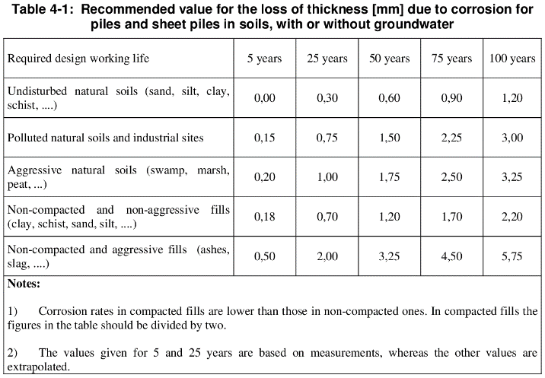
Addon: Sheet Pile Wall |  | Use addon? | Yes

Partial Safety Factors:
Limit State |  |  |  |  | ULS-Plastic | [-]
Control Class |  |  |  |  | Normal | [-]
KFI |  |  |  |  | Disable | [-]

Geometrical and Material Properties:
Sheet Pile Wall: |  |  |  |  | Optimize-700 | [-]
Max utilization |  |  |  |  | 0.95 | [-]
Char. Yield Strength: |  |  |  |  | 355 | MPa
βB |  |  |  |  | 1 | [-]
βD |  |  |  |  | 1 | [-]

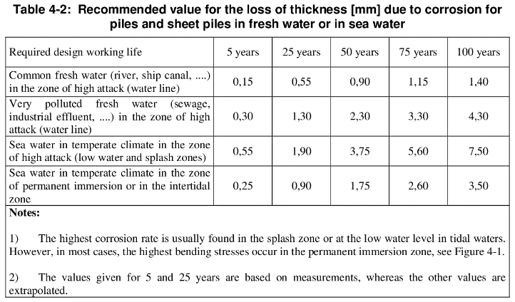
Corrosion:
Design life |  |  |  |  | 50 | years
Level: | Corrosion Environment (front): |  |  | Corrosion Environment (back): | Total corrosion:
2 | Cathodic Protection |  |  | Non-compacted and non-aggressive fills (clay, shist, sand, silt, …) | 1.2 | mm
1 | Cathodic Protection |  |  | Non-compacted and non-aggressive fills (clay, shist, sand, silt, …) | 1.2 | mm
0 | Cathodic Protection |  |  | Non-compacted and non-aggressive fills (clay, shist, sand, silt, …) | 1.2 | mm
-0.5 | Cathodic Protection |  |  | Non-compacted and non-aggressive fills (clay, shist, sand, silt, …) | 1.2 | mm
-1 | Cathodic Protection |  |  | Non-compacted and non-aggressive fills (clay, shist, sand, silt, …) | 1.2 | mm
-6 | Cathodic Protection |  |  | Non-compacted and non-aggressive fills (clay, shist, sand, silt, …) | 1.2 | mm
-7 | Cathodic Protection |  |  | Non-compacted and non-aggressive fills (clay, shist, sand, silt, …) | 1.2 | mm
-8 | Cathodic Protection |  |  | Non-compacted and non-aggressive fills (clay, shist, sand, silt, …) | 1.2 | mm
-9 | Cathodic Protection |  |  | Non-compacted and non-aggressive fills (clay, shist, sand, silt, …) | 1.2 | mm
-10 | Cathodic Protection |  |  | Non-compacted and non-aggressive fills (clay, shist, sand, silt, …) | 1.2 | mm

Rotational Capacity
Deposition of soil |  |  |  |  | Dense | [-]

Guide
Guide
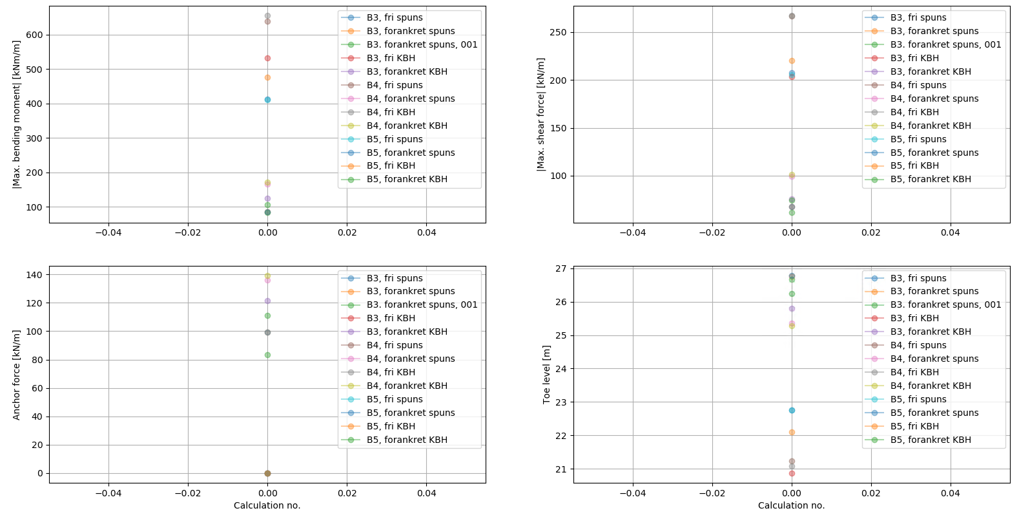

 | 1. | Enter relevant information in SPOOKSINPUT.xlsx
 | 2. | Save file
 | 3. | Log onto remote pc (SPOOKS PC)
 | 4. | Open SpooksPlugin.exe (keep WinSpooks running in the background)
 | 5. | Load SPOOKSINPUT.xlsx
 | 6. | Tick off relevant settings
 | 7. | Calculate
Plot results
 | 8. | Evaluate results

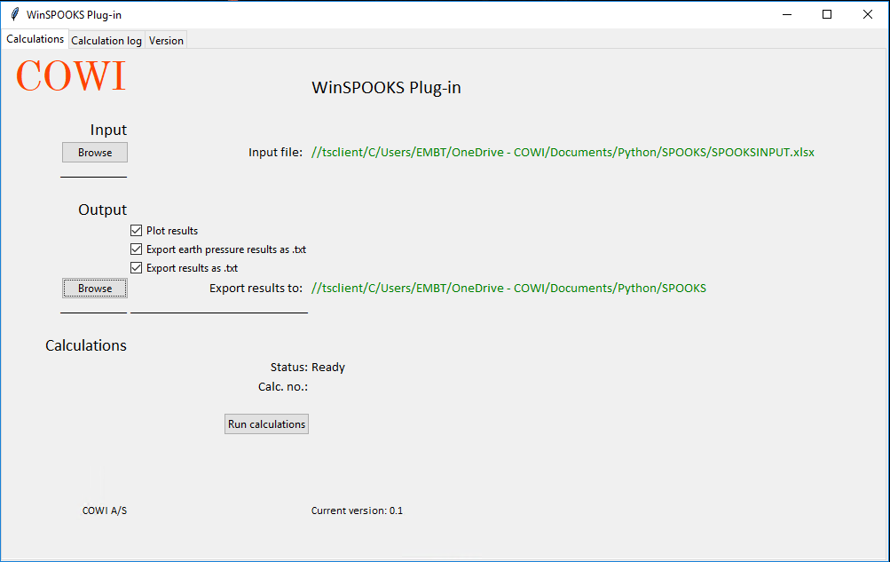

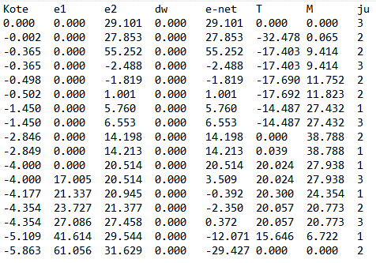

Export earth pressure results

Export results as .txt
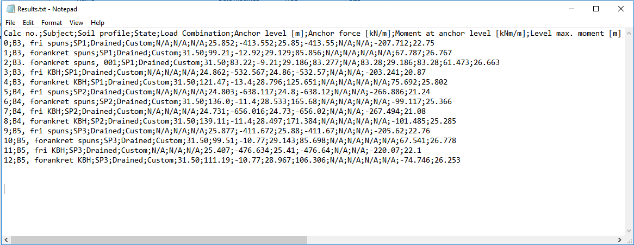

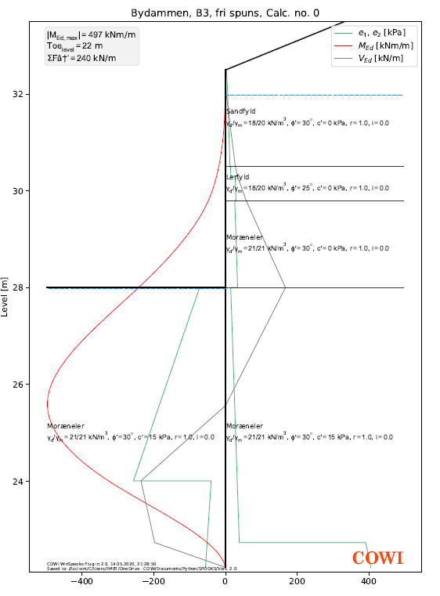

Import results Excel (import wizard)

