Schematic
Schematic
HELP ! Pano natin ikakabit ung smooth madafakar rod ng motor na to dun sa turning wheel ng feerish wheel
i.e., pano ikakabit ung nudges ng motor sa green wheel??????????????

 | color blue = ferrish wheel
 | cloor green = small wheel 2.0

 |  |  |  | Overview motor to ferris wheel

 |  |  | string closed loop

 |  |  |  | small wheel 1.0

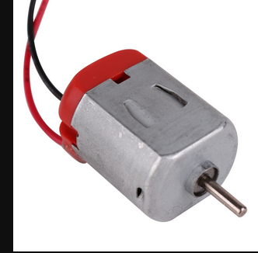

 |  |  |  | motor

 |  | to + wire
 |  | of generator wire

 |  | to - wire
 |  | of generator part

 |  | Part L
 |  | Part M
 |  | Part N

