Napping Raw data
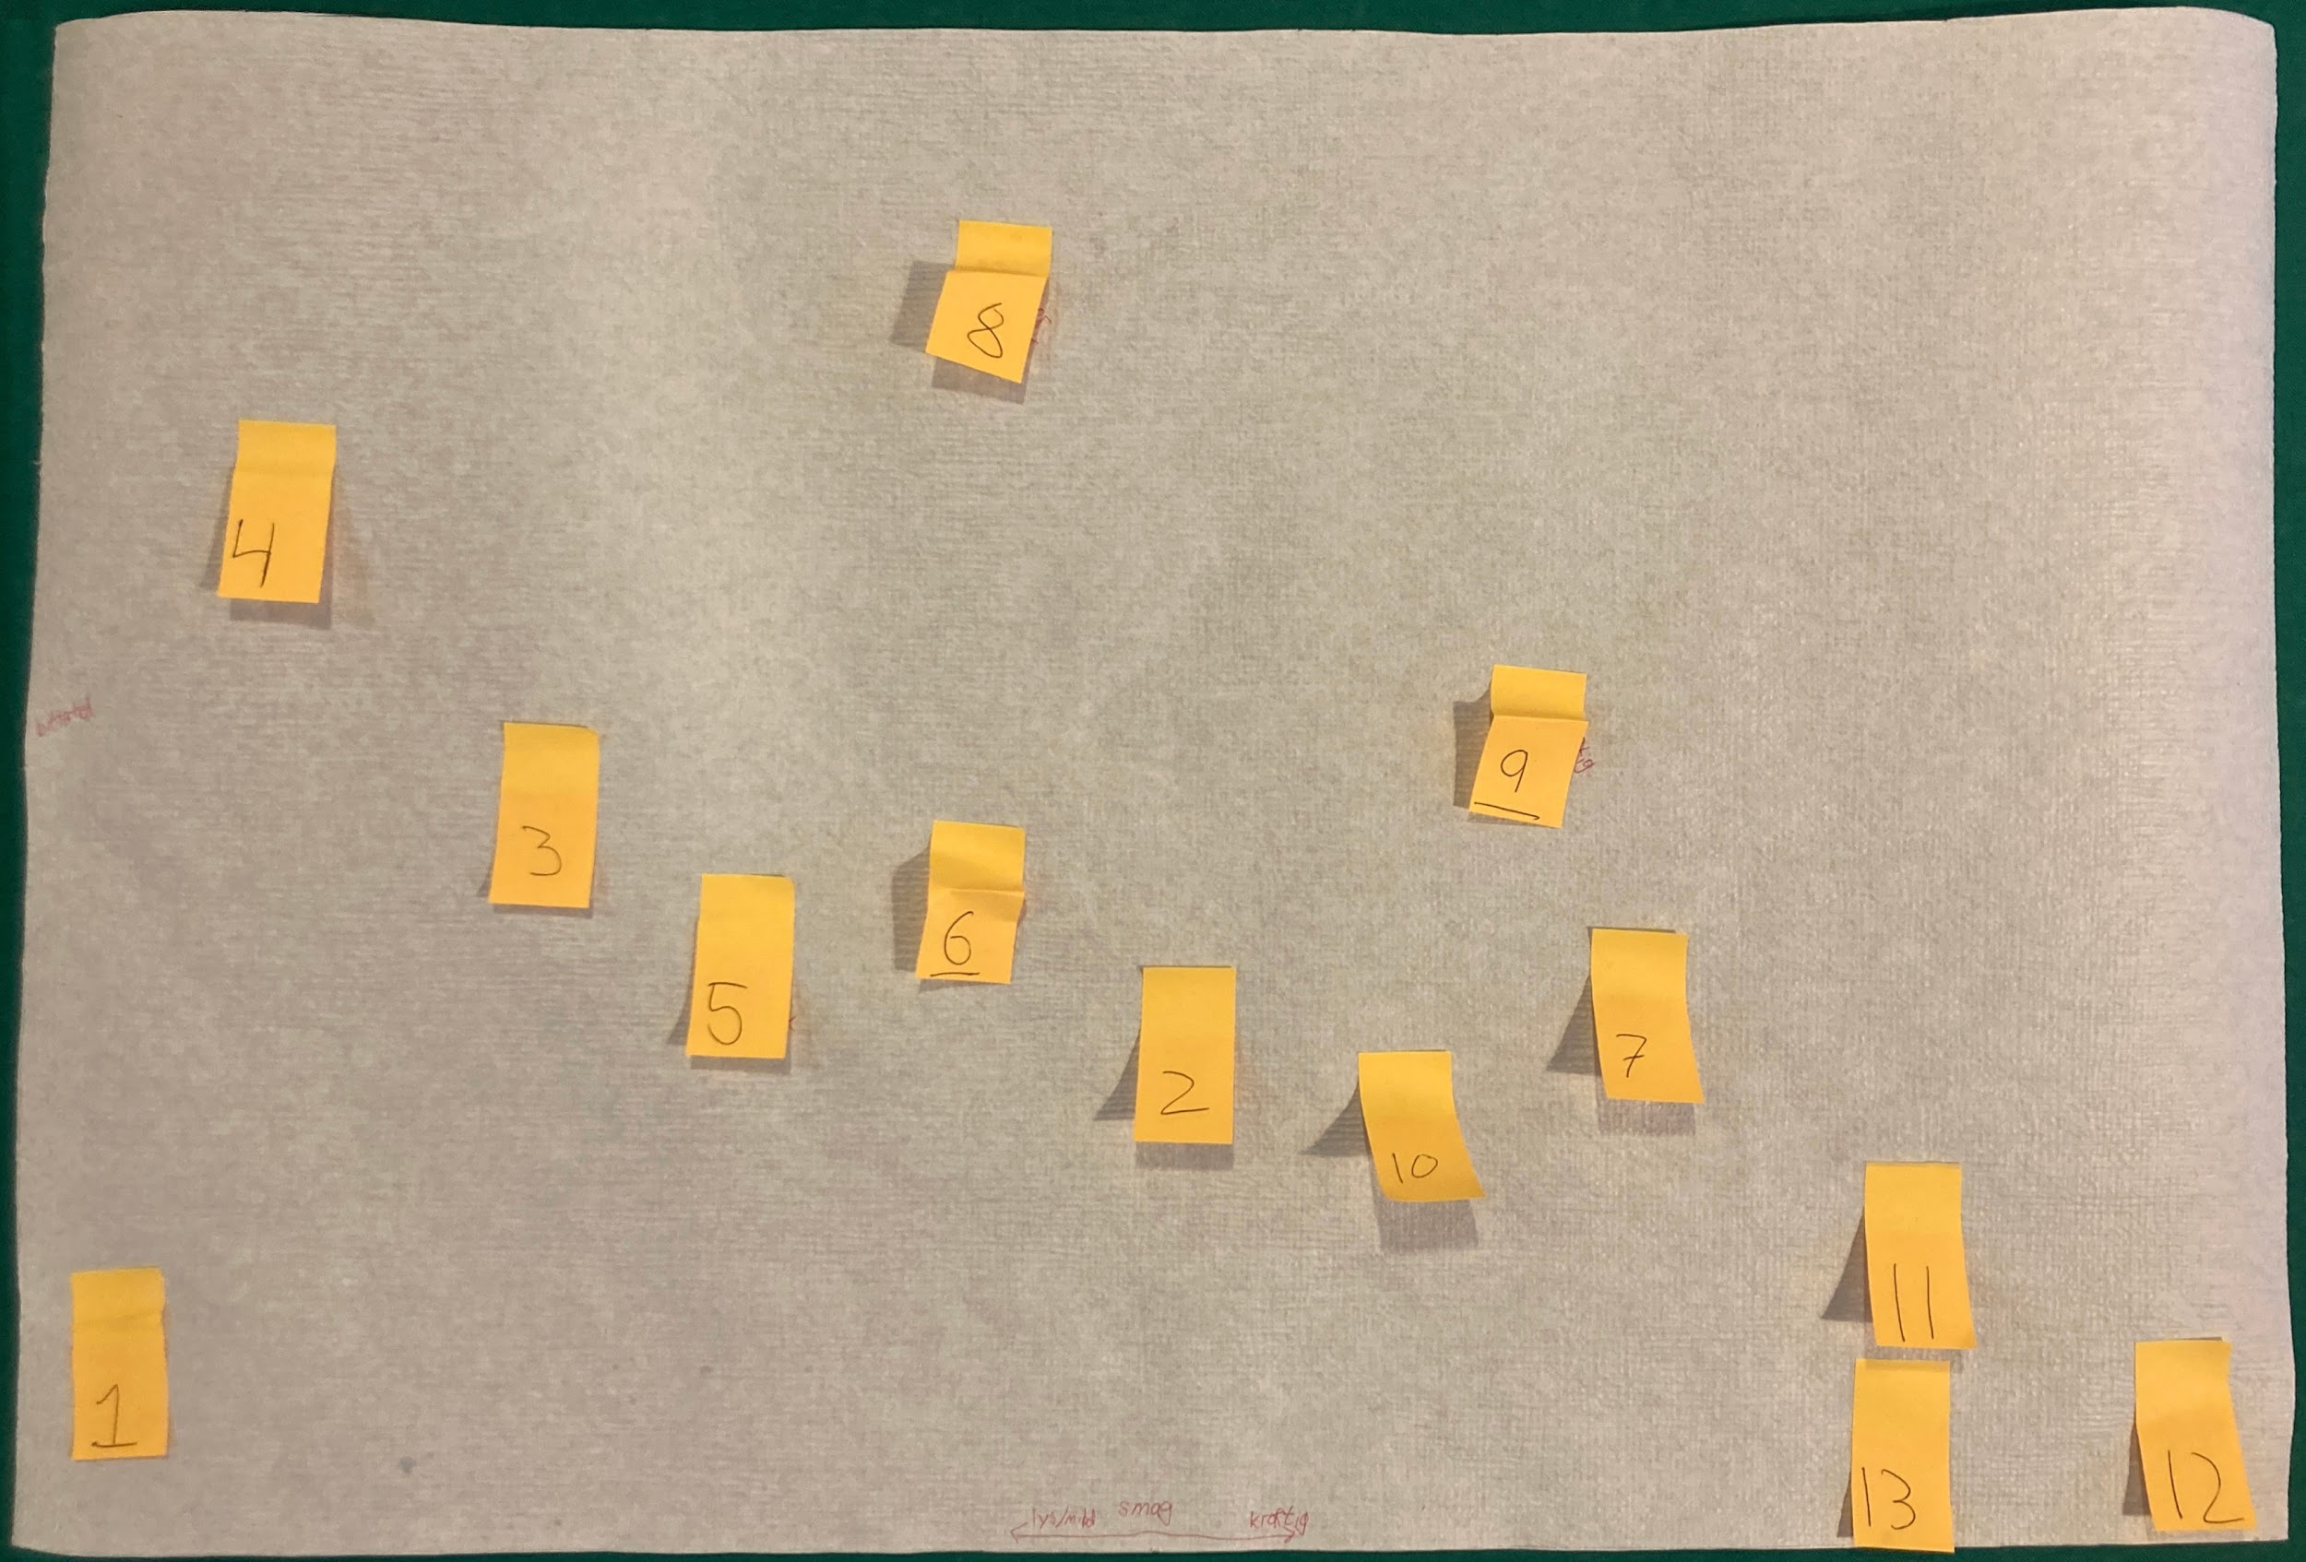
Gruppe1 | x | y | Textsniper
1 | -29.00 | -13.65 | X=-29,10 cm y=-13,38 cm
2 | -0.14 | -5.29 | X=-0,138 cm y=-5,286 cm
3 | -17.42 | 1.24 | X=-17,42 cm y=1,241 cm
4 | -24.59 | 9.52 | X=-24,59 cm y=9,515 cm
5 | -12.09 | -2.90 | X=-12,09 cm y=-2,896 cm
6 | -5.75 | -1.52 | X=-5,746 cm y=-1,517 cm
7 | 11.91 | -4.18 | X=11,91 cm y=-4,183 cm
8 | -5.19 | 14.94 | X=-5,194 cm ÿ=14,94 cm
9 | 9.33 | 2.80 | X=9,331 cm y=2,804 cm
10 | 5.65 | -7.68 | X=5,654 cm y=-7,676 cm
11 | 19.44 | -10.71 | X=19,44 cm y=-10,71 cm
12 | 26.52 | -15.40 | X=26,52 cm y=-15,40 cm
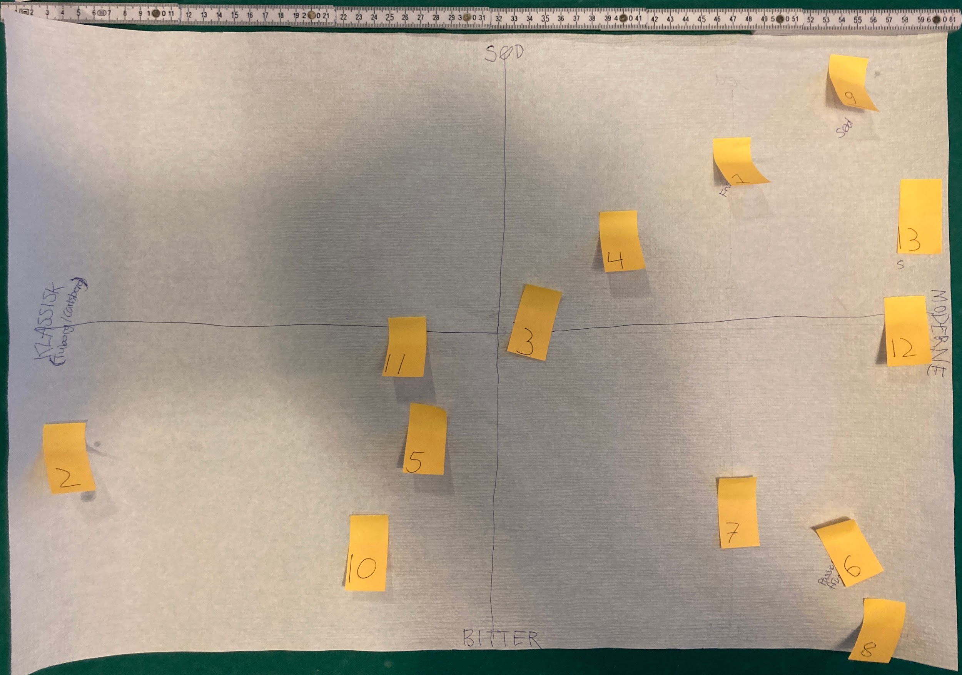
Gruppe2 | x | y | Textsniper
1 | 14.53 | 12.03 | X=14,53 =12,03
2 | -28.50 | -6.29 | x=-28,50 y=-6,294
3 | 2.31 | 2.64 | X=2,312 y=2,640
4 | 7.24 | 7.29 | X=7,235 y=7,289
5 | -4.89 | -4.84 | X=-4,890 ÿ=-4,836
6 | 20.82 | -12.95 | x=20,82 y=-12,95
7 | 14.80 | -9.85 | X=14,80 y=-9,850
8 | 24.19 | -17.51 | X=24,19 y=-17,51
9 | 21.91 | 17.50 | x=21,91 ÿ=17,50
10 | -8.72 | -12.13 | X=-8,718 y=-12,13
11 | -6.35 | 0.63 | X=-6,348 y=0,634
12 | 25.38 | 1.82 | X=25,38 ÿ=1,819
13 | 26.56 | 9.39 | X=26,56 y=9,386

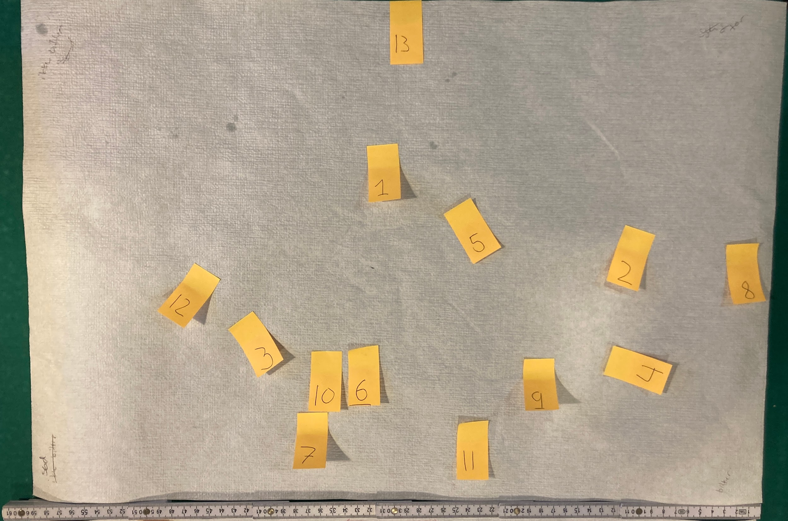
Gruppe3 | x | y | Textsniper
1 | 1.02 | 7.34 | X=1,019 y=7,342
2 | 20.35 | 0.55 | X=20,35 y=0,553
3 | -10.30 | -7.37 | X=-10,30 y=-7,368
4 | 20.07 | -10.95 | X=20,07 y=-10,95
5 | 7.24 | 1.97 | X=7,243 ÿ=1,967
6 | -0.77 | -9.25 | X=-0,772 y=-9,254
7 | -6.53 | -15.29 | X=-6,525 y=-15,29
8 | 30.06 | -0.58 | X=30,06 y=-0,579
9 | 13.28 | -9.73 | X=13,28 y=-9,726
10 | -3.51 | -9.25 | X=-3,507 y=-9,254
11 | 8.47 | -15.29 | X=8,469 y=-15,29
12 | -13.13 | -2.09 | X=-13,13 y=-2,088
13 | 2.81 | 19.22 | X=2,811 =19,22
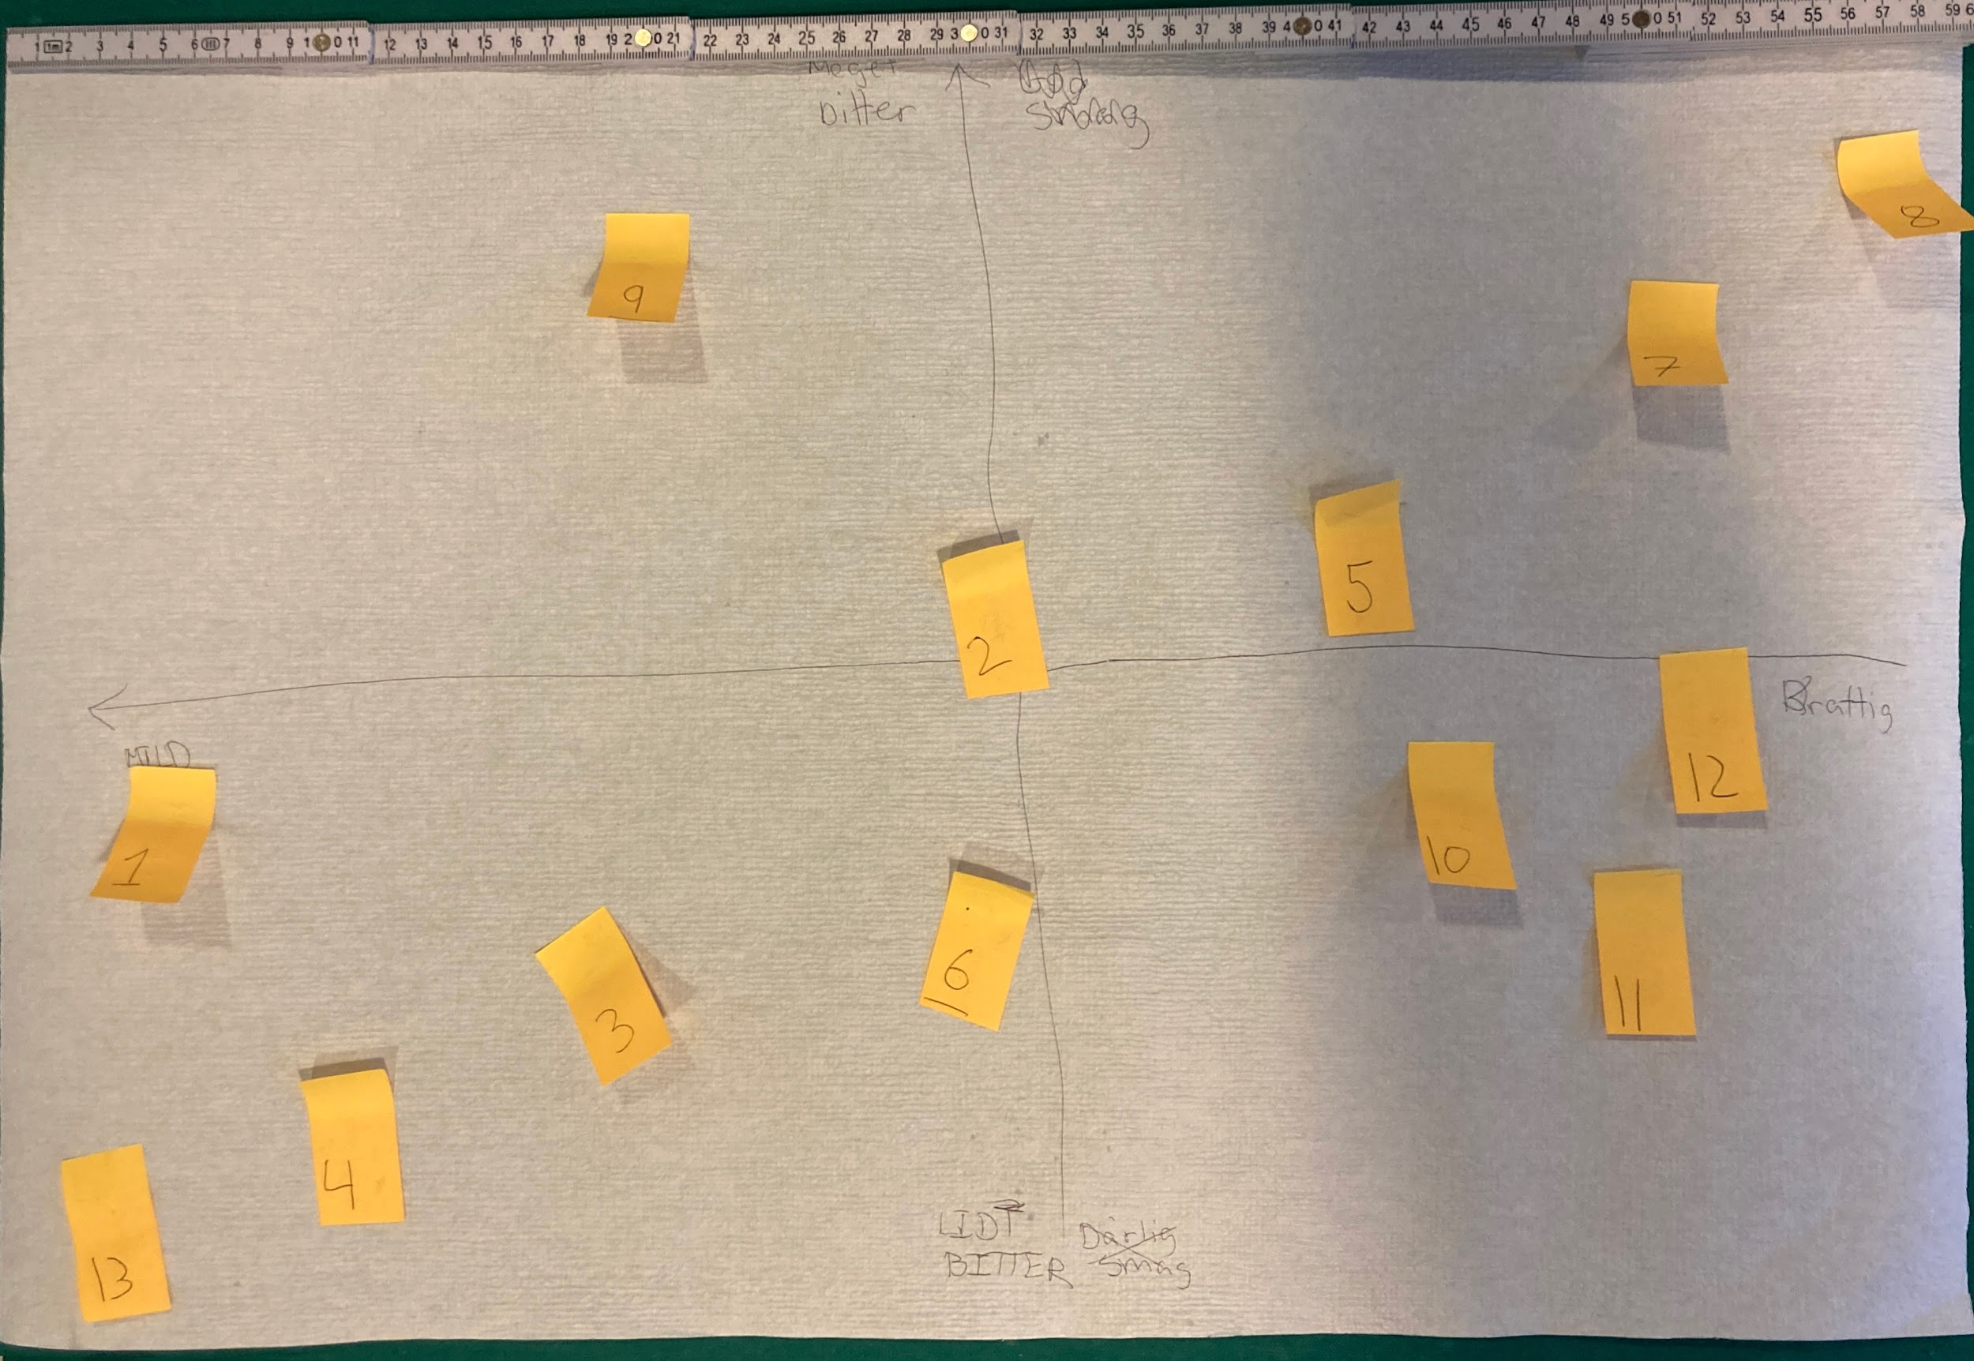
Gruppe4 | x | y | Textsniper
1 | -22.05 | -5.95 | X=-22,05 y=-5,946
2 | 2.62 | 0.44 | X=2,623 y=0,443
3 | -9.80 | -11.71 | x=-9,800 ÿ=-11,71
4 | -16.81 | -15.53 | x=-16,81 ÿ=-15,53
5 | 14.16 | 2.13 | X=14,16 y=2,129
6 | 3.07 | -9.14 | X=3,066 y=-9,140
7 | 23.74 | 8.87 | X=23,74 y=8,873
8 | 30.04 | 13.13 | X=30,04 ÿ=13,13
9 | -7.58 | 10.91 | X=-7,582 y=10,91
10 | 16.91 | -5.15 | x=16,91 y=-5,147
11 | 22.41 | -9.14 | X=22,41 y=-9,140
12 | 24.45 | -2.57 | X=24,45 y=-2,574
13 | -24.18 | -18.01 | X=-24,18 y=-18,01
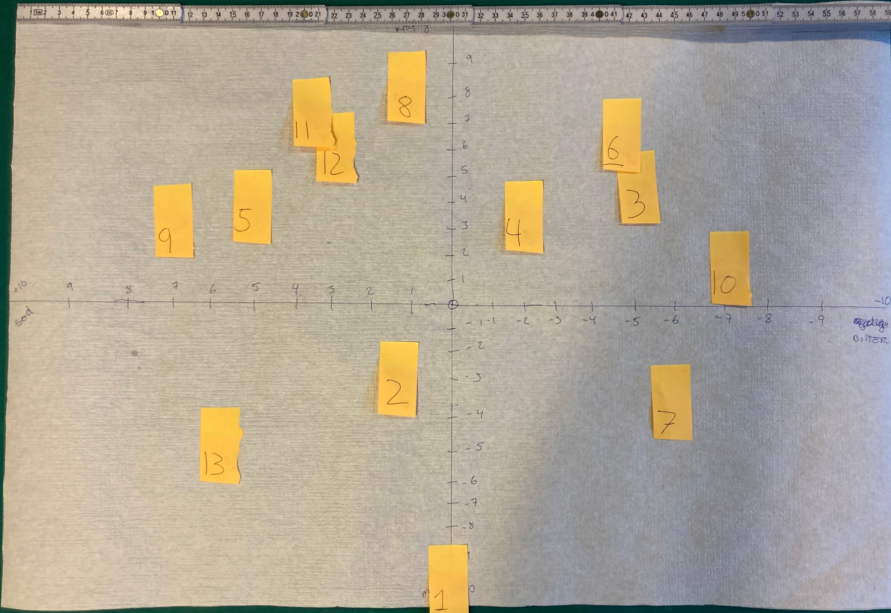
Gruppe5 | x | y | Textsniper
1 | 0.59 | -18.01 | X=0,589 y=-18,01
2 | -2.73 | -4.10 | X=-2,733 y=-4,096
3 | 13.43 | 8.65 | x=13,43 y=8,653
4 | 5.80 | 6.77 | X=5,796 y=6,768
5 | -12.70 | 7.58 | x=-12,70 =7,576
6 | 12.44 | 12.33 | X=12,44 y=12,33
7 | 15.76 | -5.80 | x=15,76 y=-5,802
8 | -2.19 | 15.57 | X=-2,194 y=15,57
9 | -18.27 | 6.50 | X= -18,27 y=6,498
10 | 19.80 | 3.36 | X=19,80 y=3,356
11 | -8.75 | 13.77 | X=-8,749 y=13,77
12 | -6.95 | 11.17 | X=-6,953 y=11,17
13 | -14.94 | -8.50 | X=-14,94 y=-8,496

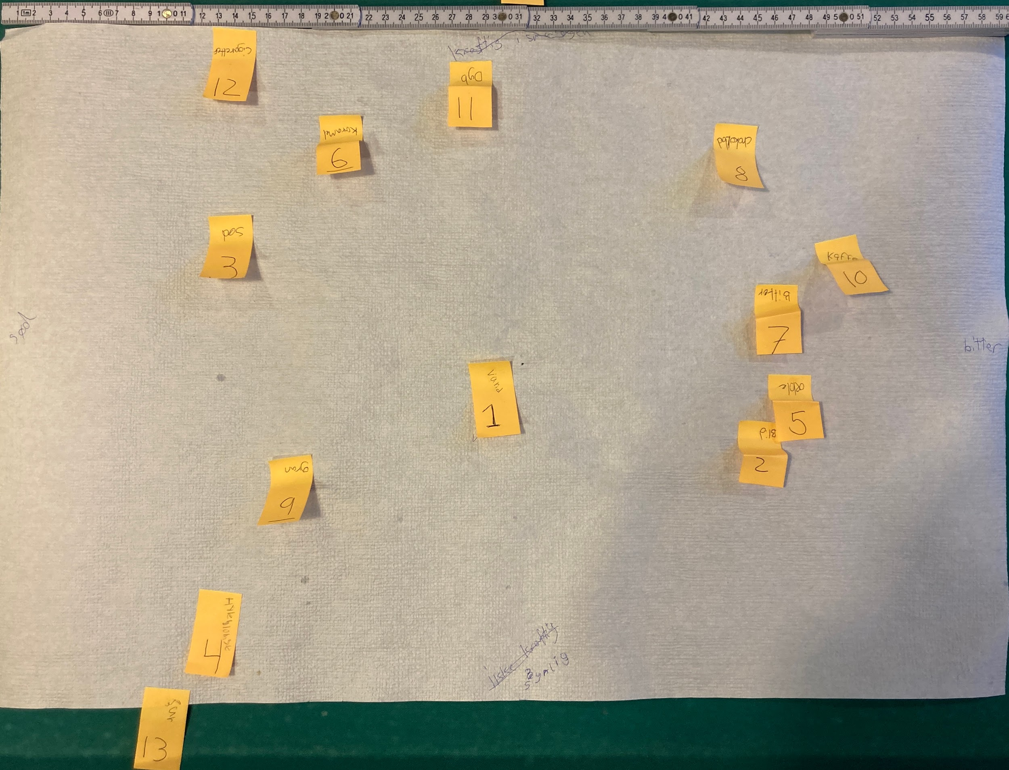
Gruppe6 | x | y | Textsniper
1 | -0.70 | -2.59 | X=-0,695 y=-2,587
2 | 15.27 | -5.85 | X=15,27 y=-5,849
3 | -16.04 | 6.32 | X=-16,04 y=6,320
4 | -16.66 | -15.81 | X=-16,66 y=-15,81
5 | 17.12 | -3.03 | x=17,12 y=-3,027
6 | -9.60 | 12.14 | X=-9,601 y=12,14
7 | 16.24 | 2.26 | X=16,24 y=2,263
8 | 13.77 | 11.79 | X=13,77 ÿ=11,79
9 | -12.51 | -8.05 | X=-12,51 y=-8,054
10 | 19.76 | 4.64 | X=19,76 y=4,644
11 | -1.84 | 15.49 | X=-1,841 y=15,49
12 | -15.86 | 17.52 | X=-15,86 =17,52
13 | -19.74 | -21.63 | X=-19,74 ÿ=-21,63

