ALL_DATA
 | Demand (if not specified <=> constant) |  |  |  | Weather (c_p_t) |  |  |  |  |  |  | Transport
 | Power | Heat | Cooling | Transport |  |  |  |  |  |  |  | Private Mobility | Public Mobility | Freight Mobility
 | Lighting and co | SH | SC | Private car | PV | Wind_onshore | Wind_offshore | Hydro_Dam | Hydro_River | Tidal | SOLAR Thermal | https://www.fhwa.dot.gov/policy/2013cpr/chap1.cfm | https://www.fhwa.dot.gov/policy/2013cpr/chap1.cfm | No source
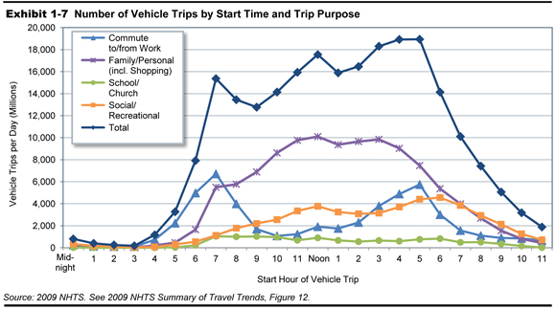
Units | norm[TWh] | norm[TWh] | norm | norm[TWh] | norm[TWh] | norm[TWh] | norm[TWh] | norm [TWh] | norm[TWh] | norm | norm[TWh] | norm[km-pers] | norm[km-pers] | norm[km-pers]
1 | 0.000091534 | 0.00028002 | 0 | 5.8741981719E-06 | 0 | 0.14171337 | 0.5116 | 0 | 0.125 | 0.03980242134 | 0 | 5.8741981719E-06 | 5.8741981719E-06 | 0.00011415525114
2 | 0.000075012 | 0.00028449 | 0 | 2.3496792688E-06 | 0 | 0.16413131 | 0.5036 | 0 | 0.13333333 | 0.1752700288 | 0 | 2.3496792688E-06 | 2.3496792688E-06 | 0.00011415525114
...

