ALL_DATA
 | Demand (if not specified <=> constant) |  |  |  | Weather (c_p_t) |  |  |  |  |  |  | Transport
 | Power | Heat | Cooling | Transport |  |  |  |  |  |  |  | Private Mobility | Public Mobility | Freight Mobility
 | Lighting and co | SH | SC | Private car | PV | Wind_onshore | Wind_offshore | Hydro_Dam | Hydro_River | Tidal | SOLAR Thermal | https://www.fhwa.dot.gov/policy/2013cpr/chap1.cfm | https://www.fhwa.dot.gov/policy/2013cpr/chap1.cfm | No source
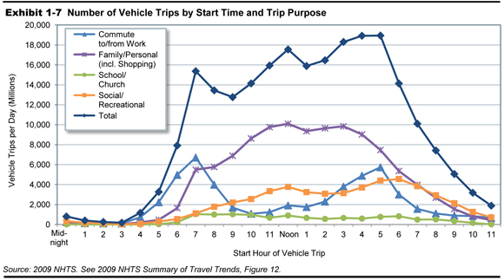
Units | norm[TWh] | norm[TWh] | norm | norm[TWh] | norm[TWh] | norm[TWh] | norm[TWh] | norm [TWh] | norm[TWh] | norm | norm[TWh] | norm[km-pers] | norm[km-pers] | norm[km-pers]
1 | 0.000035894 | 0.00046485 | 0 | 5.8741981719E-06 | 0 | 0.3538 | 0.5899 | 0.10441524 | 0.96866359 | 0.03980242134 | 0 | 5.8741981719E-06 | 5.8741981719E-06 | 0.00011415525114
2 | 0.000028519 | 0.00047302 | 0 | 2.3496792688E-06 | 0 | 0.3434 | 0.5705 | 0.09116402 | 0.92995392 | 0.1752700288 | 0 | 2.3496792688E-06 | 2.3496792688E-06 | 0.00011415525114
...

