ALL_DATA
 | Demand (if not specified <=> constant) |  |  |  | Weather (c_p_t) |  |  |  |  |  |  | Transport
 | Power | Heat | Cooling | Transport |  |  |  |  |  |  |  | Private Mobility | Public Mobility | Freight Mobility
 | Lighting and co | SH | SC | Private car | PV | Wind_onshore | Wind_offshore | Hydro_Dam | Hydro_River | Tidal | SOLAR Thermal | https://www.fhwa.dot.gov/policy/2013cpr/chap1.cfm | https://www.fhwa.dot.gov/policy/2013cpr/chap1.cfm | No source
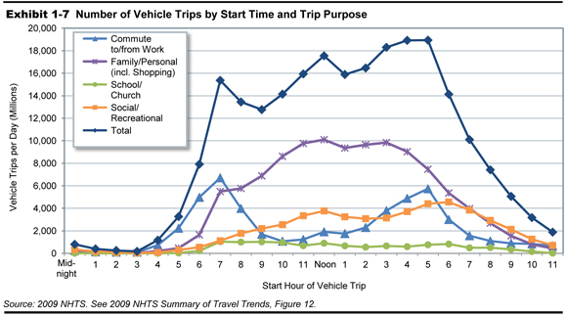
Units | norm[TWh] | norm[TWh] | norm | norm[TWh] | norm[TWh] | norm[TWh] | norm[TWh] | norm [TWh] | norm[TWh] | norm | norm[TWh] | norm[km-pers] | norm[km-pers] | norm[km-pers]
1 | 0.000083855 | 0.00018695 | 0 | 5.8741981719E-06 | 0 | 0.344 | 0.5852 | 0.0143136 | 0.10861998 | 0 | 0 | 5.8741981719E-06 | 5.8741981719E-06 | 0.00011415525114
2 | 0.000072979 | 0.00018636 | 0 | 2.3496792688E-06 | 0 | 0.3791 | 0.5895 | 0.00065062 | 0.10861998 | 0 | 0 | 2.3496792688E-06 | 2.3496792688E-06 | 0.00011415525114
...

