Electrico
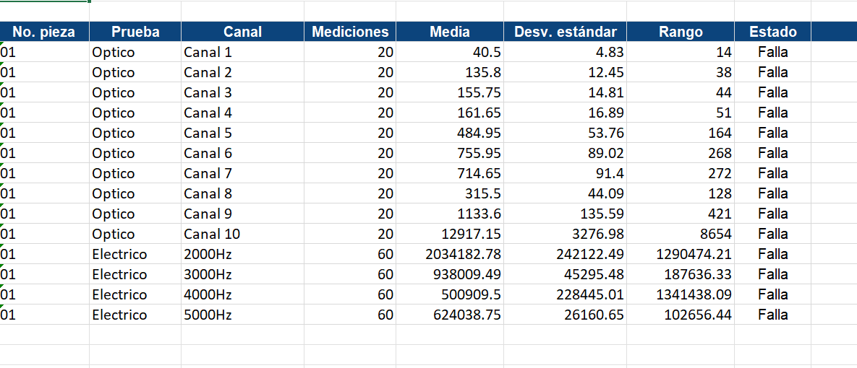
Test
Batch |  |  |  | Batch |  |  |  | Batch |  |  |  | Batch
Equipment number |  |  |  | Equipment number |  |  |  | Equipment number |  |  |  | Equipment number
Processing electronics Card |  |  |  | Processing electronics Card |  |  |  | Processing electronics Card |  |  |  | Processing electronics Card
Optical electronics Card |  |  |  | Optical electronics Card |  |  |  | Optical electronics Card |  |  |  | Optical electronics Card
Communications electronics Card |  |  |  | Communications electronics Card |  |  |  | Communications electronics Card |  |  |  | Communications electronics Card

Test date |  |  |  | Test date |  |  |  | Test date |  |  |  | Test date
Test responsible |  |  |  | Test responsible |  |  |  | Test responsible |  |  |  | Test responsible
Test Standard Operating Procedure |  |  |  | Test Standard Operating Procedure |  |  |  | Test Standard Operating Procedure |  |  |  | Test Standard Operating Procedure

# Measurement | Contact Electrode | Frequency | Impedance | # Measurement | Contact Electrode | Frequency | Impedance | # Measurement | Contact Electrode | Frequency | Impedance | # Measurement | Contact Electrode | Frequency | Impedance
1 | A - B | 2000 |  | 1 | A - B | 3000 |  | 1 | A - B | 4000 |  | 1 | A - B | 5000
1 | B - C | 2000 |  | 1 | B - C | 3000 |  | 1 | B - C | 4000 |  | 1 | B - C | 5000
1 | C - A | 2000 |  | 1 | C - A | 3000 |  | 1 | C - A | 4000 |  | 1 | C - A | 5000
2 | A - B | 2000 |  | 2 | A - B | 3000 |  | 2 | A - B | 4000 |  | 2 | A - B | 5000
2 | B - C | 2000 |  | 2 | B - C | 3000 |  | 2 | B - C | 4000 |  | 2 | B - C | 5000
2 | C - A | 2000 |  | 2 | C - A | 3000 |  | 2 | C - A | 4000 |  | 2 | C - A | 5000
3 | A - B | 2000 |  | 3 | A - B | 3000 |  | 3 | A - B | 4000 |  | 3 | A - B | 5000
3 | B - C | 2000 |  | 3 | B - C | 3000 |  | 3 | B - C | 4000 |  | 3 | B - C | 5000
3 | C - A | 2000 |  | 3 | C - A | 3000 |  | 3 | C - A | 4000 |  | 3 | C - A | 5000
4 | A - B | 2000 |  | 4 | A - B | 3000 |  | 4 | A - B | 4000 |  | 4 | A - B | 5000
4 | B - C | 2000 |  | 4 | B - C | 3000 |  | 4 | B - C | 4000 |  | 4 | B - C | 5000
4 | C - A | 2000 |  | 4 | C - A | 3000 |  | 4 | C - A | 4000 |  | 4 | C - A | 5000
5 | A - B | 2000 |  | 5 | A - B | 3000 |  | 5 | A - B | 4000 |  | 5 | A - B | 5000
5 | B - C | 2000 |  | 5 | B - C | 3000 |  | 5 | B - C | 4000 |  | 5 | B - C | 5000
5 | C - A | 2000 |  | 5 | C - A | 3000 |  | 5 | C - A | 4000 |  | 5 | C - A | 5000
6 | A - B | 2000 |  | 6 | A - B | 3000 |  | 6 | A - B | 4000 |  | 6 | A - B | 5000
6 | B - C | 2000 |  | 6 | B - C | 3000 |  | 6 | B - C | 4000 |  | 6 | B - C | 5000
6 | C - A | 2000 |  | 6 | C - A | 3000 |  | 6 | C - A | 4000 |  | 6 | C - A | 5000
7 | A - B | 2000 |  | 7 | A - B | 3000 |  | 7 | A - B | 4000 |  | 7 | A - B | 5000
7 | B - C | 2000 |  | 7 | B - C | 3000 |  | 7 | B - C | 4000 |  | 7 | B - C | 5000
7 | C - A | 2000 |  | 7 | C - A | 3000 |  | 7 | C - A | 4000 |  | 7 | C - A | 5000
8 | A - B | 2000 |  | 8 | A - B | 3000 |  | 8 | A - B | 4000 |  | 8 | A - B | 5000
8 | B - C | 2000 |  | 8 | B - C | 3000 |  | 8 | B - C | 4000 |  | 8 | B - C | 5000
8 | C - A | 2000 |  | 8 | C - A | 3000 |  | 8 | C - A | 4000 |  | 8 | C - A | 5000
9 | A - B | 2000 |  | 9 | A - B | 3000 |  | 9 | A - B | 4000 |  | 9 | A - B | 5000
9 | B - C | 2000 |  | 9 | B - C | 3000 |  | 9 | B - C | 4000 |  | 9 | B - C | 5000
9 | C - A | 2000 |  | 9 | C - A | 3000 |  | 9 | C - A | 4000 |  | 9 | C - A | 5000
10 | A - B | 2000 |  | 10 | A - B | 3000 |  | 10 | A - B | 4000 |  | 10 | A - B | 5000
10 | B - C | 2000 |  | 10 | B - C | 3000 |  | 10 | B - C | 4000 |  | 10 | B - C | 5000
10 | C - A | 2000 |  | 10 | C - A | 3000 |  | 10 | C - A | 4000 |  | 10 | C - A | 5000
11 | A - B | 2000 |  | 11 | A - B | 3000 |  | 11 | A - B | 4000 |  | 11 | A - B | 5000
11 | B - C | 2000 |  | 11 | B - C | 3000 |  | 11 | B - C | 4000 |  | 11 | B - C | 5000
11 | C - A | 2000 |  | 11 | C - A | 3000 |  | 11 | C - A | 4000 |  | 11 | C - A | 5000
12 | A - B | 2000 |  | 12 | A - B | 3000 |  | 12 | A - B | 4000 |  | 12 | A - B | 5000
12 | B - C | 2000 |  | 12 | B - C | 3000 |  | 12 | B - C | 4000 |  | 12 | B - C | 5000
12 | C - A | 2000 |  | 12 | C - A | 3000 |  | 12 | C - A | 4000 |  | 12 | C - A | 5000
13 | A - B | 2000 |  | 13 | A - B | 3000 |  | 13 | A - B | 4000 |  | 13 | A - B | 5000
13 | B - C | 2000 |  | 13 | B - C | 3000 |  | 13 | B - C | 4000 |  | 13 | B - C | 5000
13 | C - A | 2000 |  | 13 | C - A | 3000 |  | 13 | C - A | 4000 |  | 13 | C - A | 5000
14 | A - B | 2000 |  | 14 | A - B | 3000 |  | 14 | A - B | 4000 |  | 14 | A - B | 5000
14 | B - C | 2000 |  | 14 | B - C | 3000 |  | 14 | B - C | 4000 |  | 14 | B - C | 5000
14 | C - A | 2000 |  | 14 | C - A | 3000 |  | 14 | C - A | 4000 |  | 14 | C - A | 5000
15 | A - B | 2000 |  | 15 | A - B | 3000 |  | 15 | A - B | 4000 |  | 15 | A - B | 5000
15 | B - C | 2000 |  | 15 | B - C | 3000 |  | 15 | B - C | 4000 |  | 15 | B - C | 5000
15 | C - A | 2000 |  | 15 | C - A | 3000 |  | 15 | C - A | 4000 |  | 15 | C - A | 5000
16 | A - B | 2000 |  | 16 | A - B | 3000 |  | 16 | A - B | 4000 |  | 16 | A - B | 5000
16 | B - C | 2000 |  | 16 | B - C | 3000 |  | 16 | B - C | 4000 |  | 16 | B - C | 5000
16 | C - A | 2000 |  | 16 | C - A | 3000 |  | 16 | C - A | 4000 |  | 16 | C - A | 5000
17 | A - B | 2000 |  | 17 | A - B | 3000 |  | 17 | A - B | 4000 |  | 17 | A - B | 5000
17 | B - C | 2000 |  | 17 | B - C | 3000 |  | 17 | B - C | 4000 |  | 17 | B - C | 5000
17 | C - A | 2000 |  | 17 | C - A | 3000 |  | 17 | C - A | 4000 |  | 17 | C - A | 5000
18 | A - B | 2000 |  | 18 | A - B | 3000 |  | 18 | A - B | 4000 |  | 18 | A - B | 5000
18 | B - C | 2000 |  | 18 | B - C | 3000 |  | 18 | B - C | 4000 |  | 18 | B - C | 5000
18 | C - A | 2000 |  | 18 | C - A | 3000 |  | 18 | C - A | 4000 |  | 18 | C - A | 5000
19 | A - B | 2000 |  | 19 | A - B | 3000 |  | 19 | A - B | 4000 |  | 19 | A - B | 5000
19 | B - C | 2000 |  | 19 | B - C | 3000 |  | 19 | B - C | 4000 |  | 19 | B - C | 5000
19 | C - A | 2000 |  | 19 | C - A | 3000 |  | 19 | C - A | 4000 |  | 19 | C - A | 5000
20 | A - B | 2000 |  | 20 | A - B | 3000 |  | 20 | A - B | 4000 |  | 20 | A - B | 5000
20 | B - C | 2000 |  | 20 | B - C | 3000 |  | 20 | B - C | 4000 |  | 20 | B - C | 5000
20 | C - A | 2000 |  | 20 | C - A | 3000 |  | 20 | C - A | 4000 |  | 20 | C - A | 5000
 |  | promedio |  |  |  | promedio |  |  |  | promedio |  |  |  | promedio
 |  | desviación estandar |  |  |  | desviación estandar |  |  |  | desviación estandar |  |  |  | desviación estandar
 |  | rango |  |  |  | rango |  |  |  | rango |  |  |  | rango

