Navigation
SmartPLS report
Please cite the use of SmartPLS: Ringle, C. M., Wende, S., and Becker, J.-M. 2024. "SmartPLS 4." Bönningstedt: SmartPLS, https://www.smartpls.com.
 | complete
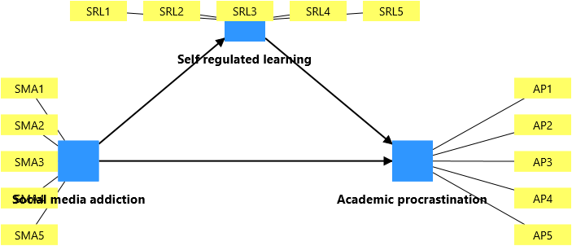
Final results
Path coefficients
Control variables
Intercepts
Total indirect effects
Specific indirect effects
Conditional direct effects
Conditional indirect effects
Total effects

Quality criteria
R-square
R-square adjusted
f-square

Algorithm
Setting
Samples
Execution log

Histograms
Path coefficients histogram
Indirect effects histogram
Total effects histogram

Model and data
Indicator data (standardized)

