Navigation
SmartPLS report
Please cite the use of SmartPLS: Ringle, C. M., Wende, S., and Becker, J.-M. 2024. "SmartPLS 4." Bönningstedt: SmartPLS, https://www.smartpls.com.
 | complete
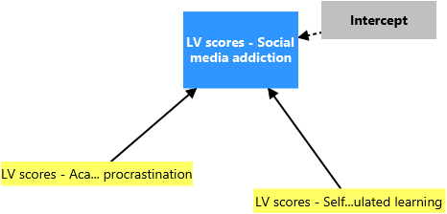
Final results
Summary coefficients
Summary ANOVA
Unstandardized coefficients
Standardized coefficients
Importance-performance map

Quality criteria
R-square
Collinearity statistics
Residuals
Predicted values
Breusch-Pagan Test

Algorithm
Setting
Execution log

Model and data
Data
Descriptives
Covariances/correlations

