How to Use
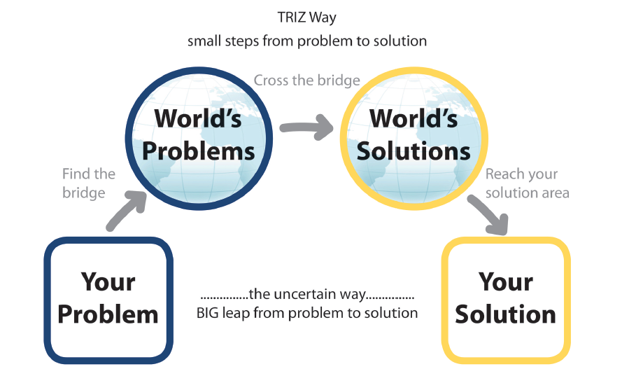
TRIZ Navigator — User Guide (v6) | TRIZ 导航器使用指南 — v6 版 (TRIZ dǎo háng qì shǐ yòng zhǐ nán — v6 bǎn)

TRIZ Navigator | TRIZ 导航器 (TRIZ dǎo háng qì) | Start here. Work through the 7 steps from top to bottom. For a new problem, right-click the tab → Move or Copy → tick "Create a copy". 以此页面为起点。按从上到下的顺序逐步完成 7 个步骤。若要开展新课题，可右键单击标签页 → 移动或复制 → 勾选“建立副本”。 Yǐ cǐ yè miàn wèi qǐ diǎn. àn cóng shàng dào xià de shùn xù zhú bù wán chéng 7 gè bù zhòu. ruò yào kāi zhǎn xīn kè tí, kě yòu jiàn dān jī biāo qiān yè → yí dòng huò fù zhì → gōu xuǎn " jiàn lì fù běn ".

Step 1 — Define the problem | 第一步 — 定义问题 (Dì yī bù — dìng yì wèn tí) | Name the system and the problem clearly and concisely. Write the Ideal Final Result (IFR) — what would it look like if the system solved the problem by itself? 简洁明确地命名系统和问题。撰写理想最终解 (IFR) — 如果系统能够自动解决该问题，它会是什么样？ Jiǎn jié míng què dì mìng míng xì tǒng hé wèn tí. zhuàn xiě lǐ xiǎng zuì zhōng jiě (IFR) — rú guǒ xì tǒng néng gòu zì dòng jiě jué gāi wèn tí, tā huì shì shén me yàng?

Step 2 — Model the contradiction | 第二步 — 构建矛盾模型 (Dì èr bù — gòu jiàn máo dùn mó xíng) | Fill in the three cells (what improves / the trade-off / what worsens). Choose Technical Contradiction or Physical Contradiction from the dropdown. 填写三个单元格（改善特性 / 折中方案 / 恶化特性）。在下拉菜单中选择“技术矛盾”或“物理矛盾”。 Tián xiě sān gè dān yuán gé (gǎi shàn tè xìng / zhé zhōng fāng àn / è huà tè xìng). zài xià lā cài dān zhōng xuǎn zé " jì shù máo dùn " huò " wù lǐ máo dùn ".

Step 3A — Matrix recommendation lookup | 第三步A — 矩阵推荐查找 (Dì sān bù A — jǔ zhèn tuī jiàn chá zhǎo) | Pick the improving parameter in the green dropdown (column B) and the worsening parameter in the red dropdown (column C). The matrix result cell returns Altshuller's recommended principle numbers automatically. The side panel (columns G–I) pulls in the principle names and definitions. 在绿色下拉框(B列)中选择改善的参数，在红色下拉框(C列)中选择恶化的参数。矩阵结果单元格将自动生成 Altshuller 推荐的发明原理编号。右侧面板(G–I列)将自动提取原理名称与定义。 Zài lǜ sè xià lā kuāng (B liè) zhōng xuǎn zé gǎi shàn de cān shù, zài hóng sè xià lā kuāng (C liè) zhōng xuǎn zé è huà de cān shù. jǔ zhèn jié guǒ dān yuán gé jiāng zì dòng shēng chéng Altshuller tuī jiàn de fā míng yuán lǐ biān hào. yòu cè miàn bǎn (G–I liè) jiāng zì dòng tí qǔ yuán lǐ míng chēng yǔ dìng yì.

Step 3B — Physical contradiction and separation | 第三步B — 物理矛盾与分离 (Dì sān bù B — wù lǐ máo dùn yǔ fēn lí) | State the conflicting physical parameter and its two opposite states. Choose a separation strategy from the dropdown. See the Separation Principles tab for detail. 阐明冲突的物理参数及其两个相反的状态。在下拉菜单中选择分离策略。详见“物理分离策略”标签页。 Chǎn míng chōng tū de wù lǐ cān shù jí qí liǎng gè xiāng fǎn de zhuàng tài. zài xià lā cài dān zhōng xuǎn zé fēn lí cè lüè. xiáng jiàn " wù lǐ fēn lí cè lüè " biāo qiān yè.

Step 4 — Work the inventive principles | 第四步 — 提炼发明原理 (Dì sì bù — tí liàn fā míng yuán lǐ) | Enter principle numbers in column B — names and definitions populate automatically. In column D, write your specific implementation and reasoning for this engineering problem. 在 B 列输入原理编号 — 名称与定义将自动填入。在 D 列填入你针对本工程问题的具体实施方案与理由。 Zài B liè shū rù yuán lǐ biān hào — míng chēng yǔ dìng yì jiāng zì dòng tián rù. zài D liè tián rù nǐ zhēn duì běn gōng chéng wèn tí de jù tǐ shí shī fāng àn yǔ lǐ yóu.

Step 5 — Nine-windows system analysis | 第五步 — 系统九屏幕法 (Dì wǔ bù — xì tǒng jiǔ píng mù fǎ) | Fill in the 9-window grid: past / present / future × sub-system / system / super-system. 填写 9 屏幕网格：过去/现在/未来 × 子系统/系统/超系统。 Tián xiě 9 píng mù wǎng gé: guò qù / xiàn zài / wèi lái × zi xì tǒng / xì tǒng / chāo xì tǒng.

Step 6 — Innovation level | 第六步 — 创新等级 (Dì liù bù — chuàng xīn děng jí) | Select the target innovation level for this solution from the dropdown. | 在下拉菜单中选择本次解决方案的目标创新等级。 (Zài xià lā cài dān zhōng xuǎn zé běn cì jiě jué fāng àn de mù biāo chuàng xīn děng jí.)

Step 7 — Action plan | 第七步 — 行动计划 (Dì qī bù — xíng dòng jì huà) | Record the next action items, owners, target dates and status. | 记录下一步行动事项、负责人、目标完成日期及状态。 (Jì lù xià yī bù xíng dòng shì xiàng, fù zé rén, mù biāo wán chéng rì qī jí zhuàng tài.)

Altshuller Matrix tab | Altshuller 矛盾矩阵 标签页 (Altshuller máo dùn jǔ zhèn biāo qiān yè) | Full 39×39 visual matrix for reference. Row = improving (green), column = worsening (red). Teal cells have recommendations. 完整的 39×39 可视化矩阵，供查阅参考。行 = 改善参数（绿色），列 = 恶化参数（红色）。青色单元格内含推荐原理。 Wán zhěng de 39×39 kě shì huà jǔ zhèn, gōng chá yuè cān kǎo. xíng = gǎi shàn cān shù (lǜ sè), liè = è huà cān shù (hóng sè). qīng sè dān yuán gé nèi hán tuī jiàn yuán lǐ.

Separation Principles tab | 分离原理 标签页 (Fēn lí yuán lǐ biāo qiān yè) | All four separation strategies with their full principle lists. | 四大分离策略及其完整的发明原理清单。 (Sì dà fēn lí cè lüè jí qí wán zhěng de fā míng yuán lǐ qīng dān.)

TC Matrix tab | 技术矛盾速查表 标签页 (Jì shù máo dùn sù chá biǎo biāo qiān yè) | 15 common parameter conflict pairs for quick reference. | 15 组常见工程参数冲突配对，供快速查阅。 (15 zǔ cháng jiàn gōng chéng cān shù chōng tū pèi duì, gōng kuài sù chá yuè.)

Principle Scoring tab | 原理评分 标签页 (Yuán lǐ píng fēn biāo qiān yè) | Score shortlisted principles on feasibility, impact, speed, cost. Priority score auto-calculates (max 20). 从可行性、影响力、实施速度与成本四个维度为入围原理打分。优先级得分自动计算（满分 20 分）。 Cóng kě xíng xìng, yǐng xiǎng lì, shí shī sù dù yǔ chéng běn sì gè wéi dù wèi rù wéi yuán lǐ dǎ fēn. yōu xiān jí dé fēn zì dòng jì suàn (mǎn fēn 20 fēn).

Case Study Library tab | 案例库 标签页 (Àn lì kù biāo qiān yè) | 12 real-world TRIZ examples across industries. | 12 个跨行业的真实 TRIZ 应用案例。 (12 gè kuà háng yè de zhēn shí TRIZ yìng yòng àn lì.)

Problem History Log tab | 问题历史日志 标签页 (Wèn tí lì shǐ rì zhì biāo qiān yè) | Log every TRIZ session. Row 4 pre-filled with HBM stack example. Statistics auto-update. 记录每一次 TRIZ 会话。第 4 行预填了 HBM 堆叠示例。统计数据自动更新。 Jì lù měi yī cì TRIZ huì huà. dì 4 xíng yù tián le HBM duī dié shì lì. tǒng jì shù jù zì dòng gēng xīn.

Appendix tab | 附录 标签页 (Fù lù biāo qiān yè) | All 40 principles with full definition, engineering example, and everyday example. Used as lookup table throughout the workbook. 全部 40 个发明原理，含完整定义、工程实例与日常生活实例。全工作簿的查找表来源。 Quán bù 40 gè fā míng yuán lǐ, hán wán zhěng dìng yì, gōng chéng shí lì yǔ rì cháng shēng huó shí lì. quán gōng zuò bù de chá zhǎo biǎo lái yuán.

_Params tab | _Params 参数表 标签页 (_Params cān shù biǎo biāo qiān yè) | Hidden helper sheet containing the parameter list, matrix data, and principles lookup table. Do not edit. 隐藏的辅助工作表，包含参数清单、矩阵数据与原理查找表。请勿编辑。 Yǐn cáng de fǔ zhù gōng zuò biǎo, bāo hán cān shù qīng dān, jǔ zhèn shù jù yǔ yuán lǐ chá zhǎo biǎo. qǐng wù biān jí.

Step 6B — Mass customization | 第六步B — 大规模定制 (Dì liù bù B — dà guī mó dìng zhì) | Record which of the five mass-customization variations the system is at today and which one you are aiming for. The key strategy, primary challenge, examples and the bridging TRIZ principles fill in automatically. 记录该系统目前处于五种大规模定制变体中的哪一种，以及你的目标变体。关键策略、主要挑战、示例与衔接的 TRIZ 发明原理将自动填入。 Jì lù gāi xì tǒng mù qián chǔ yú wǔ zhǒng dà guī mó dìng zhì biàn tǐ zhōng de nǎ yī zhǒng, yǐ jí nǐ de mù biāo biàn tǐ. guān jiàn cè lüè, zhǔ yào tiǎo zhàn, shì lì yǔ xián jiē de TRIZ fā míng yuán lǐ jiāng zì dòng tián rù.

Appendix B (on the Appendix tab) | 附录B（位于附录标签页） (Fù lù B(wèi yú fù lù biāo qiān yè)) | The full five-variation table with descriptions, challenges, real examples, the TRIZ principles that bridge to each variation, and the four potential drawbacks of mass customization. 完整的五变体表格，含说明、挑战、真实案例、衔接各变体的 TRIZ 发明原理，以及大规模定制的四项潜在弊端。 Wán zhěng de wǔ biàn tǐ biǎo gé, hán shuō míng, tiǎo zhàn, zhēn shí àn lì, xián jiē gè biàn tǐ de TRIZ fā míng yuán lǐ, yǐ jí dà guī mó dìng zhì de sì xiàng qián zài bì duān.

TRIZ Navigator
TRIZ Inventive Problem-Solving Navigator | TRIZ 创新问题解决导航器 (TRIZ chuàng xīn wèn tí jiě jué dǎo háng qì)

Step 1 — Define your engineering problem | 第一步 — 定义你的工程问题 (Dì yī bù — dìng yì nǐ de gōng chéng wèn tí)
System / product name | 系统 / 产品名称 (Xì tǒng / chǎn pǐn míng chēng) | test 1
Problem description | 问题描述 (Wèn tí miáo shù) | item does not appear to hold its shape very well
Ideal Final Result (IFR) | 理想最终解 (Lǐ xiǎng zuì zhōng jiě) | it should be able to retain the shape regardless of position

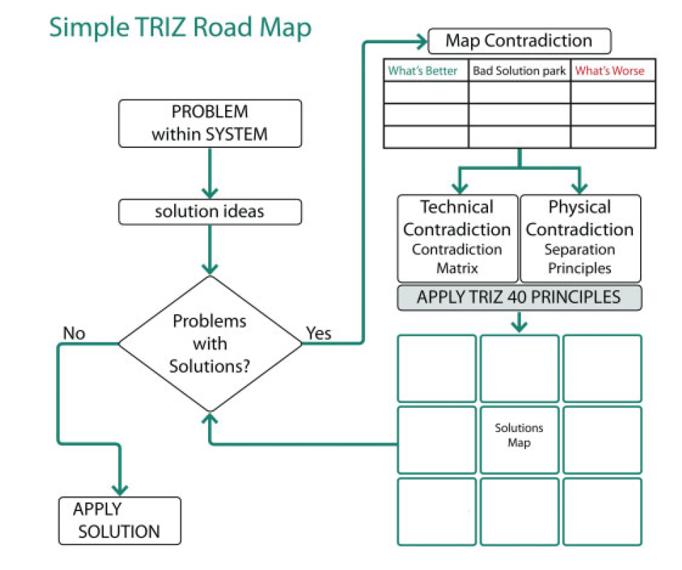
Step 2 — Model the contradiction | 第二步 — 构建矛盾模型 (Dì èr bù — gòu jiàn máo dùn mó xíng)
What gets better (+) | 改善的特性 (Gǎi shàn de tè xìng) | Trade-off / negative effect | 折中方案 / 负面效应 (Zhé zhōng fāng àn / fù miàn xiào yìng) | What gets worse (-) | 恶化的特性 (È huà de tè xìng) | Contradiction type ▼ | 矛盾类型 (Máo dùn lèi xíng)
shape retention | using membranes that are too flexible | shape collapse during usage. | Technical Contradiction

Step 3A — Altshuller technical contradiction lookup | 第三步A — Altshuller 技术矛盾查找 (Dì sān bù A — Altshuller jì shù máo dùn chá zhǎo)
Engineering parameter to improve (+) ▼ | 需改善的工程参数 (Xū gǎi shàn de gōng chéng cān shù) | Engineering parameter that worsens (-) ▼ | 会恶化的工程参数 (Huì è huà de gōng chéng cān shù) | → Matrix-recommended principles (auto) | 矩阵推荐原理 (自动生成) (Jǔ zhèn tuī jiàn yuán lǐ (zì dòng shēng chéng))
23. Loss of substance | 物质流失 (Wù zhì liú shī) | 13. Stability of object's composition | 物体结构的稳定性 (Wù tǐ jié gòu de wěn dìng xìng) | 2,14,30,40

Step 3B — Physical contradiction and separation strategy | 第三步B — 物理矛盾与分离策略 (Dì sān bù B — wù lǐ máo dùn yǔ fēn lí cè lüè)
Physical parameter / property | 物理参数 / 属性 (Wù lǐ cān shù / shǔ xìng) | Must be (State A) | 必须满足 (状态 A) (Bì xū mǎn zú (zhuàng tài A)) | And must also be (State B) | 同时必须是 (状态 B) (Tóng shí bì xū shì (zhuàng tài B)) | Separation strategy ▼ | 分离策略选择 (Fēn lí cè lüè xuǎn zé)
 |  |  | Separate in Time

Step 4 — Select and apply TRIZ inventive principles | 第四步 — 提炼与应用 TRIZ 发明原理 (Dì sì bù — tí liàn yǔ yìng yòng TRIZ fā míng yuán lǐ) |  |  |  | Altshuller matrix recommended principles | Altshuller 矛盾矩阵推荐原理 (Altshuller máo dùn jǔ zhèn tuī jiàn yuán lǐ)
Principle # | 原理编号 (Yuán lǐ biān hào) | Inventive principle name (auto) | 发明原理名称 (自动) (Fā míng yuán lǐ míng chēng (zì dòng)) | Why it applies / specific implementation | 应用原因与具体方案说明 (Yìng yòng yuán yīn yǔ jù tǐ fāng àn shuō míng) | → Principle definition (auto) | 原理解释与定义 (自动) (Yuán lǐ jiě shì yǔ dìng yì (zì dòng)) | # | Inventive principle name | 发明原理名称 (Fā míng yuán lǐ míng chēng) | Definition | 定义 (Dìng yì)
 |  |  |  | 2 | Taking out / Extraction | 抽取原理 (Chōu qǔ yuán lǐ) | Extract the interfering part or property from the object; extract only the necessary part | 从物体中抽取干扰部分/属性；仅抽取必要部分 (Cóng wù tǐ zhōng chōu qǔ gān rǎo bù fèn / shǔ xìng; jǐn chōu qǔ bì yào bù fèn)
 |  |  |  | 14 | Spheroidality / curvature | 曲面化/球面化原理 (Qū miàn huà / qiú miàn huà yuán lǐ) | Move from flat to curved surfaces, from straight lines to curves; use rollers and spheres | 从平面转向曲面；从直线转向曲线；使用滚动体 (Cóng píng miàn zhuǎn xiàng qū miàn; cóng zhí xiàn zhuǎn xiàng qū xiàn; shǐ yòng gǔn dòng tǐ)
 |  |  |  | 30 | Flexible shells and thin films | 柔性壳体与薄膜原理 (Róu xìng ké tǐ yǔ báo mó yuán lǐ) | Use flexible shells and thin films instead of rigid structures | 用柔性壳体和薄膜替代刚性结构 (Yòng róu xìng ké tǐ hé báo mó tì dài gāng xìng jié gòu)
 |  |  |  | 40 | Composite materials | 复合材料原理 (Fù hé cái liào yuán lǐ) | Move from homogeneous materials to composite structures | 从均质材料转向复合材料结构 (Cóng jūn zhì cái liào zhuǎn xiàng fù hé cái liào jié gòu)

 |  |  |  | 💡 Change B17/C17 above; add B18/C18 to compare two contradiction pairs. 💡 修改上方 B17/C17；可在 B18/C18 添加第二组矛盾以作对比。 💡 xiū gǎi shàng fāng B17/C17; kě zài B18/C18 tiān jiā dì èr zǔ máo dùn yǐ zuò duì bǐ.

💡 Enter principle numbers in column B — names and definitions fill in from the Appendix. | 💡 在 B 列输入原理编号 — 名称与定义自动从附录填入。 (💡 zài B liè shū rù yuán lǐ biān hào — míng chēng yǔ dìng yì zì dòng cóng fù lù tián rù.)

Step 5 — Nine-windows system analysis (thinking across time and scale) | 第五步 — 系统九屏幕法分析 (时间与尺度思考) (Dì wǔ bù — xì tǒng jiǔ píng mù fǎ fēn xī (shí jiān yǔ chǐ dù sī kǎo))
 | PAST | 过去 (Guò qù) | PRESENT | 现在 (Xiàn zài) | FUTURE | 未来 (Wèi lái)
SUPER-SYSTEM | 超系统 (Chāo xì tǒng)

SYSTEM | 系统 (Xì tǒng)

SUB-SYSTEM | 子系统 (Zi xì tǒng)

 |  |  |  | 💡 Pick the variation you are at now and the one you are aiming for. Real examples and the drawbacks are in Appendix B. 💡 请选择当前所处的变体与目标变体。真实案例与潜在弊端见附录B。 💡 qǐng xuǎn zé dāng qián suǒ chù de biàn tǐ yǔ mù biāo biàn tǐ. zhēn shí àn lì yǔ qián zài bì duān jiàn fù lù B.
Step 6 — Target innovation level | 第六步 — 目标创新等级评估 (Dì liù bù — mù biāo chuàng xīn děng jí píng gū) |  |  |  | Step 6B — Mass customization variation | 第六步B — 大规模定制变体 (Dì liù bù B — dà guī mó dìng zhì biàn tǐ)
Level 1 | 一级 (Yī jí) | Apparent solution (32%) — improvement using knowledge already inside the company | 显而易见的解 (32%) — 利用现有公司知识改善 (Xiǎn ér yì jiàn de jiě (32%) — lì yòng xiàn yǒu gōng sī zhī shí gǎi shàn) |  | Level 2 | 二级 (Èr jí) | Current variation ▼ | 当前变体 (Dāng qián biàn tǐ)
Level 2 | 二级 (Èr jí) | Minor improvement (45%) — borrowed from similar systems | 小改进 (45%) — 从相似系统中借鉴吸收 (Xiǎo gǎi jìn (45%) — cóng xiāng sì xì tǒng zhōng jiè jiàn xī shōu) |  |  | Target variation ▼ | 目标变体 (Mù biāo biàn tǐ) |  | 4. Provide quick response | 提供快速响应 (Tí gōng kuài sù xiǎng yìng)
Level 3 | 三级 (Sān jí) | Major improvement (18%) — breakthrough drawn from another industry | 重大改变 (18%) — 从跨行业其他领域进行突破性创新 (Zhòng dà gǎi biàn (18%) — cóng kuà háng yè qí tā lǐng yù jìn xíng tū pò xìng chuàng xīn) |  |  | Key strategy of target (auto) | 目标变体的关键策略 (自动) (Mù biāo biàn tǐ de guān jiàn cè lüè (zì dòng)) |  | Use time as the competitive advantage. Cut time out of the entire value chain — development, production, delivery — so the company can respond rapidly to customer requests. 以时间作为竞争优势。压缩整条价值链（开发、生产、交付）的时间，使企业能够快速响应客户需求。 Yǐ shí jiān zuò wéi jìng zhēng yōu shì. yā suō zhěng tiáo jià zhí liàn (kāi fā, shēng chǎn, jiāo fù) de shí jiān, shǐ qǐ yè néng gòu kuài sù xiǎng yìng kè hù xū qiú.
Level 4 | 四级 (Sì jí) | New application (<4%) — a new combination of technologies across disciplines | 全新应用 (<4%) — 跨学科交叉全新技术组合 (Quán xīn yìng yòng (<4%) — kuà xué kē jiāo chā quán xīn jì shù zǔ hé) |  |  | Primary challenge (auto) | 主要挑战 (自动) (Zhǔ yào tiǎo zhàn (zì dòng)) |  | Operational efficiency. Reducing setup, order-to-delivery and development times right across the company. 运营效率。在全公司范围内缩短换产准备、从下单到交付以及开发所需的时间。 Yùn yíng xiào lǜ. zài quán gōng sī fàn wéi nèi suō duǎn huàn chǎn zhǔn bèi, cóng xià dān dào jiāo fù yǐ jí kāi fā suǒ xū de shí jiān.
Level 5 | 五级 (Wǔ jí) | Pioneering discovery (<1%) — a new invention founded on new science | 开创性突破 (<1%) — 基于新科学发现的全新发明 (Kāi chuàng xìng tū pò (<1%) — jī yú xīn kē xué fā xiàn de quán xīn fā míng) |  |  | Bridging TRIZ principles (auto) | 衔接的 TRIZ 发明原理 (自动) (Xián jiē de TRIZ fā míng yuán lǐ (zì dòng)) |  | P10 Preliminary action, P19 Periodic action, P20 Continuity of useful action, P21 Skipping P10 预先作用原理、P19 周期性作用原理、P20 连续有效作用原理、P21 快速通过原理 P10 yù xiān zuò yòng yuán lǐ, P19 zhōu qī xìng zuò yòng yuán lǐ, P20 lián xù yǒu xiào zuò yòng yuán lǐ, P21 kuài sù tōng guò yuán lǐ

Step 7 — Implementation action plan and owners | 第七步 — 实施行动计划与负责人 (Dì qī bù — shí shī xíng dòng jì huà yǔ fù zé rén)
Action item | 行动事项 (Xíng dòng shì xiàng) | Owner | 负责人 (Fù zé rén) | Target date | 目标完成日期 (Mù biāo wán chéng rì qī) | Status ▼ | 状态 (Zhuàng tài)

