Question1
Control Vs Pilot Overall Statistics

Quarter and Group | projects_count | HPP_summed | HPP_median | DTV_summed | DTV_avg | DTV_median | HPP_avg
Control | 336 | 6469.91 | 30.77 | 30320 | 169.04456456 | 166 | 37.937051051
2022-4 | 111 | 2011.56 | 15 | 7512 | 67.675675676 | 67 | 18.122162162
2023-1 | 225 | 4458.35 | 15.77 | 22808 | 101.36888889 | 99 | 19.814888889
Pilot | 259 | 4799.72 | 25.75 | 22439 | 162.12907574 | 159.5 | 35.105898588

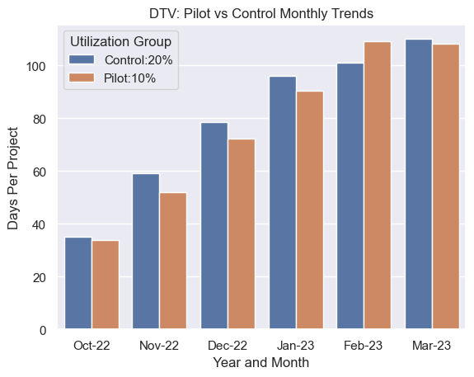
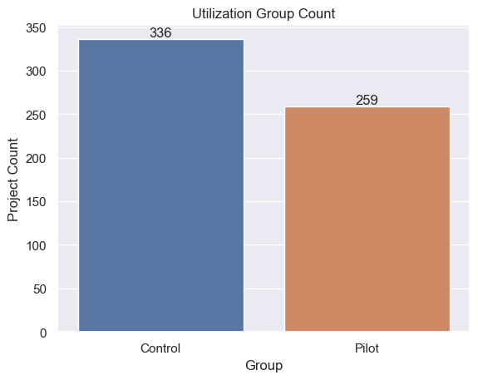
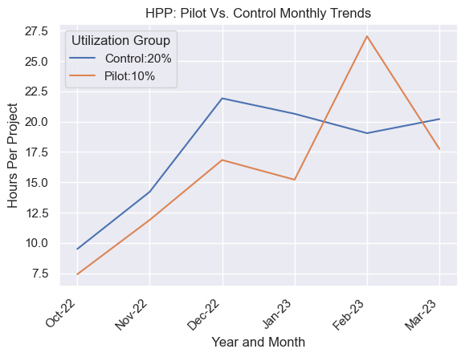

Activation Coach Productivity
Q1 2023
Q4 2022

Group and Activation Coach | Q1-project-count | Q1-HPP-median | Q1-HPP-sum | Q1-HPP-mean | Q1-DTV-median | Q1-DTV-sum | Sum of Q1_DTV_q1 | Group and Activation Coach | Q4-project-count | Q4-HPP-median | Q4-HPP-sum | Q4-HPP-mean | Q4-DTV-median | Q4-DTV-sum | Q4-DTV-mean
Control | 225 | 2072.3 | 4458.35 | 2110.0718326 | 9700.5 | 22808 | 9799.7424964 | Control | 111 | 1046.46 | 2011.56 | 1072.0925 | 3672 | 12151 | 3714.4591631
Pilot | 164 | 1132.695 | 3481.22 | 1174.2161905 | 5652 | 16725 | 5636.6746032 | Pilot | 95 | 567.625 | 1318.5 | 574.98690476 | 2894.5 | 10708 | 2902.3690476
Grand Total | 389 | 3204.995 | 7939.57 | 3284.2880231 | 15352.5 | 39533 | 15436.4171 | Grand Total | 206 | 1614.085 | 3330.06 | 1647.0794048 | 6566.5 | 22859 | 6616.8282107

Question2
Activation Experience: Control Vs Pilot Overall Statistics

 | Experience and Group | Sum of Q4_project_count | Sum of Q4_HPP_sum | Sum of Q4_HPP_mean | Sum of Q1_project_count | Sum of Q1_DTV_median | Sum of Q1_DTV_sum | Sum of Q1_DTV_mean | Sum of Q4_HPP_median
 | 1:1 Directed | 34 | 907.75 | 51.424603175 | 76 | 239 | 8546 | 226.90980392 | 47.25
 | Control | 27 | 739.5 | 27.388888889 | 51 | 111 | 5636 | 110.50980392 | 25
 | Pilot | 7 | 168.25 | 24.035714286 | 25 | 128 | 2910 | 116.4 | 22.25
 | Express | 93 | 996.9 | 21.616925466 | 119 | 196 | 11805 | 200.64859438 | 19.25
 | Control | 23 | 252.65 | 10.984782609 | 36 | 103 | 3714 | 103.16666667 | 11
 | Pilot | 70 | 744.25 | 10.632142857 | 83 | 93 | 8091 | 97.481927711 | 8.25
 | Guided Workshop | 79 | 1425.41 | 39.2671949 | 194 | 187.5 | 19182 | 199.73602484 | 37
 | Control | 61 | 1019.41 | 16.711639344 | 138 | 89 | 13458 | 97.52173913 | 15
 | Pilot | 18 | 406 | 22.555555556 | 56 | 98.5 | 5724 | 102.21428571 | 22
 | Grand Total | 206 | 3330.06 | 112.30872354 | 389 | 622.5 | 39533 | 627.29442314 | 103.5

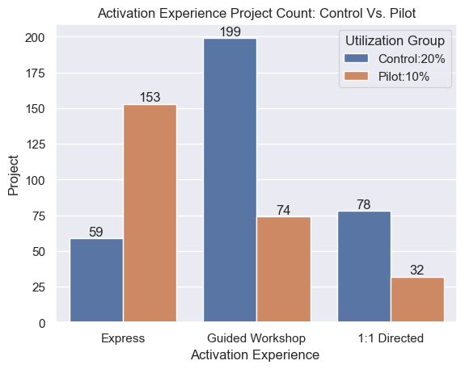
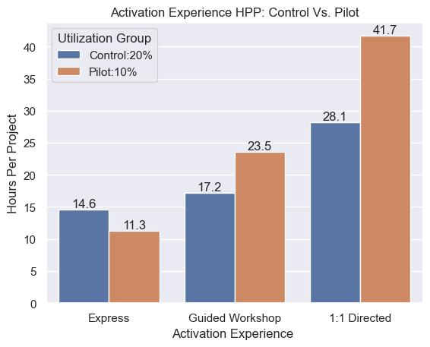

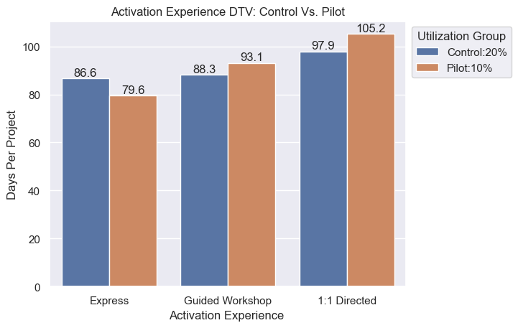

Activation Experience: Coach Productivity

Statistics by Experience and Coach

Q4 2022

Group and Activation Coach | express-project-count | express-HPP-median | express-HPP-sum | express-HPP-mean | express-DTV-median | express-DTV-sum | express-DTV-mean |  | Group and Activation Coach | guided-project-count | guided-HPP-median | guided-HPP-sum | guided-HPP-mean | guided-DTV-median | guided-DTV-sum | guided-DTV-mean |  |  | Group and Activation Coach | oneonone-project-count | oneonone-HPP-median | oneonone-HPP-sum | oneonone-HPP-mean | oneonone--DTV-median | oneonone-DTV-sum | oneonone-DTV-mean
Control | 23 | 171.825 | 252.65 | 170.825 | 1030 | 2815 | 1025.0666667 |  | Control | 61 | 664.235 | 1019.41 | 666.55166667 | 2655 | 5480 | 2655.8333333 |  |  | Control | 27 | 490.375 | 739.5 | 490.875 | 1399 | 3303 | 1392.3666667
Pilot | 70 | 392.125 | 744.25 | 391.9375 | 2362.5 | 4828 | 2362.5285714 |  | Pilot | 18 | 255.375 | 406 | 257.625 | 812.5 | 2426 | 805.52857143 |  |  | Pilot | 7 | 92 | 168.25 | 96.583333333 | 290 | 802 | 276.91666667
Grand Total | 93 | 563.95 | 996.9 | 562.7625 | 3392.5 | 7643 | 3387.5952381 |  | Grand Total | 79 | 919.61 | 1425.41 | 924.17666667 | 3467.5 | 7906 | 3461.3619048 |  |  | Grand Total | 34 | 582.375 | 907.75 | 587.45833333 | 1689 | 4105 | 1669.2833333

Q1 2023

Group and Activation Coach | express-project-count | express-HPP-median | express-HPP-sum | express-HPP-mean | express-DTV-sum | express-DTV-median | express-DTV-mean |  | Group and Activation Coach | guided-project-count | guided-HPP-sum | guided-HPP-median | guided-HPP-mean | guided-DTV-median | guided-DTV-sum | guided-DTV-mean |  | Group and Activation Coach | oneonone-project-count | oneonon-HPP-median | oneonone-HPP-sum | oneonone-HPP-mean | oneonone-DTV-median | oneonone-DTV-sum | oneonone-DTV-mean
Control | 36 | 473.15 | 608.9 | 478.98333333 | 8612 | 2726.5 | 2770.4424964 |  | Control | 138 | 2394.14 | 1224.635 | 1240.0620833 | 6260.5 | 18045 | 6312.4091631 |  | Control | 51 | 1042.81 | 1455.31 | 1063.3933333 | 3826 | 9767 | 3895.9813853
Pilot | 83 | 368.65 | 980.8 | 399.27202381 | 10503 | 3527.5 | 3521.7579365 |  | Pilot | 56 | 1335.3 | 496.175 | 485.62083333 | 2332.5 | 10054 | 2317.0880952 |  | Pilot | 25 | 651.085 | 1165.12 | 682.0725 | 1668.5 | 6473 | 1642.6071429
Grand Total | 119 | 841.8 | 1589.7 | 878.25535714 | 19115 | 6254 | 6292.2004329 |  | Grand Total | 194 | 3729.44 | 1720.81 | 1725.6829167 | 8593 | 28099 | 8629.4972583 |  | Grand Total | 76 | 1693.895 | 2620.43 | 1745.4658333 | 5494.5 | 16240 | 5538.5885281

 |  |  |  |  |  |  |  |  |  |  | Row Labels | Sum of guided_project_count | Sum of guided_HPP_median | Sum of guided_HPP_sum | Sum of guided_HPP_mean | Sum of guided_DTV_median | Sum of guided_DTV_sum | Sum of guided_DTV_mean
 |  |  |  |  |  |  |  |  |  |  | Control | 138 | 1224.635 | 2394.14 | 1240.0620833 | 6260.5 | 18045 | 6312.4091631
 |  |  |  |  |  |  |  |  |  |  | Pilot | 56 | 496.175 | 1335.3 | 485.62083333 | 2332.5 | 10054 | 2317.0880952
 |  |  |  |  |  |  |  |  |  |  | Grand Total | 194 | 1720.81 | 3729.44 | 1725.6829167 | 8593 | 28099 | 8629.4972583

