Sheet1
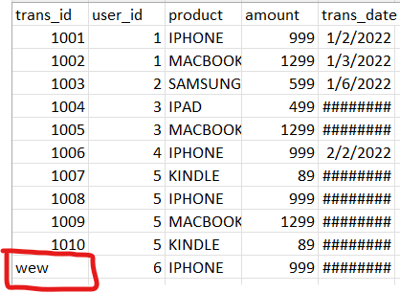
Data Before transformation : Transaction.csv | Data After transformation : Transaction.csv
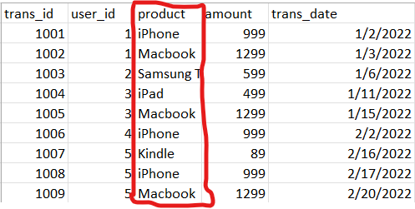
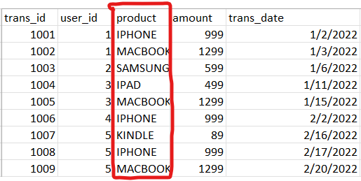

Data before transformation : users.csv |  | Data After transformation : users.csv

Logging mechanism

Generated data in SQLite3. Then sum all the total spent for the users.

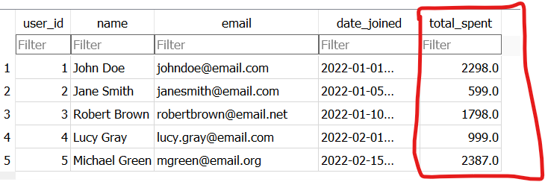

Try to add the data for both souces and generate only the new data in the target table.

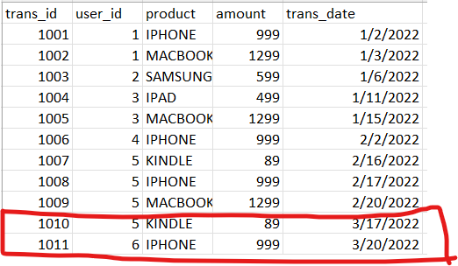

 |  | 1 User is added and new transaction made by user number 5 was added in total_spent in the target table.

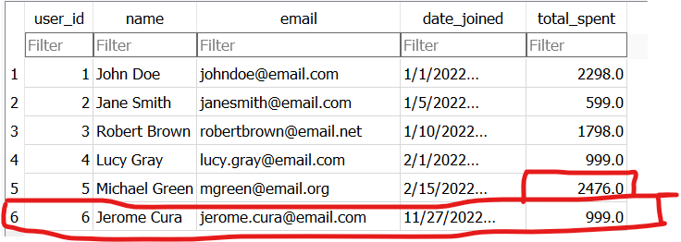

Try adding txt in the datatype number it returns an error

