Visualizations
 | 2012 | 2013 | 2014 | 2015 | 2016 | 2017 | 2018 | 2019 | 2020 | 2021 | 2022
中国 |  |  |  |  |  |  |  | 1,600,216 | 2,562,909 | 5,067,853 | 7,494,766
欧洲 |  |  |  |  |  |  |  | 1,306,273 | 1,152,691 | 1,440,522 | 1,607,278
美洲 |  |  |  |  |  |  |  | 204,561 | 207,215 | 435,503 | 680,320
韩国 |  |  |  |  |  |  |  | 127,850 | 263,079 | 334,185 | 543,408
其他 |  |  |  |  |  |  |  | 335,078 | 341,020 | 459,880 | 396,589

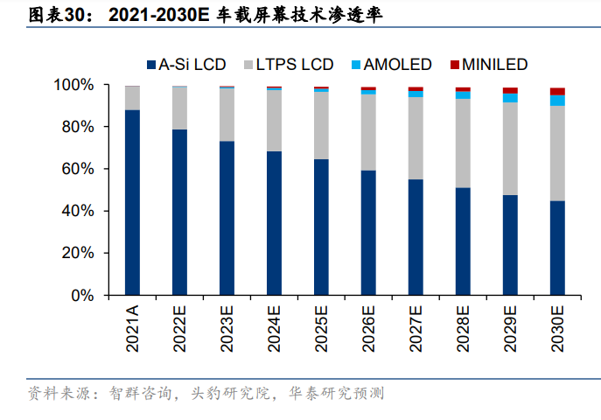
2012
2013
2014
2015
2016
2017
2018
2019
2020
2021
2022

毛利率对比
 | 2012 | 2013 | 2014 | 2015 | 2016 | 2017 | 2018 | 2019 | 2020 | 2021 | 2022

2019
2020
2021
2022
 | 销货成本率 |  | 销售费+管理费用率 |  | 税前财务费用率 |  | 利润率
2019 |  | 2019 |  | 2019 |  | 8
2020 |  | 2020 |  | 2020 |  | 9
2021 |  | 2021 |  | 2021 |  | 10
2022 |  | 2022 |  | 2022 |  | 11

运营费用率
 | 2012 | 2013 | 2014 | 2015 | 2016 | 2017 | 2018 | 2019 | 2020 | 2021 | 2022
销货成本率
销售费+管理费用率
税前财务费用率
利润率

财务费用分析：
 | 2012 | 2013 | 2014 | 2015 | 2016 | 2017 | 2018 | 2019 | 2020 | 2021 | 2022
EBIT (千人民币)
财务费用 (千人民币)
财务费用占比

 | EBIT (千人民币) | 财务费用 (千人民币) | 财务费用占比
2019
2020
2021
2022

 | 2012 | 2013 | 2014 | 2015 | 2016 | 2017 | 2018 | 2019 | 2020 | 2021 | 2022
利润 |  |  |  |  |  |  |  | 25,020 | 68,639 | 327,798 | 582,451
资本投入 |  |  |  |  |  |  |  | 69,000 | 56,000 | 247,000 | 1,176,000
现金分红 |  |  |  |  |  |  |  | 7,352 | 37,000 | 36,302 | 182,000
回购 |  |  |  |  |  |  |  | 0 | 0 | 0 | 0
并购 |  |  |  |  |  |  |  | 0 | 0 | 0 | 230,000

短期有息债 (千人民币) |  |  |  |  |  |  |  | 1,315,974 | 2,298,560 | 2,061,289 | 2,916,855
长期有息债 (千人民币) |  |  |  |  |  |  |  | 3,886,094 | 2,774,281 | 4,254,707 | 4,294,664
总有息债 / 账面股东权益 |  |  |  |  |  |  |  | 134% | 108% | 121% | 131%

