Sheet1
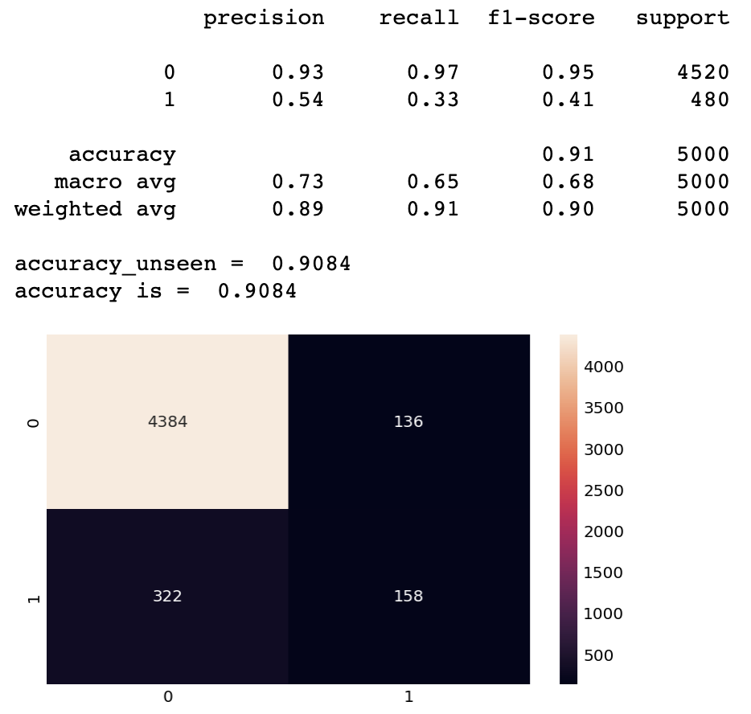
Logistic Regression
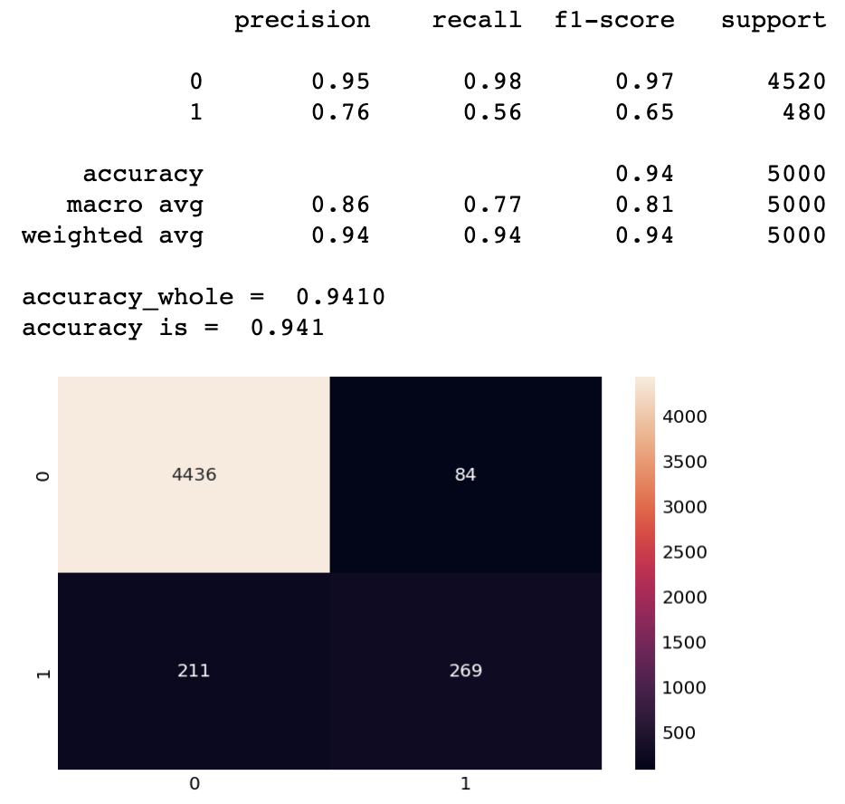
All
 | Train | Test | Unseen | Whole
LG | 0.8652 | 0.8594 | 0.8812 | 0.9084
SVM | 0.5156 | 0.4688 | 0.7375 | 0.4264
NB | 0.832 | 0.8438 | 0.84375 | 0.889

 |  |  |  |  |  |  | Cost of Ads $100 |  | Cost of Ads $100
Reduced |  |  |  |  |  |  | Potential gain $1000 |  | Potential gain $1000
 | Train | Test | Unseen | Whole
LG | 0.89 | 0.91 | 0.89 | 0.94
SVM | 0.89 | 0.92 | 0.54 | 0.78 |  | Lost | FP | $13,600 | Lost | FP | 8400
NB | 0.83 | 0.85 | 0.85 | 0.89 |  |  | FN | $322,000 |  | FN | 211000
 |  |  |  |  |  |  | Total | $335,600 |  | Total | 219400
 |  |  |  |  |  | Gain |  | $158,000
 | Train | Test | Unseen | Whole | Recall | Variance |  | $(177,600) | Gain |  | 269000
LG_all | 0.87 | 0.86 | 0.88 | 0.91 | 0.33
LG_reduced | 0.89 | 0.91 | 0.89 | 0.94 | 0.56 |  |  |  | Variance |  | 49600
Support Vector Machine

 | Train | Test | Unseen | Whole | Recall
SVM_all | 0.52 | 0.47 | 0.74 | 0.43 | 0.68
SVM_reduced | 0.89 | 0.92 | 0.54 | 0.78 | 0.66

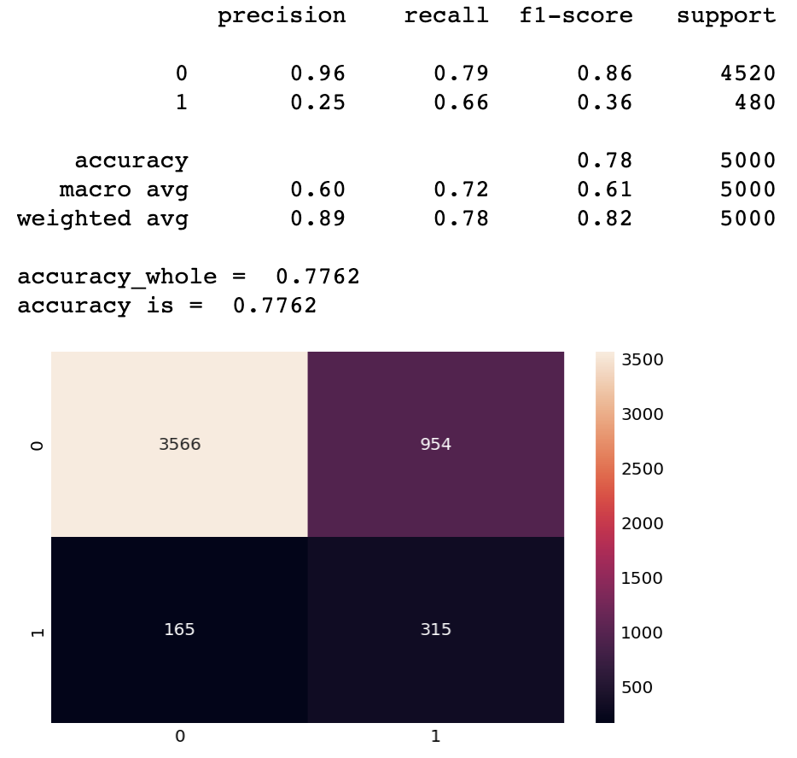
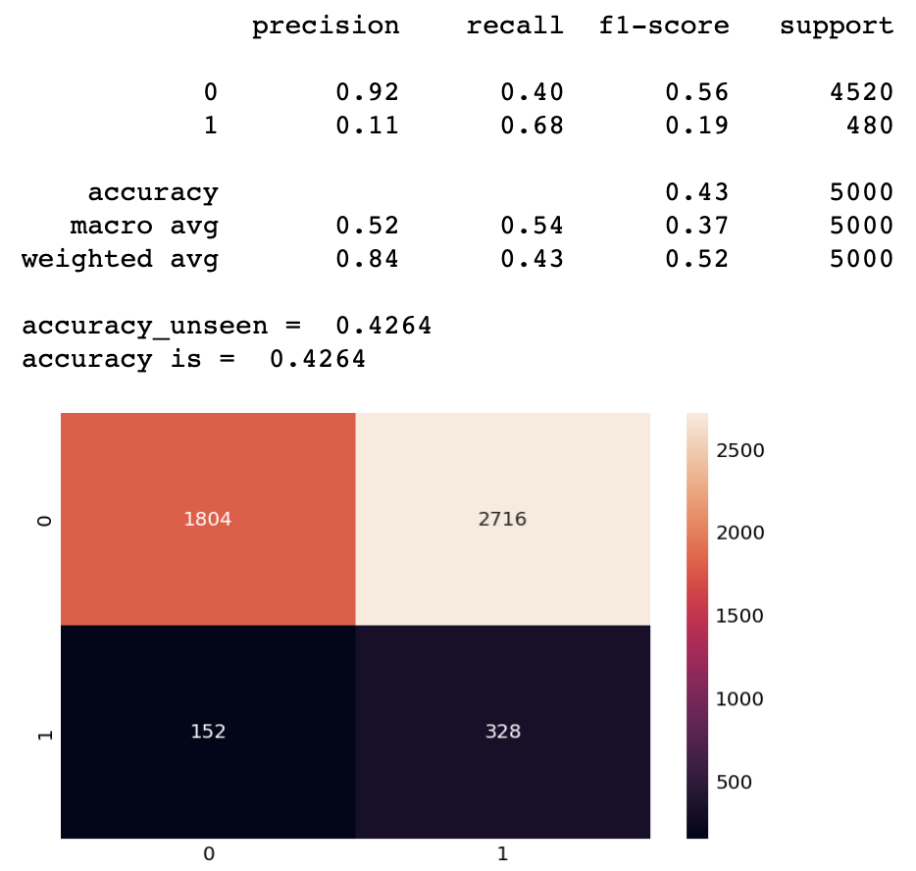
 | Train | Test | Unseen | Whole | Recall
NB_all | 0.83 | 0.84 | 0.84 | 0.89 | 0.59
NB_reduced | 0.83 | 0.85 | 0.85 | 0.89 | 0.59

Naive Bayes
 |  |  |  |  |  | Lost | FP | 27160 | Lost | FP | 95400
 |  |  |  |  |  |  | FN | 152000 |  | FN | 165000
 |  |  |  |  |  |  | Total | 179160 |  | Total | 260400

 |  |  |  |  |  | Gain |  | 328000 | Gain |  | 315000

 |  |  |  |  |  | Variance |  | 148840 | Variance |  | 54600

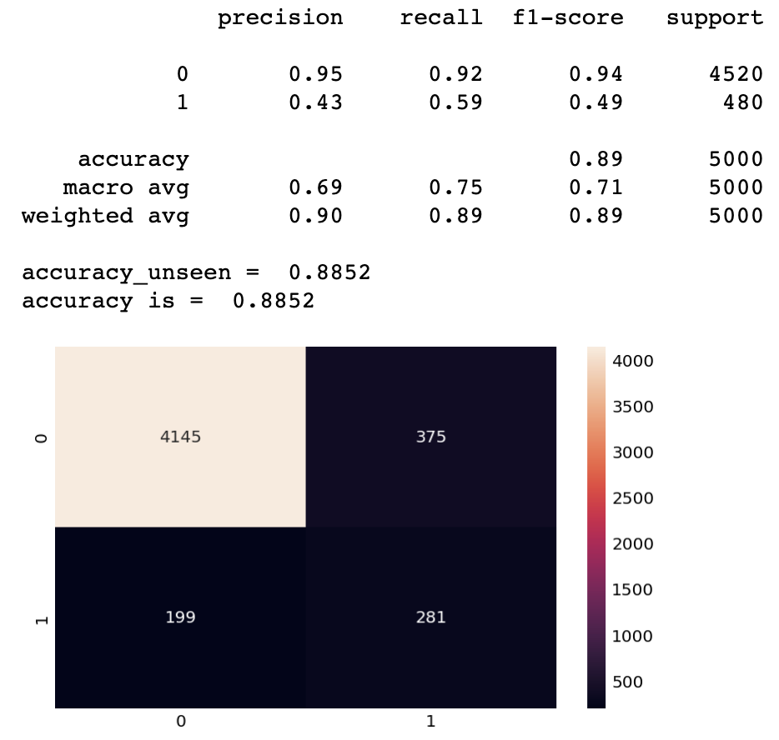
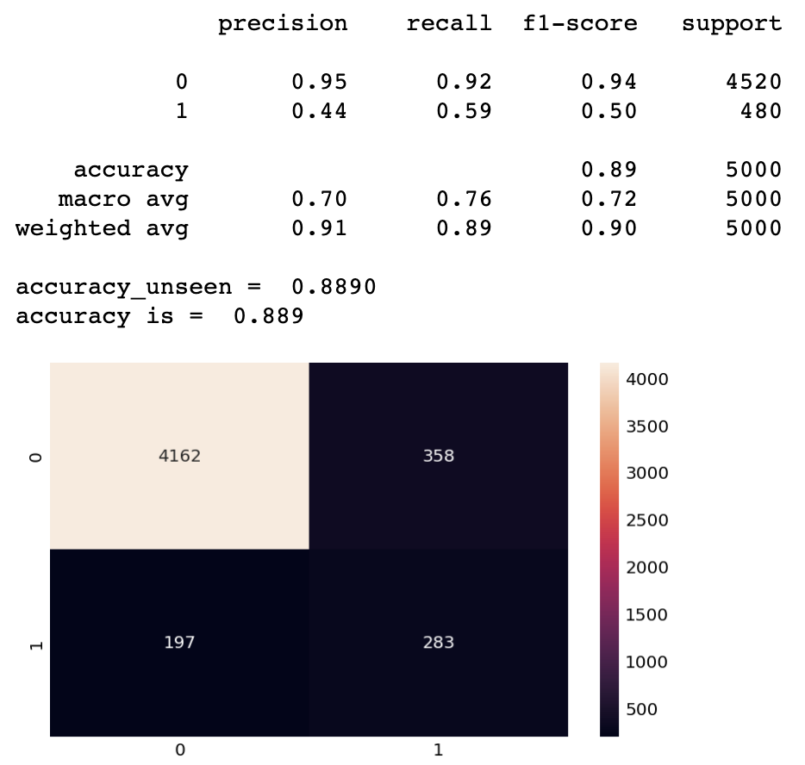

 |  |  |  |  |  | Lost | FP | 35800 | Lost | FP | 37500
 |  |  |  |  |  |  | FN | 197000 |  | FN | 199000
 |  |  |  |  |  |  | Total | 232800 |  | Total | 236500

 |  |  |  |  |  | Gain |  | 283000 | Gain |  | 281000

 |  |  |  |  |  | Variance |  | 50200 | Variance |  | 44500

