Dashboard
PARAMETERS |  |  | RESULTS
 |  |  | e3tonsco2e
Current Production |  |  | OIL | Low | Medium | High
Current oil production | 6,000 | e3tonnes | Scope 1 (GWP100) | 1,412 | 2,517 | 7,001
Current gas production | 3.5000 | e9m3 | Scope 3 | 17,107 | 18,604 | 20,294
Current Year | 2019 | year | Oil Total Emissions | 18,519 | 21,121 | 27,295
 |  |  | GAS
Production Estimate parameters |  |  | Scope 1 (GWP100) | 1,777 | 2,378 | 6,447
Future Production Parameters | - | % | Scope 3 | 6,842 | 7,069 | 7,346
Estimation Year | 2025 | year # | Gas Total Emissions | 8,619 | 9,446 | 13,793
 |  |  | TOTAL
Emissions Parameters |  |  | Scope 1 (GWP100) | 3,190 | 4,895 | 13,448
Methane Accounting Option | GWP100 | switch | Scope 3 | 23,948 | 25,672 | 27,640
 |  |  | Total Combined Emissions | 27,138 | 30,567 | 41,088

OIL WORKINGS
1. PHYSICAL VOLUMES |  |  | 2. CONVERSION TO ENERGY
Current Production |  |  | Energy
Current oil production | 6,000 | e3tonnes | Oil: Terajoules per e3tons - low | 40.10 | TJ / e3ton
 |  |  | Oil: Terajoules per e3tons - mid | 42.30 | TJ / e3ton
Total Production |  |  | Oil: Terajoules per e3tons - high | 44.80 | TJ / e3ton
Estimation Year Production | 6,000 | e3tonnes
 |  |  | Oil TJ (high) | 240.6000 | TJ
Bbl conversion for Scope 1 estimate |  |  | Oil TJ (mid) | 253.8000 | TJ
Barrels per tonne | 7.3300 | bbls / tonne | Oil TJ (low) | 268.8000 | TJ
Estimation Year Production | 43,980 | e3bbls
3. SCOPE 3 EMISSIONS |  |  | 4. SCOPE 1 EMISSIONS
Emissions Scope 3 (IPCC constants) |  |  | Emissions Scope 1 (IEA weighted) | GWP100 |  |  | GWP20
Tons CO2E per TJ (oil) - low | 71.10 | co2etons / TJ | IEA 10th percentile | 32.1087 | kg co2e / bbl | IEA 10th percentile | 54.4034
Tons CO2E per TJ (oil) - mid | 73.30 | co2etons / TJ | IEA Weighted Average | 57.2330 | kg co2e / bbl | IEA Weighted Average | 109.9626
Tons CO2E per TJ (oil) - high | 75.50 | co2etons / TJ | IEA 90th adjusted percentile | 159.1815 | kg co2e / bbl | IEA 90th adjusted percentile | 288.0452

Scope 3 emissions low | 17,107 | e3tonsco2e | Scope 1 emissions low | 1,412 | e3tonsco2e | Scope 1 emissions low | 2,393
Scope 3 emissions mid | 18,604 | e3tonsco2e | Scope 1 emissions mid | 2,517 | e3tonsco2e | Scope 1 emissions mid | 4,836
Scope 3 emissions high | 20,294 | e3tonsco2e | Scope 1 emissions high | 7,001 | e3tonsco2e | Scope 1 emissions high | 12,668

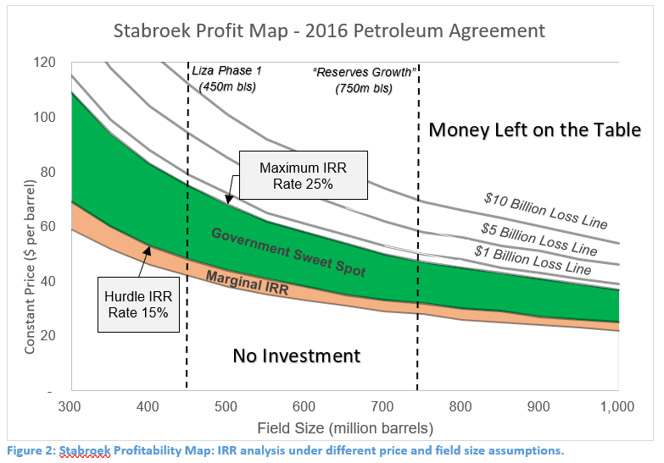
GAS WORKINGS
1. PHYSICAL VOLUMES |  |  | 2. CONVERSION TO ENERGY
Current Production |  |  | Energy
Current gas production | 3.5000 | e9m3 | Petajoules per million cubic metres gas | 36.0000 | PJ / e9m3

Total Production |  |  | gas TJ | 126.0000 | PJ
Estimation Year Production | 3.5000 | e9m3

Boe conversion for Scope 1 estimate
Barrels of oil equivalent per million cubic metres gas | 5.8830 | e6boe / e9m3
Thousands in a million | 1,000 | constant
Current Gas Production | 20,591 | e3boe
3. SCOPE 3 EMISSIONS |  |  | 4. SCOPE 1 EMISSIONS
Emissions Scope 3 (IPCC constants) |  |  | Emissions Scope 1 (IEA weighted) | GWP100 |  |  | GWP20
Tons CO2E per TJ (gas) - low | 54.30 | coe2tons / TJ | IEA 10th percentile | 86.3238 | kg co2e / bbl | IEA 10th percentile | 146.7921
Tons CO2E per TJ (gas) - mid | 56.10 | coe2tons / TJ | IEA Weighted Average | 115.4772 | kg co2e / bbl | IEA Weighted Average | 196.3192
Tons CO2E per TJ (gas) - high | 58.30 | coe2tons / TJ | IEA 90th adjusted percentile | 192.4189 | kg co2e / bbl | IEA 90th adjusted percentile | 313.1137

 |  |  | Current Gas Production | 20,591 | e3boe
Scope 3 emissions low | 6,842 | e3tonsco2e | Scope 1 emissions low | 1,777 | e3tonsco2e | Scope 1 emissions low | 3,023
Scope 3 emissions mid | 7,069 | e3tonsco2e | Scope 1 emissions mid | 2,378 | e3tonsco2e | Scope 1 emissions mid | 4,042
Scope 3 emissions high | 7,346 | e3tonsco2e | Scope 1 emissions high | 3,962 | e3tonsco2e | Scope 1 emissions high | 6,447

