Dr Names
S No | Image | Dr Name | Mobile | E Mail | Address
1 |  | Dr M N Thareja | 9352200001 | drmnthareja@yahoo.com | Thareja Nursing Home, 1-Ram Kuteer, Company Bagh, Alwar
2 |  | Dr V K Jain | 9610441111 | drvkjainsikar@gmail.com | Sri K M Jain Memorial Heart & General Hospital, Station Road, Sikar

 |  |  | 9928083266
3 |  | Dr Mahesh Poddar | 9829065965 | drmaheshpoddar@gmail.com | 2 K 9, Jawahar Nagar, Jaipur
4 |  | Dr Mahaveer Prasad Sharma | 9414137617 | mp.sharma46@yahoo.com | Aditya Hospital, II Floor, Town Junction Road, Hanumangarh
5 |  | Dr Durga Shankar Saini | 9413353412 | saini.durga@yahoo.in | Behind Police Kotwali, Rampur, Kota
6 |  | Dr Virendra Agarwal | 9314017147 | drvirendra@yahoo.com | 394, Surya Nagar, Gopalpura By Pass, Tonk Road, Jaipur
7 |  | Dr Rahul Dev Harsh | 9414140155 | drrahul.harsha@gmail.com | C-156, Murlidhar, Vyas Colony, Bikaner
8 |  | Dr Tarun Patni | 9829216070 | drtarunpatni@hotmail.com | 41, Mangle ViharExtn. Gopal Pura By Pass, Jaipur
9 |  | Dr Amit K Goyal | 9928424733 | amitkgoyal1972@gmail.com | Ruchi Hospital, 10 R K Nagar, Police Line, Kota
10 |  | Dr Ashu Agarwal | 8769075555 | missashuagarwal@gmail.com | SwasthyaKalyan, K G B Ka Rasta, Johari Bajar, Jaipur
11 | 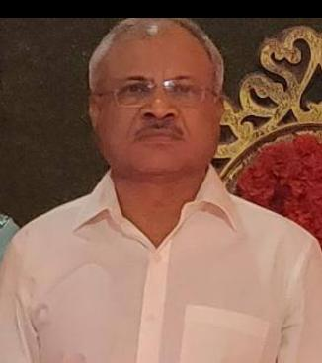 | Dr Dhananjay Agarwal | 9414459790 |  | Jhotwara, Jaipur
12 |  | Dr Fariyad Mohammed | 9829264687 | fariyadmohd@gmail.com | ALBAHAR, S-63, BAPU NAGAR, BHILAWARA
13 |  | Dr Girdhar Goyal | 9414235414 | giradhargoyal@gmail.com | 53/92, Surya Marg, V T Road, Mansarowar, Jaipur-302020
14 |  | Dr J K Singhhvi | 9414309567 | jksinghvi@yahoo.com | 622, Dadabari, Main Road, Kota
15 |  | Dr N K Agarwal | 9829141006 | nanddr132@gmail.com | Dr N K Agarwal, Anand Hospital, Chomu
16 |  | Dr P C Garg | 9414038721 | drpcgarg2007@gmail.com | P G Hospital, B-56,57, Todi Nagar, Sanwali Road, Sikar-332001
17 |  | Dr Raj Shekhar Yadav | 9414422186 | citybrr@gmail.com | City Hospital, Narnaul Road, Behror, Rajasthan- 301701
18 |  | Dr Rajveer Arya | 9828018414 | rajveer257@gmail.com | B-257, Janta Colony, Jaipur-302004
19 |  | Dr Servesh Agarwal | 9983344444 | drsarveshagarwal@gmail.com | MahaveerJaipuriya Rajasthan hospital, Opp. Govt. Jaipuriya Hospital, JLN Marg, Jaipur
20 |  | Dr Mahesh K Sharma | 941437617 | doctormaheshsharma@gmail.com | B-13, Near Kothari Hospital, MRV Colony, Bikaner
21 |  | Dr Gopal Singh Bhati | 7442340235, | gopal.bhati.gb@gmail.com | Flat No. 400, Chambal Residency, Civil Line, Kota

 |  |  | 6376714813

