Table 1
A. General Information
A1. Address Information Please enter general institution information below: Name of College or University Street Address: City: State: Zip: Country: Main Institution Phone Number: Main Institution Website: Main Institution Email:
University of Kentucky
101 Main Building
Lexington
Kentucky
40506
United States

www.uky.edu

Please enter Admissions Office information below: Street Address: City: State: Zip: Country: Admissions Phone Number: Admissions Toll-free Number: Admissions Website:
100 W.D. Funkhouser Building
Lexington
Kentucky
40506
United States
859-257-2000
859-257-2000

admissions@uky.edu
Admissions Email Address:
Is there a separate URL for your school's online application? If yes, please specify:
If you have a mailing address other than the one listed above to which applications should be sent, please provide:

A2. Source of Institutional Control: (click to select from dropdown)
Public
A3. Classify your undergraduate institution: (click to select from dropdown)
Coeducational
A4. Academic year calendar: (click to select from dropdown)
Semester
A4A. Describe if calendar differs by program or other:

Diploma
https://admission.uky.edu/apply
A5. Degrees offered by your institution (select all that apply).
Post-Master's certificate

Certificate
Associate
Terminal
Tra sfer
Bachelor's
Master's
Doctoral degree - research/scholarship
Doctoral degree - professional practice
Doctoral degree - other
https://oid.uky.edu
Post-Bachelor's certificate
A6. Diversity, Equity, and Inclusion If you have a diversity, equity, and inclusion office or department, please provide the URL of the corresponding Web page:

END OF SECTION A
B. ENROLLMENT AND PERSISTENCE
B1. Institutional Enrollment Provide numbers of students for each of the following categories as of the institution’s official fall reporting date or as of October 15, 2023.
1. Report students formaly designated as "first professional" in the graduate counts.
2. If your institution collects and reports non-binary gender data, please use the "Another Gender" category. In cases where gender information is not provided, please distribute across the two binary categories.
For more information on how to report study abroad students, please see NCES.GOV documentation.
 | Men |  | Women |  | Another Gender
 | Full Time Enrollment | Part Time Enrollment | Full Time Enrollment | Part Time Enrollment | Full Time Enrollment | Part Time Enrollment
UNDERGRADUATE STUDENTS
Degree-seeking, first-time, first-year students | 2,577 | 39 | 3,783 | 38
Other first-year, degree-seeking students | 550 | 39 | 640 | 61
All other degree-seeking undergraduate students | 6,024 | 512 | 8,210 | 716
Total degree-seeking undergraduate students | 9,151 | 590 | 12,633 | 815 | 0 | 0
All other undergraduates enrolled in credit courses | 21 | 304 | 13 | 403
Total Undergraduate Students | 9,172 | 894 | 12,646 | 1,218 | 0 | 0
Total part-time undergraduate degree-seeking students Total full-time undergraduate degree-seeking students Total of all undergraduate degree-seeking students Total of all undergraduate students enrolled |  |  |  | 1,405
 |  |  |  | 21,784
 |  |  |  | 23,189
 |  |  |  | 23,930
 | Men |  | Women |  | Another Gender
 | Full Time Enrollment | Part Time Enrollment | Full Time Enrollment | Part Time Enrollment | Full Time Enrollment | Part Time Enrollment
GRADUATE STUDENTS
Degree-seeking, first-time | 673 | 81 | 1,081 | 211
All other degree-seeking | 1,851 | 362 | 3,166 | 1,063

Table 5
C. Final 2016 cohort, after adjusting for allowable exclusions | 1,214 | 956 | 2,832 | 5,002
D. Of the initial 2016 cohort, how many completed the program in four years or less (by Aug. 31, 2020)? | 458 | 455 | 1,680 | 2,593
E. Of the initial 2016 cohort, how many completed the program in more than four years but in five years or less (after Aug. 31, 2020 and by Aug. 31, 2021)? | 158 | 142 | 395 | 695
F. Of the initial 2016 cohort, how many completed the program in more than five years but in six years or less (after Aug. 31, 2021 and by Aug. 31, 2022)? | 43 | 23 | 73 | 139
G. Total graduating within six years (Sum of D., E., and F.) | 659 | 620 | 2,148 | 3,427
H. Six-year graduation rate for 2016 cohort (G. divided by C.) | 54% | 65% | 76% | 69%
Two-Year Institutions - Graduation, Completion Counts
Please provide data for the 2020 cohort if available. If 2020 cohort data are not available, provide data for the 2019 cohort. | 2020 Cohort | 2019 Cohort
B12. Initial cohort, total of first-time, full-time degree/certificate-seeking students:
B13. Of the initial cohort, how many did not persist and did not graduate for any of the following reasons: (report total allowable exclusions) - Deceased - Permanently Disabled - Armed Forces - Foreign Aid Service of the Federal Government - Official church missions
B14. Final cohort, after adjusting for allowable exclusions: | 0 | 0
B15. Completers of programs of less than two years duration (total):
B16. Completers of programs of less than two years within 150 percent of normal time:
B17. Completers of programs of at least two but less than four years (total):
B18. Completers of programs of at least two but less than four-years within 150 percent of normal time:
B19. Total transfers-out (within three years) to other institutions:
B20. Total transfers to two-year institutions:
B21. Total transfers to four-year institutions:
B22. Retention Rates
Report for the cohort of all full-time, first-time bachelor’s (or equivalent) degree-seeking undergraduate students who entered
in Fall 2022 (or the preceding summer term).
The initial cohort may be adjusted for students who departed for the following reasons:
For the cohort of all full-time bachelor’s (or equivalent) degree-seeking undergraduate students who entered your institution as first-year students in Fall 2022 (or the preceding summer term), what percentage was enrolled at your institution as of the date your institution calculates its official enrollment in Fall 2023.
Total students retained = students from the Fall 2022 cohort who are still enrolled as of Fall 2023 + students from Fall 2022 cohort who completed their bachelor’s program as of Fall 2023
(Students from the Fall 2022 cohort still enrolled as of Fall 2023 + Students from Fall 2022 cohort who completed their bachelor’s program as of Fall 2023)/(Adjusted Fall 2022 cohort) *100
Note: The number of first-time students seeking a bachelor’s degree (or equivalent) who attain a bachelor’s degree (or equivalent) by their second fall term is expected to be zero or very small. In exceptional cases when a first-time student does satisfy all degree requirements including full credit completion (e.g., typically 120 credit hours) and is awarded a bachelor’s degree (or equivalent) by their second fall term, they are to be considered “retained” for EF reporting purposes.
87%
*Death
*Permanent Disability
*Service in the armed forces
*Foreign aid service of the federal government
*Official church missions
*No other adjustments to the initial cohort should be made.
Enter retention rate:

END OF SECTION B

Table 14
Report the maximum number of credits or courses that may be transferred from a four-year institution:
90.0
Credit(s)
Number: Unit Type:
D15. Minimum Credits to Earn Associate Degree Report the minimum number of credits that transfer students must complete at your institution to earn an associate degree:

Number:
D16. Minimum Credits to Earn Bachelor's Degree Report the minimum number of credits that transfer students must complete at your institution to earn a bachelor's degree:
30.0
Number:
D17: Other Credit Policies Please describe any other transfer credit policies:

D18: Military/Veteran Transfer Credits Does your institution accept the following military/veteran transfer credits: (select all that apply)
D19: Maximum Credits Transferred - ACE Report the maximum number of credits or courses that may be transferred based on military education evaluated by the American Council on Education (ACE): Number: Unit Type:

D20: Maximum Credits Transferred - CLEP, DSST Report the maximum number of credits or courses that may be transferred based on Department of Defense supported prior learning assessments (College Level Examination Program (CLEP) or DANTES Subject Standardized Tests (DSST)):

Number: Unit Type:
D21: Published Transfer Policies Are the military/veteran credit transfer policies published on your website?
Yes
https://www.uky.edu/veterans/content/mi
If yes, please provide the URL where the policy can be located: | litary-transfer-credit
D22: Unique Transfer Policies
Please describe other military/veteran transfer credit policies unique to your institution:
https://www.uky.edu/veterans/content/military-transfer-credit

American Council on Education (ACE)
College Level Examination Program (CLEP)
DANTES Subject Standardized Tests (DSST)

Table 15
Accelerated program
Comprehensive transition and postsecondary program for students with intellectual disabilities
Cross-registration Distance learning
E. ACADEMIC OFFERINGS AND POLICIES
E1. Special study options
Please identify the programs available at your institution. Refer to the glossary for definitions. Select all that apply.
Honors program
Independent study
Internships
Dual enrollment
Liberal arts/career combination
Double major Student-designed major
Study abroad
English as a Second Language (ESL) | Teacher certification program
Exchange student program (domestic) Undergraduate Research
External degree program Weekend college
Other

If other, please specify: E2. Removed from the CDS.
E3. Required Coursework for Graduation Please indicate the areas in which all, or most, students are required to complete some course work prior to graduation: Select all that apply.
Arts / fine arts Intensive Writing
Computer literacy Mathematics
History
English (including composition) Philosophy
Foreign languages Physical Education
Sciences (biological or physical)
Humanities Social Science
Other If "Other" selected, please specify below:

END OF SECTION E

Table 17
On Campus
Naval ROTC is offered: | Marine Option | At cooperating institution
If at cooperating institution, please list institution below:

Air Force ROTC is offered: On Campus At cooperating institution
If at cooperating institution, please list institution below:

F4. Housing Please check all types of college-owned, -operated, or -affiliated housing available for undergraduates at your institution.
Apartments for married students Men's residence halls
Apartments for single students Special housing for international students
Coed residence halls Special housing for students with disabilities
Cooperative housing Theme housing
Fraternity/sorority housing Women's residence halls
Living Learning Communities
Other Housing Options
If selected "Other Housing Options", please specify below:

END OF SECTION F

Table 18
G. ANNUAL EXPENSES
G0. Net Price Calculator URL Please provide the URL of your instititution's net price calculator:
For the following sections, please provide 2024-2025 academic year costs of attendance for the following categories that are applicable to your institution.
If your institution's 2024-2025 academic year costs of attendance are not available at this time, please select the checkbox below and enter the approximate date (i.e. MM/DD) when your institution's final 2024-2025 academic year costs of attendance will be available.
Firm and Final
Tuition and Fee Data Provided are:

2024-2025 academic costs not currently available Approximate date costs will be available:
G1. Undergraduate, full-time tuition, required fees, food and housing
List the typical tuition, required fees, and food and housing for a full-time undergraduate student for the full 2024-2025 academic year. (30 semester hours or 45 quarter hours for institutions that derive annual tuition by multiplying credit hour cost by number of credits).
✓ A full academic year refers to the period of time generally extending from September to June; usually equated to two semesters, two trimesters, three quarters, or the period covered by a four-one-four plan. ✓ Food and housing is defined as double occupancy and 19 meals per week or the maximum meal plan. ✓ Required fees include only charges that all full-time students must pay that are not included in tuition (e.g., registration, health, or activity fees.) ✓ Do not include optional fees (e.g., parking, laboratory use).
First-Year Undergraduate
PRIVATE INSTITUTION
Tuition:
PUBLIC INSTITUTION
Tuition: In-district Tuition: In-state (out-of-district): Tuition: Out-of-state: Tuitition: International (non-resident) | $12,109.00 | $12,109.00
 | $12,109.00 | $12,109.00
 | $32,747.00 | $32,747.00
 | $32,747.00 | $32,747.00
FOR ALL INSTITUTIONS
Required Fees: Food and Housing (on-campus): Housing Only (on-campus): Food Only (on-campus meal plan): | $1,393.00 | $1,393.00
 | $16,016.00 | $16,016.00
 | $10,750.00 | $10,750.00
 | $5,266.00 | $5,266.00

If your institution has comprehensive tuition, food and housing fees (and cannot provide separate fee amounts), please enter that comprehensive amount:
Other tuition or fee information:

G2. Credits Per Term Please enter the number of credits per term a student can take for the stated full-time tuition:
12

https://uky.studentaidcalculator.com/survey.aspx
Minimum number of credits: Maximum number of credits:

Table 19
G3. Tuition and Fee Variance by Year of Study Do tuition and fees vary by year of study (e.g. sophomore, junior, senior)?
No
G4. Tuition and Fee Variance by Undergraduate Instructional Program Do tuition and fees vary by undergraduate instructional program?
No

If yes, what percent of full-time undergraduates pay more than the tuition and fees reported in G1?
G5. Estimated Expenses for Typical Full-Time Undergraduates Please provide estimated expenses for a typical full-time undergraduate student:
Books and supplies: Housing only: Food only: Food and housing total* Transportation: Other expenses: |  |  | Residents Commuters (living at home) |  | Commuters (not living at home)
$1,200.00 | $1,200.00 | $1,200.00
 |  | $10,646.00
 | $5,266.00 | $5,266.00

$2,464.00 | $5,852.00 | $2,568.00
$3,376.00 | $3,376.00 | $3,376.00
*Only enter "Food and housing total" if your institution cannot provide separate food and housing figures for commuters not living at home.
G6. Undergraduate Per-Credit-Hour Charges (tuition only) Please enter the undergraduate per-credit-hour charges (tuition only) in the applicable institution type and segment of students:
PRIVATE INSTITUTIONS
Per-credit-hour charge (tuition only):
PUBLIC INSTITUTIONS
 |  |  |  | $505.50
 |  |  |  | $505.50
 |  |  |  | $1,364.50
 |  |  |  | $1,364.50
In-district students, per-credit-hour charge (tuition only): n-state (out-of-district) students, per-credit-hour charge (tuition only): Out-of-state students, per-credit-hour charge (tuition only): International (non-resident) students, per-credit-hour charge (tuition only):
END OF SECTION G
H. FINANCIAL AID
Please refer to the following financial aid definitions when completing Section H.
Awarded aid: The dollar amounts offered to financial aid applicants.
Financial aid applicant: Any applicant who submits any one of the institutionally required financial aid applications/forms, such as the FAFSA.
Indebtedness: Aggregate dollar amount borrowed through any loan program (federal, state, subsidized, unsubsidized, private, etc.; excluding parent loans) while the student was enrolled at an institution. Student loans co-signed by a parent are assumed to be the responsibility of the student and should be included.
Institutional scholarships and grants: Endowed scholarships, annual gifts and tuition funded grants for which the institution determines the recipient.
Financial need: As determined by your institution using the federal methodology and/or your institution's own standards.
Need-based aid: College-funded or college-administered award from institutional, state, federal, or other sources for which a student must have financial need to qualify. This includes both institutional and non-institutional student aid (grants, jobs, and loans).
Need-based scholarship or grant aid: Scholarships and grants from institutional, state, federal, or other sources for which a student must have financial need to qualify.
Need-based self-help aid: Loans and jobs from institutional, state, federal, or other sources for which a student must demonstrate financial need to qualify.
Non-need-based scholarship or grant aid: Scholarships and grants, gifts, or merit-based aid from institutional, state, federal, or other sources (including unrestricted funds or gifts and endowment income) awarded solely on the basis of academic achievement, merit, or any other non-need-based reason. When reporting questions H1 and H2, non-need-based aid that is used to meet need should be counted as need-based aid.
Note: Suggested order of precedence for counting non-need money as need-based:
Non-need-based self-help aid: Loans and jobs from institutional, state, or other sources for which a student need not demonstrate financial need to qualify.
Private student loans: A nonfederal loan made by a lender such as a bank, credit union or private lender used to pay for up to the annual cost of education, less any financial aid received.
External scholarships and grants: Scholarships and grants received from outside (private) sources that students bring with them (e.g., Kiwanis, National Merit scholarships). The institution may process paperwork to receive the dollars, but it has no role in determining the recipient or the dollar amount awarded.
Work study and employment: Federal and state work study aid, and any employment packaged by your institution in financial aid awards.
H1. Aid Awarded to Enrolled Undergraduates Enter total dollar amounts awarded to enrolled full-time and less than full-time degree-seeking undergraduates (using the same cohort reported in CDS Question B1, “total degree-seeking” undergraduates) in the following categories.
6. Non−need outside grants
7. Non−need student loans
8. Non−need parent loans
9. Non−need work
1.Non−need institutional grants
2.Non−need tuition waivers
3.Non−need athletic awards
4.Non−need federal grants
5.Non−need state grants

Table 20
Indicate the academic year for which data are reported for items H1, H2, H2A, and H6 below:
2022-2023 Final
Which needs-analysis methodology does your institituion use in awarding institutional aid? (formerly CDS - H3)
which your institution is located |  | $43,122,369
scholarships, annual gifts and tuition
funded grants, awarded by the college, excluding athletic aid and |  | $146,594,342
tuition waivers (which are reported
below)
Scholarships/grants from external
sources (e.g. Kiwanis, National Merit) |  | $9,704,986
not awarded by the college
Total Scholarships/Grants |  | $227,804,160 | $0
 | Total Self-Help | $87,008,336 | $0
Parent Loans |  | $37,669,191
Tuition Waivers |  | $0
Athletic Awards |  | $12,915,084
H2. Number of Enrolled Students Awarded Aid

$539,678
$0
$86,468,658
Student loans from all sources
(excluding parent loans)
Federal Work-Study
State and other (e.g., institutional) work-study/employment (Note: excludes Federal Work/Study captured above)
Federal methodology (FM)
Need-Based Non-Need-Based (Include non-need (Exclude non-need- based aid use to based aid use to
meet need). meet need).
Federal $28,382,463
State - all states, not only the state in
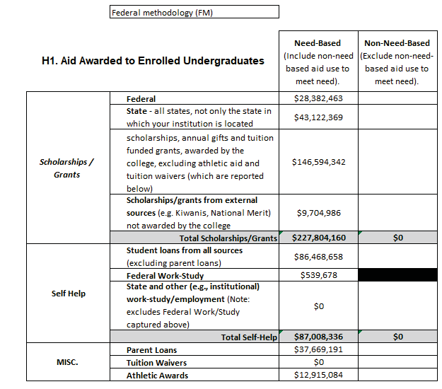
Less Than Full-
Time Undergrad.
Full-Time, First- ^{Full-Time} _{Time, First-Year} Undergrad. (Include
Freshman)

Table 21
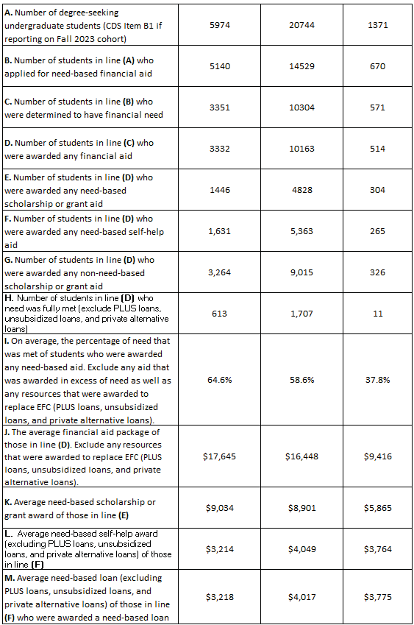
5974 | 20744 | 1371
5140 | 14529 | 670
3351 | 10304 | 571
3332 | 10163 | 514
1446 | 4828 | 304
1,631 | 5,363 | 265
3,264 | 9,015 | 326
613 | 1,707 | 11
64.6% | 58.6% | 37.8%
$17,645 | $16,448 | $9,416
$9,034 | $8,901 | $5,865
$3,214 | $4,049 | $3,764
$3,218 | $4,017 | $3,775
H2A. Number of Enrolled Students Awarded Non-Need-Based Scholarships and Grants List the number of degree-seeking full-time and less-than-full-time undergraduates who had no financial need and who were awarded institutional non-need-based scholarship or grant aid.
A. Number of degree-seeking undergraduate students (CDS Item B1 if reporting on Fall 2023 cohort)
B. Number of students in line (A) who applied for need-based financial aid
C. Number of students in line (B) who were determined to have financial need
D. Number of students in line (C) who were awarded any financial aid
E. Number of students in line (D) who were awarded any need-based scholarship or grant aid
F. Number of students in line (D) who were awarded any need-based self-help aid
G. Number of students in line (D) who were awarded any non-need-based scholarship or grant aid
H. Number of students in line (D) who need
was fully met (exclude PLUS loans, unsubsidized loans, and private alternative loans)
I. On average, the percentage of need that
was met of students who were awarded any need-based aid. Exclude any aid that was awarded in excess of need as well as any resources that were awarded to replace EFC (PLUS loans, unsubsidized loans, and private alternative loans).
J. The average financial aid package of those in line (D). Exclude any resources that were awarded to replace EFC (PLUS loans, unsubsidized loans, and private alternative loans).
K. Average need-based scholarship or grant award of those in line (E)
L. Average need-based self-help award (excluding PLUS loans, unsubsidized loans, and private alternative loans) of those in line (F)
M. Average need-based loan (excluding
PLUS loans, unsubsidized loans, and private alternative loans) of those in line (F) who were awarded a need-based loan

Table 24
CSS Profile
Other; please specify.
Select all financial aid forms that nonresident first-year financial aid applicants must submit:
Institution's own financial aid form

Other:
H8. Process for First-Year Students Select all financial aid forms domestic first-year financial aid applicants must submit:

Other:
H9. Filing Dates for First-Year Students
Yes
Does institution have a deadline for filing required financial aid forms for first-year stud Select "no" if there is no deadline and applications are processed on a rolling basis.
2/15
Priority date for filing required financial aid forms: (MM/DD)
6/30
Deadline for filing required financial aid forms: (MM/DD)
H10. Notification Dates for First-Year Students Please enter the date for only one response below based on whether students are notified on a certain date or notified on a rolling basis.

Students are notificed on or about (date): (MM/DD)
3/1
Students are notified on a rolling basis starting (date): (MM/DD)
H11. Reply Dates for First-Year Students

3.0
Students must reply by (date): (MM/DD) or within (number) of weeks of notification: H12. Types of Aid Available - Loans Please select all types of aid available to undergraduates at your institution:
Direct Subsidized Stafford Loans Federal Nursing Loans
Direct Unsubsidized Stafford Loans Direct PLUS Loans |  |  | State Loans College/University loans from institutional funds

Federal Perkins Loans |  | Other |  | Please specify:
H13. Types of Aid Available - Need-Based Scholarships and Grants Please select all types of aid available to undergraduates at your institution:
Federal Pell College/University scholarship or grant aid from institutional funds
SEOG | United Negro College Fund

FAFSA
State aid form
Institution's own financial aid form
Business/Farm Supplement
CSS Profile
Other; please enter below.

State scholarship/grants Private scholarships |  | Federal Nursing Scholarship OtherPlease specify:

Table 25
Job skills
Music/drama
ROTC
Religious affiliation
Leadership
State/district residency
H14. Criteria Used in Awarding Institutional Aid Please select all criteria used in awarding non-need based institutional aid:
Art Athletics Minority status
H14. Criteria Used in Awarding Institutional Aid Please select all criteria used in awarding need-based institutional aid:
Academics | Job skills | Music/drama
Alumni affiliation | ROTC | Religious affiliation
Art | Leadership | State/district residency
Athletics | Minority status
H15. Affordable Policies
If your institution has recently implemented any major financial aid policy, program, or iniative to make your institution more affordable to incoming students such as replacing loans with grants, or waiving costs for families below a certain income level, please provide the details below:

Academics
Alumni affiliation
END OF SECTION H

