Table 2
A2 | Source of institutional control (Check only one):
 | Public Private (nonprofit) Proprietary | 1
A3 | Classify your undergraduate institution (select | one):
 | Coeducational college | 1
 | Men's college
 | Women's college
A4 | Academic year calendar (select one):
 | Semester Quarter Trimester 4-1-4 Continuous Differs by program | 1
 | Other
A6 Diversity, Equity, and Inclusion If you have a diversity, equity, and inclusion office or department, please provide the URL of the corresponding Web page:
A5 Degrees offered by your institution:
Certificate Diploma Associate
Transfer Associate Terminal Associate Bachelor's Postbachelor's certificate Master's
Post-master's certificate
Doctoral degree research/scholarship Doctoral degree – professional practice
Doctoral degree -- other
Describe if differs by program or other:
https://dce.olemiss.edu

Rev. 12/7/22

Table 8
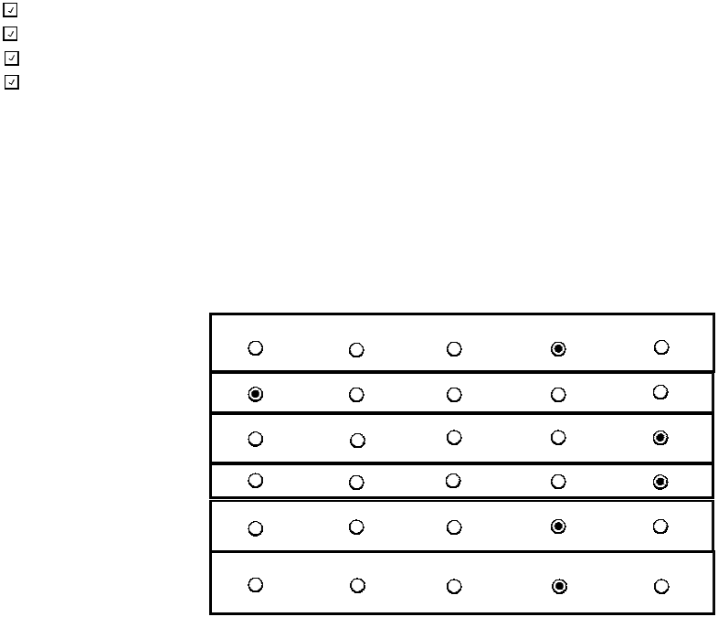
D. TRANSFER ADMISSION
D1-D2: Fall Applicants D1 Does your institution enroll transfer students? (If no, please skip to Section E) If yes, may transfer students earn advanced standing credit by transferring credits earned from course work completed at other colleges/universities? |  |  |  | Yes or No
Yes
Yes
D2 Provide the number of students who applied, were admitted, and enrolled as degree-seeking transfer students in Fall 2022. If your institution collects and reports non-binary gender data, please use the “Another Gender” category.
 | Applicants | Admitted Applicants | Enrolled Applicants
Men | 839 | 748 | 527
Women | 1,039 | 934 | 788
Another Gender
Total | 1,878 | 1,682 | 1,315
D3-D11: Application for Admission D3 Indicate terms for which transfers may enroll:
Yes
 | Required of All | Recommended of All | Recommended of Some |  | Required of Some | Not Required
High school transcript
College transcript(s)
Essay or personal statement
Interview
Standardized test scores
Statement of good standing from prior institution(s)
Fall Winter Spring
Summer
Yes or No
D4 Must a transfer applicant have a minimum number of credits completed or else must apply as an entering first-year student?
If yes, what is the minimum number of credits and the unit of measure?
30
D5 Indicate all items required of transfer students to apply for admission:

Table 10
D21
College Level Examination Program (CLEP) DANTES Subject Standardized Tests (DSST)
D19 Maximum number of credits or courses that may be transferred based on military education evaluated by the American Council on Education (ACE): D20 Maximum number of credits or courses that may be transferred based on Department of Defense supported prior learning assessments (College Level Examination Program (CLEP) or DANTES Subject Standardized Tests (DSST)): Are the military/veteran credit transfer policies published on your website? |  | Number Unit Type Number Unit Type Yes or No
36 | Credits

Yes
If yes, please provide the URL where the policy can be located: https://catalog.olemiss.edu/academics/regulations/complete
D22 Describe other military/veteran transfer credit policies unique to your institution:

E3 Areas in which all or most students are required to complete some course work prior to graduation:
Arts/Fine Arts
Comprehensive transition and postsecondary program for students with intellectuial disabilities
Computer literacy
English (including composition) Foreign languages
History Humanities Intensive writing Mathematics Philosophy
Physical Education
Sciences (biological or physical) Social science
Other (describe):
Accelerated program
Comprehensive transition and possecondary program for students with intellectual disabilities
Cross-registration Distance learning Double major Dual enrollment
English as a Second Language (ESL) Exchange student program (domestic) External degree program
Honors Program Independent study Internships
Liberal arts/career combination Student-designed major
Study abroad
Teacher certification program Weekend college Undergraduate research Other (specify):
Multi-Disciplinary Studies and Interdisciplinary Studies
E. ACADEMIC OFFERINGS AND POLICIES
E1 Special study options: Identify those programs available at your institution. Refer to the glossary for definitions.

Table 11
F. STUDENT LIFE
F1 Percentages of first-time, first-year degree-seeking students and degree-seeking undergraduates enrolled in Fall 2022 who fit the following categories:
 |  |  | First-time, first-year students | Undergraduates
Percent who are from out of state (exclude international/nonresidents from the numerator and denominator) |  |  | 64 | 48
Percent of men who join fraternities |  |  | 49 | 40
Percent of women who join sororities |  |  | 70 | 54
Percent who live in college-owned, -operated, or -affiliated housing |  |  | 98 | 30
Percent who live off campus or commute |  |  | 2 | 70
Percent of students age 25 and older |  |  | 0 | 5
Average age of full-time students |  |  | 18 | 20
Average age of all students (full- and part-time) |  |  | 18 | 21
% % % % % % F2 Activities offered. Identify those programs available at your institution.
Campus Ministries Choral groups Concert band Dance Drama/theater International Student Organization Jazz band Literary magazine Marching band Model UN Music ensembles Musical theater Opera Pep band Radio station Student government Student newspaper Student-run film society Symphony orchestra Television station Yearbook
F3 ROTC (program offered in cooperation with Reserve Officers' Training Corps)
 | Marine Option | On Campus | At Cooperating Institution | Name of Cooperating Institution
Army ROTC is offered:
Naval ROTC is offered:
Air Force ROTC is offered:
F4 Housing: Check all types of college-owned, -operated, or -affiliated housing available for undergraduates at your institution.
Coed residence halls Men's residence halls Women's residence halls Apartments for married students Apartments for single students Special housing for disabled Special housing for international Fraternity/sorority housing


Living Learning Communities Cooperative housing Theme housing Wellness housing Other housing options (specify):

Table 18
H8 Check off all financial aid forms domestic first-year financial aid applicants must submit:
March 1st

Yes

Students must reply by (date):
or within weeks of notification. | 4
Types of Aid Available
Please check off all types of aid available to undergraduates at your institution:
H12 Loans
Direct Subsidized Stafford Loans Direct Unsubsidized Stafford Loans Direct PLUS Loans
Federal Perkins Loans Federal Nursing Loans State Loans
College/university loans from institutional funds Other (specify):
HPSL, private lender loans
H13 Need Based Scholarships and Grants
Federal Pell SEOG
State scholarships/grants
Private scholarships
H9 Indicate filing dates for first-year students:
Priority date for filing required financial aid forms: Deadline for filing required financial aid forms:
No deadline for filing required forms (applications processed on a rolling basis)
H10 Indicate notification dates for first-year students (answer a or b):
a) Students notified on or about (date):
b) Students notified on a rolling basis:
Yes or No
If yes, starting date: March 15th
H11 Indicate reply dates:
FAFSA
Institution's own financial aid form CSS/Financial Aid PROFILE State aid form
Noncustodial PROFILE
Business/Farm Supplement Other (specify):

Table 19
 |  | Need-Based | Non-Need-Based
Academics
Alumni affiliation
Art
Athletics
Job skills
ROTC
Leadership
Minority status
Music/drama
Religious affiliation
State/district residency
H15 | If your institution has recently implemented any major financial aid policy, program, or initiative to make your institution more affordable to incoming students such as replacing loans with grants, or waiving costs for families below a certain income level please provide details below: Are these policies related to the COVID-19 pandemic? Yes or No

H14 Check off criteria used in awarding institutional aid. Check all that apply.
College/university scholarship or grant aid from institutional funds United Negro College Fund
Federal Nursing Scholarship
Other (specify):
 | 

