NMC analysis
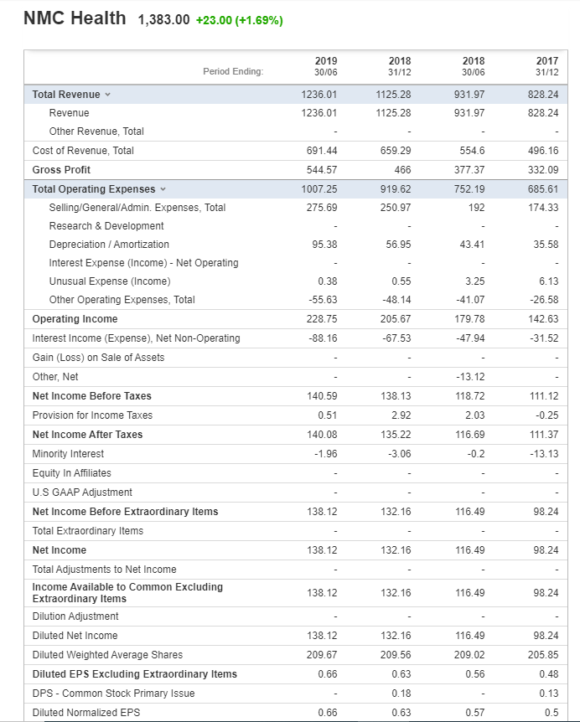
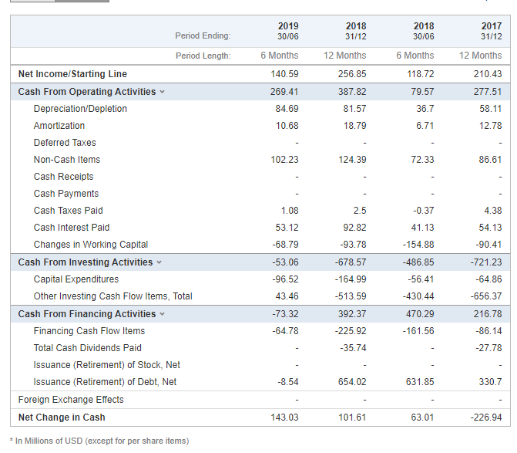
The discounted cash flow (DCF) model is a commonly used valuation method to determine a company's intrinsic value. |  |  |  |  |  |  |  |  |  |  |  | Balance sheet |  |  |  |  | Explan
The DCF model uses a company's free cash flow and the weighted average cost of capital (WACC). |  |  |  |  |  |  |  |  |  |  |  | Period Ending: | 2019 | 2018 | 2018 | 2017
WACC accounts for the time value of money and then discounts all its future cash flow back to the present day. |  |  |  |  |  |  |  |  |  |  |  |  | 44012 | 44196 | 44012 | 44196
Discounted cashflow model to calculate intrinsic value |  |  |  |  |  |  |  |  |  |  | ASSETS | Total Current Assets | 1510.79 | 1391.49 | 1323.9 | 1124.81
 |  |  |  |  |  |  |  |  |  |  |  | Cash and Short Term Investments | 574.15 | 491.18 | 432.62 | 387.61 | Invested in short term CD account (1m), holding stock for short amount of time, etc
NMC Health |  |  |  |  |  |  |  |  |  |  |  | Cash | 507.12 | 324.03 | 302.14 | 202 | Can immediately be turned into cash (bank, savings, etc) |  |  |  | all money flowing into the comparing by operating activities
source: yahoo finance |  |  |  |  |  |  |  |  |  |  |  | Cash & Equivalents | - | - | - | - | Can immediately be turned into cash (bank, savings, etc)
EPS ttm | 129 |  |  |  |  |  |  |  |  |  |  | Short Term Investments | 67.03 | 167.16 | 130.47 | 185.61 | Invested in short term CD account (1m), holding stock for short amount of time, etc
Growth rate | 35.00% |  |  |  |  |  |  |  |  |  | 1510.78 | Total Receivables, Net | 697.27 | 622.16 | 653.68 | 534.98 | anything they sold, but they havent been paid yet |  |  |  | Accounts receivable and accounts payable connect to balance sheet, is the number of cash still owed from customers and cash owed to other supplier, the cash flow results from how this is compared to the previous year.
Minimum Rate of return | 15.00% |  |  |  |  |  |  |  |  |  |  | Accounts Receivables - Trade, Net | 632.13 | 565.58 | 571.4 | 456.16 |  |  | How much does it cost to make the thing they are selling
Margin of Safety | 50.00% |  |  |  |  |  |  |  |  |  |  | Total Inventory | 214.86 | 247.31 | 208.64 | 181.33 | How much money they have in inventory, if low it indicates the company have good inventory management
P/E Ratio | 30.255 |  |  |  |  |  |  |  |  |  |  | Prepaid Expenses | 24.5 | 30.84 | 28.97 | 20.89
 |  |  |  |  |  |  |  |  |  |  |  | Other Current Assets, Total | - | - | - | - | anything that is a current asset but is not in the current category (too smal) |  | Invoicing, administration (salaries), etc costs money
 |  |  |  |  |  |  |  |  |  |  |  | Total Assets | 4981.26 | 3872.41 | 3632.93 | 2939.01 |  |  | Investment in innovation for future
 | 1 | 2 | 3 | 4 | 5 | 6 | 7 | 8 | 9 | 10 |  | Property/Plant/Equipment, Total - Net | 1531.45 | 829.9 | 712.83 | 607.09 | Any buildings, campuses, factories, facilities, equipment to make their own devicesetc |  |  |  | Changes in working capital = current assets - current liabilities on the balance sheet, money that the company need to operate
 | € 129.00 | € 129.00 | € 129.00 | € 129.00 | € 129.00 | € 129.00 | € 129.00 | € 129.00 | € 129.00 | € 129.00 |  | Property/Plant/Equipment, Total - Gross | 1921.44 | 1143.36 | 983.71 | 841.73 | Any buildings, campuses, factories, facilities, equipment to make their own devicesetc |  |  |  | Invested, should come from operating activities
 | € 3,902.90 | € 3,902.90 | € 3,902.90 | € 3,902.90 | € 3,902.90 | € 3,902.90 | € 3,902.90 | € 3,902.90 | € 3,902.90 | € 3,902.90 |  | Accumulated Depreciation, Total | -389.99 | -313.46 | -270.88 | -234.64 | Allocating cost over a physical asset in terms of the lifetime span, e.g. for machinery |  |  |  | Capital expenditures is probably something like inventory
 | € 1,951.45 |  |  |  |  |  |  |  |  |  |  | Goodwill, Net | 1442.23 | 1440.29 | 1382.82 | 1057.77 | How much the brand name has, what it is worth by itself, kind of an estimation that can change. |  |  |  | Probably investments in random assets. If this is a large positive number, they sold a lot of assets and shit is probably on its way
 |  |  |  |  |  |  |  |  |  |  |  | Intangibles, Net | 167.28 | 178.16 | 128.39 | 99.14 | You can not touch it, but it is an asset: patents, intellectual property, trademarks, copyright
Share price | 1383 |  |  |  |  |  |  |  |  |  |  | Long Term Investments | 318.57 | - | - | - | Could be stocks, CD account for 5 years
 |  |  |  |  |  |  |  |  |  |  |  | Note Receivable - Long Term | - | - | - | - |  |  | Interest on bank loans, etc |  | dividents = money flowing out of the company to shareholders.
 |  |  |  |  |  |  |  |  |  |  |  | Other Long Term Assets, Total | 10.94 | 32.57 | 85 | 50.2
 |  |  |  |  |  |  |  |  |  |  |  | Other Assets, Total | - | - | - | - |  |  |  |  | Negative number means they are buying back shares, which is good as it makes the shares the shareholder owns worth more
 |  |  |  |  |  |  |  |  |  |  | LIABILITIES | Total Current Liabilities | 887.74 | 960.06 | 836.98 | 703.76 |  |  |  |  | Positive number means they are taking on debt.
 |  |  |  |  |  |  |  |  |  |  |  | Accounts Payable | 24.52 | 47.74 | 25.26 | 28.47 | Any bills they have to pay, that have not yet been paid
 |  |  |  |  |  |  |  |  |  |  |  | Payable/Accrued | 267.43 | 317.59 | 241.27 | 209.47
 |  |  |  |  |  |  |  |  |  |  |  | Accrued Expenses | 8.53 | 6.55 | 8.38 | 6.91
 |  |  |  |  |  |  |  |  |  |  |  | Notes Payable/Short Term Debt | 190.35 | 168.95 | 197.31 | 207.03 | Debt that has to be dealth with soon (3 months ?)
 |  |  |  |  |  |  |  |  |  |  |  | Current Port. of LT Debt/Capital Leases | 293.28 | 381.6 | 275.71 | 204.15 |  |  |  | Cash from operating activities should go up
 |  |  |  |  |  |  |  |  |  |  |  | Other Current liabilities, Total | 103.64 | 37.64 | 89.05 | 47.73 |  |  |  | Investing activity consistent is probably good.
 |  |  |  |  |  |  |  |  |  |  |  | Total Liabilities | 3586.3 | 2568.63 | 2460.06 | 1849.29
 |  |  |  |  |  |  |  |  |  |  |  | Total Long Term Debt | 2318.44 | 1446.84 | 1493.19 | 987.84 | Debt that is due probably at least 1 year ahead |  | Money lost due to weird circumstances (flooded building, etc)
 |  |  |  |  |  |  |  |  |  |  |  | Long Term Debt | 1653.26 | 1443.84 | 1493.19 | 987.84 | Debt that is due probably at least 1 year ahead
 |  |  |  |  |  |  |  |  |  |  |  | Capital Lease Obligations | 665.19 | 3 | - | -
 |  |  |  |  |  |  |  |  |  |  |  | Deferred Income Tax | 17.56 | 17.75 | 8.3 | 9.69
 |  |  |  |  |  |  |  |  |  |  |  | Minority Interest | 294.02 | 52.98 | 38.68 | 54.91 | Everyone that has a small stake in the company and have to be paid out
 |  |  |  |  |  |  |  |  |  |  |  | Other Liabilities, Total | 68.53 | 91 | 82.92 | 93.09
 |  |  |  |  |  |  |  |  |  |  |  | Total Equity | 1394.96 | 1303.78 | 1172.87 | 1089.72 | shareholders equity = Initially invested money + retained earnings (=net income after paying dividents)
 |  |  |  |  |  |  |  |  |  |  |  | Redeemable Preferred Stock, Total | - | - | - | -
 |  |  |  |  |  |  |  |  |  |  |  | Preferred Stock - Non Redeemable, Net | - | - | - | -
 |  |  |  |  |  |  |  |  |  |  |  | Common Stock, Total | 32.51 | 32.44 | 32.44 | 31.93
 |  |  |  |  |  |  |  |  |  |  |  | Additional Paid-In Capital | 640.95 | 633.74 | 633.49 | 492.63
 |  |  |  |  |  |  |  |  |  |  |  | Retained Earnings (Accumulated Deficit) | 661.16 | 575.64 | 441.7 | 559.76 | RE = Beginning Period RE + Net Income/Loss – Cash Dividends – Stock Dividends, used to reinvest in the company (machines, research, etc) to generate more profit later on.
 |  |  |  |  |  |  |  |  |  |  |  | Treasury Stock - Common | - | - | - | -
 |  |  |  |  |  |  |  |  |  |  |  | ESOP Debt Guarantee | - | - | - | -
 |  |  |  |  |  |  |  |  |  |  |  | Unrealized Gain (Loss) | - | - | - | - |  | Revenue & gross profits should go up
 |  |  |  |  |  |  |  |  |  |  |  | Other Equity, Total | 60.33 | 61.95 | 65.24 | 5.4
 |  |  |  |  |  |  |  |  |  |  |  | Total Liabilities & Shareholders' Equity | 4981.26 | 3872.41 | 3632.93 | 2939.01 | Assets-liabilities, how much is left
 |  |  |  |  |  |  |  |  |  |  |  | Total Common Shares Outstanding | 208.77 | 208.24 | 208.21 | 204.42
 |  |  |  |  |  |  |  |  |  |  |  | Total Preferred Shares Outstanding | - | - | - | -

 |  |  |  |  |  |  |  |  |  |  |  | What to pay attention to:
 |  |  |  |  |  |  |  |  |  |  |  | Cash and cash equiv
 |  |  |  |  |  |  |  |  |  |  |  | short term inv
 |  |  |  |  |  |  |  |  |  |  |  | long term inv
 |  |  |  |  |  |  |  |  |  |  |  | Subtract all, 3:1 or more, very good.
 |  |  |  |  |  |  |  |  |  |  |  | A lot of investments.
 |  |  |  |  |  |  |  |  |  |  |  | Equity is growing, business profit is going back in the business and generating value
 |  |  |  |  |  |  |  |  |  |  |  | Total current assets - total current liabilities, means positive working capital (2:1 + preferred, 1:1 okay))
 |  |  |  |  |  |  |  |  |  |  |  | Equity growth rate in balance sheet is very good estimate (#1 according to buffet).
 |  |  |  |  |  |  |  |  |  |  |  | Financial ratio analysis: debt to equity ratio provides insight in operational efficiency

 |  |  |  |  |  |  |  |  |  |  |  | 2.8B debt
 |  |  |  |  |  |  |  |  |  |  |  | debt / equity 165.90

