Modeled Flows
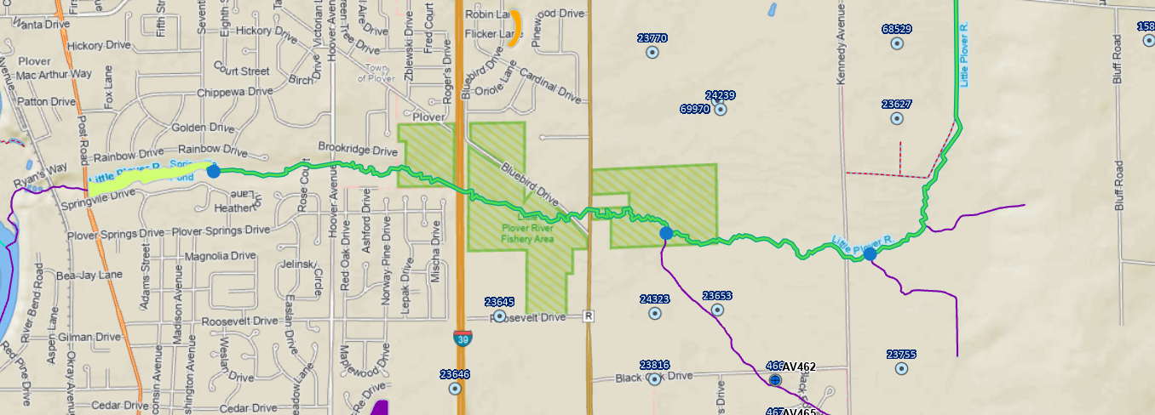
 | NCM at confluence w/ Springville Pond | NCM Between Kennedy Ave and Cty R | NCM upstream of Kennedy
AugQ50 | 8.55 | 0.74 | 0.31
ReachID | 200104299 | 200104013 | 200104042

