nodataPercent.csv
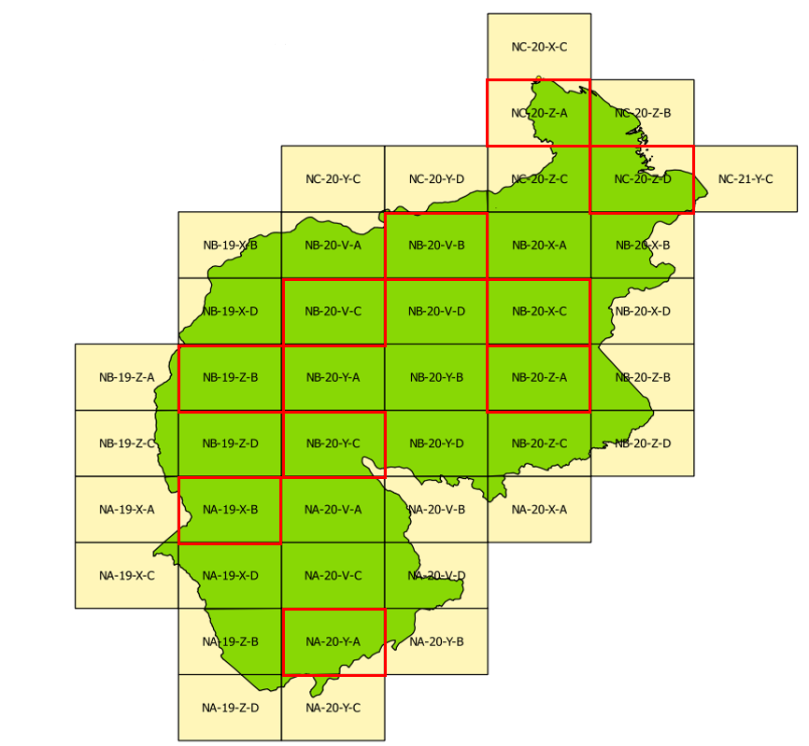
year | card | nodataPercent | sensor | initial_date | end_date
2000 | NA-19-X-B | 0.01 | L5-7 | 2000-01-01 | 2000-02-28
2001 | NA-19-X-B | 0.10 | L5-7 | 2001-01-01 | 2001-02-28
2002 | NA-19-X-B | 0.04 | L5-7 | 2002-01-01 | 2002-02-28
2003 | NA-19-X-B | 27.78 | L5-7 | 2003-01-01 | 2003-02-28
2004 | NA-19-X-B | 0.03 | L5-7 | 2004-01-01 | 2004-01-31
2005 | NA-19-X-B | 8.00 | L5-7 | 2005-01-01 | 2005-02-28
2006 | NA-19-X-B | 1.73 | L5-7 | 2006-01-01 | 2006-03-31
2007 | NA-19-X-B | 1.67 | L5-7 | 2007-01-01 | 2007-01-31
2008 | NA-19-X-B | 4.29 | L5-7 | 2008-01-01 | 2008-03-31
2009 | NA-19-X-B | 4.99 | L5-7 | 2009-09-01 | 2009-12-31
2010 | NA-19-X-B | 1.93 | L5-7 | 2010-01-01 | 2010-02-28
2011 | NA-19-X-B | 1.68 | L5-7 | 2011-07-01 | 2011-09-30
2012 | NA-19-X-B | 2018-12-05 | L5-7 | 2012-01-01 | 2012-02-29
2013 | NA-19-X-B | 2.26 | L5-7 | 2013-01-01 | 2013-04-30
2014 | NA-19-X-B | 5.80 | L8 | 2014-09-01 | 2014-10-31
2015 | NA-19-X-B | 5.99 | L8 | 2015-01-01 | 2015-02-28
2016 | NA-19-X-B | 21.78 | L8 | 2016-01-01 | 2016-04-30
2017 | NA-19-X-B | 23.72 | L8 | 2017-01-01 | 2017-03-30
2000 | NA-19-Z-B | 7.14 | L5-7 | 2000-01-01 | 2000-03-30
2001 | NA-19-Z-B | 0.05 | L5-7 | 2000-01-01 | 2000-03-30
2002 | NA-19-Z-B | 20.63 | L5-7 | 2000-01-01 | 2000-03-30
2003 | NA-19-Z-B | 2.18 | L5-7 | 2000-01-01 | 2000-03-30
2004 | NA-19-Z-B | 0.23 | L5-7 | 2000-01-01 | 2000-03-30
2005 | NA-19-Z-B | 5.62 | L5-7 | 2000-01-01 | 2000-03-30
2006 | NA-19-Z-B | 4.69 | L5-7 | 2000-01-01 | 2000-03-30
2007 | NA-19-Z-B | 0.12 | L5-7 | 2000-01-01 | 2000-03-30
2008 | NA-19-Z-B | 0.60 | L5-7 | 2000-01-01 | 2000-03-30
2009 | NA-19-Z-B | 0.70 | L5-7 | 2000-01-01 | 2000-03-30
2010 | NA-19-Z-B | 6.17 | L5-7 | 2000-01-01 | 2000-03-30
2011 | NA-19-Z-B | 0.95 | L5-7 | 2000-01-01 | 2000-03-30
2012 | NA-19-Z-B | 9.93 | L7 | 2000-01-01 | 2000-03-30
2013 | NA-19-Z-B | 8.91 | L8 | 2000-01-01 | 2000-03-30
2014 | NA-19-Z-B | 13.22 | L8 | 2000-01-01 | 2000-03-30
2015 | NA-19-Z-B | 2018-02-10 | L8 | 2000-01-01 | 2000-03-30
2016 | NA-19-Z-B | 6.91 | L8 | 2000-01-01 | 2000-03-30
2017 | NA-19-Z-B | 21.70 | L8 | 2000-01-01 | 2000-03-30
2000 | NA-20-Y-A | 1.56 | L5-7 | 2000-06-01 | 2000-09-30
2001 | NA-20-Y-A | 2018-06-05 | L5-7 | 2001-01-01 | 2001-01-31
2002 | NA-20-Y-A | 10.79 | L5-7 | 2002-01-01 | 2002-02-28
2003 | NA-20-Y-A | 20.25 | L5-7 | 2003-01-01 | 2003-02-28
2004 | NA-20-Y-A | 3.28 | L5-7 | 2004-01-01 | 2004-02-28
2005 | NA-20-Y-A | 14.57 | L5-7 | 2005-06-01 | 2005-09-30
2006 | NA-20-Y-A | 18.34 | L5-7 | 2006-11-01 | 2006-12-31
2007 | NA-20-Y-A | 4.72 | L5-7 | 2007-01-01 | 2007-02-28
2008 | NA-20-Y-A | 7.75 | L5-7 | 2008-08-01 | 2008-09-30
2009 | NA-20-Y-A | 10.79 | L5-7 | 2009-06-01 | 2009-08-31
2010 | NA-20-Y-A | 1.13 | L5-7 | 2010-06-01 | 2010-09-30
2011 | NA-20-Y-A | 10.26 | L5-7 | 2011-06-01 | 2011-08-31
2012 | NA-20-Y-A | 22.66 | L7 | 2012-06-01 | 2012-09-30
2013 | NA-20-Y-A | 2018-10-21 | L8 | 2013-01-01 | 2013-02-28
2014 | NA-20-Y-A | 21.96 | L8 | 2014-01-01 | 2014-02-28
2015 | NA-20-Y-A | 22.74 | L8 | 2015-01-01 | 2015-02-28
2016 | NA-20-Y-A | 52.91 | L8 | 2016-06-01 | 2016-09-30
2017 | NA-20-Y-A | 29.38 | L8 | 2017-01-01 | 2017-04-30
2000 | NB-20-V-B | 20.69 | L5-7 | 2000-06-01 | 2000-09-30
2001 | NB-20-V-B | 16.71 | L5-7 | 2001-07-01 | 2001-10-31
2002 | NB-20-V-B | 27.55 | L5-7 | 2002-06-01 | 2002-11-30
2003 | NB-20-V-B | 10.65 | L5-7 | 2003-07-01 | 2003-10-31
2004 | NB-20-V-B | 7.41 | L5-7 | 2004-08-01 | 2004-09-30
2005 | NB-20-V-B | 27.91 | L5-7 | 2005-06-01 | 2005-09-30
2006 | NB-20-V-B | 18.54 | L5-7 | 2006-08-01 | 2006-09-30
2007 | NB-20-V-B | 12.86 | L5-7 | 2007-07-01 | 2007-09-30
2008 | NB-20-V-B | 8.24 | L5-7 | 2008-07-01 | 2008-10-31
2009 | NB-20-V-B | 2.91 | L5-7 | 2009-08-01 | 2009-10-31
2010 | NB-20-V-B | 28.55 | L5-7 | 2010-06-01 | 2010-09-30
2011 | NB-20-V-B | 16.84 | L5-7 | 2011-09-01 | 2011-09-30
2012 | NB-20-V-B | 8.53 | L7 | 2012-09-01 | 2012-09-30
2013 | NB-20-V-B | 12.55 | L8 | 2013-07-01 | 2013-10-31
2014 | NB-20-V-B | 15.63 | L8 | 2014-09-01 | 2014-12-31
2015 | NB-20-V-B | 18.66 | L8 | 2015-08-01 | 2015-09-30
2016 | NB-20-V-B | 6.17 | L8 | 2016-06-01 | 2016-09-30
2017 | NB-20-V-B | 30.89 | L8 | 2017-01-01 | 2017-04-30
2000 | NB-20-V-C | 11.94 | L5-7 | 2000-07-01 | 2000-09-30
2001 | NB-20-V-C | 29.79 | L5-7 | 2001-07-01 | 2001-09-30
2002 | NB-20-V-C | 59.67 | L5-7 | 2002-07-01 | 2002-09-30
2003 | NB-20-V-C | 37.42 | L5-7 | 2003-01-01 | 2003-02-28
2004 | NB-20-V-C | 8.23 | L5-7 | 2004-08-01 | 2004-09-30
2005 | NB-20-V-C | 1.81 | L5-7 | 2005-08-01 | 2005-09-30
2006 | NB-20-V-C | 48.67 | L5-7 | 2006-08-01 | 2006-09-30
2007 | NB-20-V-C | 25.43 | L5-7 | 2007-06-01 | 2007-09-30
2008 | NB-20-V-C | 2018-05-30 | L5-7 | 2008-06-01 | 2008-09-30
2009 | NB-20-V-C | 28.47 | L5-7 | 2009-07-01 | 2009-09-30
2010 | NB-20-V-C | 16.57 | L5-7 | 2010-07-01 | 2010-09-30
2011 | NB-20-V-C | 18.00 | L5-7 | 2011-06-01 | 2011-09-30
2012 | NB-20-V-C | 68.91 | L7 | 2012-06-01 | 2012-09-30
2013 | NB-20-V-C | 39.69 | L8 | 2013-06-01 | 2013-09-30
2014 | NB-20-V-C | 49.59 | L8 | 2014-01-01 | 2014-02-28
2015 | NB-20-V-C | 33.52 | L8 | 2015-06-01 | 2015-09-30
2016 | NB-20-V-C | 25.65 | L8 | 2016-06-01 | 2016-09-30
2017 | NB-20-V-C | 23.36 | L8 | 2017-01-01 | 2017-04-30
2000 | NB-20-X-C | 2.47 | L5-7 | 2000-08-01 | 2000-10-30
2001 | NB-20-X-C | 19.25 | L5-7 | 2000-08-01 | 2000-10-30
2002 | NB-20-X-C | 2018-05-10 | L5-7 | 2000-08-01 | 2000-10-30
2003 | NB-20-X-C | 3.37 | L5-7 | 2000-08-01 | 2000-10-30
2004 | NB-20-X-C | 2018-12-01 | L5-7 | 2000-08-01 | 2000-10-30
2005 | NB-20-X-C | 2018-09-01 | L5-7 | 2000-08-01 | 2000-10-30
2006 | NB-20-X-C | 2018-08-05 | L5-7 | 2000-08-01 | 2000-10-30
2007 | NB-20-X-C | 8.33 | L5-7 | 2000-08-01 | 2000-10-30
2008 | NB-20-X-C | 2.41 | L5-7 | 2000-08-01 | 2000-10-30
2009 | NB-20-X-C | 6.40 | L5-7 | 2000-08-01 | 2000-10-30
2010 | NB-20-X-C | 31.39 | L5-7 | 2000-08-01 | 2000-10-30
2011 | NB-20-X-C | 4.76 | L5-7 | 2000-08-01 | 2000-10-30
2012 | NB-20-X-C | 15.92 | L7 | 2000-08-01 | 2000-10-30
2013 | NB-20-X-C | 7.89 | L8 | 2000-08-01 | 2000-10-30
2014 | NB-20-X-C | 15.47 | L8 | 2000-08-01 | 2000-10-30
2015 | NB-20-X-C | 12.25 | L8 | 2000-08-01 | 2000-10-30
2016 | NB-20-X-C | 4.54 | L8 | 2000-08-01 | 2000-10-30
2017 | NB-20-X-C | 2018-11-25 | L8 | 2000-08-01 | 2000-10-30
2000 | NB-20-Y-C | 10.60 | L5-7 | 2000-07-01 | 2000-10-31
2001 | NB-20-Y-C | 2.87 | L5-7 | 2001-11-01 | 2001-12-31
2002 | NB-20-Y-C | 33.86 | L5-7 | 2002-11-01 | 2002-12-31
2003 | NB-20-Y-C | 5.42 | L5-7 | 2003-01-01 | 2003-02-28
2004 | NB-20-Y-C | 2018-08-03 | L5-7 | 2004-09-01 | 2004-09-30
2005 | NB-20-Y-C | 12.96 | L5-7 | 2005-08-01 | 2005-11-30
2006 | NB-20-Y-C | 19.63 | L5-7 | 2006-11-01 | 2006-12-31
2007 | NB-20-Y-C | 13.63 | L5-7 | 2007-01-01 | 2007-02-28
2008 | NB-20-Y-C | 10.85 | L5-7 | 2008-07-01 | 2008-09-30
2009 | NB-20-Y-C | 1.28 | L5-7 | 2009-08-01 | 2009-09-30
2010 | NB-20-Y-C | 14.72 | L5-7 | 2010-07-01 | 2010-10-31
2011 | NB-20-Y-C | 9.96 | L5-7 | 2011-08-01 | 2011-09-30
2012 | NB-20-Y-C | 10.79 | L7 | 2012-11-01 | 2012-12-31
2013 | NB-20-Y-C | 16.77 | L8 | 2013-01-01 | 2013-02-28
2014 | NB-20-Y-C | 24.56 | L8 | 2014-01-01 | 2014-02-28
2015 | NB-20-Y-C | 12.76 | L8 | 2015-08-01 | 2015-09-30
2016 | NB-20-Y-C | 4.23 | L8 | 2016-08-01 | 2016-10-31
2017 | NB-20-Y-C | 24.56 | L8 | 2017-01-01 | 2017-04-30
2000 | NB-20-Z-A | 0.39 | L5-7 | 2000-09-01 | 2000-12-31
2001 | NB-20-Z-A | 0.37 | L5-7 | 2001-01-01 | 2001-03-31
2002 | NB-20-Z-A | 6.16 | L5-7 | 2002-08-01 | 2002-10-31
2003 | NB-20-Z-A | 17.17 | L5-7 | 2003-08-01 | 2003-09-30
2004 | NB-20-Z-A | 5.82 | L5-7 | 2004-08-01 | 2004-09-30
2005 | NB-20-Z-A | 0.08 | L5-7 | 2005-01-01 | 2005-03-31
2006 | NB-20-Z-A | 18.27 | L5-7 | 2006-08-01 | 2006-09-30
2007 | NB-20-Z-A | 2018-03-02 | L5-7 | 2007-01-01 | 2007-02-28
2008 | NB-20-Z-A | 8.74 | L5-7 | 2008-08-01 | 2008-09-30
2009 | NB-20-Z-A | 2.58 | L5-7 | 2009-01-01 | 2009-02-28
2010 | NB-20-Z-A | 2018-05-06 | L5-7 | 2010-01-01 | 2010-03-31
2011 | NB-20-Z-A | 24.59 | L5-7 | 2011-07-01 | 2011-09-30
2012 | NB-20-Z-A | 25.21 | L7 | 2012-07-01 | 2012-09-30
2013 | NB-20-Z-A | 21.50 | L8 | 2013-01-01 | 2013-01-31
2014 | NB-20-Z-A | 25.20 | L8 | 2014-07-01 | 2014-09-30
2015 | NB-20-Z-A | 11.93 | L8 | 2015-01-01 | 2015-02-28
2016 | NB-20-Z-A | 14.67 | L8 | 2016-01-01 | 2016-03-31
2017 | NB-20-Z-A | 24.16 | L8 | 2017-01-01 | 2017-03-31
2000 | NC-20-Z-A | 0.88 | L5-7 | 2000-09-01 | 2000-12-31
2001 | NC-20-Z-A | 19.23 | L5-7 | 2001-01-01 | 2001-04-30
2002 | NC-20-Z-A | 25.79 | L5-7 | 2002-09-01 | 2002-10-31
2003 | NC-20-Z-A | 20.18 | L5-7 | 2003-01-01 | 2003-04-30
2004 | NC-20-Z-A | 31.88 | L5-7 | 2004-09-01 | 2004-10-31
2005 | NC-20-Z-A | 14.82 | L5-7 | 2005-01-01 | 2005-04-30
2006 | NC-20-Z-A | 46.28 | L5-7 | 2006-10-01 | 2006-12-31
2007 | NC-20-Z-A | 30.18 | L5-7 | 2007-01-01 | 2007-02-28
2008 | NC-20-Z-A | 29.83 | L5-7 | 2008-08-01 | 2008-10-31
2009 | NC-20-Z-A | 38.93 | L5-7 | 2009-11-01 | 2009-12-31
2010 | NC-20-Z-A | 39.44 | L5-7 | 2010-01-01 | 2010-03-31
2011 | NC-20-Z-A | 36.59 | L5-7 | 2011-08-01 | 2011-09-30
2012 | NC-20-Z-A | 41.81 | L7 | 2012-01-01 | 2012-02-28
2013 | NC-20-Z-A | 22.58 | L8 | 2013-08-01 | 2013-09-30
2014 | NC-20-Z-A | 18.35 | L8 | 2014-08-01 | 2014-09-30
2015 | NC-20-Z-A | 23.83 | L8 | 2015-01-01 | 2015-02-28
2016 | NC-20-Z-A | 4.80 | L8 | 2016-08-01 | 2016-10-31
2017 | NC-20-Z-A | 15.24 | L8 | 2017-01-01 | 2017-03-31
2000 | NC-20-Z-D | 12.59 | L5-7 | 2000-08-01 | 2000-10-31
2001 | NC-20-Z-D | 36.87 | L5-7 | 2001-08-01 | 2001-11-30
2002 | NC-20-Z-D | 31.69 | L5-7 | 2002-08-01 | 2002-11-30
2003 | NC-20-Z-D | 48.57 | L5-7 | 2003-01-01 | 2003-03-30
2004 | NC-20-Z-D | 35.63 | L5-7 | 2004-08-01 | 2004-11-30
2005 | NC-20-Z-D | 44.13 | L5-7 | 2005-01-01 | 2005-04-30
2006 | NC-20-Z-D | 36.47 | L5-7 | 2006-08-01 | 2006-11-30
2007 | NC-20-Z-D | 20.87 | L5-7 | 2007-01-01 | 2007-04-30
2008 | NC-20-Z-D | 41.93 | L5-7 | 2008-08-01 | 2008-11-30
2009 | NC-20-Z-D | 47.37 | L5-7 | 2009-01-01 | 2009-04-30
2010 | NC-20-Z-D | 30.33 | L5-7 | 2010-08-01 | 2010-10-30
2011 | NC-20-Z-D | 14.24 | L5-7 | 2011-08-01 | 2011-10-30
2012 | NC-20-Z-D | 12.80 | L7 | 2012-08-01 | 2012-10-30
2013 | NC-20-Z-D | 3.40 | L8 | 2013-08-01 | 2013-10-30
2014 | NC-20-Z-D | 2018-10-10 | L8 | 2014-08-01 | 2014-10-30
2015 | NC-20-Z-D | 7.42 | L8 | 2015-08-01 | 2015-10-30
2016 | NC-20-Z-D | 9.98 | L8 | 2016-08-01 | 2016-10-30
2017 | NC-20-Z-D | 33.15 | L8 | 2017-01-01 | 2017-03-31

