Hoja1
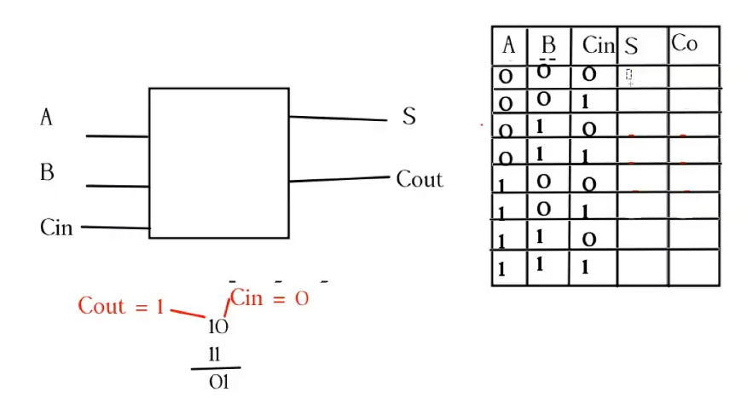
$$S=\overline{AB}C_{in}+ A\overline{B}C_{in}+\overline{A}BC_{in}+ABC_{in}$$
A | B | Cin | S | Cout
0 | 0 | 0 | 0 | 0
0 | 0 | 1 | 1 | 0
0 | 1 | 0 | 1 | 0
$$C_{out}=\overline{A}BC_{in}+ \overline{A}B\overline{C_{in}}+AB\overline{C_{in}}+ABC_{in}$$
0 | 1 | 1 | 0 | 1
1 | 0 | 0 | 1 | 0
1 | 0 | 1 | 0 | 1
1 | 1 | 0 | 0 | 1
1 | 1 | 1 | 1 | 1

