Sheet1
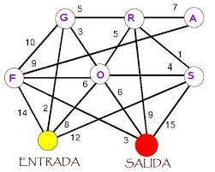
2
0
1
 | 0 | 1 | 2 | 3 | 4 | 5 | 6 | 7
0 | 0 | 5 | 0 | 10 | 3 | 0 | 2 | 0
1 | 5 | 0 | 7 | 0 | 5 | 1 | 0 | 9
3
4
5
2 | 0 | 7 | 0 | 9 | 0 | 0 | 0 | 0
3 | 10 | 0 | 9 | 0 | 6 | 0 | 14 | 3
4 | 3 | 5 | 0 | 6 | 0 | 4 | 6 | 6
5 | 0 | 1 | 0 | 0 | 4 | 0 | 12 | 15
6
6 | 2 | 0 | 0 | 14 | 6 | 8 | 0 | 0
7
7 | 0 | 9 | 0 | 3 | 6 | 15 | 0 | 0

