DA
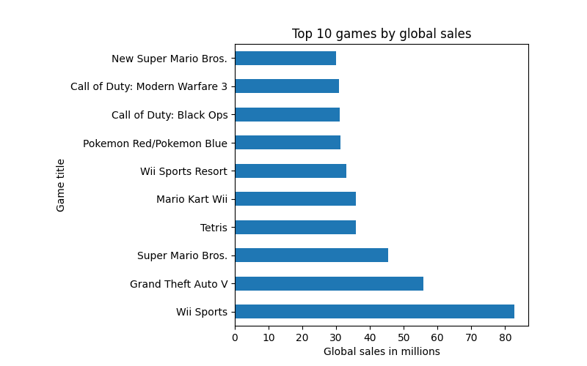
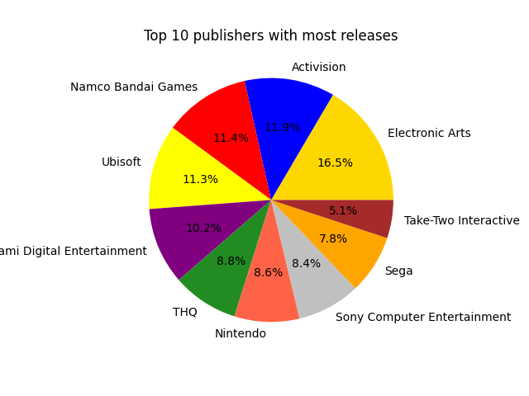
Global Video Game Sales Analytics
Sales in millions of copies sold by platform (Top 15)
Platform | NA_Sales | EU_Sales | JP_Sales | Other_Sales
X360 | 601.05 | 280.58 | 12.43 | 85.54
PS2 | 583.84 | 339.29 | 139.2 | 193.44
Wii | 507.71 | 268.38 | 69.35 | 80.61
PS3 | 392.26 | 343.71 | 79.99 | 141.93
DS | 390.71 | 194.65 | 175.57 | 60.53
PS | 336.51 | 213.6 | 139.82 | 40.91
GBA | 187.54 | 75.25 | 47.33 | 7.73
XB | 186.69 | 60.95 | 1.38 | 8.72
N64 | 139.02 | 41.06 | 34.22 | 4.38
GC | 133.46 | 38.71 | 21.58 | 5.18
NES | 125.94 | 21.15 | 98.65 | 5.31
GB | 114.32 | 47.82 | 85.12 | 8.2
PSP | 108.99 | 68.25 | 76.79 | 42.19
PS4 | 96.8 | 123.7 | 14.3 | 43.36
PC | 93.28 | 139.68 | 0.17 | 24.86

Sales in millions of copies sold by Genre
Genre | NA_Sales | EU_Sales | JP_Sales | Other_Sales
Action | 877.83 | 525 | 159.95 | 187.38
Sports | 683.35 | 376.85 | 135.37 | 134.97
Shooter | 582.6 | 313.27 | 38.28 | 102.69
Platform | 447.05 | 201.63 | 130.77 | 51.59
Misc | 410.24 | 215.98 | 107.76 | 75.32
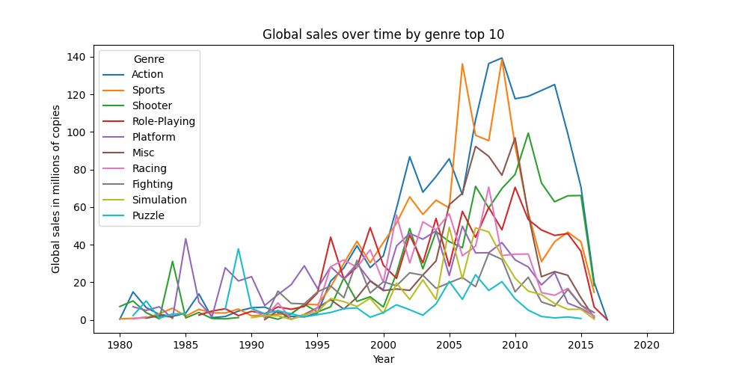
Racing | 359.42 | 238.39 | 56.69 | 77.27
Role-Playing | 327.28 | 188.06 | 352.31 | 59.61
Fighting | 223.59 | 101.32 | 87.35 | 36.68
Simulation | 183.31 | 113.38 | 63.7 | 31.52
Puzzle | 123.78 | 50.78 | 57.31 | 12.55
Adventure | 105.8 | 64.13 | 52.07 | 16.81
Strategy | 68.7 | 45.34 | 49.46 | 11.36

Sales in millions of copies sold by publisher (Top 15)
Publisher | NA_Sales | EU_Sales | JP_Sales | Other_Sales
Nintendo | 816.87 | 418.74 | 455.42 | 95.33
Electronic Arts | 595.07 | 371.27 | 14.04 | 129.77
Activision | 429.7 | 215.53 | 6.54 | 75.34
Sony Computer Entertainment | 265.22 | 187.72 | 74.1 | 80.45
Ubisoft | 253.43 | 163.32 | 7.5 | 50.26
Take-Two Interactive | 220.49 | 118.14 | 5.83 | 55.24
THQ | 208.77 | 94.73 | 5.01 | 32.14
Microsoft Game Studios | 155.35 | 68.61 | 3.26 | 18.56
Atari | 110.04 | 27.12 | 10.71 | 9.01
Sega | 109.4 | 82 | 57.03 | 24.52
Konami Digital Entertainment | 92.16 | 69.69 | 91.3 | 30.31
Warner Bros. Interactive Entertainment | 81.18 | 53.12 | 1.04 | 18.56
Capcom | 78.59 | 39.22 | 68.08 | 14.84
Disney Interactive Studios | 71.34 | 34.64 | 0.56 | 13.18
Namco Bandai Games | 69.52 | 42.63 | 127.07 | 14.69

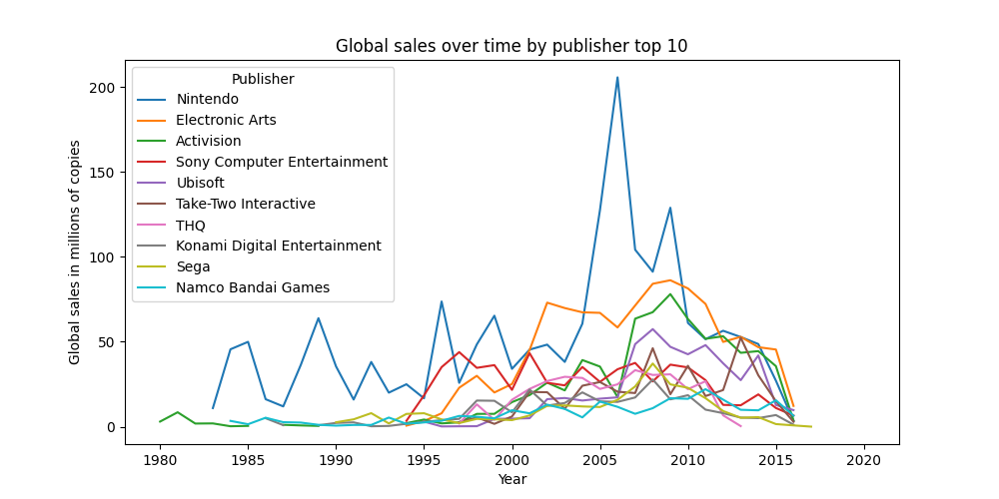
Sales in millions of copies sold by year
Year | NA_Sales | EU_Sales | JP_Sales | Other_Sales
2008 | 351.44 | 184.4 | 60.26 | 82.39
2009 | 338.85 | 191.59 | 61.89 | 74.77
2007 | 312.05 | 160.5 | 60.29 | 77.6
2010 | 304.24 | 176.73 | 59.49 | 59.9
2006 | 263.12 | 129.24 | 73.73 | 54.43
2005 | 242.61 | 121.94 | 54.28 | 40.58
2011 | 241.06 | 167.44 | 53.04 | 54.39
2004 | 222.59 | 107.32 | 41.65 | 47.29
2002 | 216.19 | 109.74 | 41.76 | 27.28
2003 | 193.59 | 103.81 | 34.2 | 26.01
2001 | 173.98 | 94.89 | 39.86 | 22.76
2012 | 154.96 | 118.78 | 51.74 | 37.82
2013 | 154.77 | 125.8 | 47.59 | 39.82
2014 | 131.97 | 125.65 | 39.46 | 40.02
1998 | 128.36 | 66.9 | 50.04 | 11.03

Sales in millions of copies sold by name (Top 15)
Name | NA_Sales | EU_Sales | JP_Sales | Other_Sales
Wii Sports | 41.49 | 29.02 | 3.77 | 8.46
Super Mario Bros. | 32.48 | 4.88 | 6.96 | 0.99
Duck Hunt | 26.93 | 0.63 | 0.28 | 0.47
Tetris | 26.17 | 2.95 | 6.03 | 0.69
Grand Theft Auto V | 23.46 | 23.04 | 1.39 | 8.03
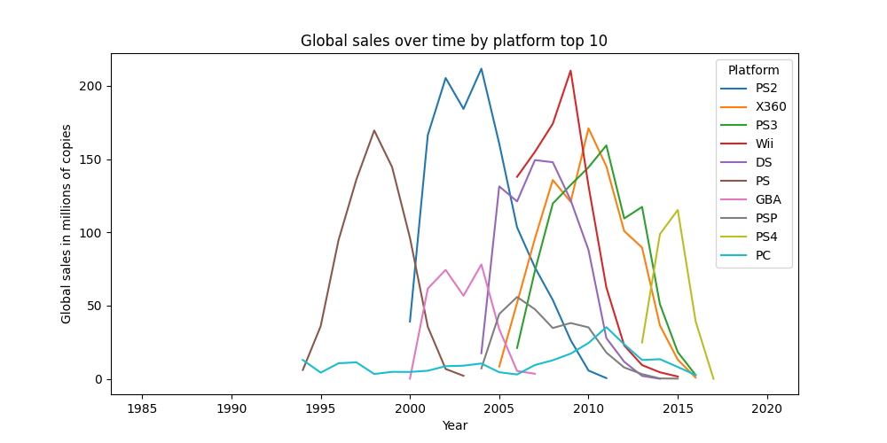
Call of Duty: Black Ops | 17.59 | 9.5 | 0.59 | 3.36
Super Mario World | 15.99 | 4.86 | 4.49 | 0.75
Mario Kart Wii | 15.85 | 12.88 | 3.79 | 3.31
Wii Sports Resort | 15.75 | 11.01 | 3.28 | 2.96
Call of Duty: Modern Warfare 3 | 15.58 | 11.29 | 0.62 | 3.35
Kinect Adventures! | 14.97 | 4.94 | 0.24 | 1.67
Call of Duty: Ghosts | 14.92 | 9.05 | 0.48 | 2.92
New Super Mario Bros. Wii | 14.59 | 7.06 | 4.7 | 2.26
Call of Duty: Black Ops II | 14.08 | 11.05 | 0.72 | 3.88
Wii Play | 14.03 | 9.2 | 2.93 | 2.85

