Compositions
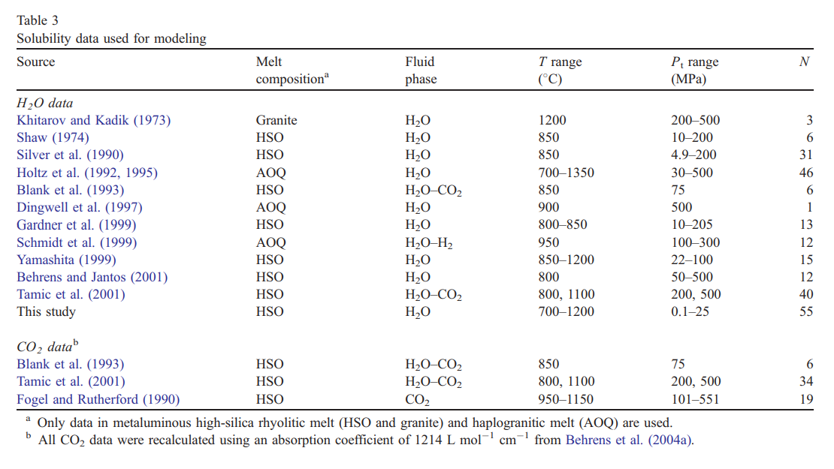

Khitarov and Kadik, 1973 - untraceable major element composition, back to soviet union publishing house
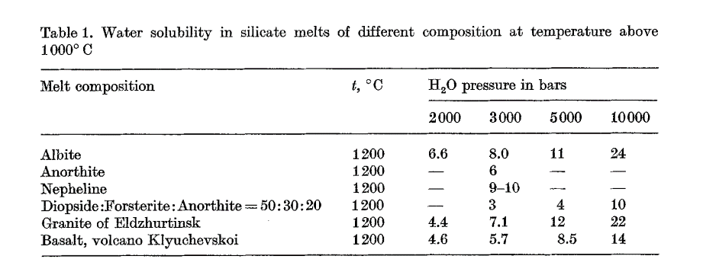

Only mention of granite links to this paper

Can’t find it anywhere

Shaw 1974 - p148 onwards in pdf I found at http://citeseerx.ist.psu.edu/viewdoc/download?doi=10.1.1.466.4437&rep=rep1&type=pdf#page=148. No obvious major element data

Silver et al. 1990 - Assumed just rhyolite composition, but could also include ANS
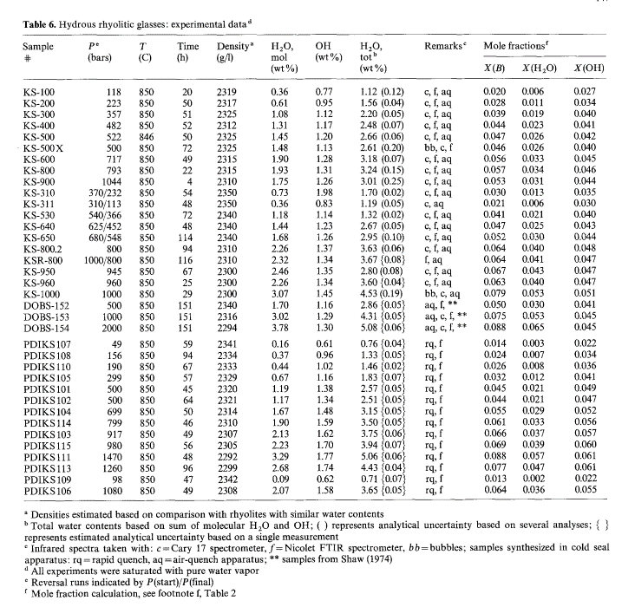
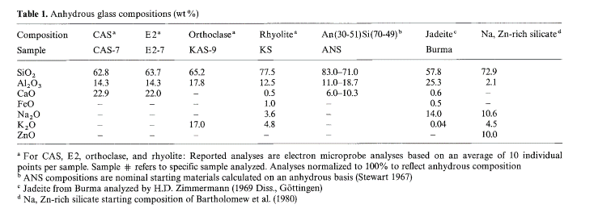

Holtz et al. 1992 - 1995
Liu et al say this in the paperp
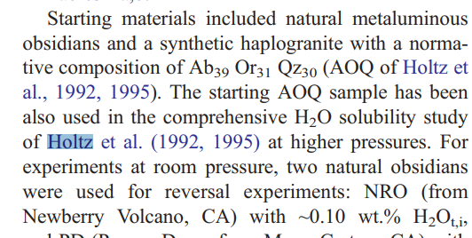
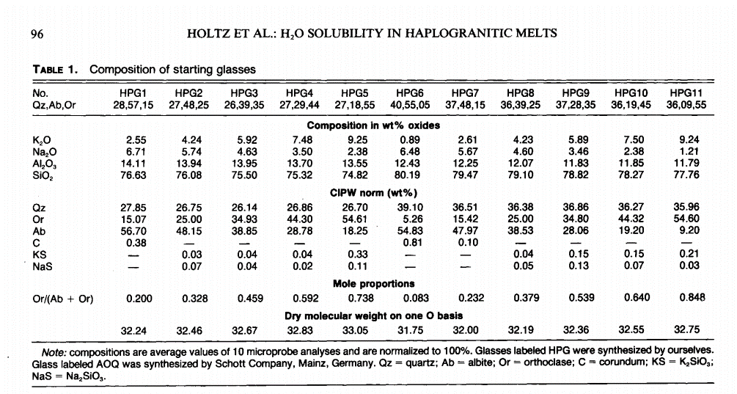

Holtz et al. 1995 give no composition, but at end of table in 1992, on next page, found AOQ composition


Blank et al. - Say that use Glass Buttes Extrusive dome - composition given in Dobson et al [34]

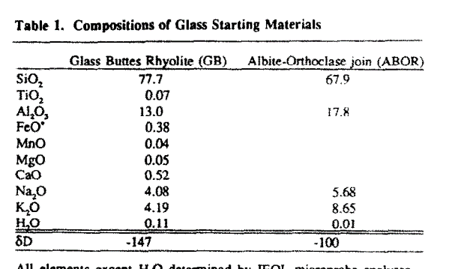

Dingwell et al. 1997 - Liu et al. say N=1, with P=500, T=900C. Say only include AOQ
Dingwell don't give a table of their compositions. Just say this

They say in methods "see composition above" but not composition given
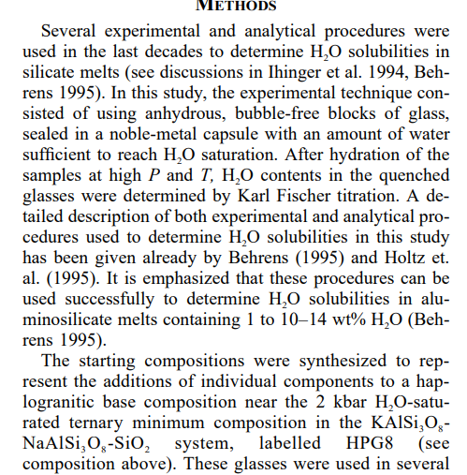

Gardner - Liu say they use "HSO" - what does this mean!
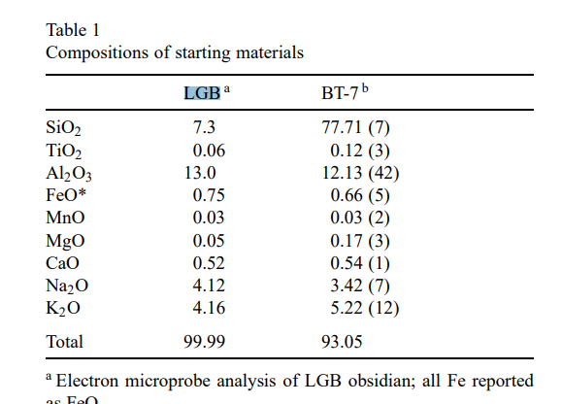

Fogel and Rutherford -CO2
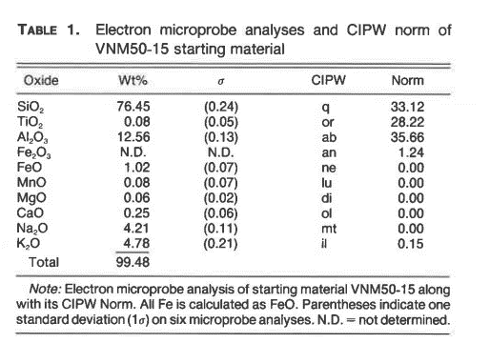

 | Experiment # | Duratoin (h) | P (bars) | Temp © | FCO2 (bars) | d (um) | ABS (2350 cm-1) | CO2 (ppmw) | CO2 (ppmm) | abs (3570 cm-1) | H2O (ppmw) | H2O (ppmm)
 | 134 | 69 | 1010 | 950 | 1315 | 146 | 0.43958 | 597 | 878 | 0.23667 | 1414 | 5079
 | 152 | 328 | 1510 | 950 | 2290 | 170 | 0.81413 | 950 | 1397 | 0.21891 | 1123 | 4036
 | 130 | 48 | 1993 | 950 | 3509 | 163 | 1.17733 | 1433 | 2095 | 0.4875 | 2608 | 9316
 | 111 | 15 | 504 | 1050 | 566 | 375 | 0.35583 | 188 | 277 | 0.48583 | 1130 | 4065
 | 123 | 46 | 1000 | 1050 | 1291 | 275 | 0.68083 | 491 | 722 | 0.405 | 1284 | 4615
 | 124 | 42 | 1500 | 1050 | 2241 | 248 | 0.996 | 797 | 1173 | 0.31917 | 1122 | 4033
 | 108 | 62 | 2025 | 1050 | 3531 | 160 | 0.98533 | 1221 | 1794 | 0.2475 | 1349 | 4842
 | 142 | 192 | 2040 | 1050 | 3572 | 195 | 1.14994 | 1170 | 1723 | 0.15819 | 707 | 2544
 | 128 | 43 | 2490 | 1050 | 4977 | 121 | 0.94375 | 1547 | 2268 | 0.256 | 1845 | 6607
 | 139 | 70 | 3529 | 1050 | 9545 | 157 | 1.595 | 2015 | 2948 | 0.40167 | 2231 | 7973
 | 153 | 96 | 4324 | 1050 | 14699 | 103 | 1.35357 | 2607 | 3815 | 0.22167 | 1877 | 6711
 | 153C$ | 96 | 4324 | 1050 | 14699 | 104 | 1.5032 | 2867 | 4195 | 0.21809 | 1829 | 6538
 | 145 | 96 | 5496 | 1050 | 25913 | 141 | 2.065 | 2905 | 4242 | 0.38683 | 2393 | 8536
 | 148 | 75 | 6612 | 1050 | 42862 | 100 | 1.87083 | 3711 | 5398 | 0.35938 | 3134 | 11137
 |  | 108 | 1000 | 1050 | 1291 | 169 | 0.51051 | 599 | 883 | 0.11383 | 587 | 2115
 | 136 | 36 | 2029 | 1150 | 3473 | 131 | 0.74333 | 1125 | 1657 | 0.10042 | 669 | 2407
 | 149 | 96 | 3487 | 1150 | 8941 | 136 | 1.2275 | 1790 | 2630 | 0.16667 | 1069 | 3838
 | 131 | 16 | 4500 | 1150 | 15192 | 174 | 2.05 | 2337 | 3432 | 0.20333 | 1019 | 3656
 | 147 | 77 | 5514 | 1150 | 24416 | 148 | 2.134 | 2860 | 4183 | 0.32604 | 1921 | 6864

