section-c
Remember | Easy | Very Important | Theory | CO1
Understand | Medium | Important | Application | CO2
Apply | Challenging | Normal |  | CO3
Analyse |  |  |  | CO4
Evaluate |  |  |  | CO5
Create |  |  |  | CO6

Module | Unit | Question Text | Taxonomy | Difficulty | Type | COS
1 | 2 | What is DBMS? Explain the different actors in DBMS. | Understand | Easy | Theory | CO1
1 | 3 | Explain the advantages of using the DBMS approach. | Understand | Easy | Theory | CO1
1 | 4 | Describe the three-schema architecture. Why do we need mappings between schema levels? | Analyse | Medium | Theory | CO1
1 | 5 | Briefly describe the various modules of DBMS and their interactions. | Understand | Challenging | Theory | CO1
1 | 5 | Explain the database system environment and modules. | Understand | Medium | Theory | CO1
1 | 5 | With a neat diagram, explain the DBMS component modules. | Understand | Medium | Theory | CO1
1 | 8 | Explain the ER model in detail. | Remember | Easy | Theory | CO1
1 | 8 | Illustrate the basic ER model concepts with a sample database application. | Create | Challenging | Application | CO1
1 | 8 | Briefly describe the initial conceptual design of the company database. | Create | Challenging | Application | CO1
1 | 9 | Explain the following a) Entity b) Relationship c) Weak entity set d) Recursive Relationship. | Remember | Easy | Theory | CO1
1 | 9 | Briefly describe the constraints for binary relationship types. | Understand | Medium | Theory | CO1
2 | 1 | Explain Relational database model in detail | Understand | Medium | Theory | CO1
2 | 1 | Briefly describe the Relational database model. | Understand | Medium | Theory | CO1
2 | 2 | Define the following terms as they apply to the relational model of data: domain, entity, attribute, relation schema, relation state, degree of a relation, relational database schema, and relational database state. | Remember | Easy | Theory | CO1
2 | 3 | Discuss the entity integrity and referential integrity constraints.Why is each considered important? | Analyse | Easy | Theory | CO1
2 | 4 | Explain the following relational algebra operators a) Unary relational operations b) Relational algebra operations from set theory. | Understand | Medium | Theory | CO2
2 | 6 | What is relational algebra? Explain different types of Join operators used in relational algebra. | Understand | Medium | Theory | CO2
2 | 7 | What is relation algebra? Explain generalized projections, aggregate functions and joins in relation algebra. | Understand | Easy | Theory | CO2
2 | 8 | Explain the seven step algorithm used for ER to relational mapping. | Apply | Medium | Application | CO2
2 | 8 | Explain how ER to relational mapping is performed with company database. | Apply | Medium | Application | CO2
3 | 1 | Explain DDL and DML statements in SQL. | Understand | Easy | Theory | CO3
3 | 6 | What is SQL? Explain the following statements in SQL a) JOIN b) LIKE c) ORDER BY d) GROUP BY e) HAVING. | Understand | Medium | Theory | CO3
3 | 4 | Create the following table: TABLE : DEPARTMENT a) Insert 3 records to the table. b) Delete all records having dept_name ‘BCA’ or ‘BBA’. c) Add new column ‘Place’ the table. d) Modify the size of Dept_Name to varchar(30) e) Drop the column ‘Place’ from the table. f) Drop the table. | Apply | Challenging | Application | CO3
3 | 3 |  Create the following table: TABLE : STUDENT a. Display the student details of students not having roll numbers 004-008. b. Display the student details of male students belonging to BCA department. c. Display the details of students belonging to ‘BCA’, ‘BBA’ and ‘BCOM’ using IN Clause. d. Display the department names. e. Display the details of students not belonging to BBA and BCA. | Apply | Challenging | Application | CO3
3 | 4 |  Create the following table: TABLE : STUDENT Write SQL queries for the following a. Insert 5 records in table. ( Roll No can start from 001, Few Names can start with A.) b. Update the contact Number of student with Roll_no 005 c. Display the data of female students in alphabetical order. d. Find the number of students having name starting with ‘A’. e. Display the student details with roll numbers 004-008. | Apply | Challenging | Application | CO3
3 | 3 |  Create the following table:TABLE: EMPLOYEE a) Insert 5 records to the table. b) Display the details of all employees having name starts with A. c) Display the details of all employees having name ends with A. d) Display the details of all employees having ‘os’ in any position of name. e) Display the details of all employees having ‘o’ in second position. f) Display the details of all employees having name starts with A and at least 4 characters in length. g) Display the details of all employees having name starts with J and ends with H | Apply | Challenging | Application | CO3
3 | 7 | 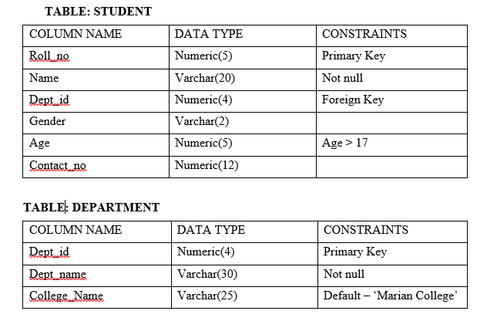 Create the following tables. a. Insert 5 records in each table b. Update the department name of deptid=103 to “ELECTRONICS” c. Display the departments names in its alphabetical order. d. Display the details of students in COMPUTER APPLICATION Department e. Display the roll no and name of students if there exists a department with Dept_name ‘Commerce’. | Apply | Challenging | Application | CO3
3 | 7 | 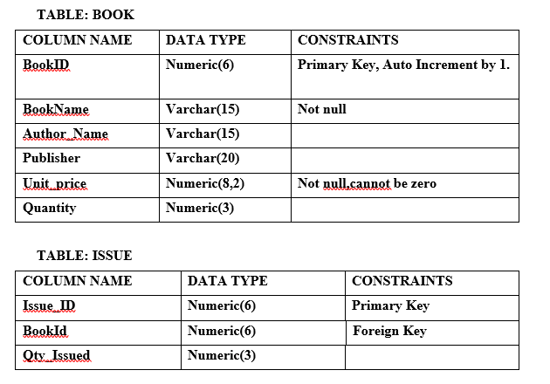 Create the following tables: Write SQL queries for the following: a. Insert 5 records in each table b. Increase the quantity of the book with name “Data Structures” by 10 c. Find the number of unique publishers d. Display the BookId, ,Book Name and Quantity issued for all books which are issued. e. Display the Book Name, Quantity as ‘ No of Books’ for all books having Unit_price greater than 200.00 Rs. f. Create a View on the BOOK Table | Apply | Challenging | Application | CO3
3 | 2 | 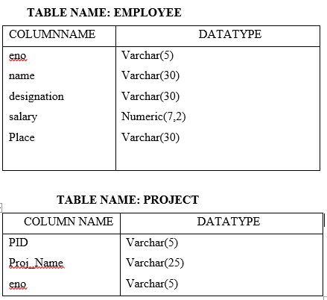 Create the following tables. a. Insert 5 record in each tables b. Increase the salary of all employees by 1500 c. Add the below constraints to the table EMPLOYEE. i) eno – Primary Key ii) Name – Not Null iii) Designation – Can be only the values - Trainee, Team Member, Team Head, Manager iv) Salary > 10000 v) Place – Default value ‘Bangalore’ d. d)Add the below constraints to the table PROJECT. i ) pid – Primary Key ii) eno – Foreign Key references eno in Employee. iii) Proj_Name - Unique | Apply | Challenging | Application | CO3
3 | 7 | 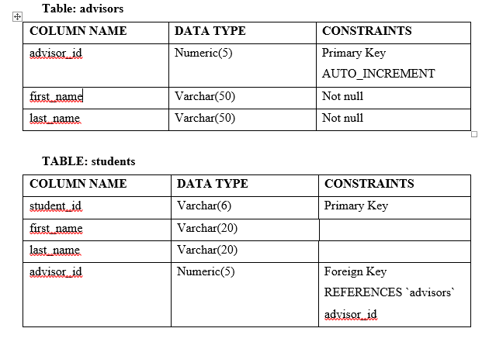 Create the following tables: a. Insert 5 record in each tables (not all students have an advisor, and not all advisors are assigned to students) b. Display the list of students and advisors, excluding students who are not assigned to advisors. c. Display the list of all students and their advisors. Student name should be displayed even if not assigned to an advisor. d. Display the list of all advisors and their assigned students. (Advisor should be listed even if a student is not assigned) e. Display the entire list of students and advisors. | Apply | Challenging | Application | CO3
3 | 6 | Create the following table: a) Insert 5 records to the table. b) Display the records having BookID 111, 112, 114 using IN Clause. c) Find the total price of the books in the shop. d) Find the average price of books in the shop. e) Display the maximum price of books in the shop. f) Display the minimum price of books in the shop. | Apply | Challenging | Application | CO3
3 | 6 | 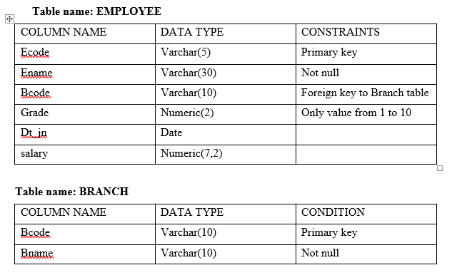 Create the following tables Create SQL Queries for the following: a. Insert 5 records in each table b. Update the grade of the employee with ecode=”e201” to 5 c. Display the maximum and minimum salary of each grade of employees d. Display the details of employees in the KOTTAYAM branch e. Display the average salary of each grade of employees. f. Display the count of employees in each grade. g. Display the total salary of employees in each grade. h. Create a view on the EMP table | Apply | Challenging | Application | CO3
3 | 7 | 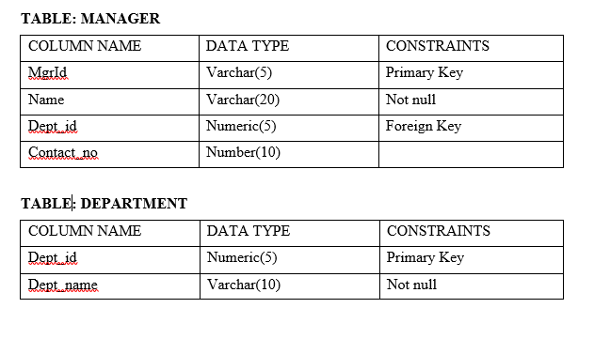 Create the following tables: Write SQL queries for the following. a. Insert 5 records in each table b. Update the contact number of Manager with id=’M201’ c. Find the number of departments d. Display the department names with the manager’s name e. Display the details of managers belonging to the department having dept-IDs between 101and 105. f. Create a view from MANAGER table. | Apply | Challenging | Application | C03
3 | 7 | 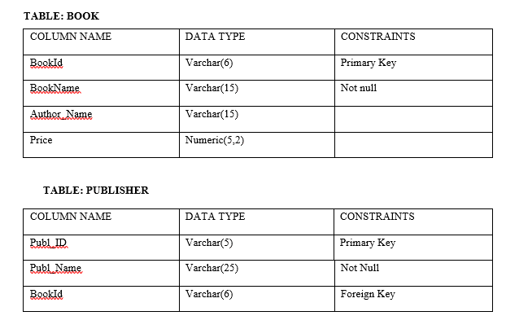 Create the following tables: Write SQL queries for the following a) Insert 5 records in each table b) Increase the price of all books of the author “MANO” by 250 c) Display the Average of price of the books based on each author. d) Display the book name, author name and publisher name by the publisher “PHI”. e) Display the Author_name and count of books by each author if the count is greater than 1. f) Display the details of books with price greater than the average book price g) Create a view on the PUBLISHER table. | Apply | Challenging | Application | CO3
3 | 7 | What is SQL? Explain aggregate function and join operation in SQL. | Understand | Easy | Theory | CO3
4 | 1 | Explain different informal guidelines used in database design. | Understand | Easy | Theory | CO4
4 | 2 | Explain functional dependency and normalization in detail. | Understand | Easy | Theory | CO4
4 | 5 | What is normalization? Explain 1 NF and 2 NF in detail. | Understand | Medium | Theory | CO4
4 | 6 | Consider the following relation for LOTS(country_name,LotNo,Area, Price, Tax_rate) The primary key is (country_name,lotNo). Suppose the following dependencies exist: country_name --> Taxrate and Area --> price. What normal form is the relation in? Explain your answer. Apply normalization until you cannot decompose the relation further. State the reasons behind each decomposition. | Analyse | Challenging | Application | CO4
4 | 7 | Differentiate 3 NF with BCNF. | Analyse | Medium | Theory | CO4
4 | 9 | Explain different types of single level ordered indexes. | Understand | Medium | Theory | CO4
4 | 9 | Differentiate between clustering index and secondary index. | Analyse | Medium | Theory | CO4
5 | 1 | Describe the various operations performed in transaction processing . | Understand | Easy | Theory | CO5
5 | 1 | What is transaction processing ? Explain in detail. | Understand | Medium | Theory | CO5
5 | 4 | Explain the database security in detail. | Understand | Medium | Theory | CO5
5 | 4 | What is the need of providing security to database? Explain. | Understand | Medium | Theory | CO5
5 | 6 | Discuss the key principals in Data protection | Analyse | Medium | Theory | CO5

