PAYMENT SCHEDULE
SCHEDULE OF PAYMENT


 |  |  |  |  |  |  |  |  |  |  | DATE |  |  | : | 2024/06/17
 |  |  |  |  |  |  |  |  |  |  | QUOTATION REF. # |  |  | : | HBI18555
 |  |  |  |  |  |  |  |  |  |  | SUBJECT |  |  | : | 12 meter Hammerhead RIB
 | ADVANCED COMPOSITE SYSTEMS, INC
 | Bldg. 202, Global Industrial Park
 | Subic Bay Freeport Zone, Phils.
 | www.hammerheadribs.com
 | Email : info@acs.com.ph
 | Tel. No. (047) 252-1695 |  |  |  |  |  |  |  |  |  | TO: |  | Chris

DESCRIPTION / REMARKS |  |  |  |  |  |  |  |  |  |  |  |  |  | TOTAL AMOUNT

 |  | A. | 12 meter Hammerhead RHIB |  |  |  | (Net of | 5 | % Discount NON-VAT) |  |  |  |  | ₱10,260,000.00
 |  | B. | Additional Accessories
 |  |  | > Navigational System |  |  |  |  |  |  |  |  |  |  | ₱516,734.74
 |  |  | > Windlass & Anchor System |  |  |  |  |  |  |  |  |  |  | ₱346,850.53
 |  |  | > Stainless Keel Guard |  |  |  |  |  |  |  |  |  |  | ₱45,714.29
 |  |  | > Stainless Ski Pole |  |  |  |  |  |  |  |  |  |  | ₱25,000.00
 |  |  | > Additional Light |  |  |  |  |  |  |  |  |  |  | ₱95,191.11
 |  |  | > Underwater Light System |  |  |  |  |  |  |  |  |  |  | ₱105,776.67
 |  |  | > Boat Cover Fabrication |  |  |  |  |  |  |  |  |  |  | ₱154,283.16
 |  |  | > Sound System |  |  |  |  |  |  |  |  |  |  | ₱106,894.74
 |  |  | > Head (Toilet) |  |  |  |  |  |  |  |  |  |  | ₱87,746.67
 |  |  | > Bow Thruster System |  |  |  |  |  |  |  |  |  |  | ₱477,188.89
 |  |  | > Bow Thruster Charging System |  |  |  |  |  |  |  |  |  |  | ₱44,770.00
 |  |  | > Break-In |  |  |  |  |  |  |  |  |  |  | ₱190,474.00
 |  | C. | > Galvanized Trailer |  | Mercury Verado TWIN 350HP Outboard Motor, 4stroke |  |  |  |  |  |  |  |  | ₱3,545,430.00 |  | 3,545,430.00
 |  | D. | Galvanized Trailer |  |  |  |  |  |  |  |  |  |  | ₱600,000.00 |  | 13,056,624.80
 |  | TOTAL DISCOUNTED PRICE - EX FACTORY SUBIC BAY |  |  |  |  |  |  |  |  |  |  |  | ₱16,602,054.80 |  | 16,602,054.80

 |  | PAYMENT SCHEDULE :
 |  | 1.) | Down Payment upon Confirmation (A)
 |  |  | 100 | % Boat, Accessories & Trailer |  |  |  |  |  | 13,056,624.80
 |  |  | 100 | % Engine |  |  |  |  |  | 3,545,430.00
 |  |  | Total Downpayment |  |  |  |  |  |  | ₱16,602,054.80

 |  | 2.) | Stage Payment (A)
 |  |  | 0 | % Boat, Accessories & Trailer |  |  |  |  |  | -
 |  |  | 0 | % Engine |  |  |  |  |  | -
 |  |  |  |  |  |  |  |  |  | ₱-

 |  | 3.) | Balance of the Engine (A)
 |  |  | 0 | % Boat, Accessories & Trailer |  |  |  |  |  | -
 |  |  | 0 | % Engine |  |  |  |  |  | -
 |  |  |  |  |  |  |  |  |  | ₱-

 |  | 4.) | Final Payment - Upon Completion (A)
 |  |  | 0 | % Boat, Accessories & Trailer |  |  |  |  |  | -
 |  |  | 0 | % Engine |  |  |  |  |  | -
 |  |  |  |  |  |  |  |  |  | ₱-

 |  | GRAND TOTAL |  |  |  |  |  |  |  | ₱16,602,054.80

 |  | DELIVERY SCHEDULE : A

 |  |  | BANK DETAILS:

 |  | ACCOUNT NAME |  |  | : | ADVANCED COMPOSITE SYSTEMS INC.
 |  | BANK |  |  | : | BDO, Subic Bay
 |  | ACCOUNT NO |  |  | : | 005 868 002 553 / PESO-Savings
 |  | SWIFT CODE |  |  | : | BNORPHMM

 |  | ACCOUNT NAME |  |  | : | ADVANCED COMPOSITE SYSTEMS INC.
 |  | BANK |  |  | : | Bank of the Philippine Islands, Subic Bay
 |  | ACCOUNT NO |  |  | : | 000693 0343 96 / PESO-Savings
 |  | SWIFT CODE |  |  | : | BOPIPHMM |  |  |  |  |  | CONFORME BY :

 |  | ACCOUNT NAME |  |  | : | ADVANCED COMPOSITE SYSTEMS INC.
 |  | BANK |  |  | : | Union Bank of the Philippines, Subic Bay
 |  | ACCOUNT NO |  |  | : | 001 42000 3851 / PESO-Savings
 |  | SWIFT CODE |  |  | : | UBPHPHMM |  |  |  |  |  | CLIENT NAME & SIGNATURE / DATE

QUOTATION
 |  |  |  |  |  |  | DATE |  | : | 2024/06/17
 | Bldg. 202, Global Industrial Park |  |  |  |  |  | Quotation No. |  | : | HBI18555
 | Subic Bay Freeport Zone, Phils. |  |  |  |  |  | Model |  | : | 12 meter Explorer
 | www.hammerheadribs.com |  |  |  |  |  | Contact |  | : | Mr. Angelo Olondriz
 | Email : info@acs.com.ph
Chris | Tel. No. (047) 252-1695 |  |  |  |  |  | Client |  | : | Mr. Ariel Dela Cruz
 |  |  |  |  |  |  | Email Add |  | : | octuc
 |  |  |  |  |  |  | Contact No. |  | : | yeeyee

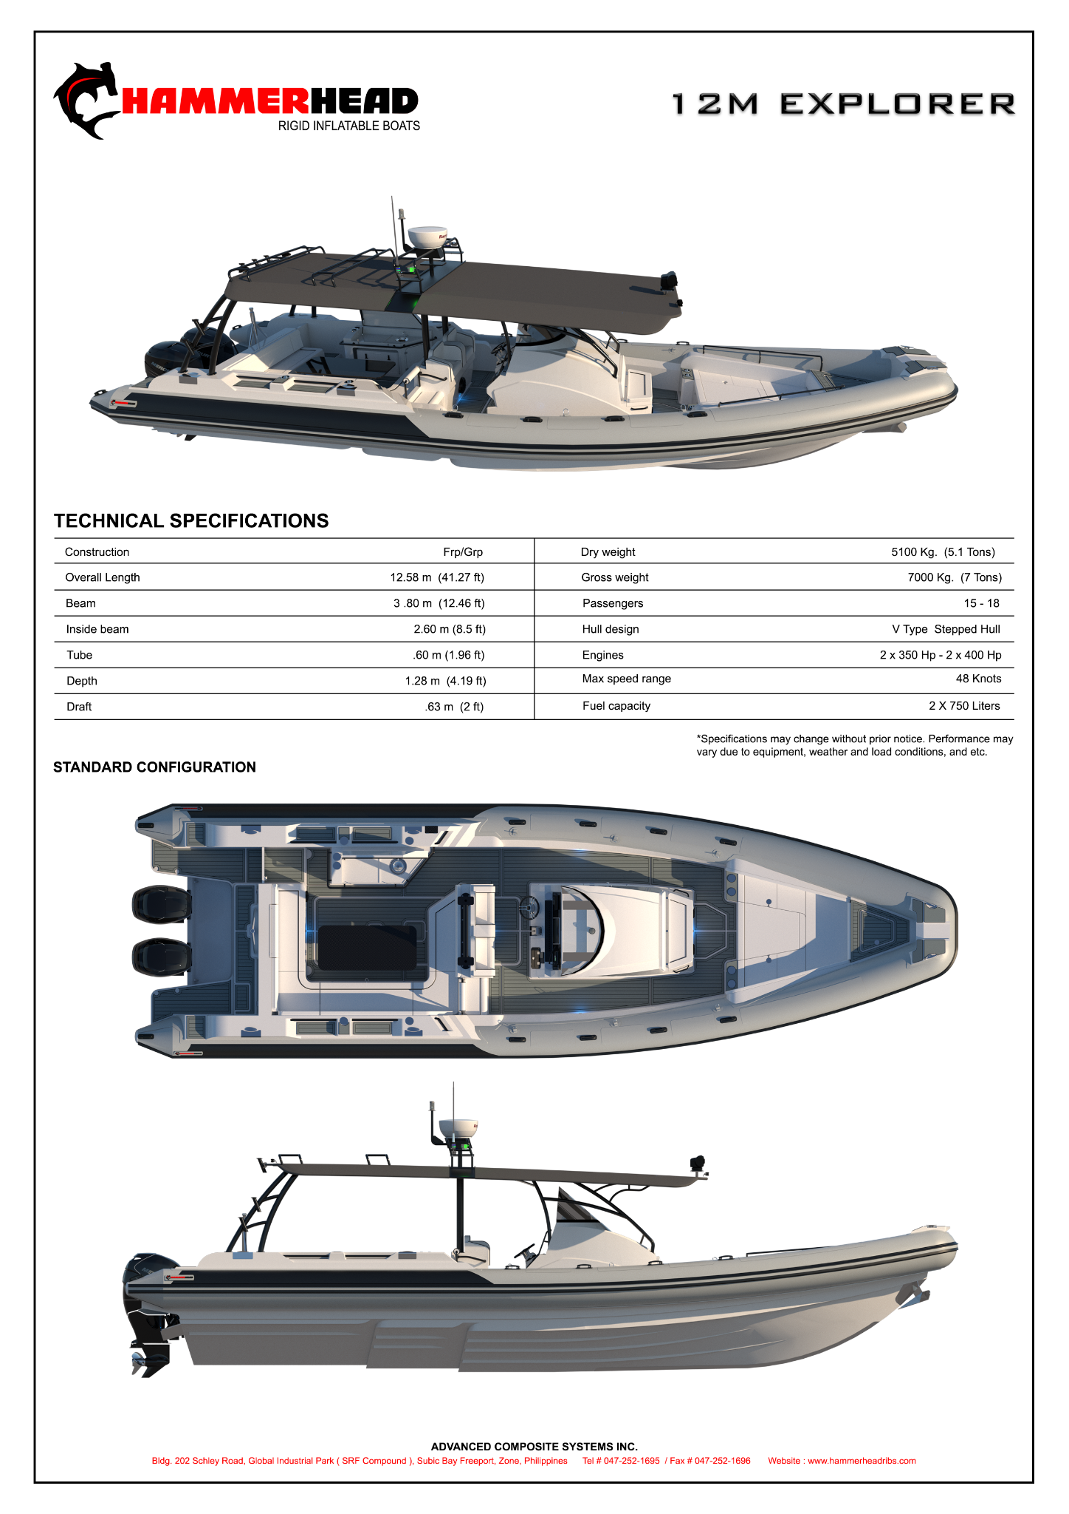

 |  | A. STANDARD SPECIFICATIONS
 |  | • | Hull and Deck
 |  |  | Divinycell foam core in Hull and Deck for strenght and weight saving laminated with multi-stitched cloth and epoxy resin; Molded
 |  |  | fiberglass sitffening grid

 |  | • | Helm Area
 |  |  | Composed of Control Switch Panel; Steering wheel Fantasy Luisi 355mm' 1x Flush-mount voyager compass (combidamp dial - black);
 |  |  | 2x stainless cup holder; 1x Glovebox; Windshield

 |  | • | Seat Cushion
 |  |  | Forward U-shape w/ 3x compartment; 1x removable sunbed; 1x forward helm seat; 3x pilot seat area; Cockpit U-shape area w/ 3x compartment
 |  |  | Made of US canvass foam and marine grade leatherette

 |  | • | Wet Bar
 |  |  | 1x Stainless steel sink w/ faucet; 1x Yeti Tundra Cooler; Removable carbon

 |  | • | Large Faux Teak Sheets for Flooring (6mm Thickness)
 |  |  | Modern brushed texture and exceptional non-skid qualities

 |  | • | Fuel System
 |  |  | 2x 750 liters Aluminum fuel tank; 2x Reed Switch Sending Unit, 18-1/2" Tank Depth; 2x Fuel filter element;
 |  |  | YPE 2 Vent/Fill Hose, 1-1/2" I.D,90 psi Pressure, 50 max legth; Type 1 Feed/Vent Hose, 5/8" I.D., '175 psi Pressure

 |  | • | Bilge System
 |  |  | 1100gph Automatic Bilge Pump, 3.4A @ 12V DC Draw, 1-1/8" Port

 |  | • | Battery System
 |  |  | 4x Amaron Battery with battery hold down trays; 3x 350A Compact Battery Switches; 2x DVSR; 2x Maxi fuse block for 30A to 80A loads
 |  |  | 2x PowerBar 600A, 4 Stud Circuits, 3/8" 16-16 Stud Size, 7"L x 2-1/4"H

 |  | • | Battery Charging System
 |  |  | 1x ProNautic 1230P Marine Charger, 12V30A; 2x Maxi Fuse Block for 30-80A Loads; 3x Maxi fuses 30amp

 |  | • | Navigational Lights
 |  |  | 1x Series 30 Fold-Down LED All-Round Navigation Pole Light; 1x NaviLED PRO Side Mount Port and Starboard Navigation Light
 |  |  | 1x Aurora LED Dome Lights 4" Diameter x 3/4" Height; 6x LED step lamp, blue; 12x Stainless Steel LED Accent Light, blue
 |  |  | 1x NaviLED PRO Side Mount Starboard Navigation Light

 |  | • | Boat Accessories & Fittings
 |  |  | 2x Gas strut, 12" compressed x 20" extended length, 90lb. Rating; Slam-latch hatch; Stainless twist lock handles; 4x catch cam action c/p
 |  |  | brass flat 95mm 3x S/s garboard drain plug; 1x transom ladder with 2x mounting (starboard and port area)

 |  | • | Trim Tab (Lenco Marine)
 |  |  | 1 set LENCO Marine Standard Mount Trim Tab Kit 12x12; LED indicator integrated Tactile All-In-One Switch Kit; 2x Trimtab actuator extension
 |  |  | harness 2x Zinc rudder and trimtab anodes

 |  | • | Shower Deck
 |  |  | Small Recessed Transom Shower; Fresh water tank with 400 liters capacity; 2.9gpm PAR Max Freshwater Pump, 12V, 4.4A Draw, 50psi

 |  | • | Navigational Equipment
 |  |  | ICOM M324 Fixed VHF Radio—Black; Mariner 4200 3' 3dB VHF Sailboat Antenna

 |  | • | Rubber Tube
 |  |  | Orca 866 Hypalon 1670dtex; Orca Rubrail Shark with 25mm thickness; Leafield marine D7 Inflation/deflation valve, A9 Pressure relief valve;
 |  |  | heavy duty D-Rings

 |  | • | Steel Works
 |  |  | Powder Coated Aluminum Full canopy with sunbrella cover' Alum grab handles at wet bar area, pilot seta and forward
 |  |  | 1x Aluminum Tow post; 7x fishing rod holders (3 canopy aft area, 2 A-frame starboard)
 |  |  | 2x Platform grab handles (Starboard & Port side)

 |  | SALES RETAIL PRICE (EX VAT) |  |  |  |  |  |  |  |  | ₱10,800,000.00
 |  | LESS : |  |  | 5 | % DISCOUNT |  |  |  |  | 540,000.00
 |  | TOTAL BASE BOAT PRICE |  |  |  |  |  |  |  |  | ₱10,260,000.00

 |  | B. OPTIONAL EQUIPMENT

 |  | ☒ |  | NAVIGATIONAL SYSTEM |  |  |  |  |  |  | ₱516,734.74
 |  |  |  | GPSMAP 8612xsv Multifunction Display with Sonar
 |  |  |  | Garmin GA 38 GPS/Glonass Antenna
 |  |  |  | Airmar B75 Thru-Hull CHIP Transducers
 |  |  |  | GMR 18 XHD Radome
 |  |  |  | Garmin VAE0054R

 |  | ☒ |  | WINDLASS & ANCHOR SYSTEM |  |  |  |  |  |  | ₱346,850.53
 |  |  |  | MAXWELL MARINE HRC 8 Windlass
 |  |  |  | Rope/Chain Anchor Rode Packages for Windlasses
 |  |  |  | Anchor plough cast S/s 15kg
 |  |  |  | Bow roller C/P brass with pin 250mmx39mm

 |  | ☒ |  | STAINLESS KEEL GUARD |  |  |  |  |  |  | ₱45,714.29

 |  | ☒ |  | STAINLESS SKI POLE |  |  |  |  |  |  | ₱25,000.00

 |  | ☒ |  | ADDITIONAL LIGHT |  |  |  |  |  |  | ₱95,191.11
 |  |  |  | 5 units Lumited Lighting CAPRERA LT bracket mounted LED Flood Light
 |  |  |  | 1 unit GOLIGHT Stryker LED Spotlight with handhel remote control

 |  | ☒ |  | UNDERWATER LIGHT SYSTEM |  |  |  |  |  |  | ₱105,776.67
 |  |  |  | 3 units SeaBlaze3 Underwater LED Light, Blue

 |  | ☒ |  | BOAT COVER FABRICATION |  |  |  |  |  |  | ₱154,283.16
 |  |  |  | Sunbrella Solcyrl material

 |  | ☒ |  | SOUND SYSTEM |  |  |  |  |  |  | ₱106,894.74
 |  |  |  | 6 units JBL Speaker 6.5"
 |  |  |  | 1600W D Class 5 channel marine amplifier
 |  |  |  | Signature series 10"450W subwoofer
 |  |  |  | True marine DVD/Receiver with fusion link

 |  | ☒ |  | HEAD (TOILET) |  |  |  |  |  |  | ₱87,746.67
 |  |  |  | Compact Marine Head
 |  |  |  | 90 liter Holding tank

 |  | ☒ |  | BOW THRUSTER SYSTEM |  |  |  |  |  |  | ₱477,188.89
 |  |  |  | BTQ 185-75 DC Bow Thruster -12V, 75kgf, 4kw
 |  |  |  | Bow Thruster Tunnel Length 1500mm
 |  |  |  | Joystick control panel
 |  |  |  | Harness 12 meter
 |  |  |  | 1x Amaron / Optima Battery D31M 12V Blue Top

 |  | ☒ |  | BOW THRUSTER CHARGING SYSTEM |  |  |  |  |  |  | ₱44,770.00
 |  |  |  | 1x Starting Isolation Dual Sensing Automatic Charging Relay
 |  |  |  | 2x ANL Fuse Block
 |  |  |  | 4x 100 Amp ANL Fuse

 |  | ☒ |  | BREAK-IN |  |  |  |  |  |  | ₱190,474.00
 |  |  |  | Break in Fuel and 20 hours PMS

 |  | C. ENGINE OPTION

 |  | ☒ |  | Mercury Verado TWIN 350HP Outboard Motor, 4stroke |  |  |  |  |  |  | ₱3,545,430.00
 |  |  |  | 5800-6400 RPM, In-line 6, 24-valve, DOHC, Super charged with charging air cooling
 |  |  |  | DTS Remote Control complete rigging kit ; Electro-hydraulic power steering completer; Upgraded Vessel view kit

 |  |  |  | Mercury Verado TWIN 400HP Outboard Motor, 4stroke
 |  |  |  | 6200-6800 RPM, In-line 6, 24-valve, DOHC, Super charged with charging air cooling
 |  |  |  | DTS Remote Control complete rigging kit ; Electro-hydraulic power steering completer; Upgraded Vessel view kit

 |  |  |  | Suzuki Twin DF350ATX Outboard Motor, 4stroke
 |  |  |  | complete with DBW binnacle mount control, DBW multi-function gauge
 |  |  |  | stainless propeller, main wiring harness, rigging tube and GPS receiver module

 |  | ☒ |  | Galvanized Trailer |  |  |  |  |  |  | ₱600,000.00

 |  | GRAND TOTAL PRICE |  |  |  |  |  |  |  |  | ₱10,776,734.74

 |  |  |  | TERMS OF PAYMENT : |  |  |  | CONFORME BY :
 |  |  |  | 50% Down payment upon Confirmation
 |  |  |  | 25% Stage payment after 4-5 weeks
 |  |  |  | 25% Full payment upon Completion
 |  |  |  |  |  |  |  | CLIENT'S NAME & SIGNATURE
 |  |  |  | *** Quotation is valid for 30 days***

