DISTORSION
 |  | REFRACTIVE POWER According to QV0008 - 2.2.3. |  |  |  | QUALITY CONTROL

PART NUMBER AGP: |  | 0 |  |  | DATE: | 09/02/2024
PROJECT: |  | BMW G05 X5 4D U 2020 |  |  | CUSTOMER: | BENTELER | 0823201210
REASON FOR SUBMISSION:

 |  | Report Evaluation of Quality |  |  | Part Submission warrant
 |  | First Production Shipment |  |  | Special Sample
 |  | Re-submission |  |  | Other
 |  | Engineering change
QUALITY TEST |  |  | Refractive Power |  | STANDARD | DIN 52305
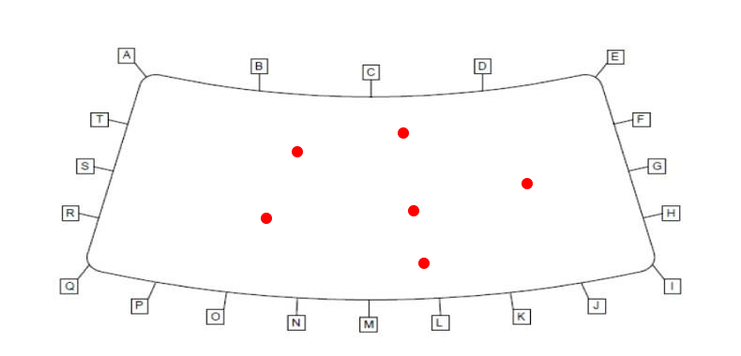
DESCRIPTION OF TEST
Determination of Refractive Power is according to AZDIN 52305 for Zones 1 and 2.

CONDITIONS
 |  | HR: 60% | T (ºC): 23°C

EVALUATION
 |  |  | ZONE A |  | ZONE B
 |  |  | MEASUREMENT 1 |  | MEASUREMENT 2
 | RESULT | mdop | 24.31 | 0.00 | 8.10 | 0.00
 | REQUERIMENT | mdop | < 85 | < 85 | < 150 | < 150

DISTORTION IMAGE AT 0° |  |  | DISTORTION WHIOUT ZEBRA |  | DISTORTION IMAGE AT 45°

REFLECTION 1 |  |  | LANDSCAPE DISTORTION |  | REFLECTION 2

Requirement: Without interruption of grid lines |  |  | Requirement: Without interruption of grid lines |  | Requirement: Without interruption of grid lines

CONCLUSION
This part fullfill with requirements

ELENA BEJARANO |  |  | ssanabria |  |  | LINA TOVAR
AUTHORIZED BY |  |  | REVIEWED BY |  |  | CONTROL CHECK

751-28-03A-15-F01 V.4 |  |  |  |  |  | Pag 3 of 11

DOBLE IMAGEN
 | SECONDARY IMAGE SEPARATION |  |  | QUALITY CONTROL

PART NUMBER AGP: | 0 |  | DATE: | 09/02/2024
PROJECT: | BMW G05 X5 4D U 2020 |  | CUSTOMER: | BENTELER lightweight | 0823201210
REASON FOR SUBMISSION |  | Report Evaluation of Quality |  | Part Submission warrant
 |  | First Production Shipment |  | Special Sample
 |  | Re-submission |  | Other
 |  | Engineering change
QUALITY TEST | Secondary Image Separation |  | STANDARD | ISO 3538

DESCRIPTION OF TEST

OK OK OK Limit Reproved
RESULTS
CONDITIONS
HR: | 60%
T (ºC): | 23°C

 |  | REQUIREMENT: <20 arcmin

 |  | DOUBLE IMAGE

CONCLUSION: This part fullfill with requirements.

ELENA BEJARANO |  | ssanabria |  | LINA TOVAR
AUTHORIZED BY |  | REVIEWED BY |  | CONTROL CHECK

751-28-03A-15-F01 V.4 |  |  |  | Pag 4 of 11

BN
 | BLACK BAND MEASUREMET |  |  |  | QUALITY CONTROL

PART NUMBER AGP: | 0 |  |  | DATE: | 09/02/2024
PART: | WINDSHIELD / FRONTSHEIBE
CUSTOMER: | BENTELER lightweight Protection GmbH
REASON FOR SUBMISSION |  | Report Evaluation of Quality |  |  | Part Submission warrant |  | 0823201210
 |  | First Production Shipment |  |  | Special Sample
 |  | Re-submission |  |  | Other
 |  | Engineering change

 | BLACK BAND EXTERNAL
 | 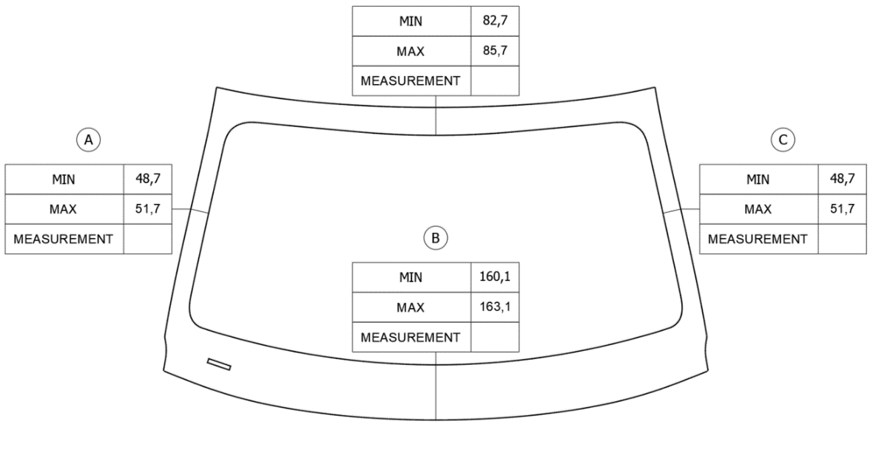

83.8

50,8
50,6

162,23

 | BLACK BAND INTERNAL
 | 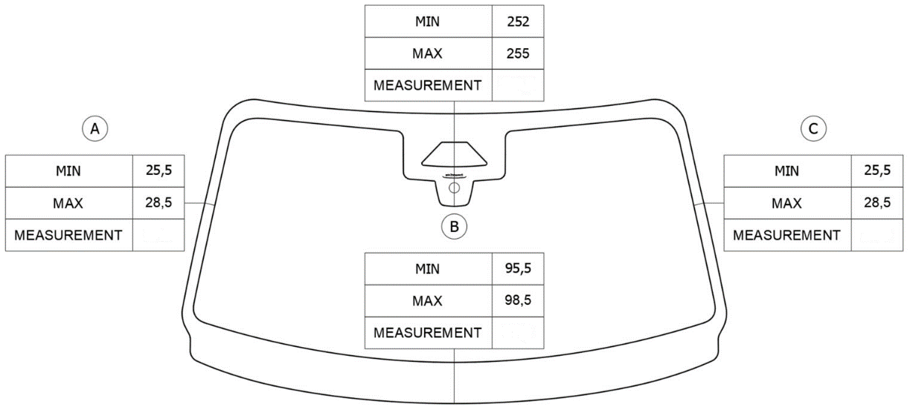

254,5

27,6
27,5

97,8

ELENA BEJARANO |  |  | ssanabria |  | LINA TOVAR
AUTHORIZED BY |  |  | REVIEWED BY |  | CONTROL CHECK

751-28-03A-15-F01 V.4 |  |  |  |  |  | Pag 6 of 11

TNT
 | TNT FLEX MEASUREMET |  |  |  |  |  |  | QUALITY CONTROL

PART NUMBER AGP: | 0 |  |  |  |  |  | DATE: | 09/02/2024
PART: | WINDSHIELD / FRONTSHEIBE
CUSTOMER: | BENTELER lightweight Protection GmbH
REASON FOR SUBMISSION |  | Report Evaluation of Quality |  |  |  |  |  | Part Submission warrant |  | 0823201210
 |  | First Production Shipment |  |  |  |  |  | Special Sample
 |  | Re-submission |  |  |  |  |  | Other
 |  | Engineering change

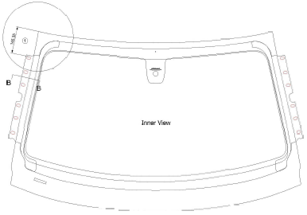

C
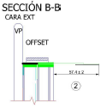
A

B
D

 |  |  | 1 |  | 2
 |  |  | MIN | MAX | MIN | MAX
 |  | Tolerance | 144.4 | 148.4 | 55.4 | 59.4
 |  | A | 146.6 |  | 56.9
 |  | B | N/A |  | 57.0
 |  | C | 146.3 |  | 57.9
 |  | D | N/A |  | 56.3

ELENA BEJARANO |  |  | ssanabria |  |  |  |  | LINA TOVAR
AUTHORIZED BY |  |  | REVIEWED BY |  |  |  |  | CONTROL CHECK

751-28-03A-15-F01 V.4 |  |  |  |  |  |  |  |  | Pag 8 of 11

