DOBLE IMAGEN
 | SECONDARY IMAGE SEPARATION |  |  | QUALITY CONTROL

PART NUMBER AGP: |  |  | DATE:
PROJECT: | 0 |  | CUSTOMER: | BENTELER lightweight
REASON FOR SUBMISSION |  | Report Evaluation of Quality |  | Part Submission warrant
 |  | First Production Shipment |  | Special Sample
 |  | Re-submission |  | Other
 |  | Engineering change
QUALITY TEST | Secondary Image Separation |  | STANDARD | ISO 3538

DESCRIPTION OF TEST

OK OK OK Limit Reproved
RESULTS
CONDITIONS
HR: | 60%
T (ºC): | 23°C

 |  | REQUIREMENT: <20 arcmin

 |  | DOUBLE IMAGE

CONCLUSION: This part fullfill with requirements.

ELENA BEJARANO |  |  |  | LINA TOVAR
AUTHORIZED BY |  | REVIEWED BY |  | CONTROL CHECK

751-28-03A-15-F01 V.4 |  |  |  | Pag 4 of 10

BN
 | BLACK BAND MEASUREMET |  |  |  | QUALITY CONTROL

PART NUMBER AGP: |  |  |  | DATE:
PART: | 0
CUSTOMER: | BENTELER lightweight Protection GmbH
REASON FOR SUBMISSION |  | Report Evaluation of Quality |  |  | Part Submission warrant
 |  | First Production Shipment |  |  | Special Sample
 |  | Re-submission |  |  | Other
 |  | Engineering change

 | BLACK BAND EXTERNAL
 | 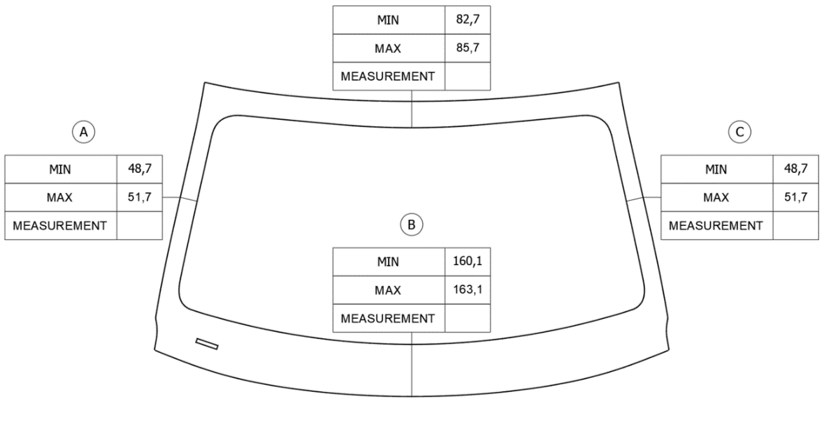

,,,

,,,
,,,

,,,

 | BLACK BAND INTERNAL
 | 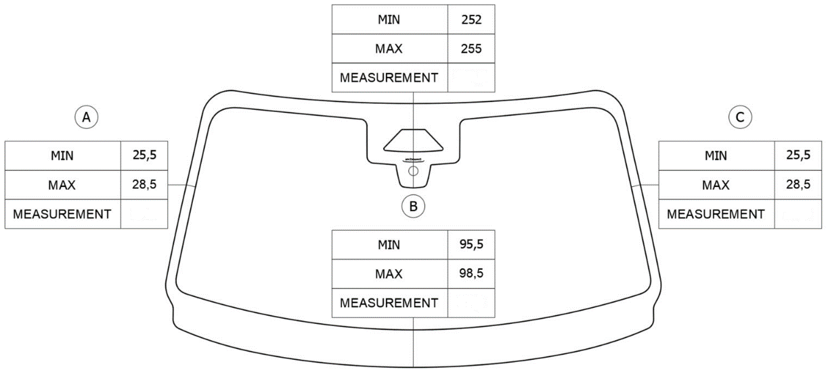

,,,

,,,
,,,

,,,

ELENA BEJARANO |  |  |  |  | LINA TOVAR
AUTHORIZED BY |  |  | REVIEWED BY |  | CONTROL CHECK

751-28-03A-15-F01 V.4 |  |  |  |  |  | Pag 6 of 10

TNT
 | TNT FLEX MEASUREMET |  |  |  |  |  |  | QUALITY CONTROL

PART NUMBER AGP: | 0 |  |  |  |  |  | DATE: | 15/11/2023
PART: | 0
CUSTOMER: | BENTELER lightweight Protection GmbH
REASON FOR SUBMISSION |  | Report Evaluation of Quality |  |  |  |  |  | Part Submission warrant
 |  | First Production Shipment |  |  |  |  |  | Special Sample
 |  | Re-submission |  |  |  |  |  | Other
 |  | Engineering change

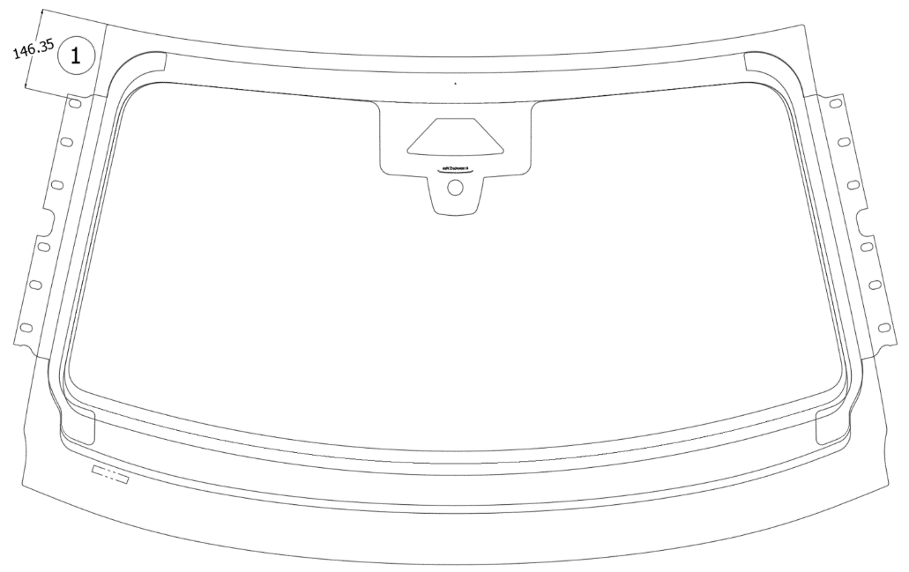

C
A
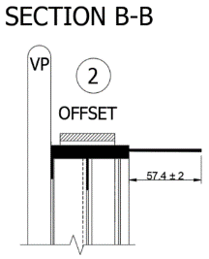

B
D

 |  |  | 1 |  | 2
 |  |  | MIN | MAX | MIN | MAX
 |  | Tolerance | 144.4 | 148.4 | 55.4 | 59.4
 |  | A | 146.8 |  | 56.8
 |  | B | N/A |  | 56.9
 |  | C | 147.5 |  | 57.8
 |  | D | N/A |  | 58.3

ELENA BEJARANO |  |  |  |  |  |  |  | LINA TOVAR
AUTHORIZED BY |  |  | REVIEWED BY |  |  |  |  | CONTROL CHECK

751-28-03A-15-F01 V.4 |  |  |  |  |  |  |  |  | Pag 8 of 10

