BN
 | BLACK BAND MEASUREMET |  |  |  | QUALITY CONTROL

PART NUMBER AGP: | 0 |  |  | DATE: | 7/2/2021
PART: | QUARTER LEFT
CUSTOMER: | BENTELER lightweight Protection GmbH
REASON FOR SUBMISSION |  | Report Evaluation of Quality |  |  | Part Submission warrant
 |  | First Production Shipment |  |  | Special Sample
 |  | Re-submission |  |  | Other
 |  | Engineering change

 | BLACK BAND EXTERNAL
 | 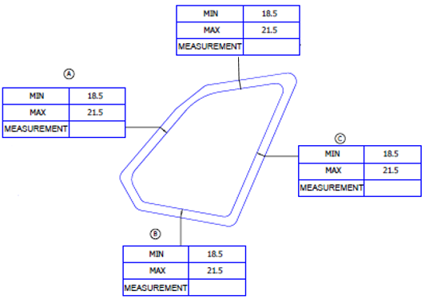

,,,

 | BLACK BAND INTERNAL

ELENA BEJARANO |  |  | Jimmy Navarrete |  | LINA TOVAR
AUTHORIZED BY |  |  | REVIEWED BY |  | CONTROL CHECK

751-28-03A-15-F01 V.4 |  |  |  |  |  | Pag 2 of 3

