BN
 | BLACK BAND MEASUREMET |  |  |  | QUALITY CONTROL

PART NUMBER AGP: | 0 |  |  | DATE: | 02/02/2020
PART: | 0
CUSTOMER: | BENTELER lightweight Protection GmbH
REASON FOR SUBMISSION |  | Report Evaluation of Quality |  |  | Part Submission warrant
 |  | First Production Shipment |  |  | Special Sample
 |  | Re-submission |  |  | Other
 |  | Engineering change

 | BLACK BAND EXTERNAL
 | 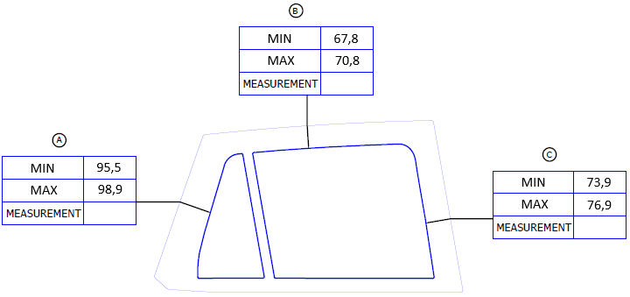

 | BLACK BAND INTERNAL
 | 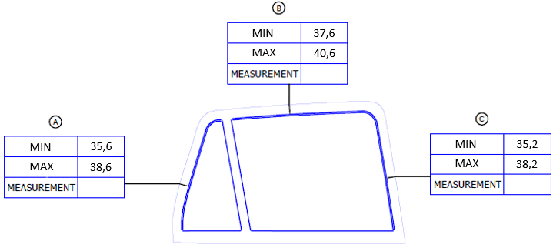

,,,

ELENA BEJARANO |  |  |  |  | LINA TOVAR
AUTHORIZED BY |  |  | REVIEWED BY |  | CONTROL CHECK

751-28-03A-15-F01 V.5 |  |  |  |  |  | Pag 4 of 7

