Pag 1
 | PRODUCT CERTIFICATION |  |  |  | SERIAL NUMBER
 | QUALITY DEPARTMENT |  |  |  | 307366

CUSTOMER : FEHRMANN GMBH - EUROPA |  |  |  | PROJECT NUM. : 1022202327
VEHICLE: 002 - JSS CANADA FRIGATE SHIP GLASS
PIECE: 002 - SPECIAL PART |  |  |  | OUTER GLASS EDGE: N/A
COLOR: 01 -GREEN LIGHT |  |  |  | THICKNESS: 23.280 mm
PACK. EDGE: TECOFLEX |  |  |  | FORMULA: NB156

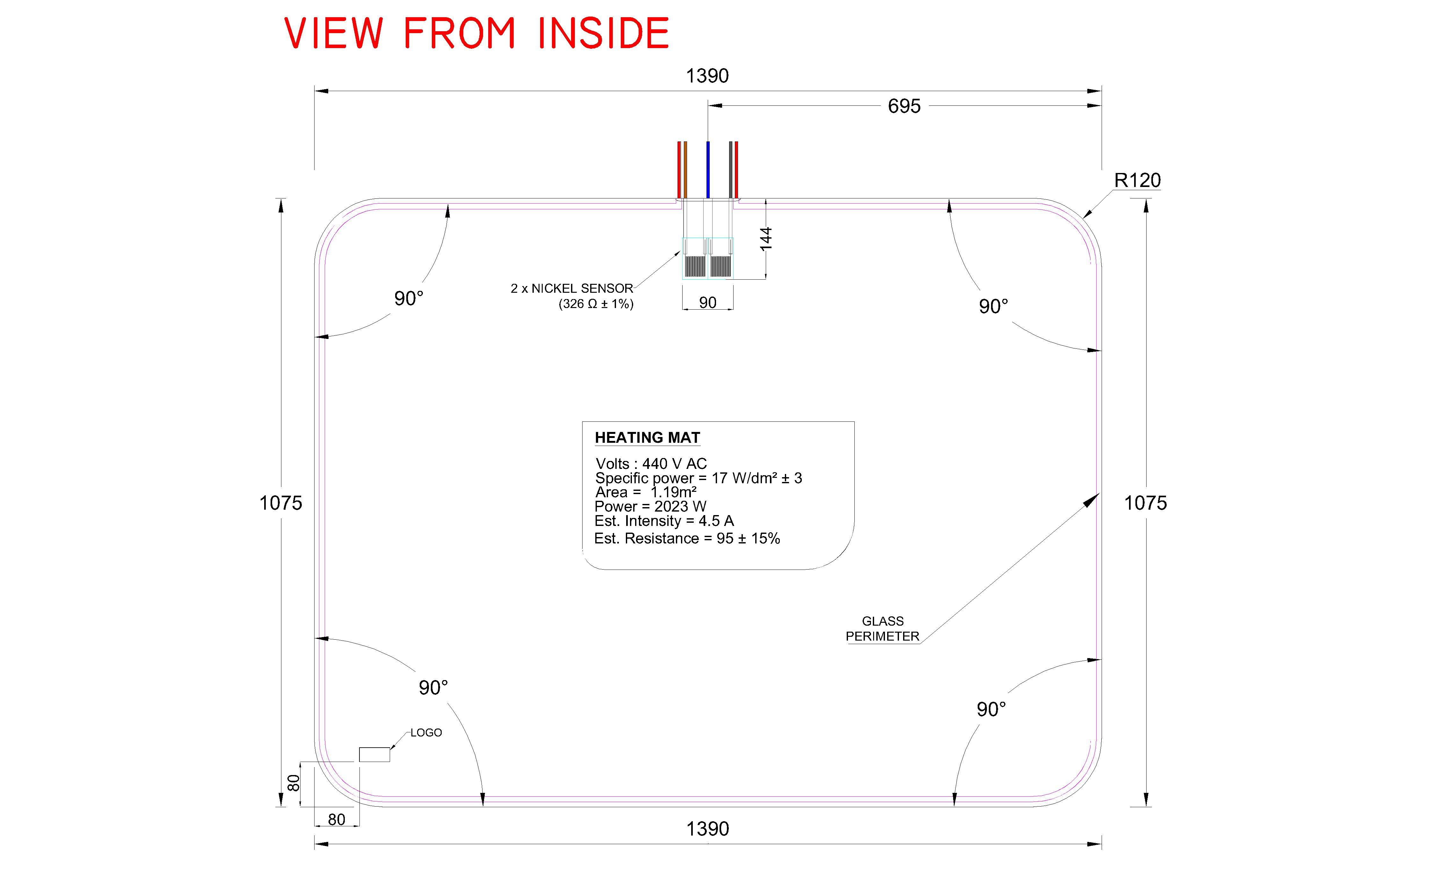 |  |  |  | INSTRUMENT
 |  |  |  | Metric lens Digital calipers Other

TABLE OF SUPERFICIALS AND MASS DEFECTS
# | ZONE | SIZE | SPECIFICATION | DESCRIPTION

Characteristics |  | Result | Characteristics |  | Result
Color |  |  | Finishing and clening edges
Edge internal package |  |  | Package Edge Type
Logo |  |  | Serigraphy
Terminals insulation |  |  | Distortion (Mode ON) < 400 Mdop

Inspected By: Jaime Parra Date: 11/11/22

Pag 2
 | PRODUCT CERTIFICATION |  |  |  | SERIAL NUMBER
 | QUALITY DEPARTMENT |  |  |  | 307366

CUSTOMER : FEHRMANN GMBH - EUROPA |  |  |  | PROJECT NUM. : 1022202327
VEHICLE: 002 - JSS CANADA FRIGATE SHIP GLASS
PIECE: 002 - SPECIAL PART |  |  |  | OUTER GLASS EDGE: N/A
COLOR: 01 -GREEN LIGHT |  |  |  | THICKNESS: 23.280 mm
PACK. EDGE: TECOFLEX |  |  |  | FORMULA: NB156
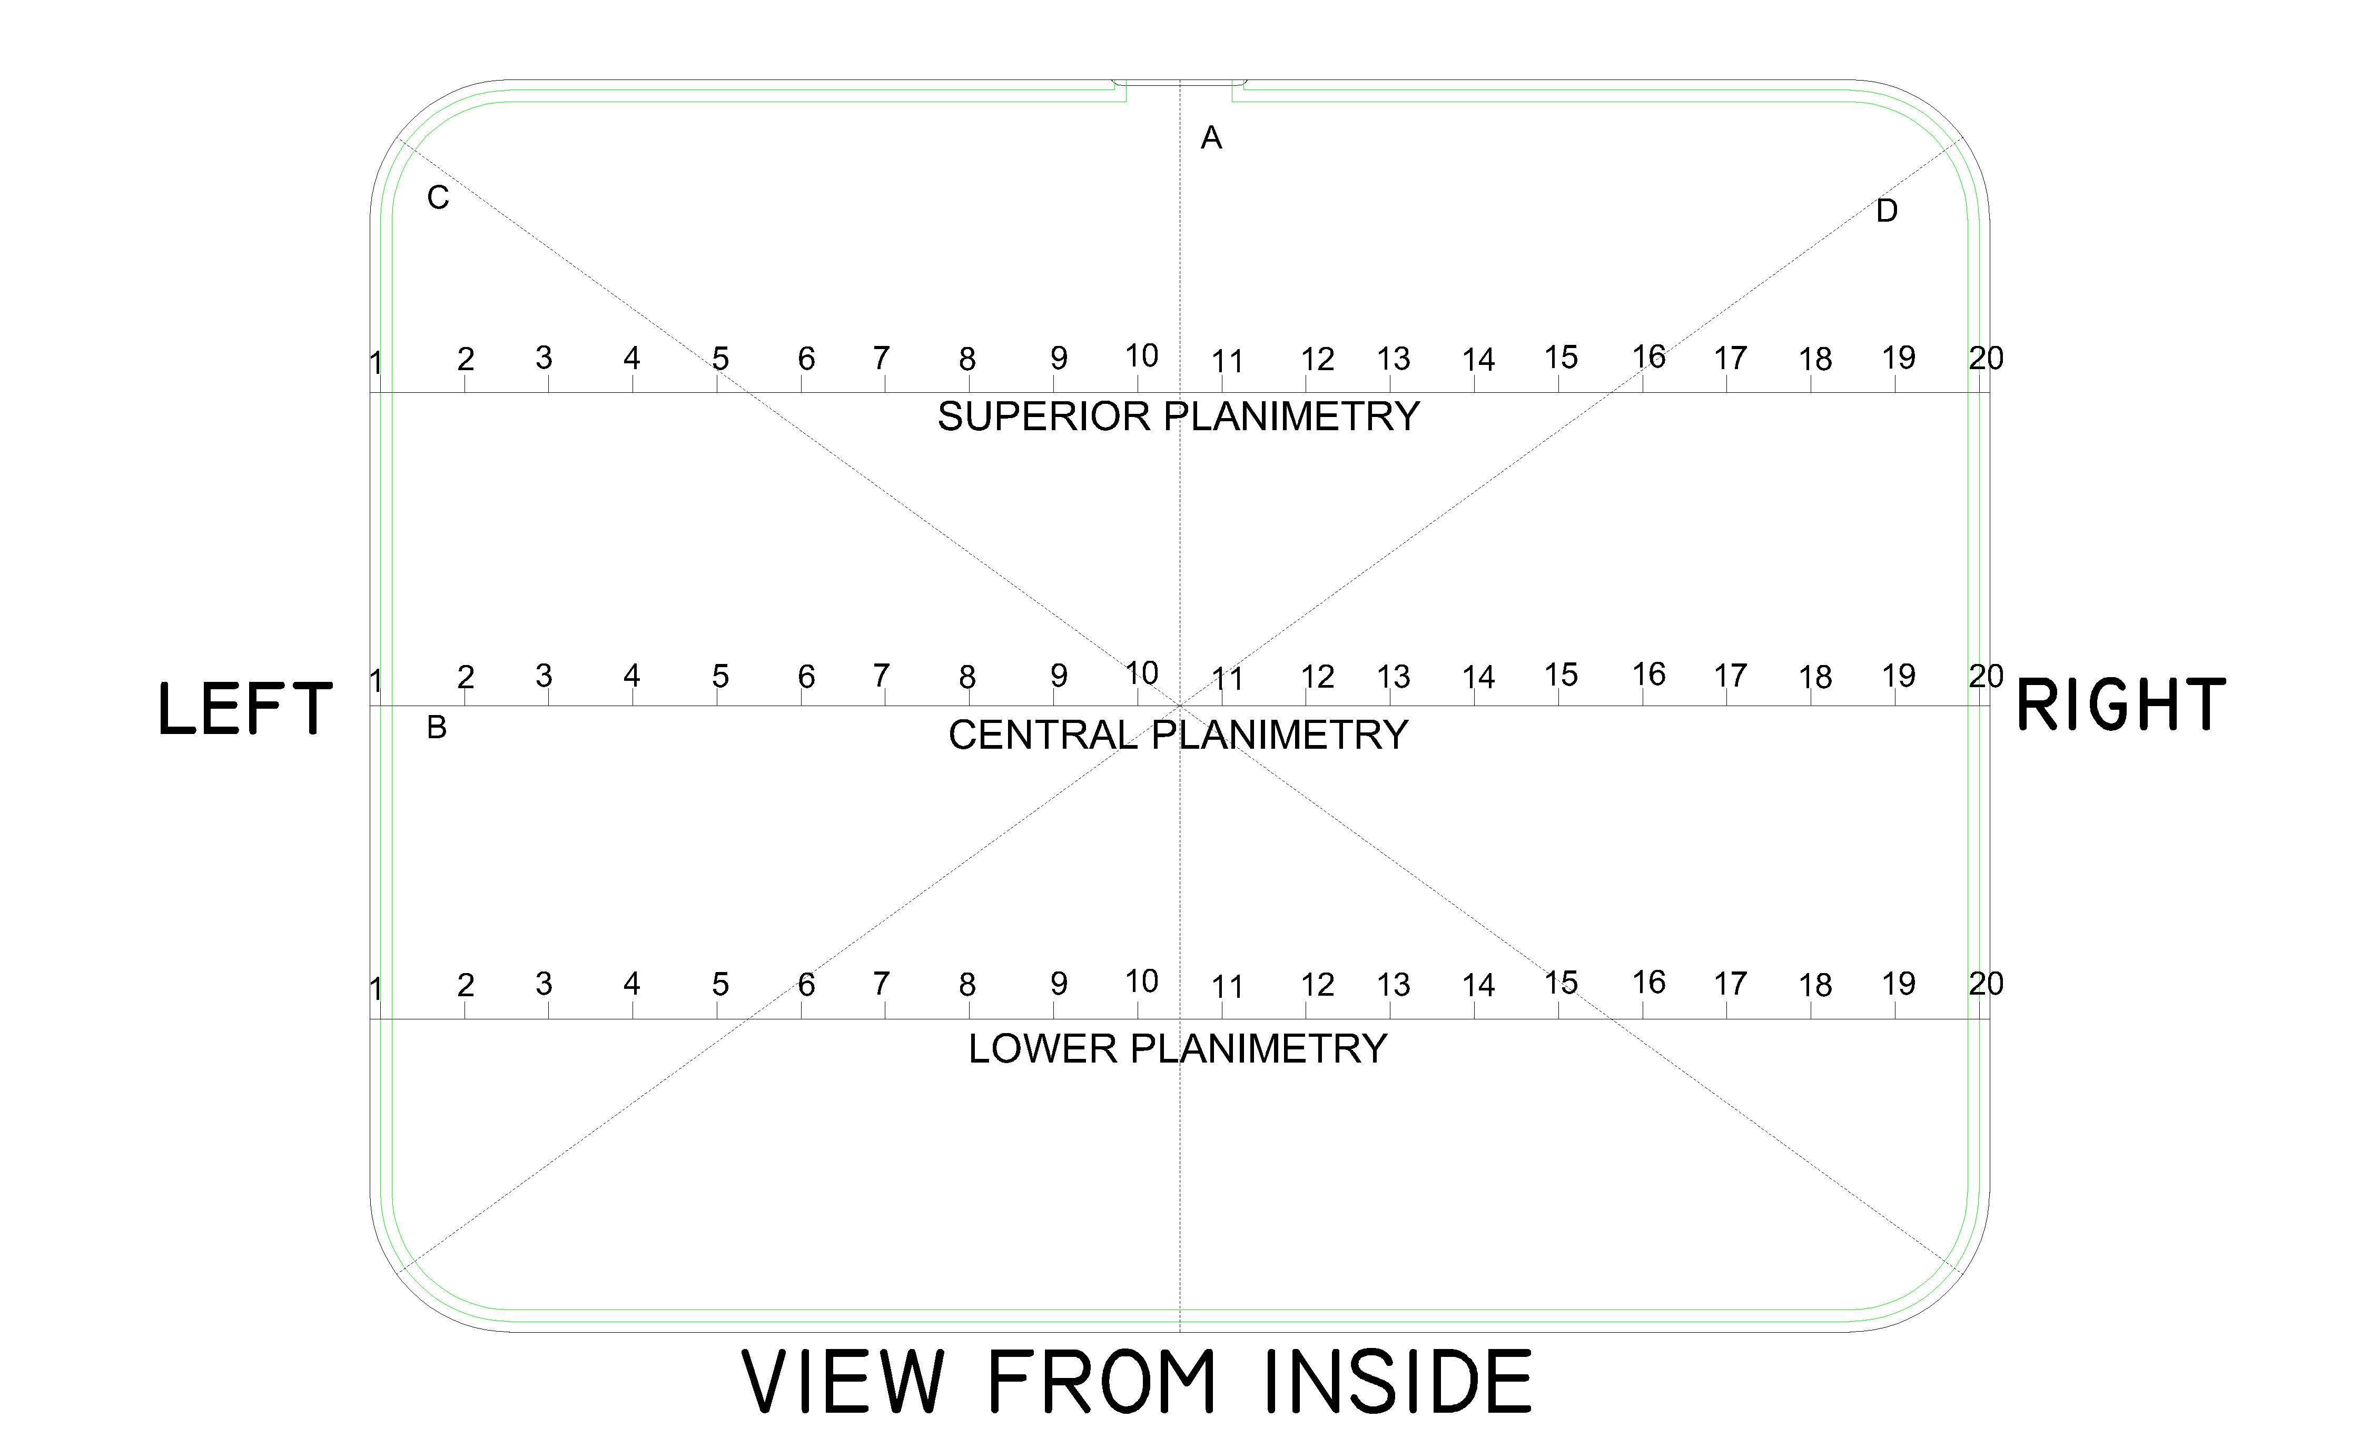

 | POINTS | SUPERIOR PLANIMETRY | CENTRAL PLANIMETRY | LOWER PLANIMETRY
 | 1
 | 2
 | 3
 | 4
 | 5
 | 6
 | 7
 | 8
 | 9
 | 10
 | 11
 | 12
 | 13
 | 14
 | 15
 | 16
 | 17
 | 18
 | 19
 | 20

Characteristics |  | TOP | RIGHT | BOTTOM | LEFT
THICKNESS (mm)
Characteristics |  | A | B | C | D
SIZE (mm)
Characteristics |  | TOP RIGHT | TOP LEFT | BOTTOM RIGHT | BOTTOM LEFT
RADIUS (mm)
ANGLES (°)

Inspected By: Juan Verastegui Date: 10/11/22

