Start
Welcome to the Python in Excel getting started template. Instructions for screen readers: Content begins in cell B2, and then continues as you move down to B3, and so on. Instructions also indicate which cells to navigate to for use of a feature or further reading. To start, use your arrow keys to move to cell B2.
 | Get started with Python in Excel

 | Easily combine Python and Excel analytics in one workbook with Python in Excel, no setup needed. Just type Python in a cell, and calculations run securely in the Microsoft Cloud. Results, including plots and visualizations, appear in your worksheet.

 | Available now on Excel for Windows. Stay informed by joining the waitlist at aka.ms/expywaitlist.
 | 

Let's go >

=PY
Instructions for screen readers: Content begins in cell B3, and then continues as you move down to B4, B5, and so on. Instructions also indicate which cells to navigate to for use of a feature or further reading. To start, use your arrow keys to move to cell B3.

 | Become familiar with Python (=PY)

CHECK THIS OUT
Select the Insert Python button in the Formulas tab to view tips and samples to help you get started with Python in Excel.
 | 1. To write or edit Python code, you need to make sure you're using a Python formula. To do so, go to Formulas > Python and select Insert Python, or enter =PY into a cell and select PY from the formula AutoComplete menu. You can also enter =PY( in a cell to automatically select the PY function. | CHECK THIS OUT: Select Insert Python button in the Formulas tab to view Tips and Samples to help you get started with Python in Excel.
Formulas > Python
Python in Excel cell badge
Formula bar Python in Excel badge
CHECK THIS OUT
To learn more about =PY, visit PY function - Microsoft Support.
Go to cell I5 and I9 to learn more about samples and the PY function, or go to cell B7 to continue on.
 | 2. You don't need to install Python on your computer to use this feature. All Python runs securely in the Microsoft Cloud.
 | 3. You can see a change in the cell and formula bar when Python is enabled. This helps distinguish when you're writing or editing a Python formula. To commit Python code, you must first always enable the Python formula. | CHECK THIS OUT: To learn more about =PY, visit https://support.microsoft.com/office/py-function-31d1c523-fb13-46ab-96a4-d1a90a9e512f
Go to the next tab to continue on to the next section: editing.

Next Step
 | Next, learn more about editing.

Editing
GOOD TO KNOW
The default output type is a Python object.
You can use the keyboard shortcut Ctrl+Alt+Shift+M to toggle between output types.
Instructions for screen readers: Content begins in cell B3, and then continues as you move down to B4, B5, and so on. Instructions also indicate which cells to navigate to for use of a feature or further reading. To start, use your arrow keys to move to cell B3.

 | Learn how to edit a Python formula | Formula | Expected result |  | GOOD TO KNOW: The default output type is a Python object. You can use the keyboard shortcut Ctrl+Alt+Shift+M to toggle between output types.
 |  | 2 | The value 2 as a Python object.
 | 1. In cell D4, enter =PY( to enable Python in the cell, and then enter "1+1". Unlike regular
 | Excel formulas, you need to use Ctrl+Enter to commit changes.
 | Column D is to input the Python formula. | Try here! | The value 2 as an Excel value.
CHECK THIS OUT
You can edit the formula in either the cell or the formula bar. While editing, use the keyboard shortcut Ctrl+F2 to toggle between the cell and formula bar.
 |  |  |  | CHECK THIS OUT: You can edit the formula in either the cell or the formula bar. While editing, use the keyboard shortcut Ctrl+F2 to toggle between the cell and formula bar.

Editing a Python formula

Next to formula bar
Right-click menu
 | 2. Cell D4 returns the value 2 as a Python object, one of two Python output types. Select the card icon within the cell to learn more about Python objects.
Column F explains the expected result from the formula in column D.
 | 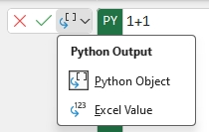 3. Excel value is the second Python output type. Use the controls next to the formula or in the right-click menu to adjust the output type.
Go to cell O3 to learn the keyboard shortcut to toggle between output types or go to cell B17 to continue on.
 | 4. In cell D7, enter =PY( and then "1+1". This time, change the output to an Excel value.
Go to cell L8 to learn about where you can edit a Python formula or go to the next tab to continue on to the next section: cell references.
Next Step
 | Next, learn about cell references.

Cell references
Instructions for screen readers: Content begins in cell B3, and then continues as you move down to B4, B5, and so on. Instructions also indicate which cells to navigate to for use of a feature or further reading. To start, use your arrow keys to move to cell B3.

 | Reference cells to bring data into Python | Example data |  |  |  | Example: as Python object | Example: as Excel values
 |  | Category | Product | Sales
 | To protect your security, common functions used to import data in Python (like | Accessories | Helmets | $8,300 |  |  | Category | Product | Sales
 | as pandas.read_csv and pandas.read_excel) aren’t compatible with Python in Excel. To import data, | Accessories | Tires and Tubes | $8,700 |  |  | Accessories | Helmets | 8300
 | use an Excel worksheet or a Power Query data source. | Bikes | Road Bikes | $3,500 |  |  | Accessories | Tires and Tubes | 8700
 |  | Bikes | Mountain Bikes | $3,100 |  |  | Bikes | Road Bikes | 3500
 | To import data from an Excel worksheet, use the xl() function for Python in Excel. | Components | Pedals | $800 |  |  | Bikes | Mountain Bikes | 3100
 | This function takes two parameters, a reference string pointing to data | Components | Wheels | $10,000 |  |  | Components | Pedals | 800
 | in Excel, and an optional parameter to adjust how headers are treated. Examples: xl("A1"), |  |  |  |  |  | Components | Wheels | 10000
 | xl("A1", headers=True), and xl("$A$1:$D$10", headers=False).
Cells D4 to F10 contain data with 3 columns. One for Category, one for Product, and one for Sales. |  | Try it out! Range |  |  |  | Set to Python object | Set to Excel values
 | 1. To start, take a look at DataFrames created from the example data in cells D4 to F10. | User ID | Income | Spend
 | Cell H5 is a DataFrame as a Python object and L5 is a DataFrame as Excel values. | 1 | 233 | 150 |  | Try here! | Try here!
 | Inspect or play around with the reference and headers parameters. Note: Multi-cell | 2 | 250 | 187
 | references (or ranges) like A1:C5 are treated by default as pandas DataFrame objects. | 3 | 204 | 172
 |  | 4 | 236 | 178
 | 2. To create a new Excel reference while in a Python cell, select the data on the grid that | 5 | 354 | 163
 | you'd like to use. If you prefer to use the keyboard, use F2 to toggle between Enter mode | 6 | 192 | 148
 | and Edit mode in Python cells, and then use your arrow keys to select cells or ranges. | 7 | 294 | 153
 | Don't forget to type =PY( first! | 8 | 263 | 173
 |  | 9 | 199 | 162
 | 3. Give it a try! In cells H15 and L15, create new DataFrames using the Income and Spend | 10 | 168 | 174
 | data. Set H15 to be a Python object and set L15 to Excel values. Note: If you reference an
 | Excel table, you need to include the full structured table reference: =PY(xl("Table1[#All]"). | Try it out! Excel table |  |  |  | Set to Python object | Set to Excel values
 | Give this a try in cells H28 and L28.
Cells D14 to F24 contain data with 3 columns as a range. One for User ID, one for Income, and one for Spend. Cells D28 to F38 contain the same data as a table. |  | User ID | Income | Spend |  | Try here! | Try here!
Next Step
Go to cell G41 to learn about using your keyboard to select data in a table or go the next tab to continue on to the next section: external data. |  | 1 | 233 | 150
 | Next, learn about external data. | 2 | 250 | 187
 |  | 3 | 204 | 172
 |  | 4 | 236 | 178
 |  | 5 | 354 | 163
 |  | 6 | 192 | 148
GOOD TO KNOW
To select the entire table using your keyboard, use Ctrl+Shift > Right arrow > Down arrow.
 |  | 7 | 294 | 153
 |  | 8 | 263 | 173
 |  | 9 | 199 | 162
 |  | 10 | 168 | 174

 |  |  |  |  | GOOD TO KNOW: To select the entire table using your keyboard, use Ctrl+Shift > Right arrow > Down arrow.

External data
Instructions for screen readers: Content begins in cell B3, and then continues as you move down to B4, B5, and so on. Instructions also indicate which cells to navigate to for use of a feature or further reading. To start, use your arrow keys to move to cell B3.

 | Use Power Query to import external data

 | To use data from external sources, go to Data > Get Data. The Get Data feature uses Power | Formula | Expected result
 | Query. With Power Query you can import data from multiple sources, including CSV files. Every | Try here! | DataFrame
 | import creates a new query. For more information on how to use Power Query, visit aka.ms/pqxl.

 | Note: If you have existing workbooks with Power Query queries, start with step 6.

 | 1. For this example, you'll import data from the Northwind OData service, a test data source.
 | First, copy the following link to the Northwind OData service so that you can use it in step 2:
 | https://services.odata.org/northwind/northwind.svc/

 | 2. Go to Data > Get Data > From Other Sources > From OData Feed. In the dialog that
 | appears, paste the link copied from step 1, then select OK.

 | 3. In the Navigator dialog that appears next, you'll select a data table to load into Excel.
 | Select the Categories table, then Load To... under the Load menu.

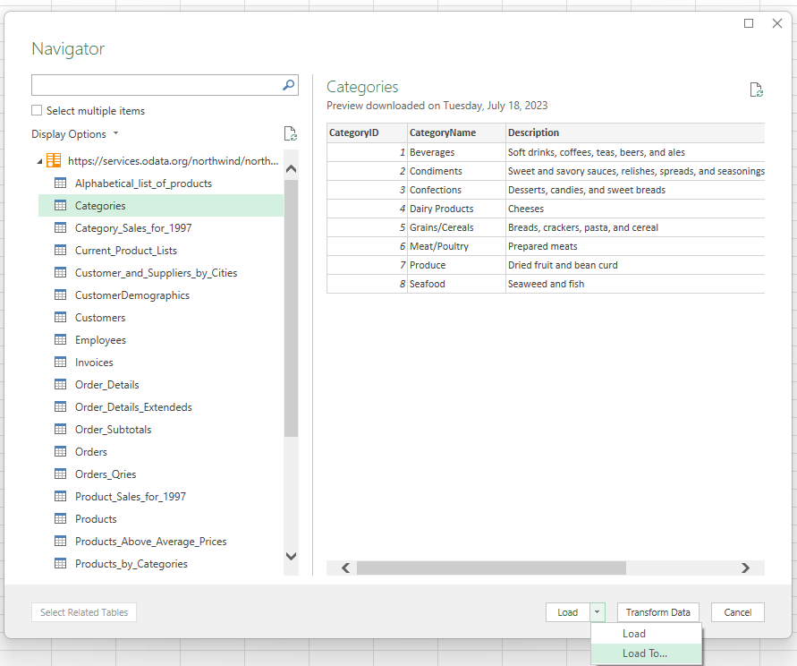

Power Query Navigator

 | 4. After loading the data, the Import Data dialog appears. Choose Only Create Connection
 | and then OK to establish a data connection from the source. Power Query automatically
 | creates a query for this connection.
Import Data dialog
 | 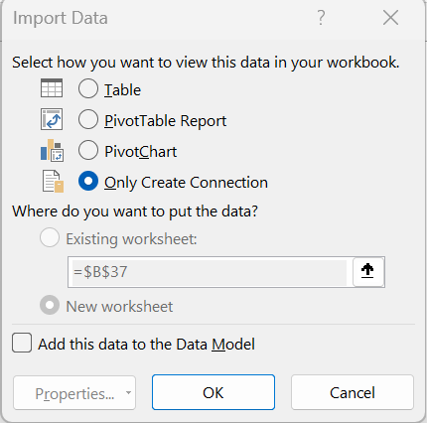
 | 5. Next, the Queries & Connections pane appears in your workbook. It lists the connection
 | you made to the Categories table from the Northwind OData service. If you had other
 | queries or connections, they would also appear here. You can always open the pane
 | by going to Data > Queries & Connections.

 | 6. To import the external data into Python, create a DataFrame by using the xl()
 | function. After following steps 1 - 5 to create the connection or using an already established
 | connection, create a new DataFrame in cell D5 by referencing the name of the Power Query
 | connection. To create a DataFrame with the Categories 'table from the Northwind Odata
 | service, enter: =PY(xl("Categories").

Next Step
Go to the next tab to continue on to the next section: diagnostics.
 | Next, learn about diagnostics.

Diagnostics
Instructions for screen readers: Content begins in cell B3, and then continues as you move down to B4, B5, and so on. Instructions also indicate which cells to navigate to for use of a feature or further reading. To start, use your arrow keys to move to cell B3.

 | See errors and outputs in the diagnostics pane

 | 1. Standard output (stdout) and standard error (stderr) results are returned to the Diagnostics | Example | Expected result
 | task pane. The task pane opens automatically for errors or print statements. You can also | Try here! | #PYTHON! error because you cannot divide by 0
 | open the diagnostics pane by right-clicking a Python cell and selecting Show Diagnostics in
 | the menu, or by going to Formulas > Python (Preview) > Diagnostics. If you don't want | Try here! | NoneType ("Hello world!" will be printed in the Diagnostics pane.)
 | the pane to open automatically, uncheck "Show automatically" at the bottom of the task pane.
Column F explains the expected result from the formula in column D.
 | 2. In cells D6 and D8, insert a Python formula with the code below to see how it works.
 | Cell D6: 1/0
 | Cell D8: print("Hello world!")
 | You should see both an error and print statement in the diagnostics pane for cells D6 and D8.

Next Step
Go to the next tab to continue on to the next section: calculation order.
 | Next, learn about calculation order.

Calculation order
Instructions for screen readers: Content begins in cell B3, and then continues as you move down to B4, B5, and so on. Instructions also indicate which cells to navigate to for use of a feature or further reading. To start, use your arrow keys to move to cell B3.

 | Understand Python calculation order
Cells D6 to E10 contain data with 2 columns. One for Widget, and one for Sales.
 | 1. Python cells return the last assignment or last expression. If None is returned, you see | Example data |  | Example | Expected value
 | a Python object of NoneType in a cell. In cell H6, enter the following code in a single Python | Widget | Sales | Try here! | NoneType Python object returned since that is the last expression.
 | formula to see how it works: | Foo | 5
 | 1+1 | Bar | 6 | Try here! | #PYTHON! error because DataFrame is defined below in F7.
 | print("Hello world!") | Baz | 7
 |  | Boo | 8 | Try here! | DataFrame
 | 2. Python in Excel cells calculate in row-major order, across a row from left-to-right (from column
 | A to column XFD) and then across each following row down the worksheet. Let's see how |  |  | Try here! | Correct sum (26) because DataFrame is referenced in cell F7 above.
 | this works with an example. In cell H10 there's a DataFrame named df containing the
 | Widget Sales sample data. Now, try and run the Python code "df['Sales'].sum()" in both cell
 | H8 and cell H12. In H8 you get a #PYTHON! error because df hasn't been defined yet. In H12
GOOD TO KNOW
For languages that read right-to-left, Python cells and worksheets calculate across a row from right-to-left.
 | the code works as expected because H10 precedes H12 in the calculation order.
Column J explains the expected result from the formula in column H. |  |  |  |  | GOOD TO KNOW: For languages that read right-to-left, Python cells and worksheets calculate across a row from right-to-left.

Error message dialog
 | 3. In addition to the diagnostics pane, you can view error messages in a dialog. First,
 | select the icon that appears when selecting a cell with an error. Then, select Show
 | 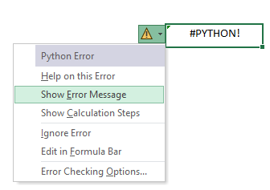 Error Message from the menu. A Python error message dialog displays.

Error menu

Next Step
 | 4. The calculation order concept also applies across worksheets within a workbook, based on the order of worksheets from left-to-right. Global variables can be used
 | across worksheets, calculating based on the order of the worksheets.
Go to cell J17 to learn about calculation order for right-to-left languages or continue on to the next section: python errors.
 | Next, learn about Python errors.

Python errors
Instructions for screen readers: Content begins in cell B3, and then continues as you move down to B4, B5, and so on. Instructions also indicate which cells to navigate to for use of a feature or further reading. To start, use your arrow keys to move to cell B3.

 | Understand a few errors

 | 1. #BUSY!: This displays when a Python formula is calculating. | Formula | Expected result
 |  | Try here! | #PYTHON!
 | 2. #PYTHON!: This error displays when there's an issue with the Python code. By default, the
 | Diagnostics pane automatically opens with more details on the error.
 | To see how this works, select cell D6, enable Python in the cell, enter "1/0", and commit
 | the formula. You should see a #PYTHON! Error alongside the diagnostics pane with more
 | information. You can also select the error icon next to the cell and then select Show
GOOD TO KNOW
You can change your calculation mode through Formulas > Calculation > Calculation Options.
Automatic automatically recalculates all dependent formulas every time you make a change in Excel. This is the default setting.
Manual recalculates formulas when you manually trigger the process to do so.
Partial is a hybrid between manual and automatic. This mode recalculates all formulas automatically except those that are typically time consuming, like Python and Data Tables.
 | Error Message from the menu.
Cell F6 explains the expected result from the formula in cell D6.
 |  |  |  | GOOD TO KNOW: You can change your calculation mode through Formulas > Calculation > Calculation Options. Automatic automatically recalculates all dependent formulas every time you make a change in Excel. This is the default setting. Manual recalculates formulas when you manually trigger the process to do so. Partial is a hybrid between manual and automatic. This mode recalculates all formulas automatically except those that are typically time consuming, like Python and Data Tables.
 | 3. #CONNECT!: This error indicates issues with the Python cloud service. If you see this error,
 | reset your Python global variables in your workbook via Formulas > Python (Preview)
 | > Reset, or reset the Python runtime via Formulas > Python (Preview) > Reset > Reset Runtime.
 | Both will trigger recalculation unless you are in Manual recalculation mode.
Next Step
Go to cell H14 to learn about changing your calculation mode or continue on to the next section: libraries.
 | Next, learn more about libraries.

Libraries
Instructions for screen readers: Content begins in cell B3, and then continues as you move down to B4, B5, and so on. Instructions also indicate which cells to navigate to for use of a feature or further reading. To start, use your arrow keys to move to cell B3.

 | Use Python libraries
 |  | Formula
 | 1. Python in Excel uses a secure, open-source library distribution from Anaconda. The following | Try here!
 | core set of libraries are recommended: pandas, NumPy, scipy, scikit-learn, statsmodels,
GOOD TO KNOW
By default, single cell references are converted to their scalar value while multi-cell references are converted to DataFrames.
 | matplotlib, seaborn, json, and regex. Note: NumPy and pandas are pre-initialized by default
 | using import numpy as np and import pandas as pd.
Go to cell I9 to learn about how single and multi-cell references are converted by default. |  |  |  | GOOD TO KNOW: By default, single cell references are converted to their scalar value while multi-cell references are converted to DataFrames.
 | 2. Python in Excel settings and configuration details, like importing open-source Python libraries,
 | are done through the Initialization pane. View the default configuration by selecting
 | Formulas > Python (Preview) > Initialization.

 | 3. The initialization pane is read-only, so you must import new libraries in a cell. To try it out,
 | enter =PY( in cell D4 and add an import statement (such as import seaborn as sns). Return a
 | string in your code like "Python libraries loaded". If you don't return anything, the formula
CHECK THIS OUT
To learn more about open-source libraries to use with Python in Excel, visit Open-source libraries and Python in Excel - Microsoft Support.
 | returns a Python object of NoneType.

 |  |  | CHECK THIS OUT: To learn more about open-source libraries to use with Python in Excel, visit https://support.microsoft.com/office/open-source-libraries-and-python-in-excel-c817c897-41db-40a1-b9f3-d5ffe6d1bf3e

Library import statements in the formula bar.

Next Step
Go to cell H19 to learn more about using open-source libraries with Python in Excel or continue on to the next section: plots.
 | Next, learn about plots.

Plots
Instructions for screen readers: Content begins in cell B3, and then continues as you move down to B4, B5, and so on. Instructions also indicate which cells to navigate to for use of a feature or further reading. To start, use your arrow keys to move to cell B3.

 | Create Python plots
 |  | Example data |  | Libraries | Libraries Loaded!
 | 1. You can leverage powerful Python libraries to create data visualizations and plots. Give it a | Dates | Passengers | DataFrame
 | try! Modify the type of plot created in cell H8 by choosing from the dropdown options in cell H7. | 1949-01-01 | 112
 | You'll notice that as you switch the plot type, the code recalculates to create the appropriate | 1949-02-01 | 118 | Type of Plot | line
 | plot, and the floating image of the plot also updates automatically. | 1949-03-01 | 132 | Plot 1
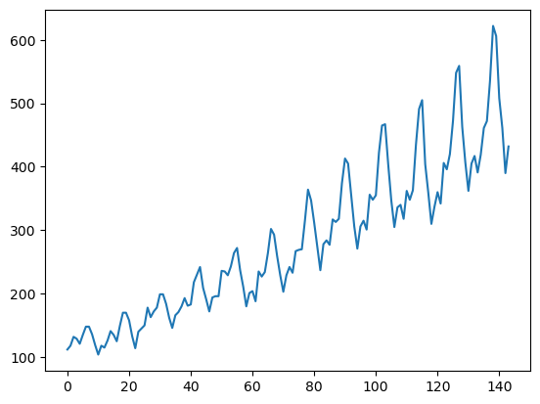
 |  | 1949-04-01 | 129
 | 2. By default, you see a Python object returned to the cell with an Image data type. To view the | 1949-05-01 | 121
 | plot, create a linked reference of the image that can be resized. In the Insert Data or | 1949-06-01 | 135
 | right-click menu, select Display Plot over Cells. Alternatively, use the keyboard shortcut | 1949-07-01 | 148
 | Ctrl+Alt+Shift+C when selecting a cell with the Image data type. This has been done already for | 1949-08-01 | 148
 | Plot 1 in cell H6, but give it a try when you create the multiplot and histogram in the next step. | 1949-09-01 | 136
 |  | 1949-10-01 | 119
 |  | 1949-11-01 | 104
 |  | 1949-12-01 | 118
Insert Data menu
 |  | 1950-01-01 | 115
 |  | 1950-02-01 | 126
Right-click menu
 |  | 1950-03-01 | 141
 |  | 1950-04-01 | 135
 | 3. Try it out! Use the Python code below to experiment with plots. To view the plots, don't | 1950-05-01 | 125
 | forget to display the plot over cells as explained in step 2. | 1950-06-01 | 149
 | Try a Multiplot in cell H24: | 1950-07-01 | 170 | Multiplot | Try here!
 | decompose = seasonal_decompose(dfplots['Passengers'],model='additive', period=36) | 1950-08-01 | 170
 | decompose.plot() | 1950-09-01 | 158
 | Try a Histogram in cell H41: | 1950-10-01 | 133
 | plt.figure(figsize=(10,6)) | 1950-11-01 | 114
 | plt.hist(dfplots['Passengers'], bins=20) | 1950-12-01 | 140
 | plt.xlabel('Passengers (in thousands)') | 1951-01-01 | 145
 | plt.ylabel('Frequency') | 1951-02-01 | 150
 | plt.title('Histogram of Passengers') | 1951-03-01 | 178
 | plt.show() | 1951-04-01 | 163
Go to the next tab to continue on to the next section: Python editor. |  | 1951-05-01 | 172
Next Step
 | Next, learn about the Python editor. | 1951-06-01 | 178
 |  | 1951-07-01 | 199
 |  | 1951-08-01 | 199
 |  | 1951-09-01 | 184
 |  | 1951-10-01 | 162
 |  | 1951-11-01 | 146
 |  | 1951-12-01 | 166 | Histogram | Try here!
 |  | 1952-01-01 | 171
 |  | 1952-02-01 | 180
 |  | 1952-03-01 | 193
 |  | 1952-04-01 | 181
 |  | 1952-05-01 | 183
 |  | 1952-06-01 | 218
 |  | 1952-07-01 | 230
 |  | 1952-08-01 | 242
 |  | 1952-09-01 | 209
 |  | 1952-10-01 | 191
 |  | 1952-11-01 | 172
 |  | 1952-12-01 | 194
 |  | 1953-01-01 | 196
 |  | 1953-02-01 | 196
 |  | 1953-03-01 | 236
 |  | 1953-04-01 | 235
 |  | 1953-05-01 | 229
 |  | 1953-06-01 | 243
 |  | 1953-07-01 | 264
 |  | 1953-08-01 | 272
 |  | 1953-09-01 | 237
 |  | 1953-10-01 | 211
 |  | 1953-11-01 | 180
 |  | 1953-12-01 | 201
 |  | 1954-01-01 | 204
 |  | 1954-02-01 | 188
 |  | 1954-03-01 | 235
 |  | 1954-04-01 | 227
 |  | 1954-05-01 | 234
 |  | 1954-06-01 | 264
 |  | 1954-07-01 | 302
 |  | 1954-08-01 | 293
 |  | 1954-09-01 | 259
 |  | 1954-10-01 | 229
 |  | 1954-11-01 | 203
 |  | 1954-12-01 | 229
 |  | 1955-01-01 | 242
 |  | 1955-02-01 | 233
 |  | 1955-03-01 | 267
 |  | 1955-04-01 | 269
 |  | 1955-05-01 | 270
 |  | 1955-06-01 | 315
 |  | 1955-07-01 | 364
 |  | 1955-08-01 | 347
 |  | 1955-09-01 | 312
 |  | 1955-10-01 | 274
 |  | 1955-11-01 | 237
 |  | 1955-12-01 | 278
 |  | 1956-01-01 | 284
 |  | 1956-02-01 | 277
 |  | 1956-03-01 | 317
 |  | 1956-04-01 | 313
 |  | 1956-05-01 | 318
 |  | 1956-06-01 | 374
 |  | 1956-07-01 | 413
 |  | 1956-08-01 | 405
 |  | 1956-09-01 | 355
 |  | 1956-10-01 | 306
 |  | 1956-11-01 | 271
 |  | 1956-12-01 | 306
 |  | 1957-01-01 | 315
 |  | 1957-02-01 | 301
 |  | 1957-03-01 | 356
 |  | 1957-04-01 | 348
 |  | 1957-05-01 | 355
 |  | 1957-06-01 | 422
 |  | 1957-07-01 | 465
 |  | 1957-08-01 | 467
 |  | 1957-09-01 | 404
 |  | 1957-10-01 | 347
 |  | 1957-11-01 | 305
 |  | 1957-12-01 | 336
 |  | 1958-01-01 | 340
 |  | 1958-02-01 | 318
 |  | 1958-03-01 | 362
 |  | 1958-04-01 | 348
 |  | 1958-05-01 | 363
 |  | 1958-06-01 | 435
 |  | 1958-07-01 | 491
 |  | 1958-08-01 | 505
 |  | 1958-09-01 | 404
 |  | 1958-10-01 | 359
 |  | 1958-11-01 | 310
 |  | 1958-12-01 | 337
 |  | 1959-01-01 | 360
 |  | 1959-02-01 | 342
 |  | 1959-03-01 | 406
 |  | 1959-04-01 | 396
 |  | 1959-05-01 | 420
 |  | 1959-06-01 | 472
 |  | 1959-07-01 | 548
 |  | 1959-08-01 | 559
 |  | 1959-09-01 | 463
 |  | 1959-10-01 | 407
 |  | 1959-11-01 | 362
 |  | 1959-12-01 | 405
 |  | 1960-01-01 | 417
 |  | 1960-02-01 | 391
 |  | 1960-03-01 | 419
 |  | 1960-04-01 | 461
 |  | 1960-05-01 | 472
 |  | 1960-06-01 | 535
 |  | 1960-07-01 | 622
 |  | 1960-08-01 | 606
 |  | 1960-09-01 | 508
 |  | 1960-10-01 | 461
 |  | 1960-11-01 | 390
 |  | 1960-12-01 | 432

Python editor
Instructions for screen readers: Content begins in cell B3, and then continues as you move down to B4, B5, and so on. Instructions also indicate which cells to navigate to for use of a feature or further reading. To start, use your arrow keys to move to cell B3.

 | Use the Excel Labs Python editor to write or view code

 | The Python editor is a new addition to Excel Labs that allows you to write and edit Python formulas in
 | Excel, using a dedicated code editor with similar capabilities as those available in Python notebook
 | environments. This is an experimental release to get early feedback, so we can develop Excel to be the most
 | useful for you. The Python editor is designed to complement the Python in Excel experience with an
 | editing surface optimized for more complex and longer Python code snippets.

 | 1. Install Excel Labs. Go to Home > Add-ins in the ribbon, search for Excel Labs and select install.
 | Once installed, the Excel Labs add-in displays in Home.

 | 2. Launch Excel Labs and load the Python editor experiment. Select Open to load the editor experience. You can choose to also make it open by default.
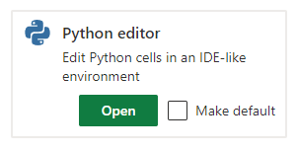

Select Python editor in Excel Labs

 | 3. Give it a try! You can edit any existing formulas or create new Python formulas in the editor.
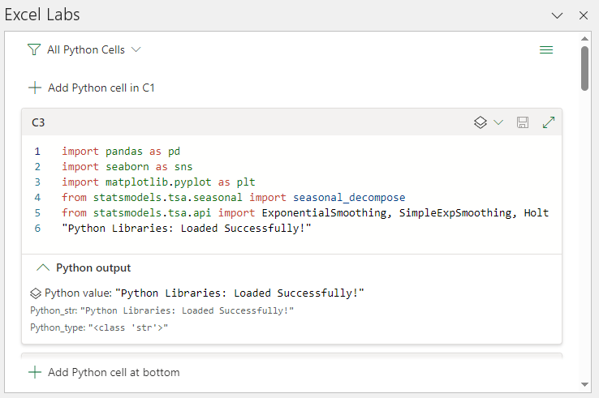

Python editor editing surface

Next Step
Go to the next tab to continue on to the next section: useful shortcuts.
 | Next, learn about useful shortcuts.

Useful shortcuts
Instructions for screen readers: Content begins in cell B3, and then continues as you move down to B4, B5 and so on. Instructions will also indicate which cells to navigate to for use of a feature, or further reading. To start, use your arrow keys to move to cell B3.

 | Useful keyboard shortcuts
Column B contains the shortcuts to use with Python in Excel and column C explains their actions.
 | Shortcut | Action
 | =PY | Enables Python formulas in an Excel cell.
 | Ctrl+Alt+Shift+C | Changes a Python plot from an image object to linked floating plot.
 | Ctrl+Alt+Shift+F9 | Resets the Python runtime. May help resolve #BUSY! or #CONNECT! errors.
 | Ctrl+Alt+Shift+M | Toggles Python formula results between Python objects and Excel values.
 | Ctrl+Alt+Shift+P | Like =PY, enables Python formulas in the current cell.
 | Ctrl+Enter | Commits Python formulas in a Python cell.
 | Ctrl+F2 | Toggles between edit mode in the cell and the formula bar.
 | Ctrl+Shift+F5 | When a cell contains a card icon, additional data is available inside card. Ctrl+Shift+F5 opens the card to display the additional data.
 | Ctrl+Shift+U | Expands or collapses the Excel formula bar to view more or fewer lines of code.
 | F2 | Toggles between Enter mode and Edit mode in a Python cell. Edit mode allows you edit the Python formula, and Enter mode allows you to select additional cells or ranges with your keyboard.
 | F9 | When a workbook is in Manual or Partial calculation mode, F9 recalculates the workbook.
Next Step
 | Next, check out other Python in Excel resources.

