Hoja1
Desafio 3
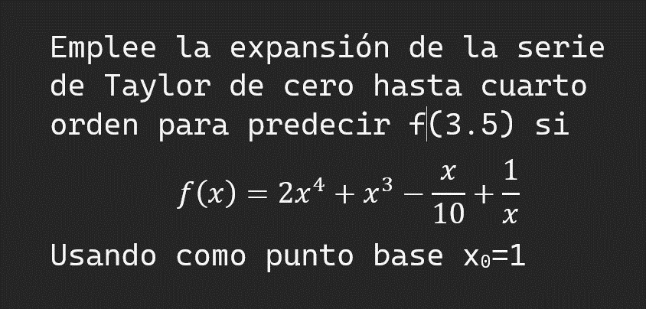

 | USAREMOS LA SIGUIENTE FORMULA

 | REALIZAMOS LAS ITERACIONES:

 |  |  | x0 | 1
 |  |  | x1 | 3.5
 |  |  | f(x0)= | 3.9
 |  |  | f(x1)= | ?
 |  |  | h= | 2.5
 |  |  | f(x1)= | 342.93571429

 | # | f(x) | Rn
 | 0 | 3.9 | 24.75 |  | f(x1) = f(x0) + R0
 | 1 | 28.65 | 100 |  | R0 = f'(x)h
 | 2 | 128.65 | 125
 | 3 | 253.65 | 117.1875
 | 4 | 370.8375
 |  |  |  |  | f(x1) = f(x0) + f'(x) h + R1
 |  |  |  |  | R1 = f''(x) h^2 /2!

 |  |  |  |  | f(x1) = f(x0) + f'(x) h + f''(x) h^2 /2! + R2
 |  |  |  |  | R1 = f'''(x) h^3 /3!

 |  |  |  |  | f(x1) = f(x0) + f'(x) h + f''(x) h^2 /2! + f'''(x) h^3 /3!
 |  |  |  |  | R1 = f''''(x) h^4 /4!

