Trial Data
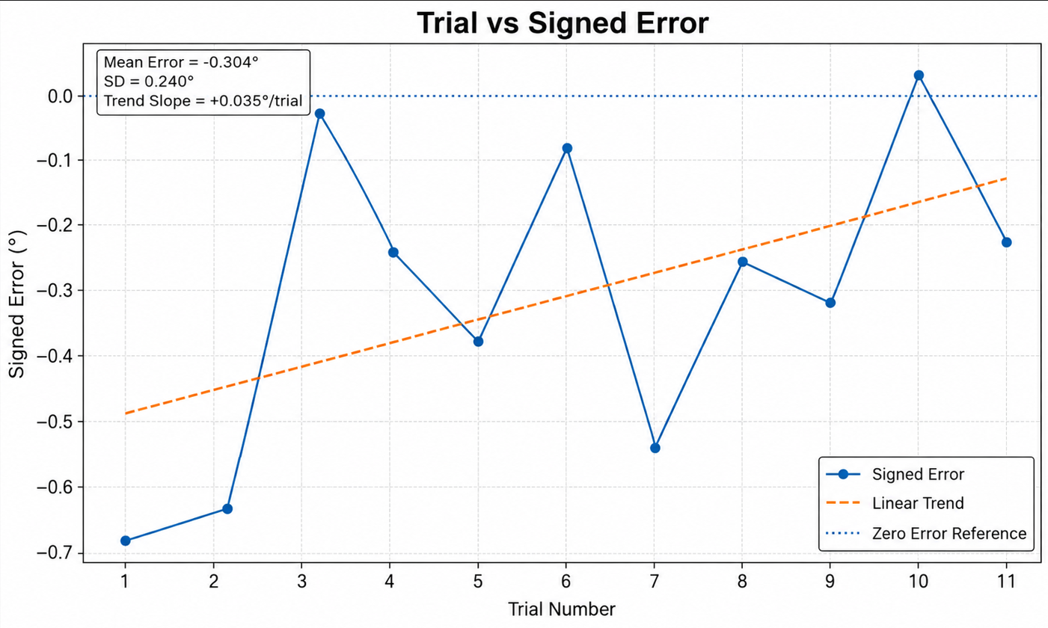
Trial | Time | Motor | Axis | Commanded Rotation (°) | Measured Rotation (°) | Signed Error (°) | Absolute Error (°) | Percent Error (%) | Software Start (°) | Software End (°)
1 | 2026-08-13 18:00:29 | 1 | Pitch | 15.075 | 14.389 | -0.686 | 0.686 | 4.551 | 15.080 | 30.150
2 | 2026-08-13 18:01:04 | 1 | Pitch | 15.075 | 14.446 | -0.629 | 0.629 | 4.174 | 0.000 | 15.075
3 | 2026-08-13 18:01:24 | 1 | Pitch | 15.075 | 15.063 | -0.012 | 0.012 | 0.077 | 15.075 | 30.150
4 | 2026-08-13 18:01:43 | 1 | Pitch | 15.075 | 14.828 | -0.247 | 0.247 | 1.636 | 30.150 | 45.225
5 | 2026-08-13 18:02:01 | 1 | Pitch | 15.075 | 14.699 | -0.376 | 0.376 | 2.497 | 45.225 | 60.300
6 | 2026-08-13 18:02:20 | 1 | Pitch | 15.075 | 14.994 | -0.081 | 0.081 | 0.536 | 60.300 | 75.375
7 | 2026-08-13 18:02:25 | 1 | Pitch | 15.075 | 14.529 | -0.546 | 0.546 | 3.620 | 75.375 | 90.450
8 | 2026-08-13 18:02:49 | 1 | Pitch | 15.075 | 14.820 | -0.255 | 0.255 | 1.690 | 90.450 | 105.525
9 | 2026-08-13 18:03:03 | 1 | Pitch | 15.075 | 14.758 | -0.317 | 0.317 | 2.101 | 105.525 | 120.600
10 | 2026-08-13 18:03:18 | 1 | Pitch | 15.075 | 15.108 | 0.033 | 0.033 | 0.216 | 120.600 | 135.675
11 | 2026-08-13 18:03:28 | 1 | Pitch | 15.075 | 14.845 | -0.230 | 0.230 | 1.523 | 135.675 | 150.750

Professor Summary
Motor 1 Repeatability — Trial vs Signed Error

Metric | Value |  | Trend Metric | Value
Number of trials | 11 |  | Linear slope (°/trial) | 0.035
Mean signed error (°) | -0.304 |  | Intercept (°) | -0.513
Standard deviation (°) | #NAME? |  | Interpretation | Positive slope = error becomes less negative over repeated trials
Mean absolute error (°) | 0.310
RMSE (°) | 0.380
Minimum signed error (°) | -0.686
Maximum signed error (°) | 0.033

Trial vs Signed Error
Trial | Signed Error (°) | Linear Trend (°)
1 | -0.686 | -0.478
2 | -0.629 | -0.443
3 | -0.012 | -0.409
4 | -0.247 | -0.374
5 | -0.376 | -0.339
6 | -0.081 | -0.304
7 | -0.546 | -0.269
8 | -0.255 | -0.234
9 | -0.317 | -0.200
10 | 0.033 | -0.165
11 | -0.230 | -0.130

Data note: the uploaded cumulative CSV snapshots contain 1 dual-axis record and 11 unique Motor 1 single-axis repeatability trials at a quantized command of 15.075°. This summary uses all 11 valid single-axis trials.

