Sheet1
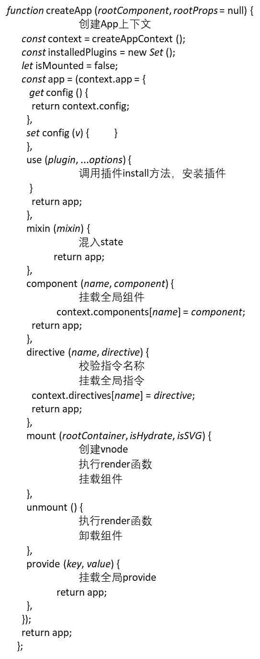

createAPP API

调用

ensureRenderer
createApp(...args)

调用创建渲染器
创建App上下文

createRenderer(rendererOptions)
createAppContext

调用

baseCreateRenderer(options): 返回一个对象：{ render, hydrate, createApp }

Sheet2
app.mount() 挂载组件

normalizeContainer(container) 规范化容器
mount()normalizeContainer

createNode (rootComponent, rootProps)
render(vnode, container, isSVG) 调用 baseCreateRenderer 内的渲染函数
如果vnode为null 执行unmount 否则执行patch方法

_createVnode(...(vnodeArgsTransformer ? vnodeArgsTransformer (args, currentRenderingInstance) : args)) _createVNode ( type, props = null, children = null, patchFlag = 0,
dynamicProps = null, isBlockNode = false )
创建Vnode
patch( container._vnode || null, vnode, container, null, null, null, isSVG) 根据vnode类型进行分类处理：
1. 修旧vnode类型不一致，卸载旧的
2. 处理文本、注释、静态节点、Fragment、Element、Component、TELEPORT、SUSPENSE
3. 执行setRef
4. 返回nextNode

{
__v_isVNode: true,
__v_skip: true,
type, // 节点类型
props, // 属性
key: props && normalizeKey (props), // 节点的key
ref: props && normalizeRef (props),
scopeId: currentScopeId, // 范围id
slotScopeIds: null,
children: null, // 子节点
component: null, // 组件
suspense: null, // 悬挂
ssContent: null,
ssFallback: null,
dirs: null, // 指令
transition: null, // 动画
el: null,
anchor: null, // 锚
target: null,
targetAnchor: null,
staticCount: 0,
shapeFlag,
patchFlag,
dynamicProps,
dynamicChildren: null,
appContext: null,
};

processComponent(n1, n2, container, anchor, parentComponent, parentSuspense, isSVG, slotScopeIds, optimized)
1. n1 不存在，判断组件是否是 COMPONENT_KEPT_ALIVE，是则执行 parentComponent.ctx.activate(n2, container, anchor, isSVG, optimized) 否则 调用 mountComponent 挂载组件
2. n1 存在 调用 updateComponent 更新组件

mountComponent(initVnode, container, anchor, parentCompoent, parentSuspent, isSVG, optimized)
1. 调用createComponentInstance(initialVNode, parentComponent, parentSuspense) 创建组件实例
2. 注册热更新
3. 为 keepAlive 注入渲染器内部结构
4. 调用setupComponent， 为setup context 解析props 和 slots
5. 调用setUpRenderEffect(instance, initialVNode, container, anchor, parentSuspense, isSVG, optimized ) 设置渲染级别的Effect。

createComponentInstance(vnode, parent, suspense)
setupComponent(instance)
1. 判断Component是否是状态组件
2. 调用 initProps(instance,por)、调用initSlots(instance, children)
3. 调用setupStatefulComponent 获取 setupResult
setUpRenderEffect(instance, initialVNode, container, anchor, parentSuspense, isSVG, optimized)
1. 组件级别的effect
2. 调用effect。给effect传componentEffect函数
3.

createRenderContent
就是将所有公共属性绑定再组件实例上。以$开头的属性或者方法
initProps(instance, rawProps，isStateFul，isSSR)
1. 调用 validateProps，遍历校验Props
2. isStateFul ? 调用shallowReactive(props) :
3. 否则判断 instance.type.props是否存在，存在则 instance.props = props; 否则instance.props = attrs;
4. instance.attrs = attrs;
initSlots(instance, children)
1. normalizeObjectSlots
2. normalizeVNodeSlots
3.
setupStatefulComponent (instance, isSSR)
1. 调用 validateComponentName、validateDirectiveName 校验组件和指令名称
2. 创建渲染代理属性访问缓存 instance.accessCache = Object.create (null);
3. 调用markRaw : instance.proxy = markRaw ( new Proxy (instance.ctx, PublicInstanceProxyHandlers) );确保 instance.proxy不会被侦测
4. 调用 exposePropsOnRenderContext(instance)，将props暴露至RenderContext
5. 如果组件中由setup, 调用setup，调用createSetResult 创建setupContext。调用 callwithHandling执行setup,
6. 获取setupResult, 如果是异步的 调用handleSetupResult(instance, resolvedResult, isSSR)
7. 如果不是异步的结果 直接调用handleSetupResult (instance, setupResult, isSSR);
8. 如果没有setup ,则直接调用 finishComponentSetup (instance, isSSR);

effect

组件实例
const instance = {
uid: uid$2++,
vnode,
type,
parent,
appContext,
root: null,
next: null,
subTree: null,
update: null,
render: null,
proxy: null,
exposed: null,
exposeProxy: null,
withProxy: null,
effects: null,
provides: parent ? parent.provides : Object.create (appContext.provides),
accessCache: null,
renderCache: [],
// local resovled assets
components: null,
directives: null,
// resolved props and emits options
propsOptions: normalizePropsOptions (type, appContext),
emitsOptions: normalizeEmitsOptions (type, appContext),
// emit
emit: null,
emitted: null,
// props default value
propsDefaults: EMPTY_OBJ,
// inheritAttrs
inheritAttrs: type.inheritAttrs,
// state
ctx: EMPTY_OBJ,
data: EMPTY_OBJ,
props: EMPTY_OBJ,
attrs: EMPTY_OBJ,
slots: EMPTY_OBJ,
refs: EMPTY_OBJ,
setupState: EMPTY_OBJ,
setupContext: null,
// suspense related
suspense,
suspenseId: suspense ? suspense.pendingId : 0,
asyncDep: null,
asyncResolved: false,
// lifecycle hooks
// not using enums here because it results in computed properties
isMounted: false,
isUnmounted: false,
isDeactivated: false,
bc: null,
c: null,
bm: null,
m: null,
bu: null,
u: null,
um: null,
bum: null,
da: null,
a: null,
rtg: null,
rtc: null,
ec: null,
sp: null,
};
{
instance.ctx = createRenderContext (instance);
}
instance.root = parent ? parent.root : instance;
instance.emit = emit.bind (null, instance);
reactiveEffect
handleSetupResult(instance, setupResult, isSSR)
1. 如果setupResult为函数，则会将setup返回结果作为一个内部渲染函数：instance.render = setupResult;
2. 如果setupResult为对象：instance.setupState = proxyRefs (setupResult);
3. 执行exposeSetupStateOnRenderContext函数，将setupResult暴露给渲染上下文
4. exposeSetupStateOnRenderContext函数就是通过遍历setupResult，通过Object.defineProperty在ctx上定义state
finishComponentSetup(instance, isSSR) 存在于整个解析、转换、生成阶段
1. 调用setup或者compileToFunction生成渲染函数。从component.template 获取template, 从instance.appContext.config获取编译Options并与Component中的compilerOptions组合成zinalCompilerOptions
执行 compile (template, finalCompilerOptions); 获取渲染函数
2. 对vue2做兼容处理
const setupResult = callWithErrorHandling ( setup, instance, 0 , // 将props $attrs $slots expose传给setup函数 [shallowReadonly (instance.props), setupContext] );
调用shallowReadonly函数 将props $attrs $slots expose 传给 setup 函数
执行setup函数的过程中：
1. 执行setup函数中调用的reactive API。对state进行track、并转为响应式
2. 如果没有setup函数会手动完成setup函数 对Vue2进行兼容处理，调用compiler生成渲染函数

componentEffect
function exposeSetupStateOnRenderContext (instance) {
const {ctx, setupState} = instance;
Object.keys (toRaw (setupState)).forEach (key => {
if (!setupState.__isScriptSetup && (key[0] === '$' || key[0] === '_')) {
warn (
`setup() return property ${JSON.stringify (key)} should not start with "$" or "_" ` +
`which are reserved prefixes for Vue internals.`
);
return;
}
Object.defineProperty (ctx, key, {
enumerable: true,
configurable: true,
get: () => setupState[key],
set: NOOP,
});
});
}

compileToFunction (template, options)
1. 检验template，确保template是 string 或者innerHTML
2. 尝试获取先前的编译缓存，如果有则返回否则据需 cached = compileCache[key];
3. 调用compile$1(template, {hoistStatic, onError, onWarn}, options) 。获取编译后的 code
4. 通过new Function(code)获取render
5. 设置缓存，返回render

rendetComponentRoot(instance)
patch()

compile$1 (template, options = {})
1. 将参数传给baseCompile函数，
2. 返回baseCompile函数的执行结果
baseCompile ( template, extend ({}, parserOptions, options, { nodeTransforms: [ ignoreSideEffectTags, ...DOMNodeTransforms, ...(options.nodeTransforms || []), ], directiveTransforms: extend ( {}, DOMDirectiveTransforms, options.directiveTransforms || {} ), transformHoist: null, }) );

render(props,{attrs, slots, emit})
1. 获取渲染结果
2. 触发get函数，进行track
processElement(n1, n2, container, anchor, parentComponent, parentSuspense, isSVG， slotSCopeIds, optimized)

baseCompile(template, options)
1. 调用baseParse(template, options) 获取ast
2. 调用transform(ast, options) 对ast进行转化
3. 调用generate(ast, options) 进行代码生成

mountElement(n1, n2, container, anchor, parentComponent, parentSuspense, isSVG， slotSCopeIds, optimized)

解析上下文 context = {
options,
column: 1,
line: 1,
offset: 0,
originalSource: content,
source: content,
inPre: false,
inVPre: false,
onWarn: options.onWarn,
};
content就是template
baseParse(content, options)
1. 调用 createParserContext(context，options)获取context 解析上下文
2. 调用getCursor获取start
3. 调用createRoot(parseChildren (context, 0, []),getSelection (context, start)) 获取 ast

parseChidren(contxt, mode, ancestors)
1. 调用parseElement 解析元素
2. 调用ParseChildren进行递归解析
3. 调用oaeseTag解析tag
4. 调用parseAttributes解析attr
5.调用parseAttribute解析attr
6. 调用parseAttributeValue解析 attr值
7. 调用parseTextData解析value
8.调用advanceBy推进解析
9. 调用parseInterPolation解析插值
6. 调用paeseText解析Text
transfrom(root, options)
1. 调用createTransFormContext(root, options) 创建转化上下文。
2. 调用 traverseNode(root, context)转换节点
3. 调用hoistStatic(root, context)
4. 调用createRootCodegen(root, context)
generate(ast, extend({}, options, {prefixIndentifiers})) 生成code

traverseNode(node, context)
1. 调用traverseChildren 转换子节点
2. traverseChildren内 递归调用traverseNode ，遍历转换子节点
3. 调用transformOn、transformIf 、transformBind、transformFor
、transformText....转换节点
3. 处理节点中的表达式 & porp

Sheet3
patch(n1,
n2,
container,
anchor = null,
parentComponent = null,
parentSuspense = null,
isSVG = false,
slotScopeIds = null,
optimized = false
)

