InputData
Index | File Name | Description
1 | depletion.csv | This file include 6 different monthly normal demand scenarios for UB, LB and LB&M (in the current version of model, only one is included and tested). (1) Annual UB demand comes from CRSS UBDelivery.AnnualNormal slot, monthly data are calcualted in a slot defined by the author(DepletionAndShort_JIAN.UBMonthDemand slot shown in right figure), sum of monthly data is equal to annual data. (2) Annual LB demand comes from CRSS LBDelivery.AnnualStateDemand slot, monthly data are calcualted in a slot defined by the author (DepletionAndShort_JIAN.LBMonthDemand slot shown in right figure, sum of monthly data is equal to annual data) (3) Mexico demand comes from CRSS MexicoDiversion:MexicoDiversion.Depletion Schedule slot, annual results equals to 1,500,000 acre-feet. LB&M = LB + Mexico monthly results. | UB monthly demand | 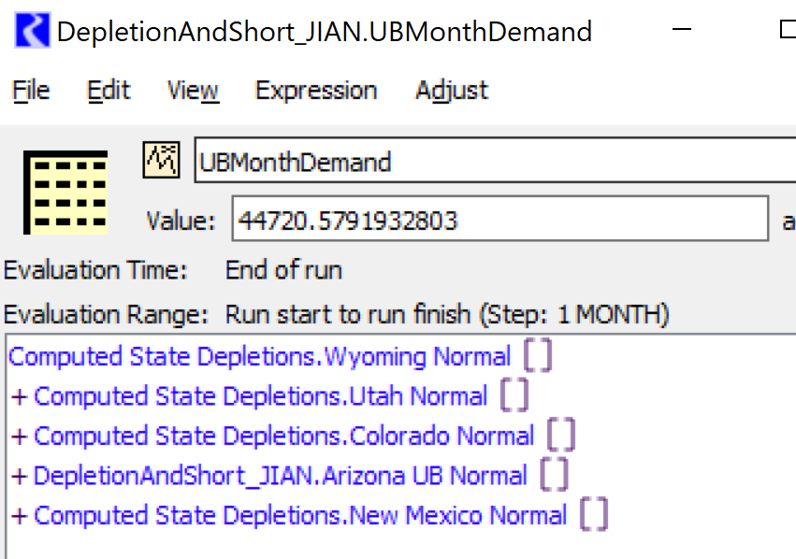 | 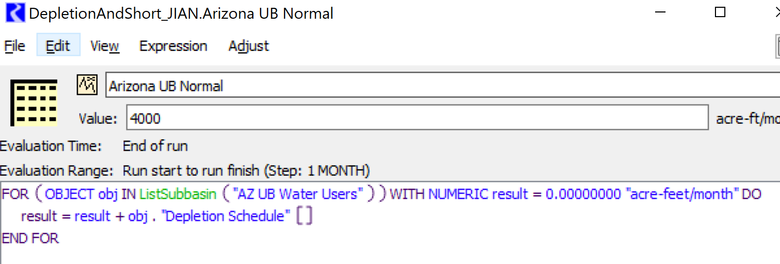

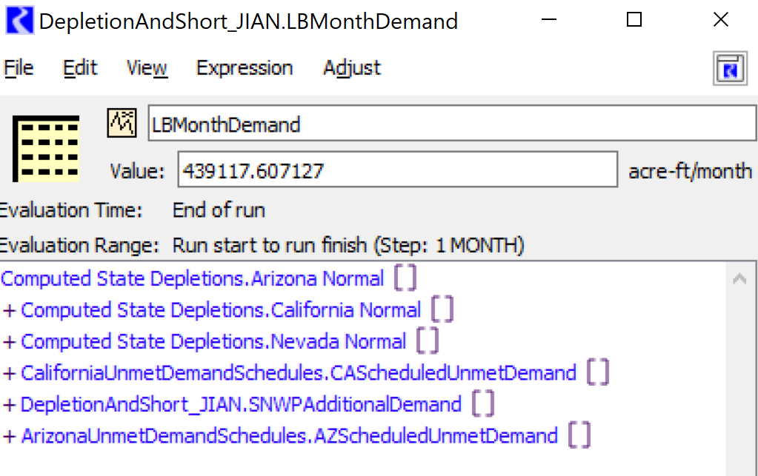
 |  |  | LB monthly demand

