key
column | parcelid | venn graph
sample_value | 13853569 12882708 | 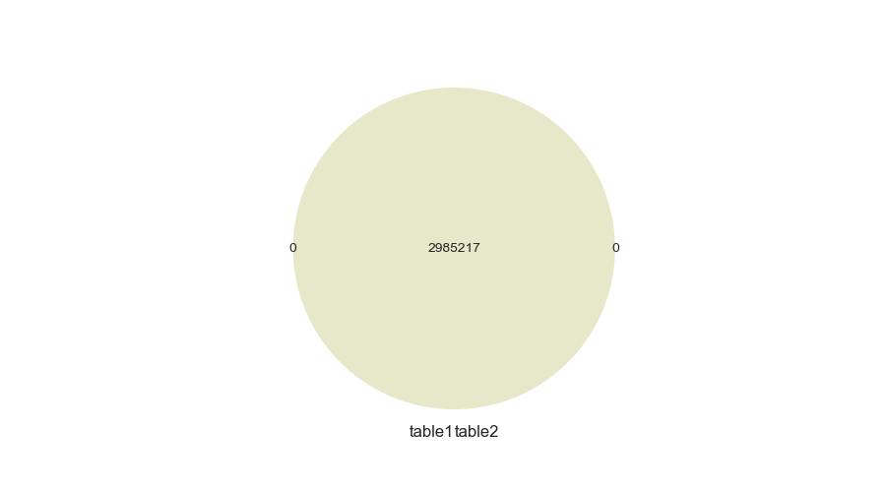
nan_rate | 0.0 0.0
num_uni | 2985217/2985217 2985217/2985217
overlap | 2985217
only in table1 | 0
only in table2 | 0
overlap rate | 1

column | rawcensustractandblock | venn graph
sample_value | 60378005.062 60375770.001 | 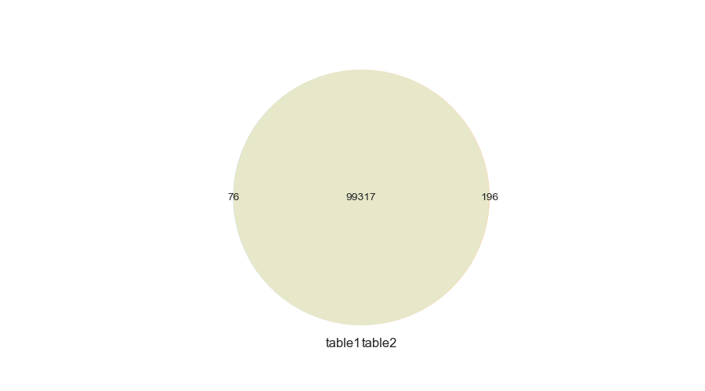
nan_rate | 0.004 0.001
num_uni | 99393/2973780 99513/2982285
overlap | 99317
only in table1 | 76
only in table2 | 196
overlap rate | 0.997

column | censustractandblock | venn graph
sample_value | 6.0376512014e+13 6.0371942001e+13 | 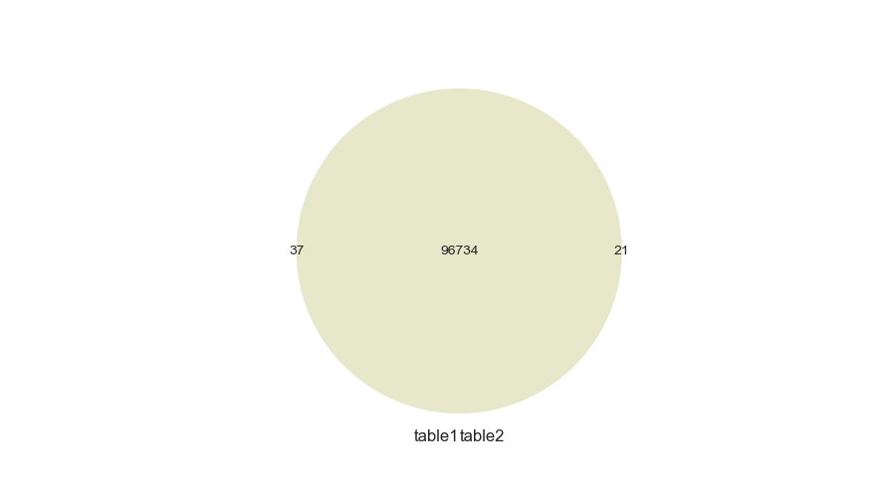
nan_rate | 0.025 0.025
num_uni | 96771/2910091 96755/2910232
overlap | 96734
only in table1 | 37
only in table2 | 21
overlap rate | 0.999

numeric
column | basementsqft | consistency check
corr | 1 | 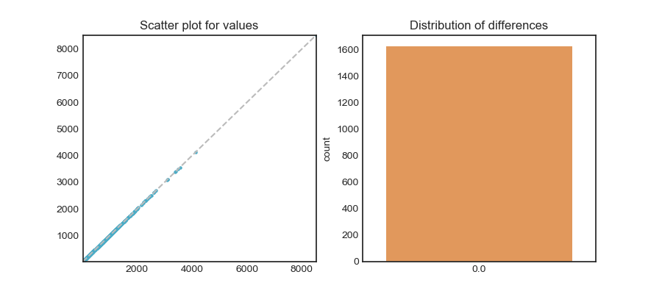
min diff | 0
mean diff | 0
median diff | 0
max diff | 0

column | bathroomcnt | consistency check
corr | 0.992 | 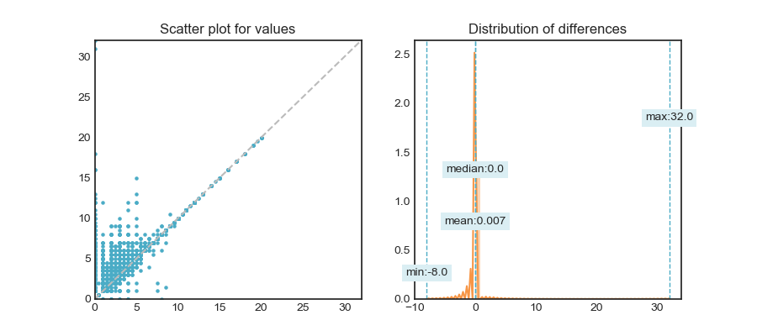
min diff | -8
mean diff | 0.007
median diff | 0
max diff | 32

column | bedroomcnt | consistency check
corr | 0.994 | 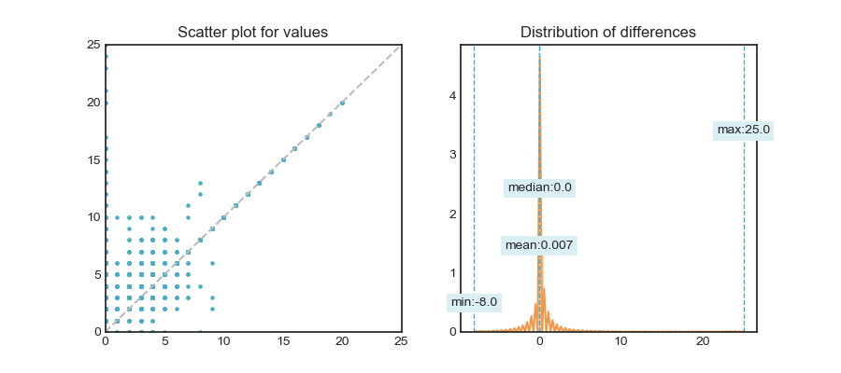
min diff | -8
mean diff | 0.007
median diff | 0
max diff | 25

column | calculatedbathnbr | consistency check
corr | 0.999 | 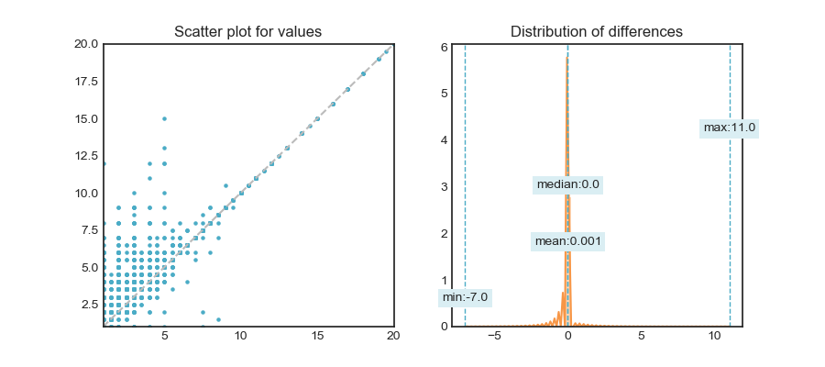
min diff | -7
mean diff | 0.001
median diff | 0
max diff | 11

column | finishedfloor1squarefeet | consistency check
corr | 0.999 | 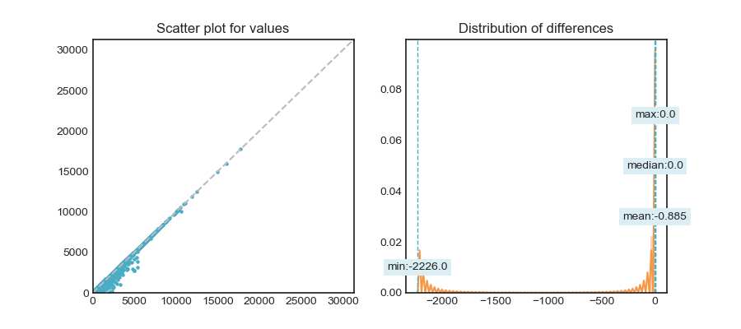
min diff | -2226
mean diff | -0.885
median diff | 0
max diff | 0

column | calculatedfinishedsquarefeet | consistency check
corr | 0.999 | 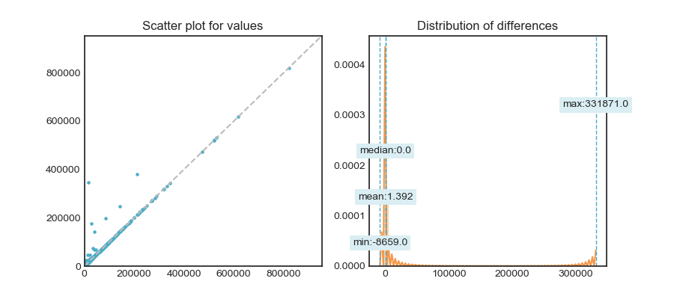
min diff | -8659
mean diff | 1.392
median diff | 0
max diff | 331871

column | finishedsquarefeet12 | consistency check
corr | 1 | 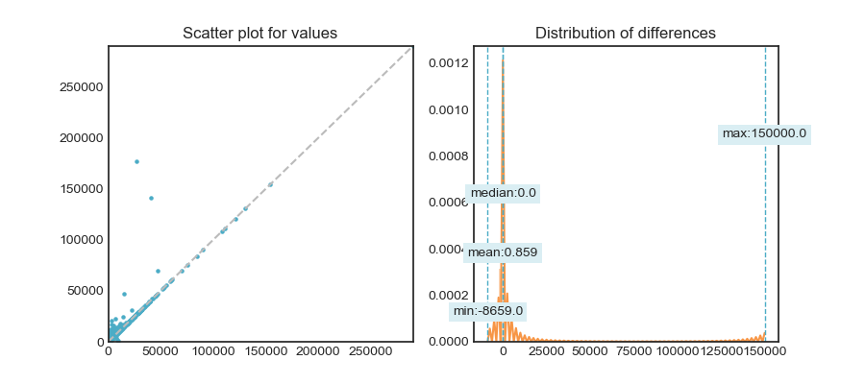
min diff | -8659
mean diff | 0.859
median diff | 0
max diff | 150000

column | finishedsquarefeet13 | consistency check
corr | 1 | 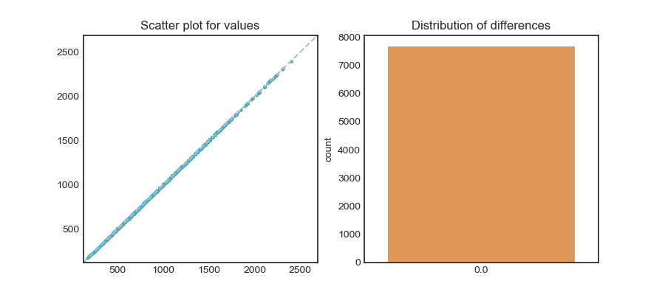
min diff | 0
mean diff | 0
median diff | 0
max diff | 0

column | finishedsquarefeet15 | consistency check
corr | 1 | 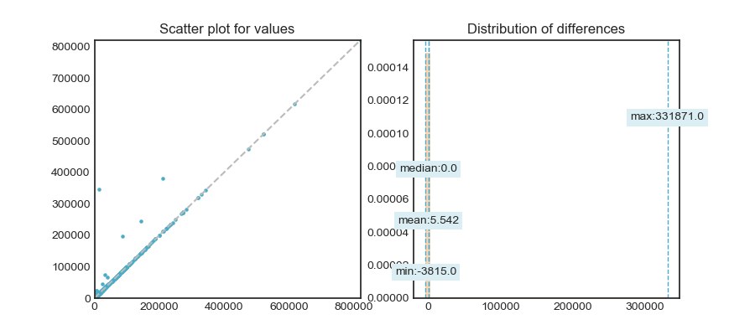
min diff | -3815
mean diff | 5.542
median diff | 0
max diff | 331871

column | finishedsquarefeet50 | consistency check
corr | 0.998 | 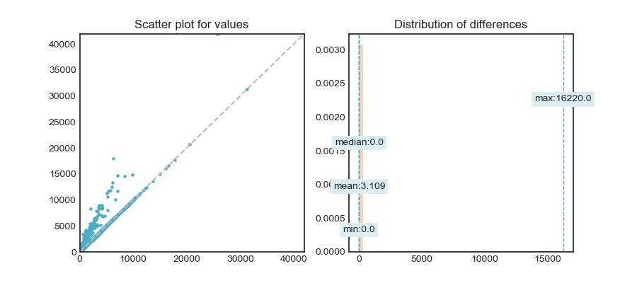
min diff | 0
mean diff | 3.109
median diff | 0
max diff | 16220

column | finishedsquarefeet6 | consistency check
corr | 1 | 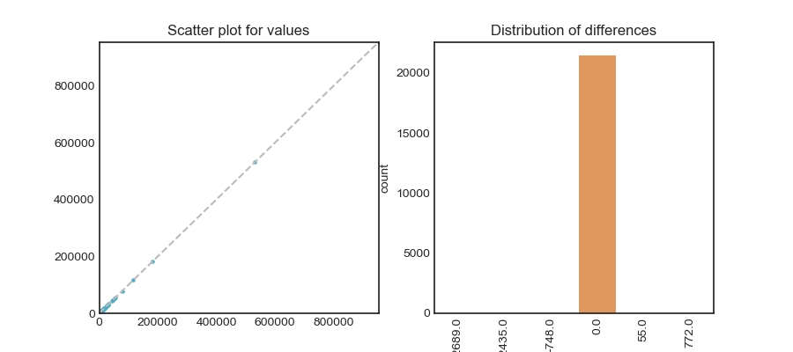
min diff | -2689
mean diff | -0.235
median diff | 0
max diff | 772

column | fireplacecnt | consistency check
corr | 0.999 | 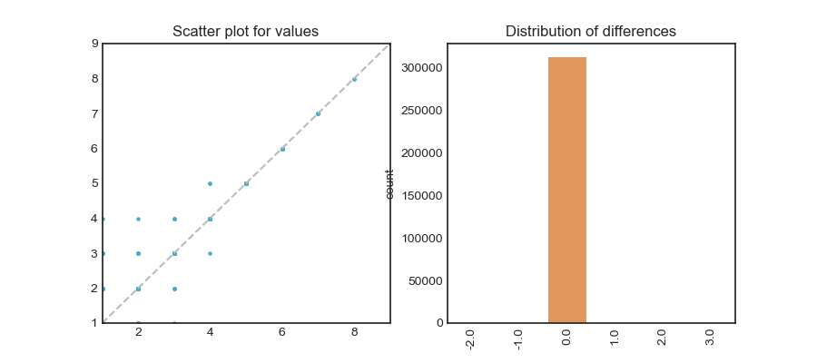
min diff | -2
mean diff | 0
median diff | 0
max diff | 3

column | fullbathcnt | consistency check
corr | 0.999 | 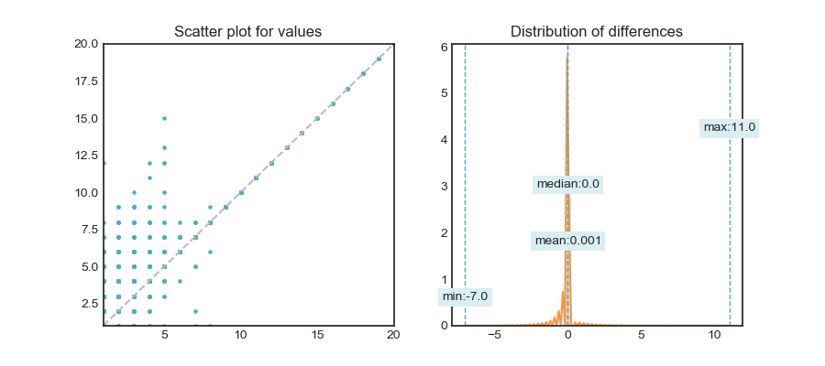
min diff | -7
mean diff | 0.001
median diff | 0
max diff | 11

column | garagecarcnt | consistency check
corr | 0.997 | 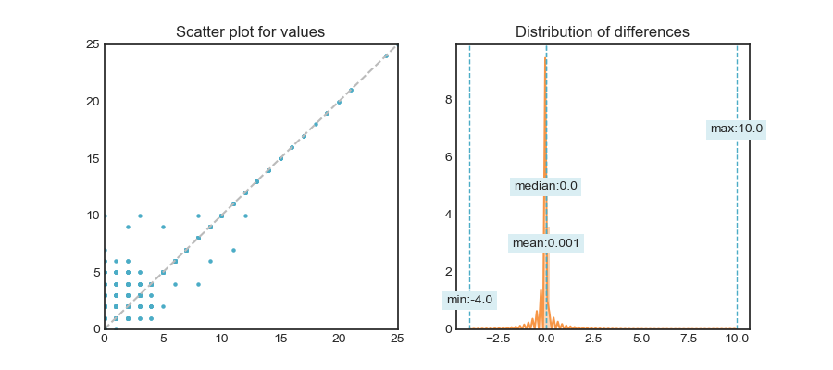
min diff | -4
mean diff | 0.001
median diff | 0
max diff | 10

column | garagetotalsqft | consistency check
corr | 0.998 | 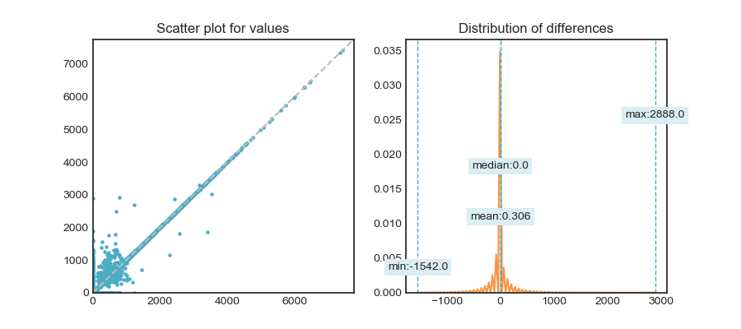
min diff | -1542
mean diff | 0.306
median diff | 0
max diff | 2888

column | latitude | consistency check
corr | 1 | 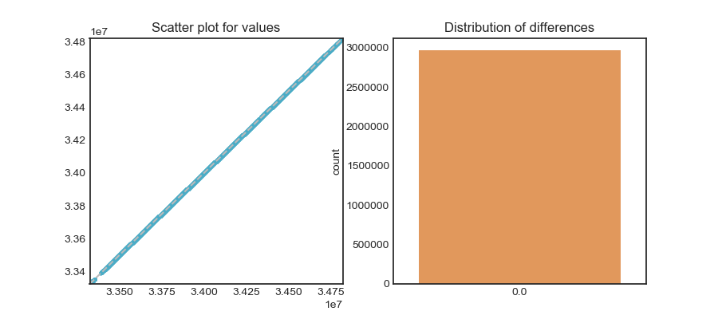
min diff | 0
mean diff | 0
median diff | 0
max diff | 0

column | longitude | consistency check
corr | 1 | 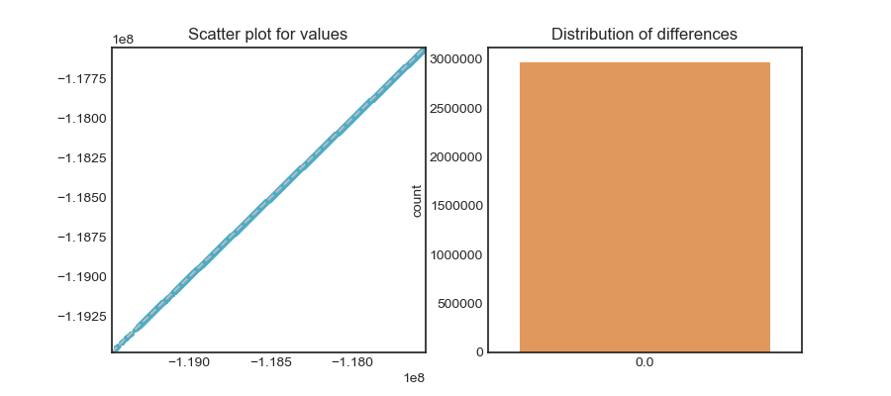
min diff | 0
mean diff | 0
median diff | 0
max diff | 0

column | lotsizesquarefeet | consistency check
corr | 1 | 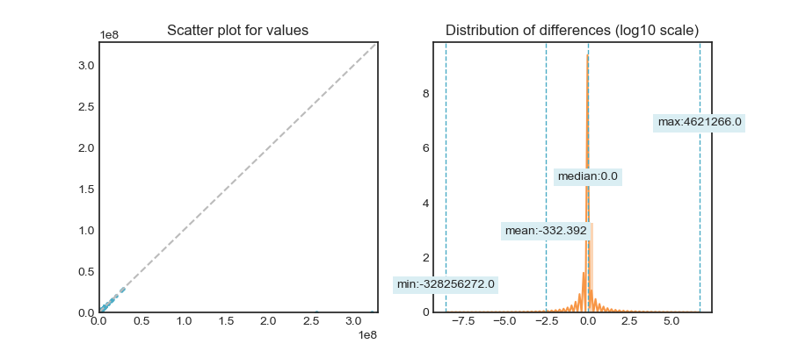
min diff | -328256272
mean diff | -332.392
median diff | 0
max diff | 4621266

column | poolcnt | consistency check
corr |  | 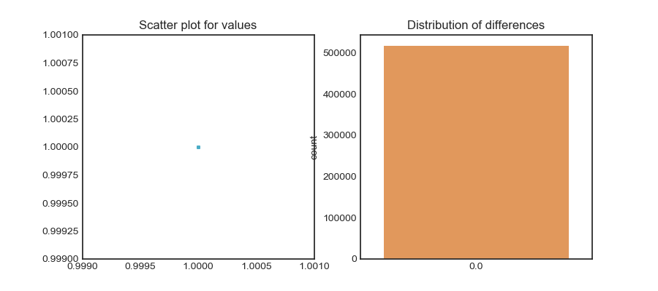
min diff | 0
mean diff | 0
median diff | 0
max diff | 0

column | poolsizesum | consistency check
corr | 1 | 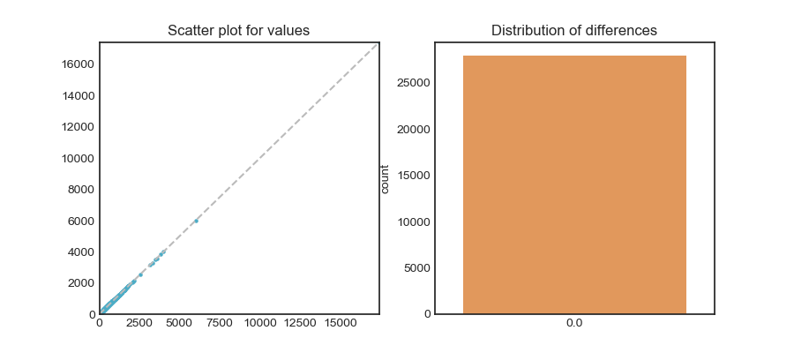
min diff | 0
mean diff | 0
median diff | 0
max diff | 0

column | roomcnt | consistency check
corr | 0.999 | 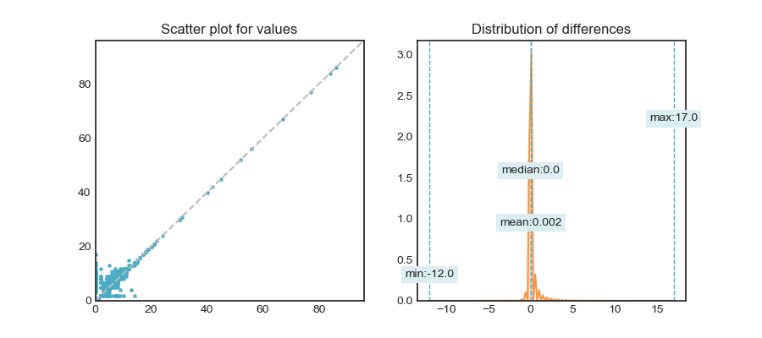
min diff | -12
mean diff | 0.002
median diff | 0
max diff | 17

column | threequarterbathnbr | consistency check
corr | 0.997 | 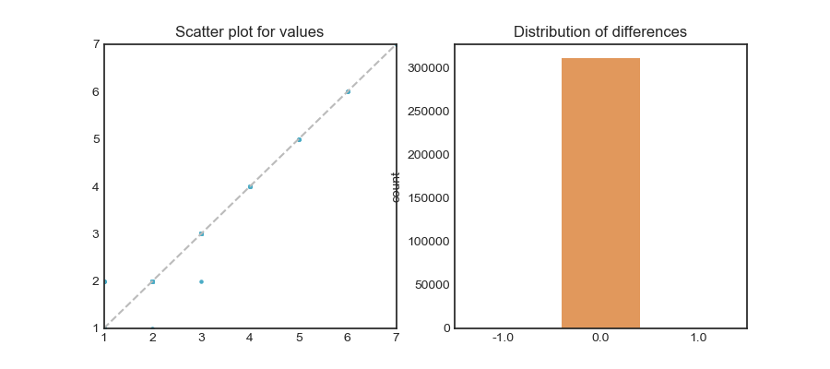
min diff | -1
mean diff | 0
median diff | 0
max diff | 1

column | unitcnt | consistency check
corr | 1 | 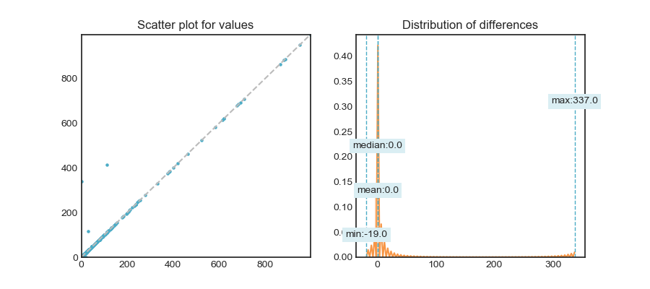
min diff | -19
mean diff | 0
median diff | 0
max diff | 337

column | yardbuildingsqft17 | consistency check
corr | 0.995 | 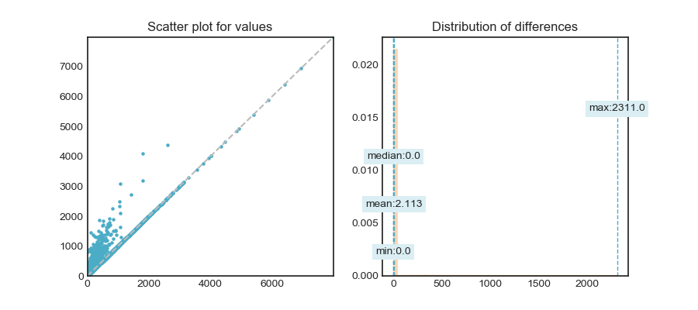
min diff | 0
mean diff | 2.113
median diff | 0
max diff | 2311

column | yardbuildingsqft26 | consistency check
corr | 1 | 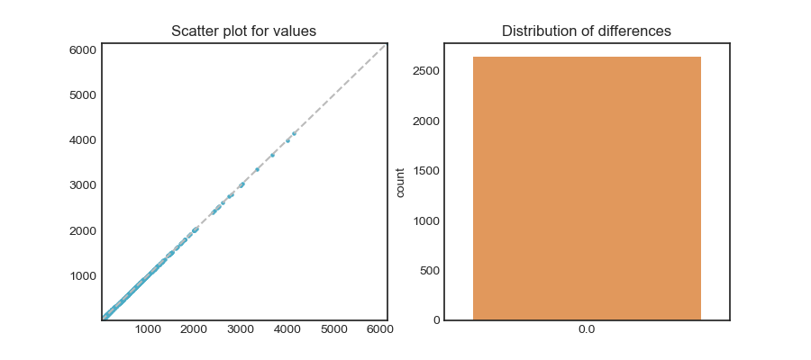
min diff | 0
mean diff | 0
median diff | 0
max diff | 0

column | numberofstories | consistency check
corr | 1 | 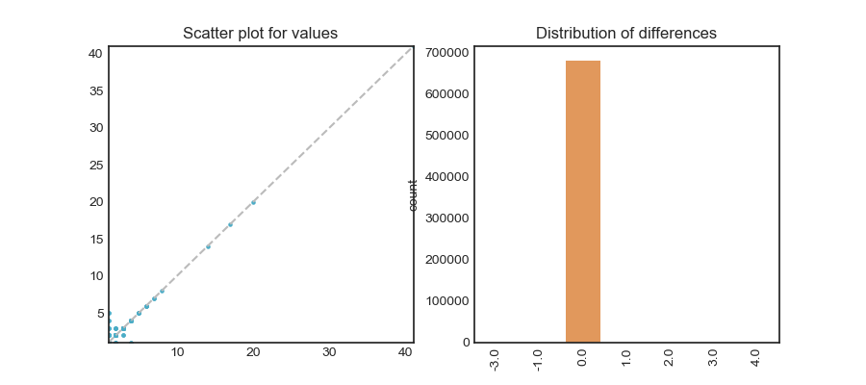
min diff | -3
mean diff | 0
median diff | 0
max diff | 4

column | structuretaxvaluedollarcnt | consistency check
corr | 0.982 | 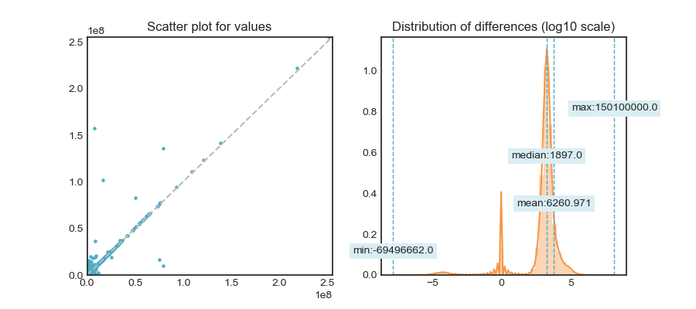
min diff | -69496662
mean diff | 6260.971
median diff | 1897
max diff | 150100000

column | taxvaluedollarcnt | consistency check
corr | 0.972 | 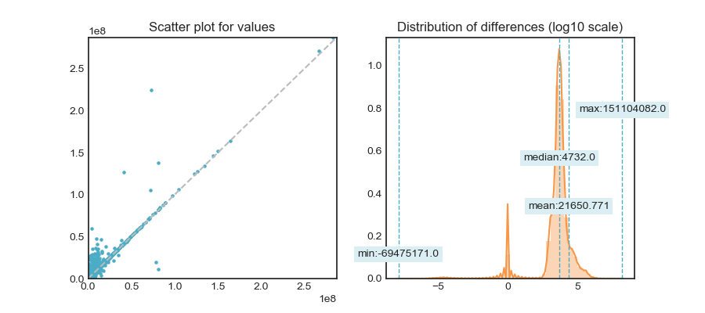
min diff | -69475171
mean diff | 21650.771
median diff | 4732
max diff | 151104082

column | landtaxvaluedollarcnt | consistency check
corr | 0.968 | 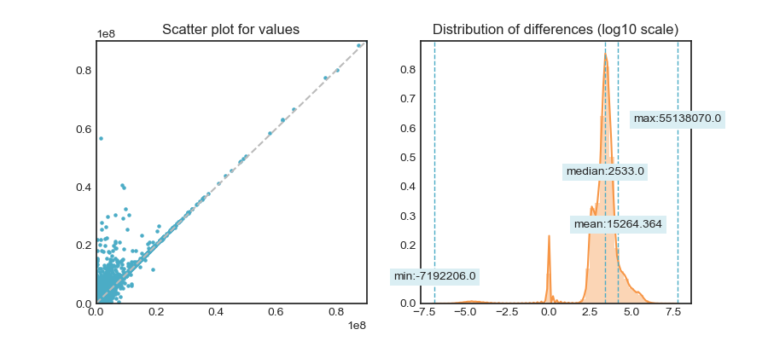
min diff | -7192206
mean diff | 15264.364
median diff | 2533
max diff | 55138070

column | taxamount | consistency check
corr | 0.997 | 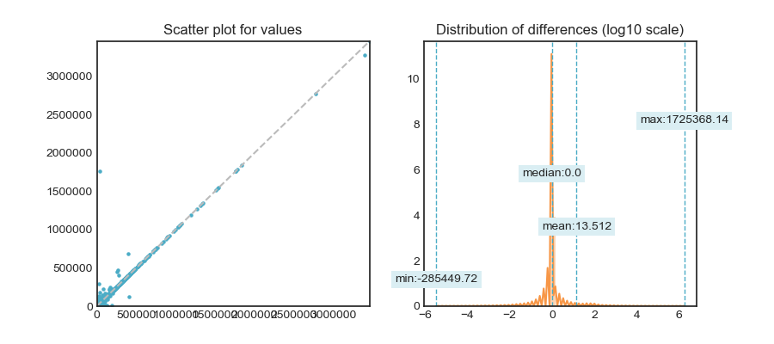
min diff | -285449.72
mean diff | 13.512
median diff | 0
max diff | 1725368.14

column | taxdelinquencyyear | consistency check
corr | 1 | 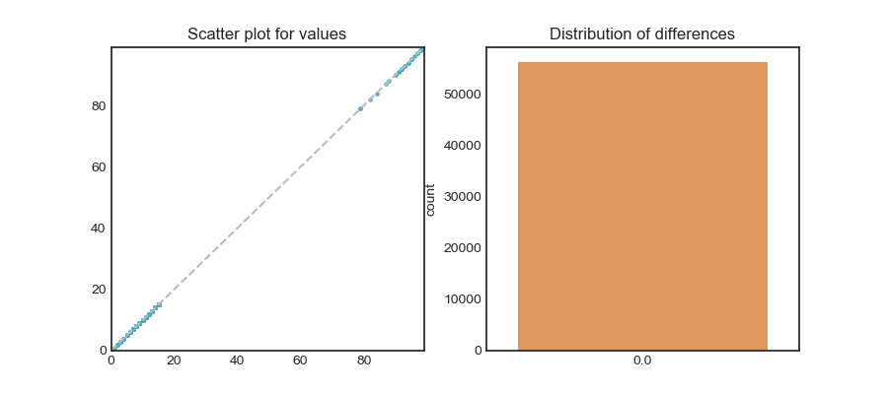
min diff | 0
mean diff | 0
median diff | 0
max diff | 0

