numeric
column | basementsqft | Distribution
sample_value | 2297 | 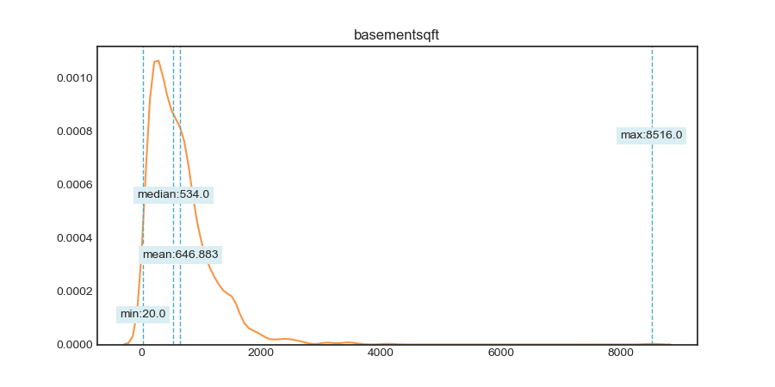
nan_rate | 0.99945464601
num_uni | 751/1628
value_min | 20
value_mean | 646.88329238
value_median | 534
value_max | 8516

column | bathroomcnt | Distribution
sample_value | 2 | 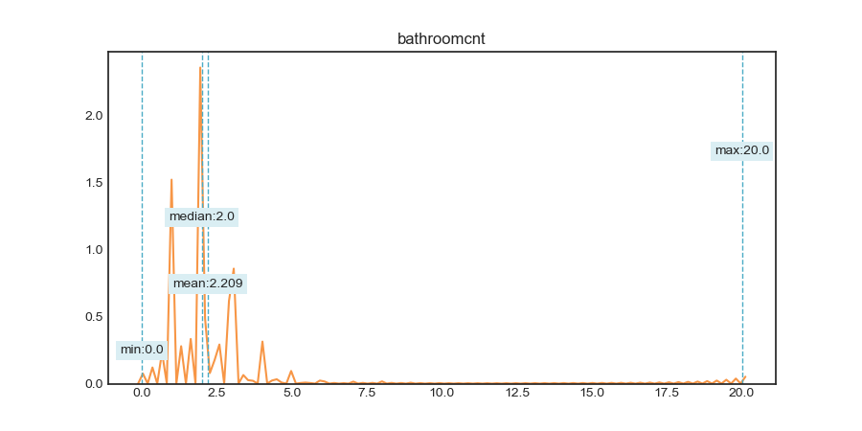
nan_rate | 0.0038395868709
num_uni | 37/2973755
value_min | 0
value_mean | 2.2091427337
value_median | 2
value_max | 20

column | bedroomcnt | Distribution
sample_value | 8 | 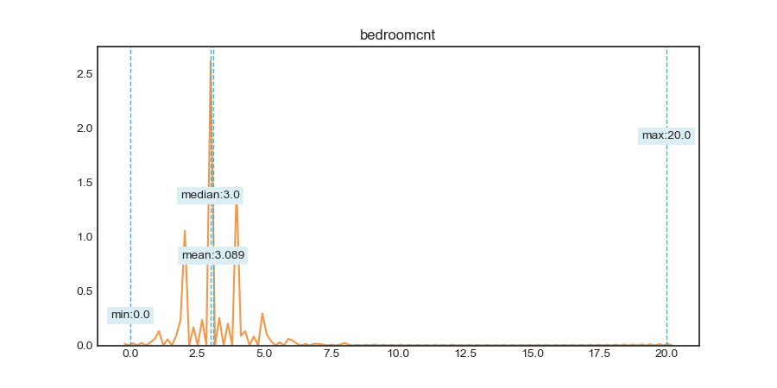
nan_rate | 0.0038355670626
num_uni | 21/2973767
value_min | 0
value_mean | 3.0889487979
value_median | 3
value_max | 20

column | calculatedbathnbr | Distribution
sample_value | 4 | 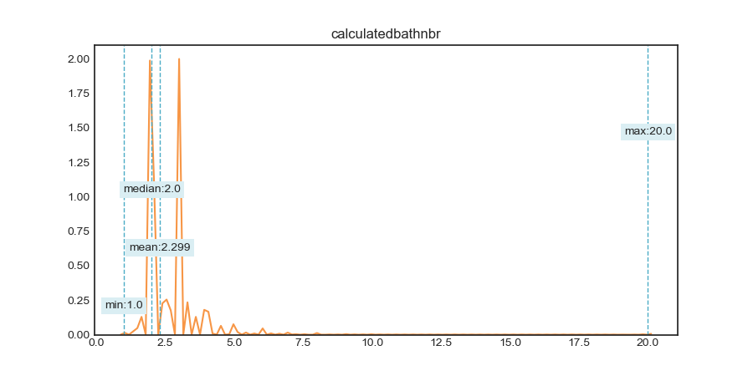
nan_rate | 0.043183460365
num_uni | 34/2856305
value_min | 1
value_mean | 2.2992625087
value_median | 2
value_max | 20

column | finishedfloor1squarefeet | Distribution
sample_value | 1405 | 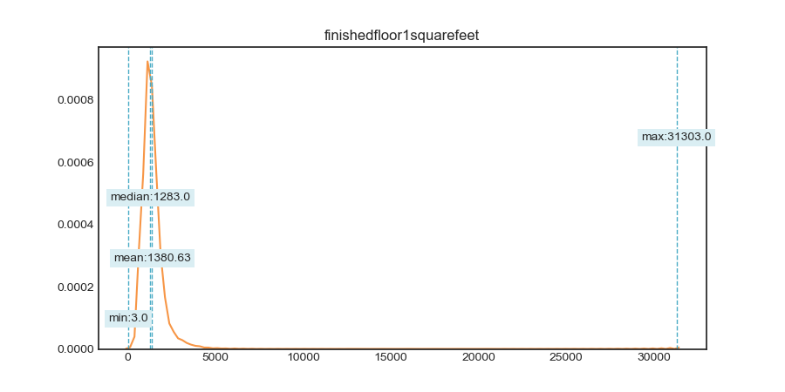
nan_rate | 0.93209304382
num_uni | 4604/202717
value_min | 3
value_mean | 1380.6303961
value_median | 1283
value_max | 31303

column | calculatedfinishedsquarefeet | Distribution
sample_value | 1486 | 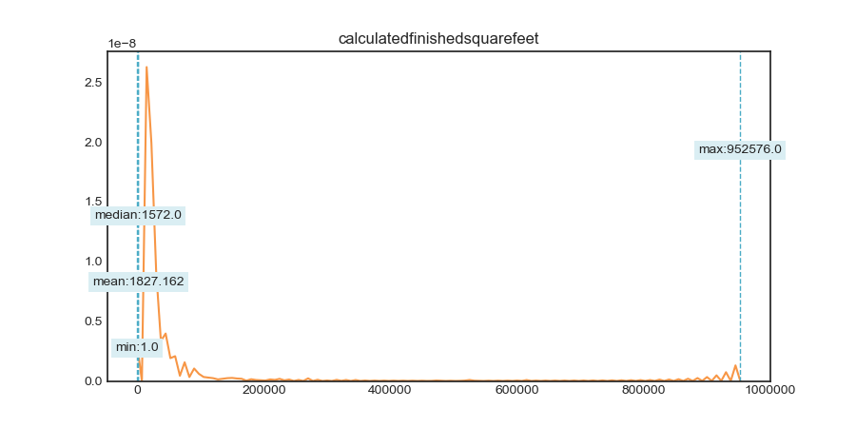
nan_rate | 0.018613387234
num_uni | 12587/2929652
value_min | 1
value_mean | 1827.1621237
value_median | 1572
value_max | 952576

column | finishedsquarefeet12 | Distribution
sample_value | 1952 | 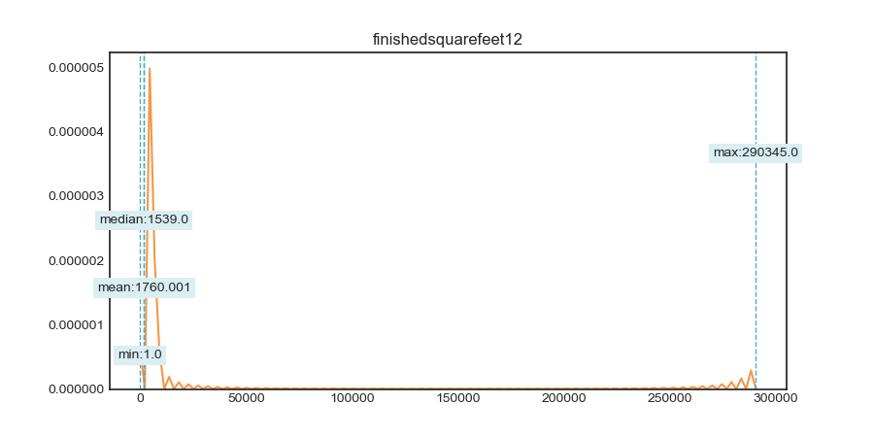
nan_rate | 0.092466644803
num_uni | 10670/2709184
value_min | 1
value_mean | 1760.0006079
value_median | 1539
value_max | 290345

column | finishedsquarefeet13 | Distribution
sample_value | 1248 | 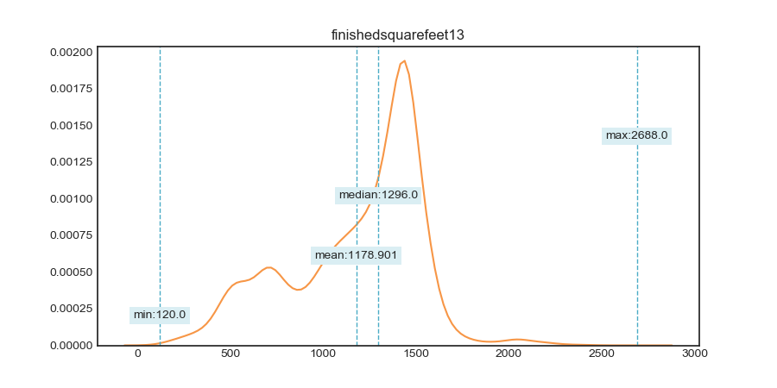
nan_rate | 0.99743000258
num_uni | 250/7672
value_min | 120
value_mean | 1178.9006778
value_median | 1296
value_max | 2688

column | finishedsquarefeet15 | Distribution
sample_value | 2146 | 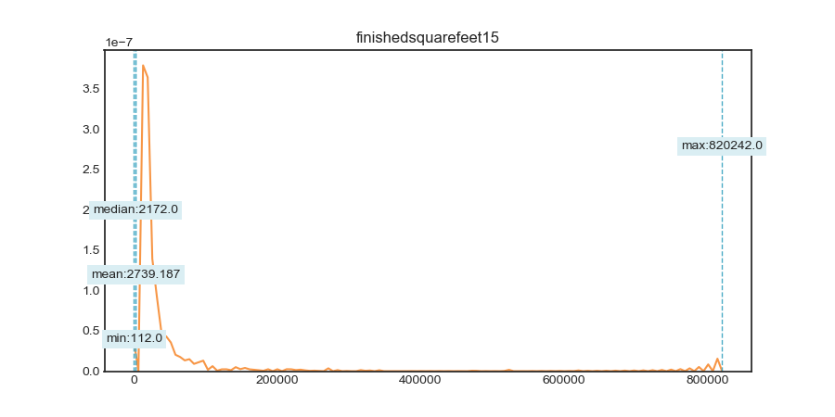
nan_rate | 0.93608571839
num_uni | 8816/190798
value_min | 112
value_mean | 2739.1872347
value_median | 2172
value_max | 820242

column | finishedsquarefeet50 | Distribution
sample_value | 1896 | 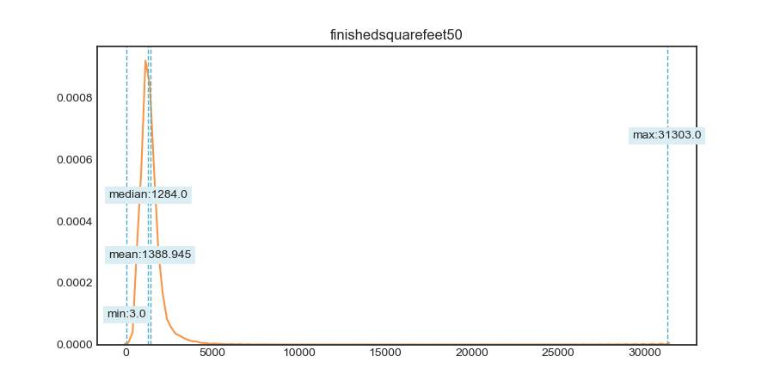
nan_rate | 0.93209304382
num_uni | 4802/202717
value_min | 3
value_mean | 1388.9445779
value_median | 1284
value_max | 31303

column | finishedsquarefeet6 | Distribution
sample_value | 2168 | 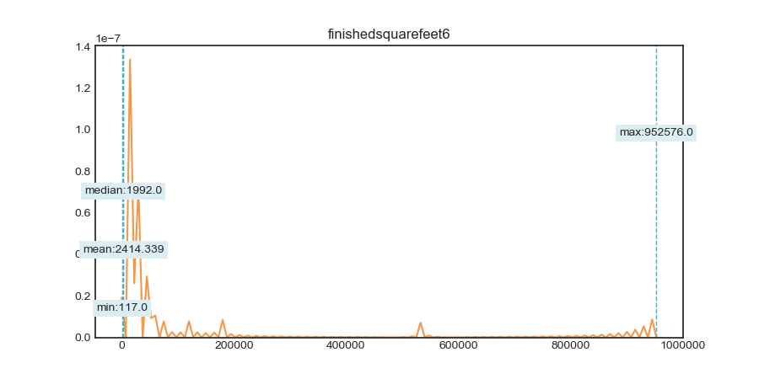
nan_rate | 0.99263001651
num_uni | 4251/22001
value_min | 117
value_mean | 2414.3394391
value_median | 1992
value_max | 952576

column | fireplacecnt | Distribution
sample_value | 1 | 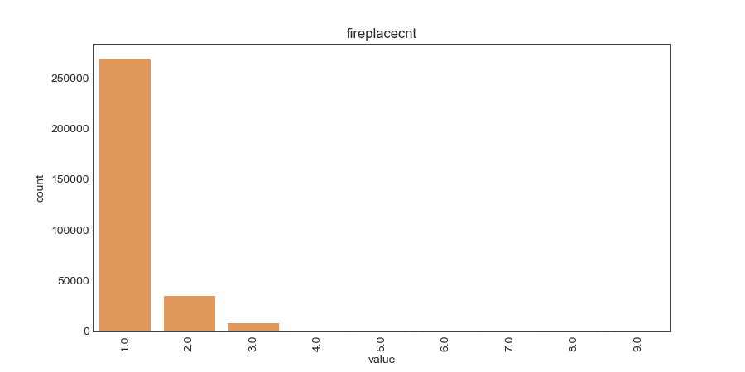
nan_rate | 0.89527160002
num_uni | 9/312637
value_min | 1
value_mean | 1.1687100375
value_median | 1
value_max | 9

column | fullbathcnt | Distribution
sample_value | 2 | 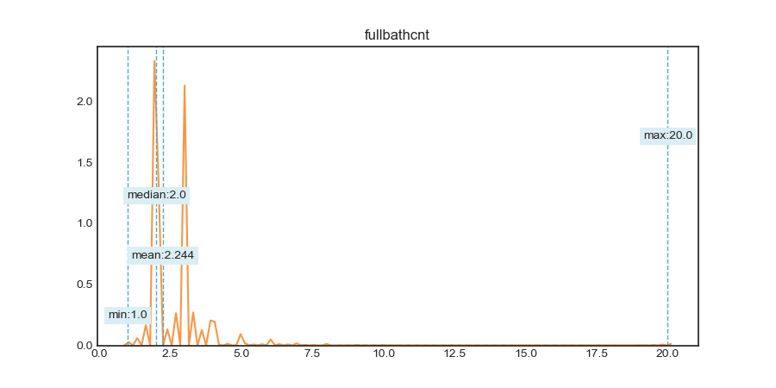
nan_rate | 0.043183460365
num_uni | 20/2856305
value_min | 1
value_mean | 2.2441651014
value_median | 2
value_max | 20

column | garagecarcnt | Distribution
sample_value | 1 | 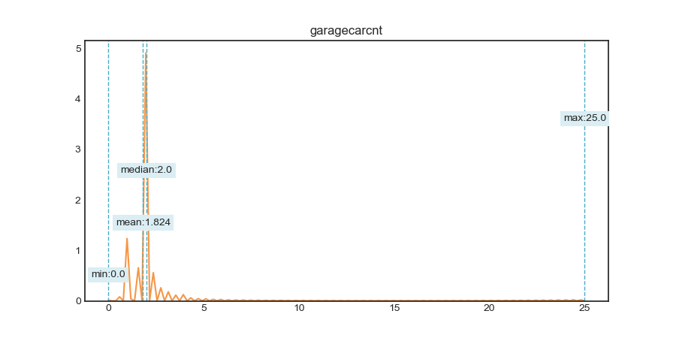
nan_rate | 0.70411966701
num_uni | 24/883267
value_min | 0
value_mean | 1.8235165584
value_median | 2
value_max | 25

column | garagetotalsqft | Distribution
sample_value | 0 | 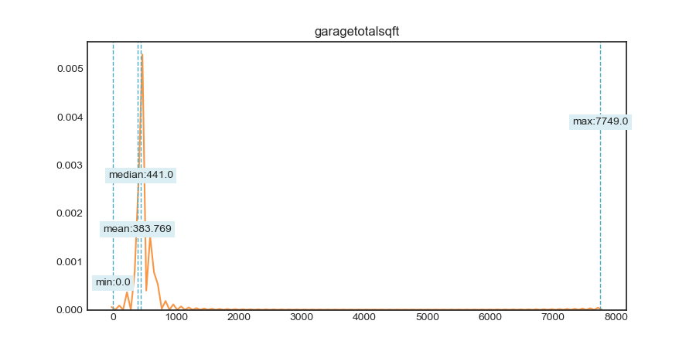
nan_rate | 0.70411966701
num_uni | 2240/883267
value_min | 0
value_mean | 383.7693574
value_median | 441
value_max | 7749

column | latitude | Distribution
sample_value | 34025452 | 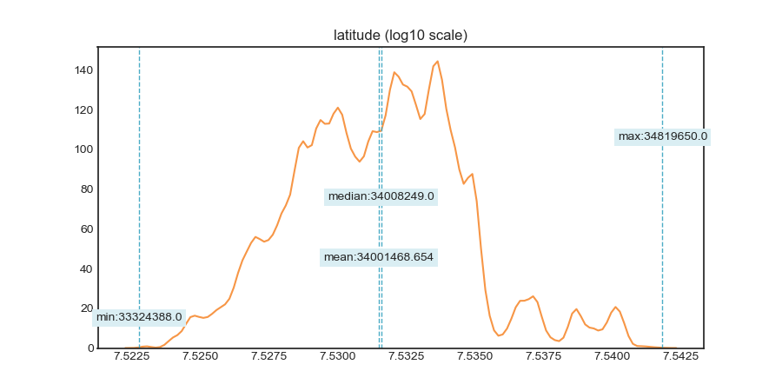
nan_rate | 0.0038312122703
num_uni | 852325/2973780
value_min | 33324388
value_mean | 34001468.654
value_median | 34008249
value_max | 34819650

column | longitude | Distribution
sample_value | -117764658 | 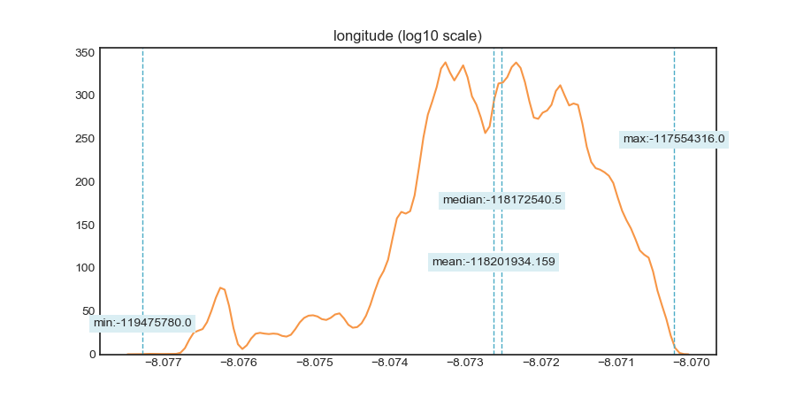
nan_rate | 0.0038312122703
num_uni | 1042550/2973780
value_min | -119475780
value_mean | -118201934.16
value_median | -118172540.5
value_max | -117554316

column | lotsizesquarefeet | Distribution
sample_value | 487246 | 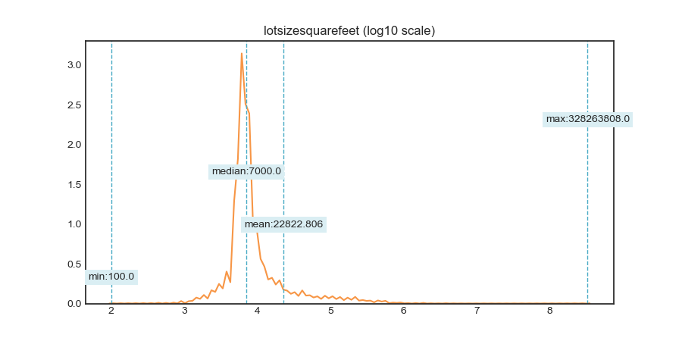
nan_rate | 0.092488753749
num_uni | 69953/2709118
value_min | 100
value_mean | 22822.805528
value_median | 7000
value_max | 328263808

column | poolcnt | Distribution
sample_value | 1 | 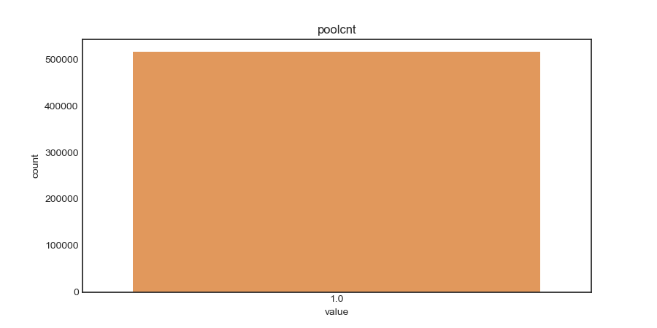
nan_rate | 0.82663437867
num_uni | 1/517534
value_min | 1
value_mean | 1
value_median | 1
value_max | 1

column | poolsizesum | Distribution
sample_value | 449 | 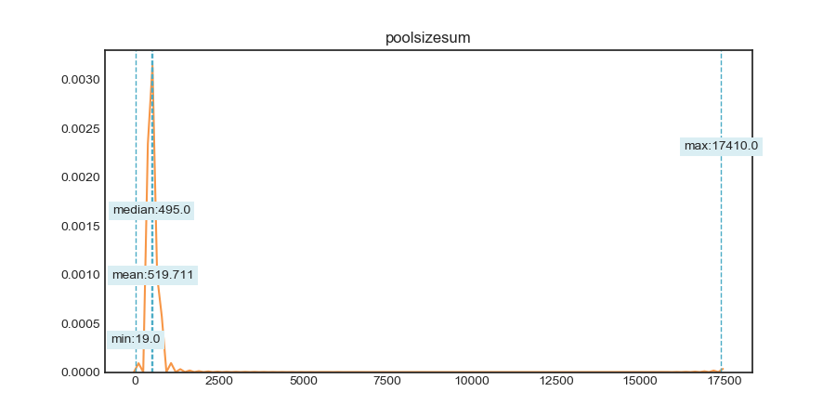
nan_rate | 0.99063384672
num_uni | 907/27960
value_min | 19
value_mean | 519.71097997
value_median | 495
value_max | 17410

column | roomcnt | Distribution
sample_value | 8 | 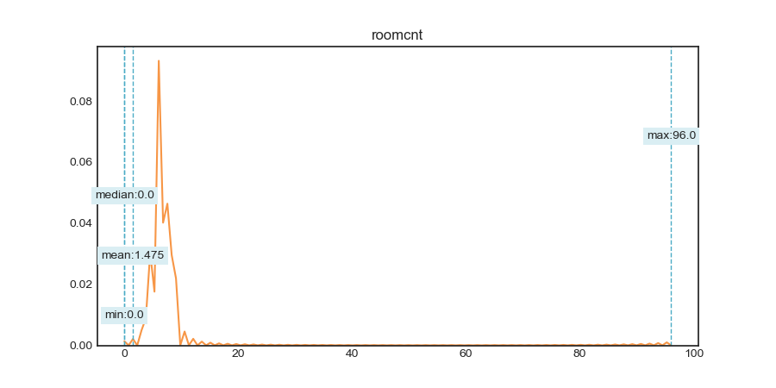
nan_rate | 0.0038439416632
num_uni | 36/2973742
value_min | 0
value_mean | 1.4750183439
value_median | 0
value_max | 96

column | threequarterbathnbr | Distribution
sample_value | 1 | 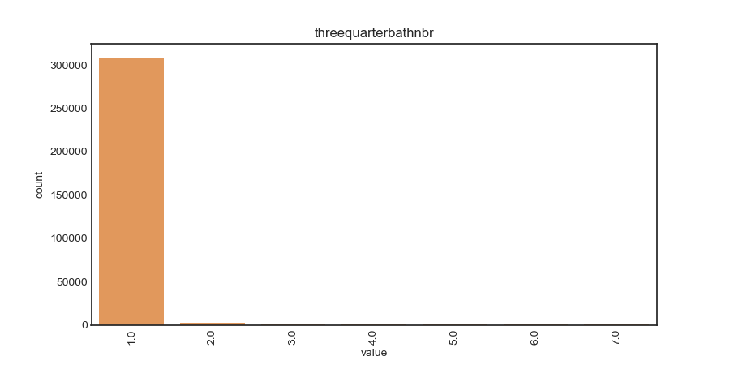
nan_rate | 0.89560859395
num_uni | 7/311631
value_min | 1
value_mean | 1.010008632
value_median | 1
value_max | 7

column | unitcnt | Distribution
sample_value | 1 | 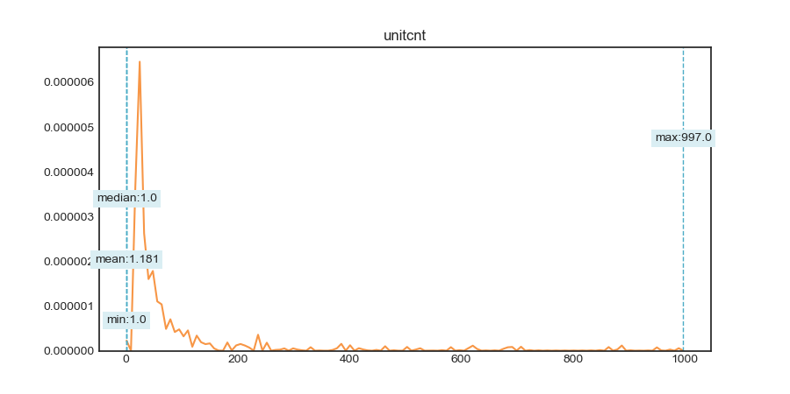
nan_rate | 0.33757244448
num_uni | 146/1977490
value_min | 1
value_mean | 1.1811710805
value_median | 1
value_max | 997

column | yardbuildingsqft17 | Distribution
sample_value | 200 | 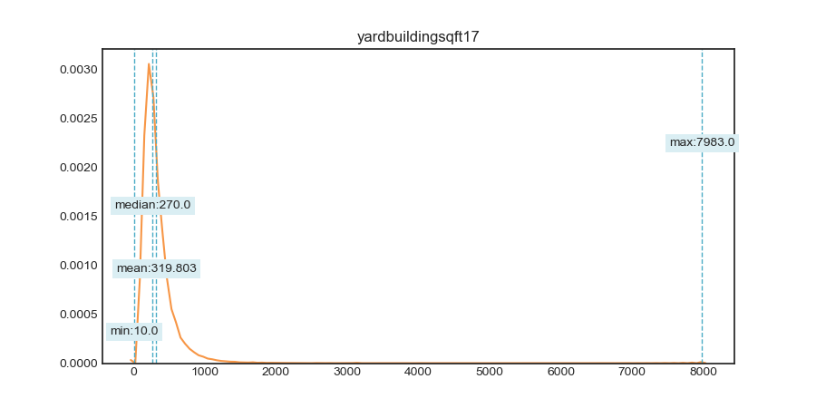
nan_rate | 0.97308235884
num_uni | 1636/80355
value_min | 10
value_mean | 319.80339742
value_median | 270
value_max | 7983

column | yardbuildingsqft26 | Distribution
sample_value | 280 | 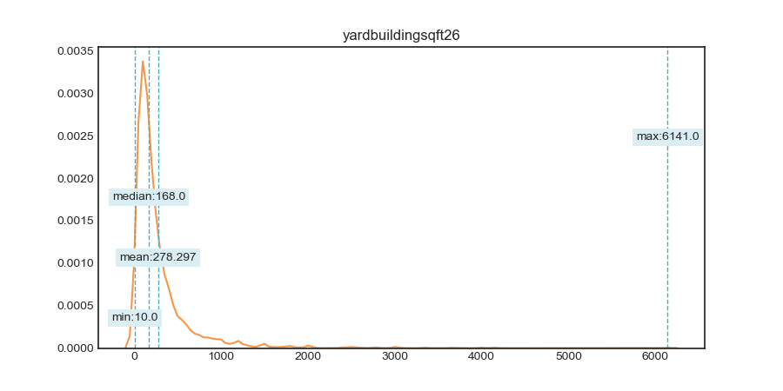
nan_rate | 0.99911329729
num_uni | 594/2647
value_min | 10
value_mean | 278.29656215
value_median | 168
value_max | 6141

column | numberofstories | Distribution
sample_value | 1 | 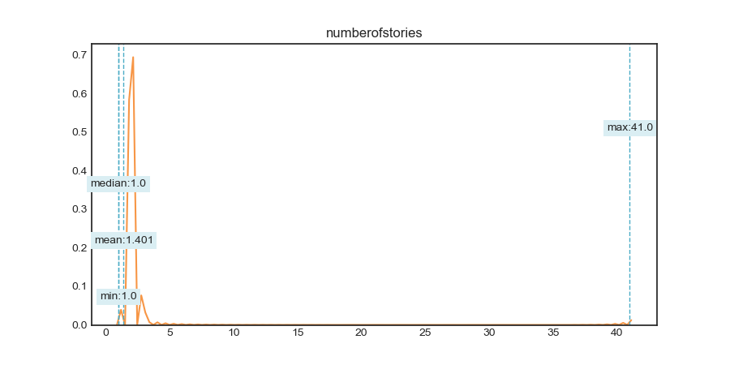
nan_rate | 0.77151778246
num_uni | 12/682069
value_min | 1
value_mean | 1.4014637815
value_median | 1
value_max | 41

column | structuretaxvaluedollarcnt | Distribution
sample_value | 248900 | 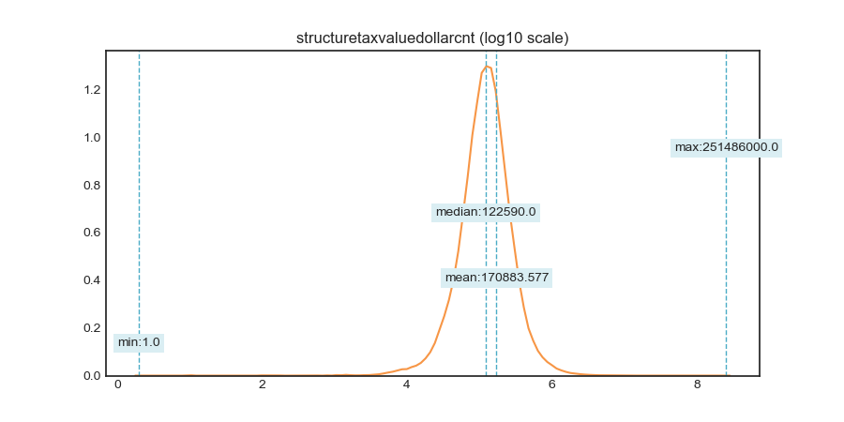
nan_rate | 0.018418091549
num_uni | 426150/2930235
value_min | 1
value_mean | 170883.57717
value_median | 122590
value_max | 251486000

column | taxvaluedollarcnt | Distribution
sample_value | 1146000 | 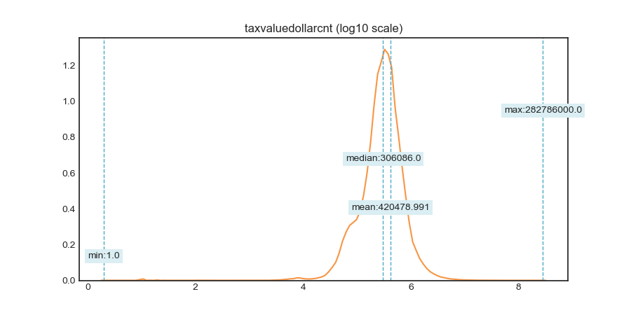
nan_rate | 0.014253570176
num_uni | 638920/2942667
value_min | 1
value_mean | 420478.99068
value_median | 306086
value_max | 282786000

column | landtaxvaluedollarcnt | Distribution
sample_value | 81573 | 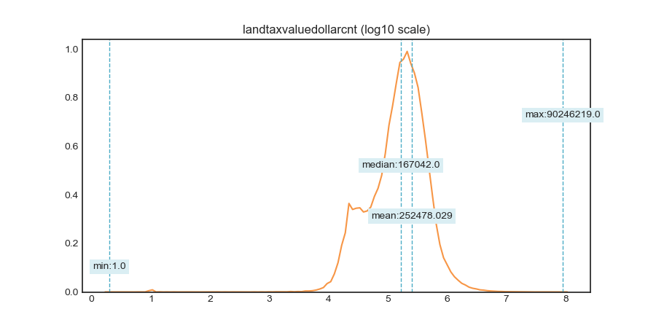
nan_rate | 0.022689472826
num_uni | 531408/2917484
value_min | 1
value_mean | 252478.02947
value_median | 167042
value_max | 90246219

column | taxamount | Distribution
sample_value | 3392.54 | 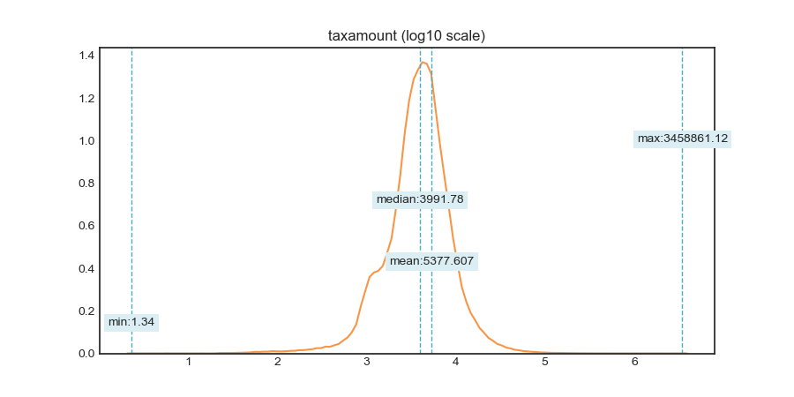
nan_rate | 0.010468250717
num_uni | 1045757/2953967
value_min | 1.34
value_mean | 5377.6071393
value_median | 3991.78
value_max | 3458861.12

column | taxdelinquencyyear | Distribution
sample_value | 11 | 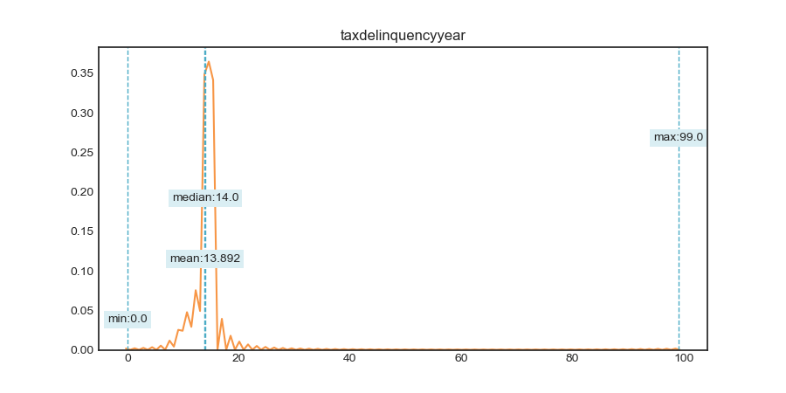
nan_rate | 0.98108546213
num_uni | 32/56464
value_min | 0
value_mean | 13.892409323
value_median | 14
value_max | 99

