key
column | parcelid | venn graph
sample_value | 12267661 11706873 | 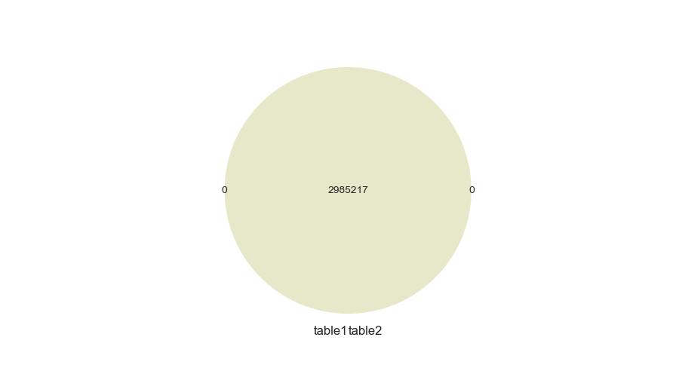
nan_rate | 0.0 0.0
num_uni | 2985217/2985217 2985217/2985217
overlap | 2985217
only in table1 | 0
only in table2 | 0
overlap rate | 1

column | rawcensustractandblock | venn graph
sample_value | 60372013.024 61110012.021 | 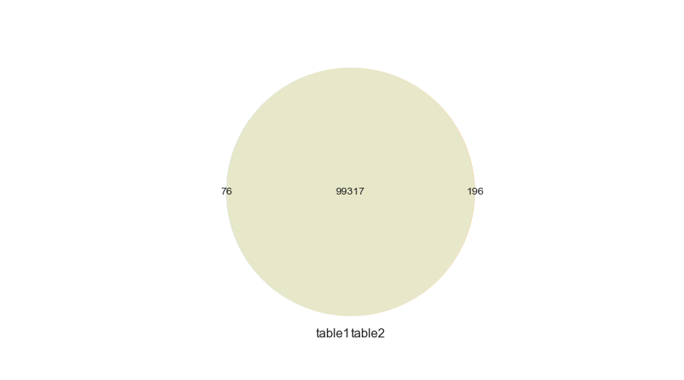
nan_rate | 0.004 0.001
num_uni | 99393/2973780 99513/2982285
overlap | 99317
only in table1 | 76
only in table2 | 196
overlap rate | 0.997

column | censustractandblock | venn graph
sample_value | 6.0379108091e+13 6.0590888024e+13 | 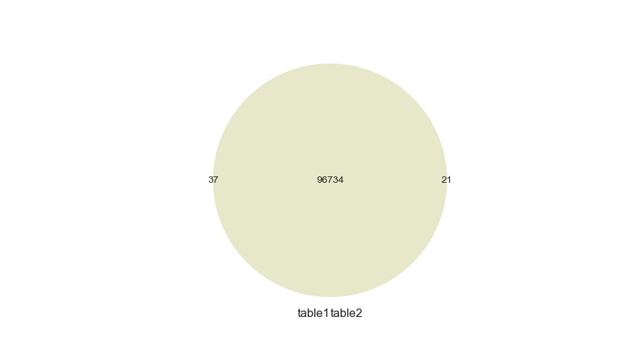
nan_rate | 0.025 0.025
num_uni | 96771/2910091 96755/2910232
overlap | 96734
only in table1 | 37
only in table2 | 21
overlap rate | 0.999

numeric
column | basementsqft | Distribution
sample_value | 1040.0 700.0 | 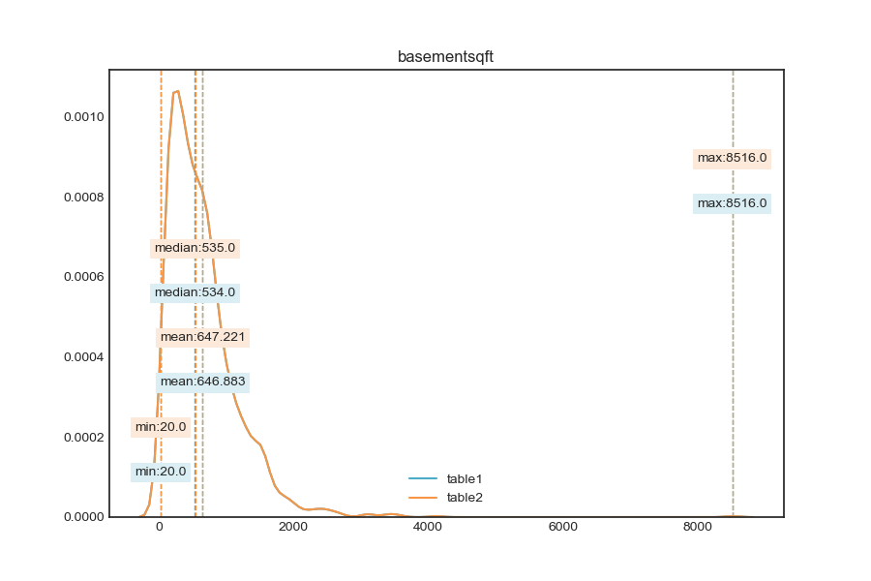
nan_rate | 0.999 0.999
num_uni | 751/1628 751/1627
value_min | 20.0 20.0
value_mean | 646.883 647.221
value_median | 534.0 535.0
value_max | 8516.0 8516.0
corr | 1

column | bathroomcnt | Distribution
sample_value | 3.0 3.0 | 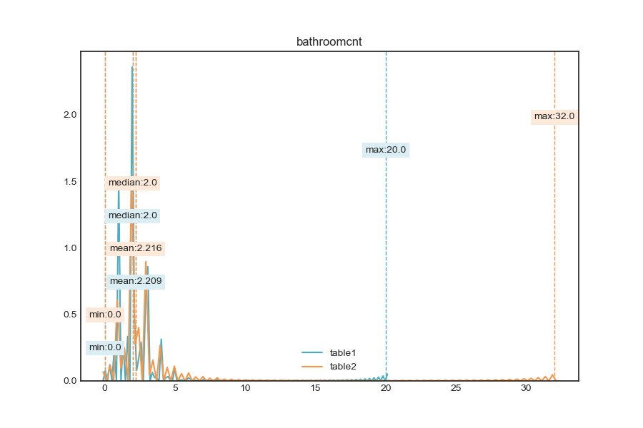
nan_rate | 0.004 0.001
num_uni | 37/2973755 39/2982260
value_min | 0.0 0.0
value_mean | 2.209 2.216
value_median | 2.0 2.0
value_max | 20.0 32.0
corr | 0.999

column | bedroomcnt | Distribution
sample_value | 4.0 4.0 | 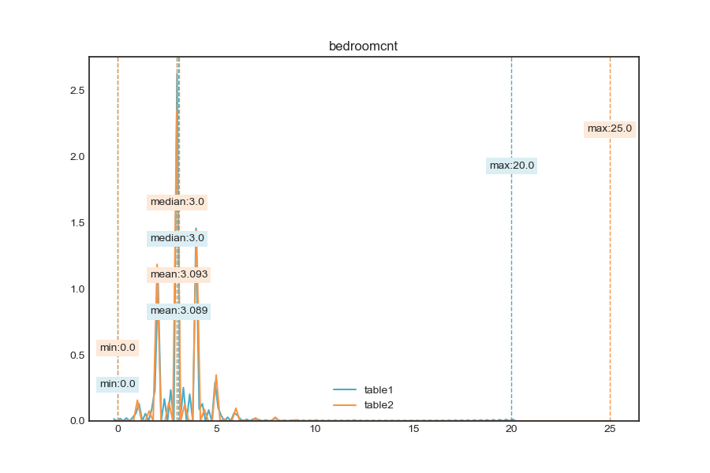
nan_rate | 0.004 0.001
num_uni | 21/2973767 25/2982272
value_min | 0.0 0.0
value_mean | 3.089 3.093
value_median | 3.0 3.0
value_max | 20.0 25.0
corr | 0.995

column | calculatedbathnbr | Distribution
sample_value | 3.0 1.0 | 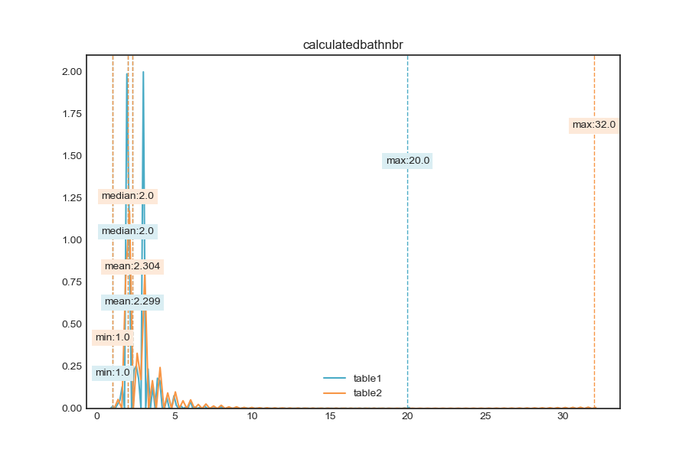
nan_rate | 0.043 0.039
num_uni | 34/2856305 36/2868061
value_min | 1.0 1.0
value_mean | 2.299 2.304
value_median | 2.0 2.0
value_max | 20.0 32.0
corr | 0.999

column | finishedfloor1squarefeet | Distribution
sample_value | 1712.0 1986.0 | 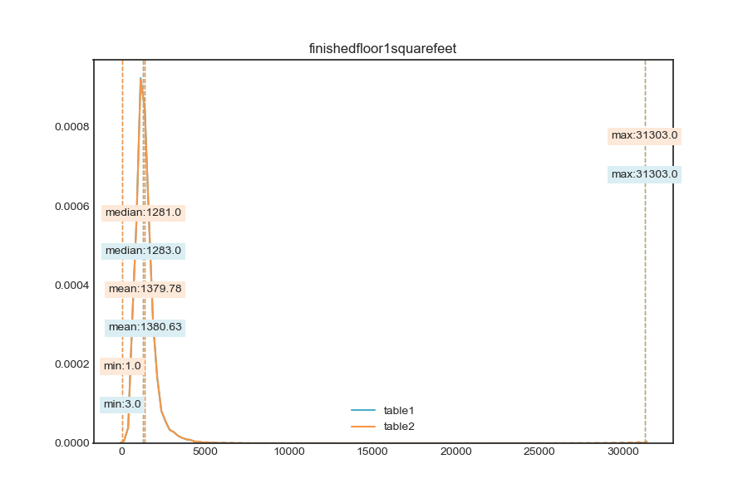
nan_rate | 0.932 0.932
num_uni | 4604/202717 4625/203758
value_min | 3.0 1.0
value_mean | 1380.63 1379.78
value_median | 1283.0 1281.0
value_max | 31303.0 31303.0
corr | 1

column | calculatedfinishedsquarefeet | Distribution
sample_value | 2132.0 733.0 | 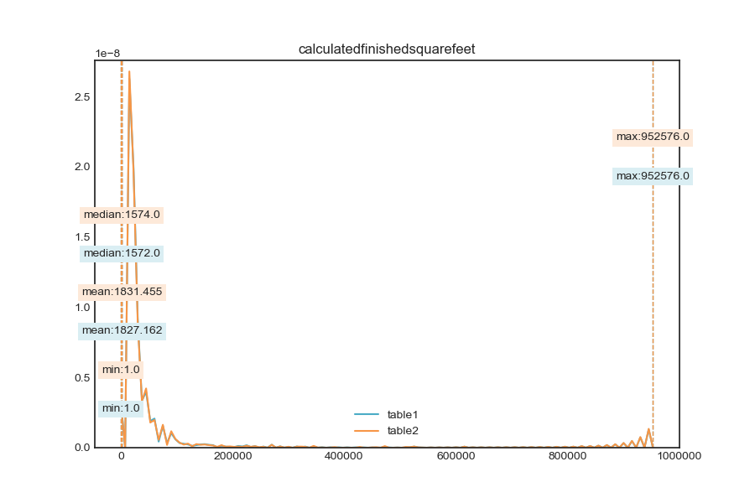
nan_rate | 0.019 0.015
num_uni | 12587/2929652 12631/2940120
value_min | 1.0 1.0
value_mean | 1827.162 1831.455
value_median | 1572.0 1574.0
value_max | 952576.0 952576.0
corr | 0.942

column | finishedsquarefeet12 | Distribution
sample_value | 1056.0 1272.0 | 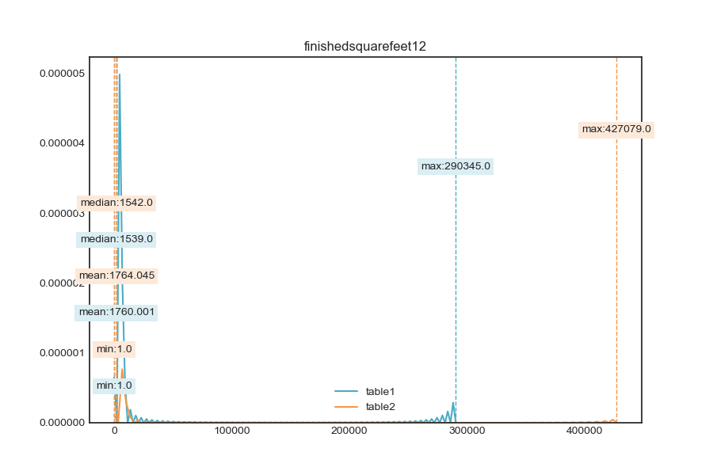
nan_rate | 0.092 0.089
num_uni | 10670/2709184 10732/2720786
value_min | 1.0 1.0
value_mean | 1760.001 1764.045
value_median | 1539.0 1542.0
value_max | 290345.0 427079.0
corr | 0.895

column | finishedsquarefeet13 | Distribution
sample_value | 460.0 1040.0 | 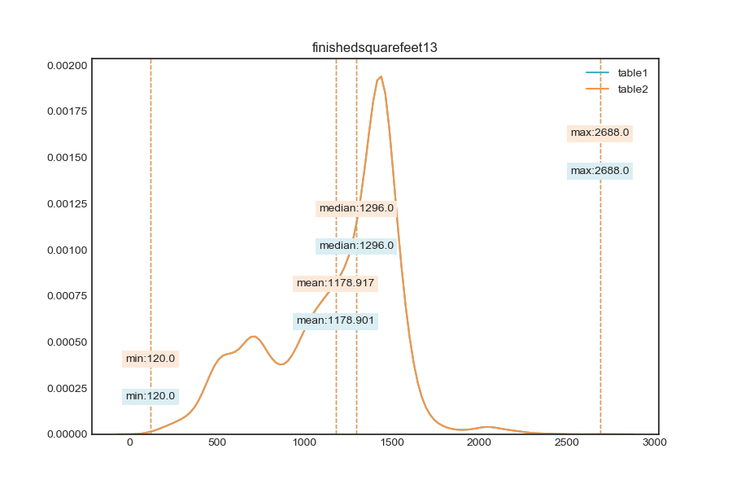
nan_rate | 0.997 0.997
num_uni | 250/7672 250/7671
value_min | 120.0 120.0
value_mean | 1178.901 1178.917
value_median | 1296.0 1296.0
value_max | 2688.0 2688.0
corr | 1

column | finishedsquarefeet15 | Distribution
sample_value | 2760.0 5951.0 | 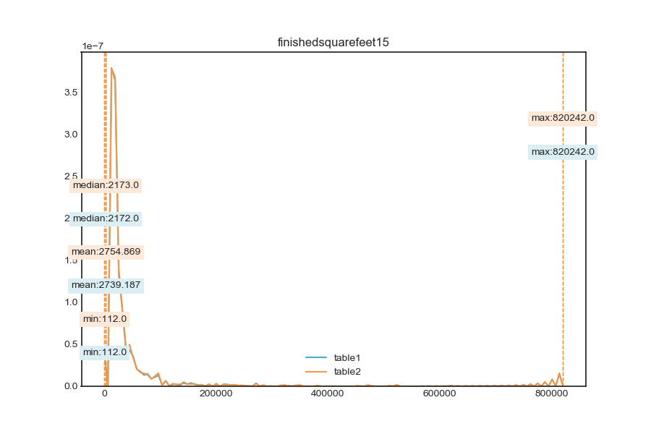
nan_rate | 0.936 0.936
num_uni | 8816/190798 8798/190185
value_min | 112.0 112.0
value_mean | 2739.187 2754.869
value_median | 2172.0 2173.0
value_max | 820242.0 820242.0
corr | 0.952

column | finishedsquarefeet50 | Distribution
sample_value | 1548.0 836.0 | 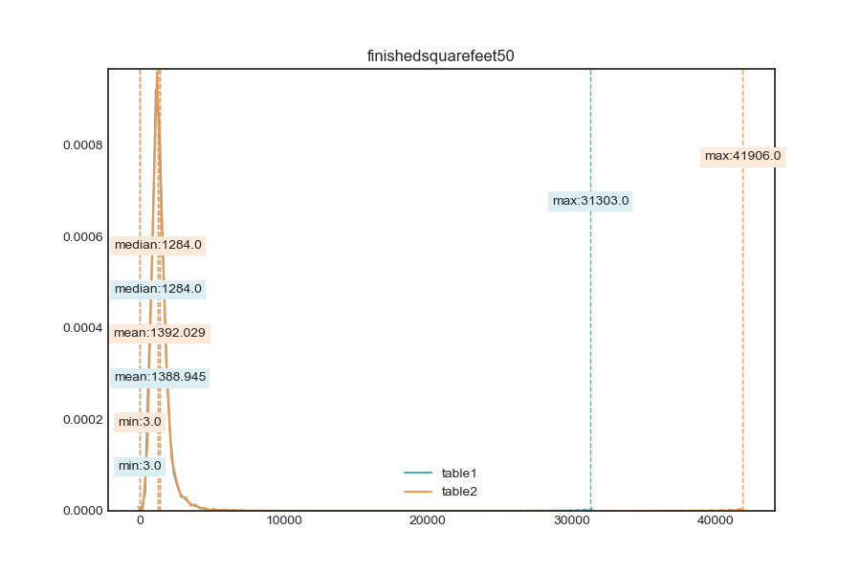
nan_rate | 0.932 0.932
num_uni | 4802/202717 4888/203758
value_min | 3.0 3.0
value_mean | 1388.945 1392.029
value_median | 1284.0 1284.0
value_max | 31303.0 41906.0
corr | 0.961

column | finishedsquarefeet6 | Distribution
sample_value | 1381.0 504.0 | 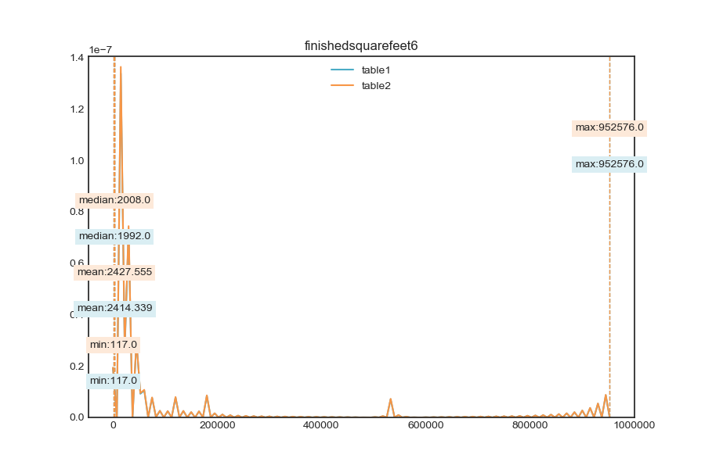
nan_rate | 0.993 0.993
num_uni | 4251/22001 4221/21482
value_min | 117.0 117.0
value_mean | 2414.339 2427.555
value_median | 1992.0 2008.0
value_max | 952576.0 952576.0
corr | 1

column | fireplacecnt | Distribution
sample_value | 1.0 1.0 | 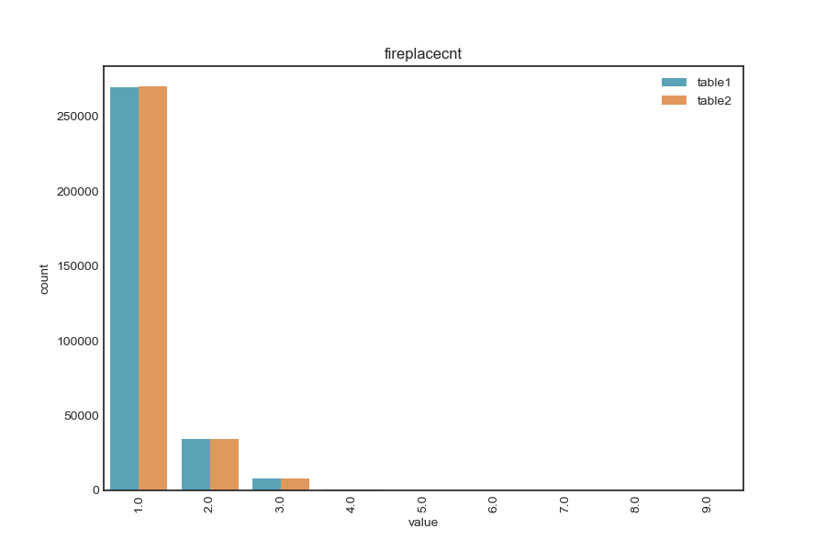
nan_rate | 0.895 0.895
num_uni | 9/312637 9/313124
value_min | 1.0 1.0
value_mean | 1.169 1.169
value_median | 1.0 1.0
value_max | 9.0 9.0
corr | 1

column | fullbathcnt | Distribution
sample_value | 2.0 2.0 | 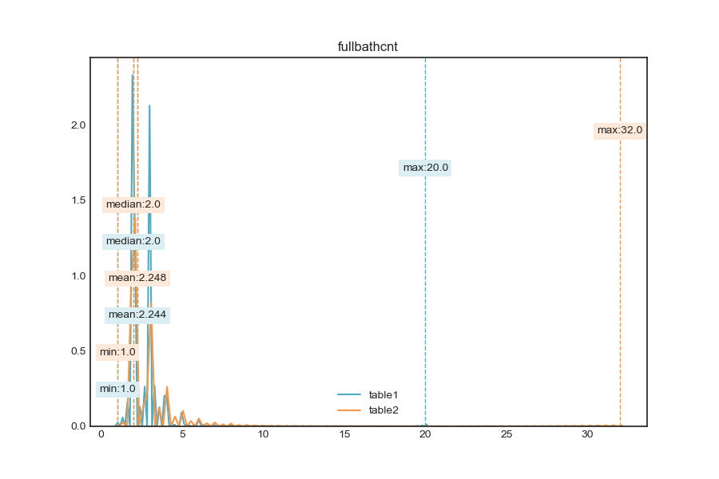
nan_rate | 0.043 0.039
num_uni | 20/2856305 22/2868061
value_min | 1.0 1.0
value_mean | 2.244 2.248
value_median | 2.0 2.0
value_max | 20.0 32.0
corr | 1

column | garagecarcnt | Distribution
sample_value | 2.0 2.0 | 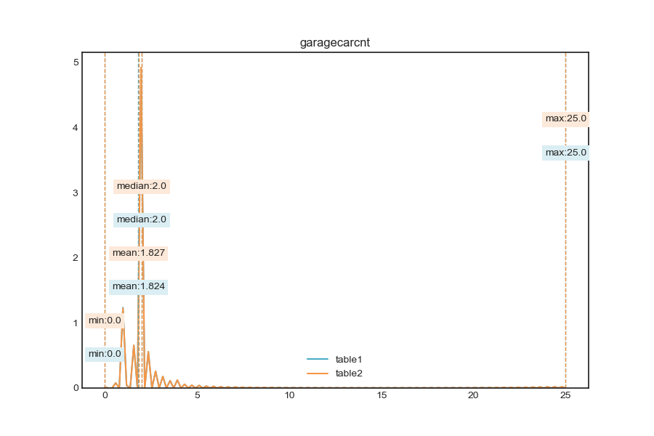
nan_rate | 0.704 0.702
num_uni | 24/883267 24/891008
value_min | 0.0 0.0
value_mean | 1.824 1.827
value_median | 2.0 2.0
value_max | 25.0 25.0
corr | 1

column | garagetotalsqft | Distribution
sample_value | 220.0 420.0 | 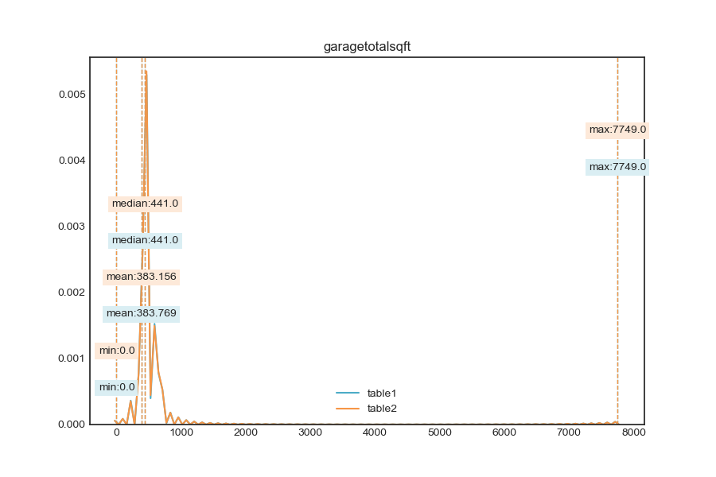
nan_rate | 0.704 0.702
num_uni | 2240/883267 2253/891008
value_min | 0.0 0.0
value_mean | 383.769 383.156
value_median | 441.0 441.0
value_max | 7749.0 7749.0
corr | 1

column | latitude | Distribution
sample_value | 33623662.0 33893204.0 | 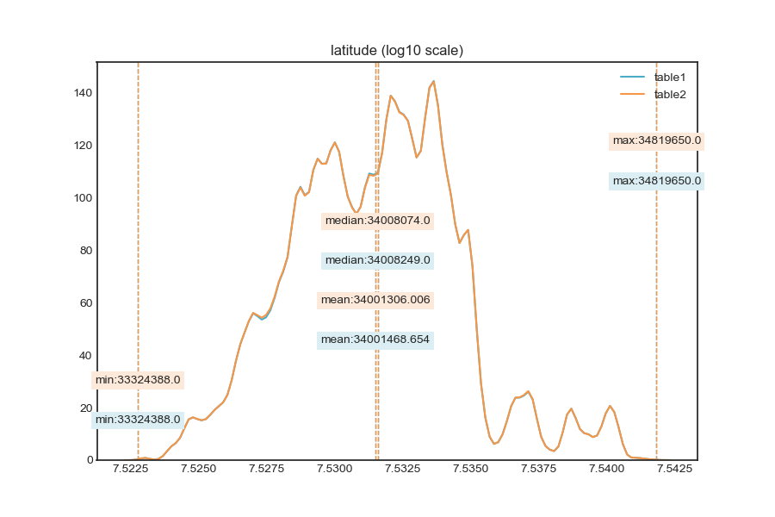
nan_rate | 0.004 0.001
num_uni | 852325/2973780 852718/2982285
value_min | 33324388.0 33324388.0
value_mean | 34001468.654 34001306.006
value_median | 34008249.0 34008074.0
value_max | 34819650.0 34819650.0
corr | 1

column | longitude | Distribution
sample_value | -117983856.0 -117970000.0 | 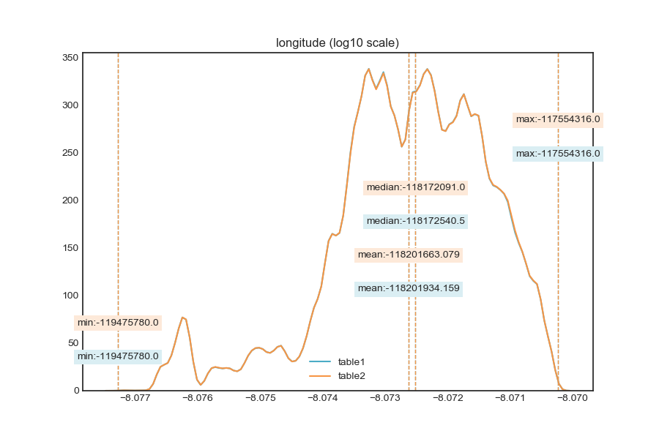
nan_rate | 0.004 0.001
num_uni | 1042550/2973780 1043238/2982285
value_min | -119475780.0 -119475780.0
value_mean | -118201934.159 -118201663.079
value_median | -118172540.5 -118172091.0
value_max | -117554316.0 -117554316.0
corr | 1

column | lotsizesquarefeet | Distribution
sample_value | 7886.0 20014.0 | 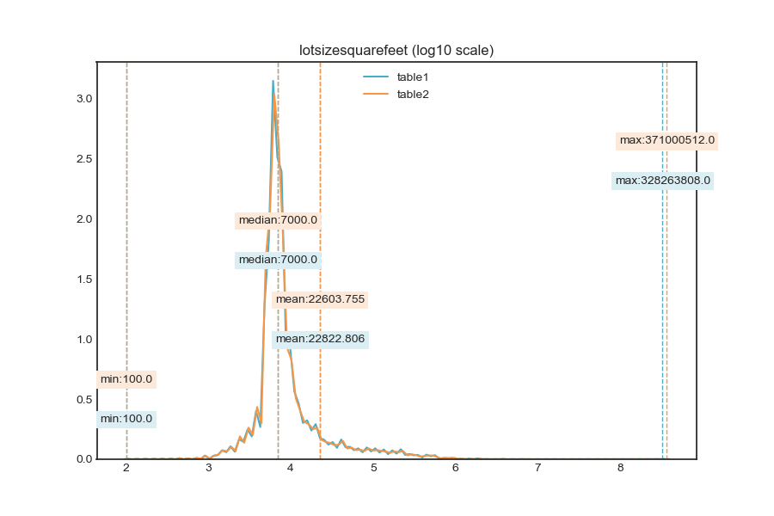
nan_rate | 0.092 0.091
num_uni | 69953/2709118 70214/2712511
value_min | 100.0 100.0
value_mean | 22822.806 22603.755
value_median | 7000.0 7000.0
value_max | 328263808.0 371000512.0
corr | 0.999

column | poolcnt | Distribution
sample_value | 1.0 1.0 | 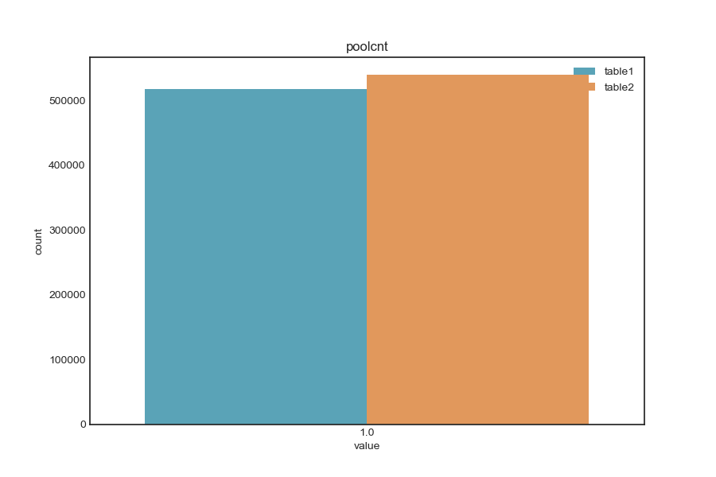
nan_rate | 0.827 0.819
num_uni | 1/517534 1/539632
value_min | 1.0 1.0
value_mean | 1.0 1.0
value_median | 1.0 1.0
value_max | 1.0 1.0
corr | 0.959

column | poolsizesum | Distribution
sample_value | 433.0 288.0 | 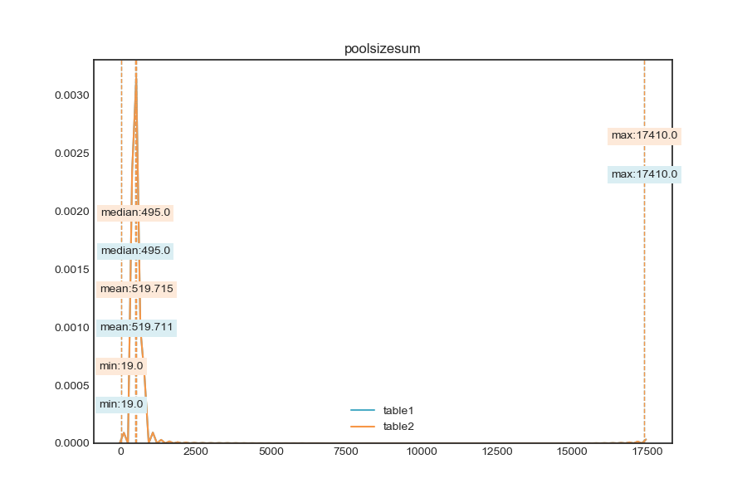
nan_rate | 0.991 0.991
num_uni | 907/27960 907/27958
value_min | 19.0 19.0
value_mean | 519.711 519.715
value_median | 495.0 495.0
value_max | 17410.0 17410.0
corr | 1

column | roomcnt | Distribution
sample_value | 0.0 0.0 | 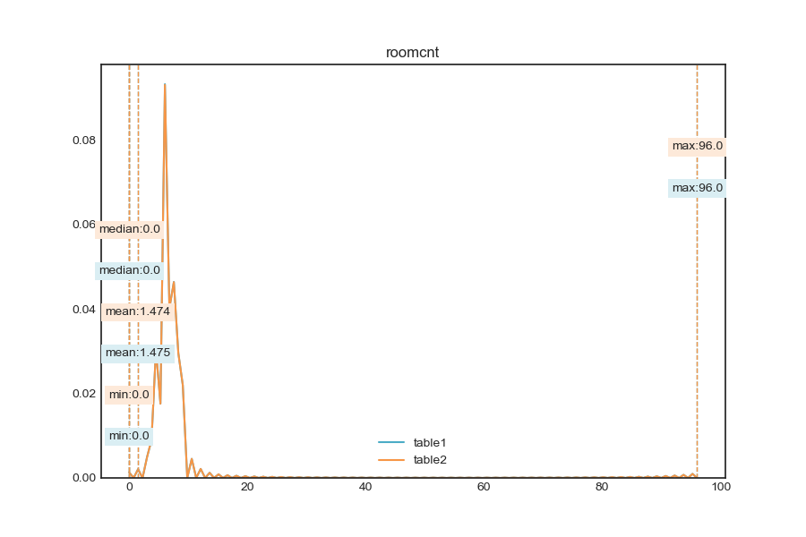
nan_rate | 0.004 0.001
num_uni | 36/2973742 36/2982248
value_min | 0.0 0.0
value_mean | 1.475 1.474
value_median | 0.0 0.0
value_max | 96.0 96.0
corr | 1

column | threequarterbathnbr | Distribution
sample_value | 1.0 1.0 | 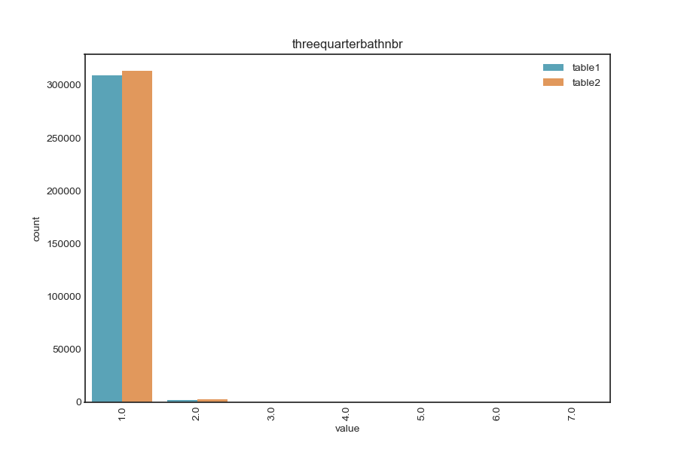
nan_rate | 0.896 0.894
num_uni | 7/311631 7/316357
value_min | 1.0 1.0
value_mean | 1.01 1.011
value_median | 1.0 1.0
value_max | 7.0 7.0
corr | 1

column | unitcnt | Distribution
sample_value | 1.0 1.0 | 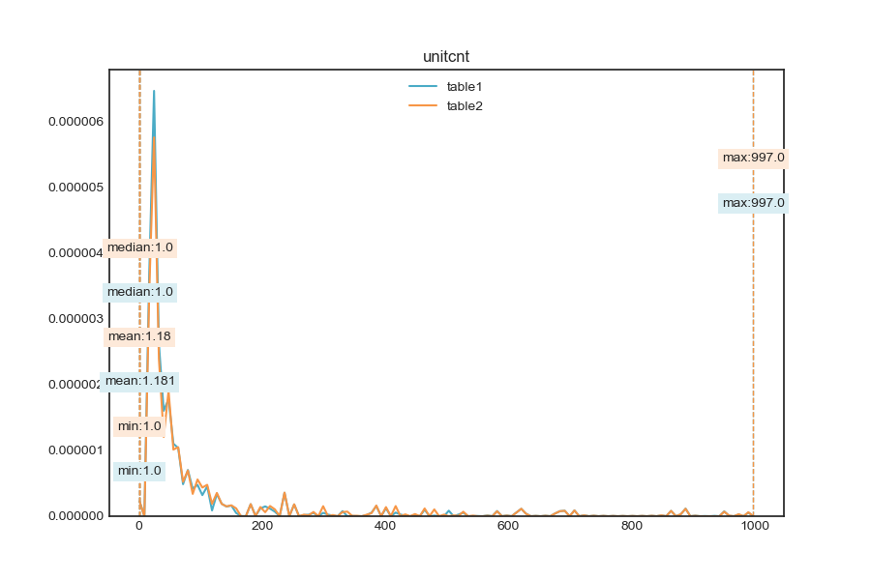
nan_rate | 0.338 0.336
num_uni | 146/1977490 154/1981042
value_min | 1.0 1.0
value_mean | 1.181 1.18
value_median | 1.0 1.0
value_max | 997.0 997.0
corr | 0.948

column | yardbuildingsqft17 | Distribution
sample_value | 260.0 304.0 | 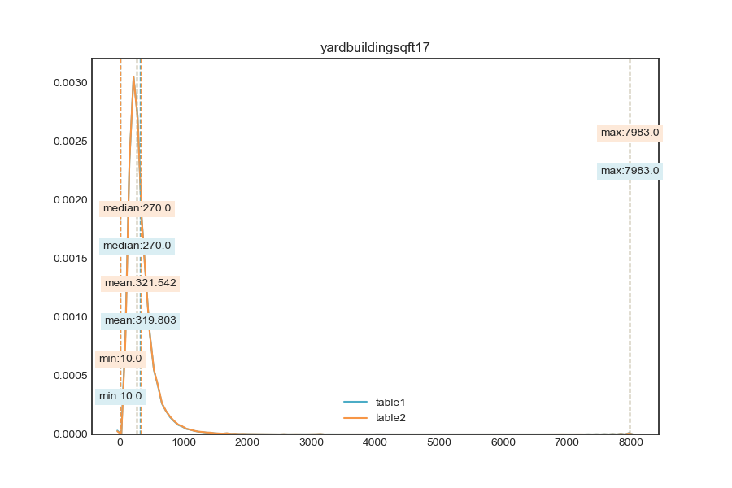
nan_rate | 0.973 0.973
num_uni | 1636/80355 1664/81588
value_min | 10.0 10.0
value_mean | 319.803 321.542
value_median | 270.0 270.0
value_max | 7983.0 7983.0
corr | 0.994

column | yardbuildingsqft26 | Distribution
sample_value | 32.0 477.0 | 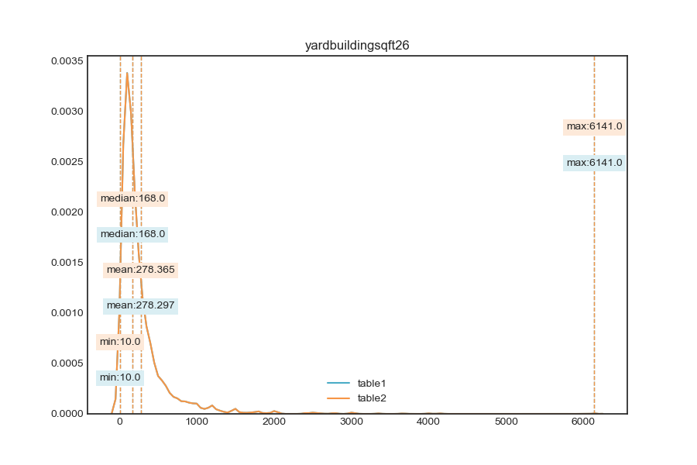
nan_rate | 0.999 0.999
num_uni | 594/2647 594/2646
value_min | 10.0 10.0
value_mean | 278.297 278.365
value_median | 168.0 168.0
value_max | 6141.0 6141.0
corr | 1

column | numberofstories | Distribution
sample_value | 1.0 2.0 | 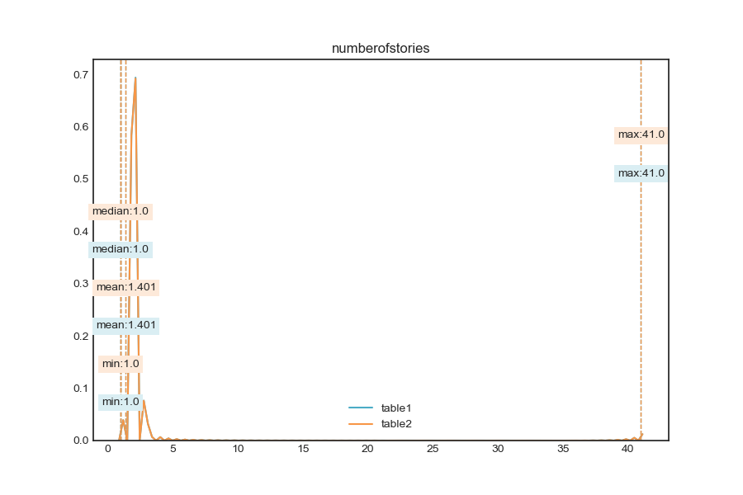
nan_rate | 0.772 0.77
num_uni | 12/682069 12/685676
value_min | 1.0 1.0
value_mean | 1.401 1.401
value_median | 1.0 1.0
value_max | 41.0 41.0
corr | 1

column | structuretaxvaluedollarcnt | Distribution
sample_value | 153691.0 69989.0 | 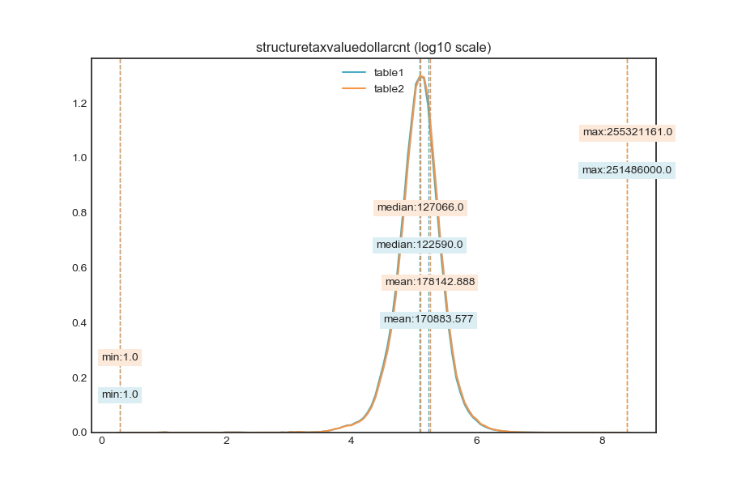
nan_rate | 0.018 0.016
num_uni | 426150/2930235 437542/2938753
value_min | 1.0 1.0
value_mean | 170883.577 178142.888
value_median | 122590.0 127066.0
value_max | 251486000.0 255321161.0
corr | 0.998

column | taxvaluedollarcnt | Distribution
sample_value | 185441.0 564846.0 | 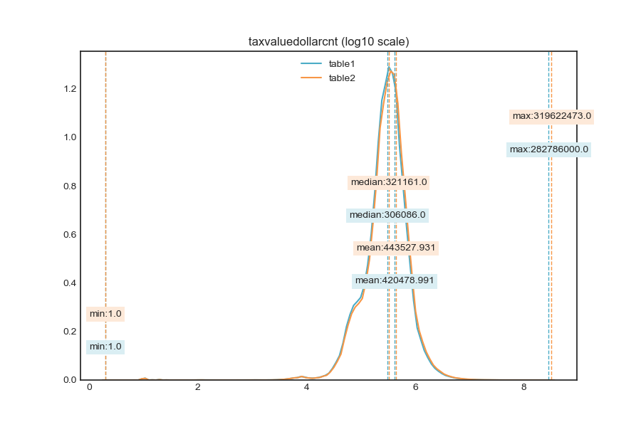
nan_rate | 0.014 0.011
num_uni | 638920/2942667 661520/2950951
value_min | 1.0 1.0
value_mean | 420478.991 443527.931
value_median | 306086.0 321161.0
value_max | 282786000.0 319622473.0
corr | 0.998

column | landtaxvaluedollarcnt | Distribution
sample_value | 441030.0 176236.0 | 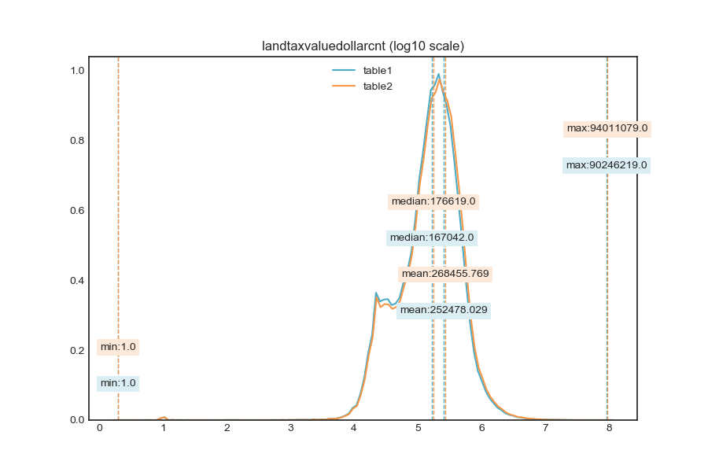
nan_rate | 0.023 0.02
num_uni | 531408/2917484 553303/2925291
value_min | 1.0 1.0
value_mean | 252478.029 268455.769
value_median | 167042.0 176619.0
value_max | 90246219.0 94011079.0
corr | 0.998

column | taxamount | Distribution
sample_value | 26449.27 6396.1 | 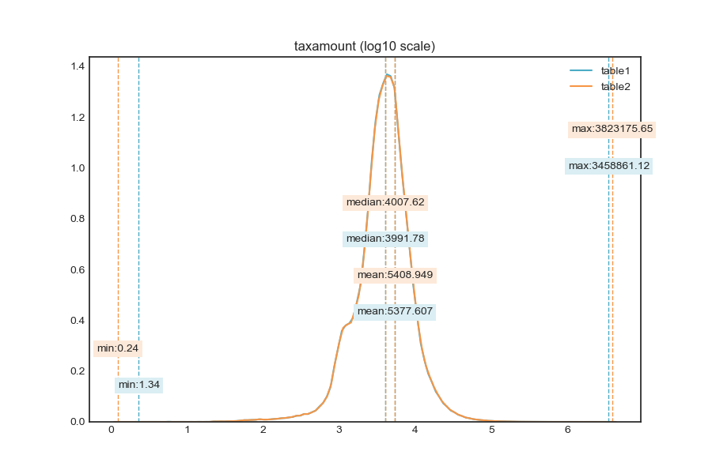
nan_rate | 0.01 0.008
num_uni | 1045757/2953967 1050011/2962465
value_min | 1.34 0.24
value_mean | 5377.607 5408.949
value_median | 3991.78 4007.62
value_max | 3458861.12 3823175.65
corr | 0.995

column | taxdelinquencyyear | Distribution
sample_value | 15.0 14.0 | 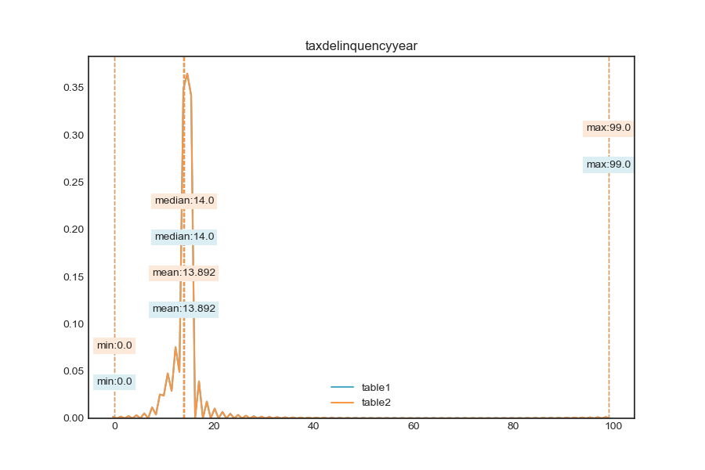
nan_rate | 0.981 0.981
num_uni | 32/56464 31/56517
value_min | 0.0 0.0
value_mean | 13.892 13.892
value_median | 14.0 14.0
value_max | 99.0 99.0
corr | 0.999

