Project Risk Matrix
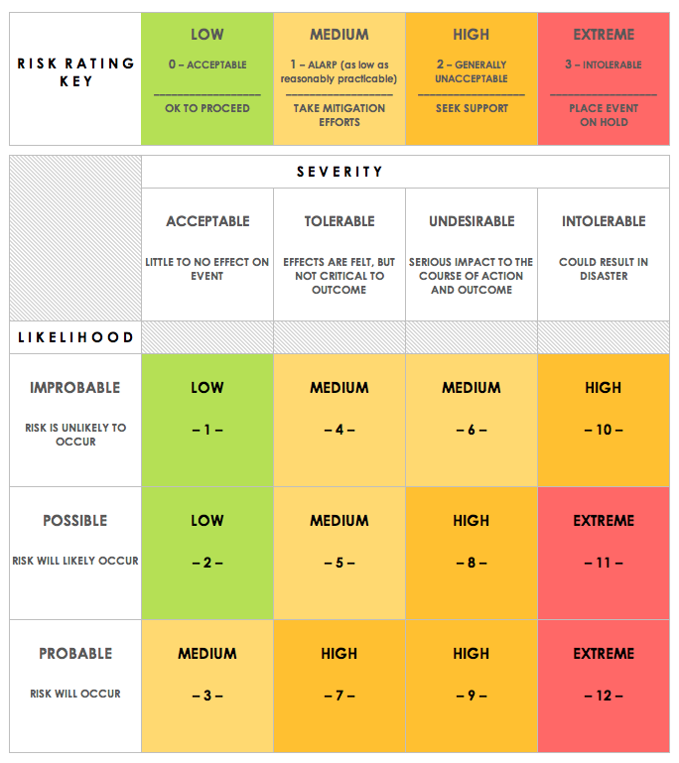
Invividual Projet Risk Matrix
RISK TYPE | RISK DESCRIPTION | RISK SEVERITY | RISK LIKELIHOOD | IMPACT LEVEL | RESPONSE – BEFORE – | RESPONSE – CONTINGENCY – | RISK SEVERITY KEY | RISK LIKELIHOOD KEY | RISK LEVEL KEY
External | Planned time becomes unrealistic due to other deadlines clashing | TOLERABLE | PROBABLE | HIGH | Consider expected deadlines in advanced and ensure fit around project | Reschedule project timetable and drop project sections if necessary | ACCEPTABLE | IMPROBABLE | LOW
Technical | Laptop/workstation is damaged | INTOLERABLE | IMPROBABLE | LOW | Ensure work is backed up on cloud based locations i.e. GitHub, Google Drive | Data can be restored in alternative locations from cloud services with minimal loss | TOLERABLE | POSSIBLE | MEDIUM
Organizational | Project budget exceeded | UNDESIRABLE | IMPROBABLE | LOW | Ensure that spending is planned in advanced and the cost of having to replace components is considered | Apply for additional funding from Part III budget manager | UNDESIRABLE | PROBABLE | HIGH
External | Illness | UNDESIRABLE | POSSIBLE | HIGH | Try to stay ahead of project schedule to reduce impact | Temporarily reduce workload and reschedule project accordingly | INTOLERABLE |  | EXTREME
Organizational | Project supervisor unavailable | TOLERABLE | POSSIBLE | MEDIUM | Meet regularly with supervisor to ensure up to date with likely away dates | Attempt to resolve problem via alternative sources. If not possible, move on to different project section and alter schedule accordingly
External | Part delivery late/unavailable | UNDESIRABLE | POSSIBLE | HIGH | Ensure possible alternatives to parts are selected for use in the event of unavailability | Try to find temporary alternative for part in lab. If not available, order alternative part and reschedule accordingly
Technical | Selected components do not function as expected | TOLERABLE | POSSIBLE | MEDIUM | Read through datasheets and specification of parts to ensure that they implement necessary technologies | Evalueate impact on project. Adjust project goals if small or, if large, research and order new parts and adjust schdule.
Technical | Misunderstanding of technologies in use | UNDESIRABLE | POSSIBLE | HIGH | Clarify uncertainties with supervisor before attempting to implement | Reschedule project timetable due to loss of time and drop project sections if necessary
Project Management | Project schedule becomes unrealistic due to misestimation of complexity | UNDESIRABLE | POSSIBLE | HIGH | Check with supervisor that deadlines set are realistic | Reschedule project timetable and drop project sections if necessary

