G1
1 | Feed consumption (tonnes) | 0 |  | Global | GA1 | GA2 | GA3
2 | FeedCon-3 | 0 | Lags in VAR | 5 | 8 | 8 | 8
3 | FeedCon-6 | 0 | Variables | All | 40 | 40 | 40
4 | Sea Lice Level | 0 |  |  | 53 | 41 | 36
5 | SeaLice-3 | 0 |  |  | 64 | 28 | 59
6 | SeaLice-6 | 0 |  |  |  | 59
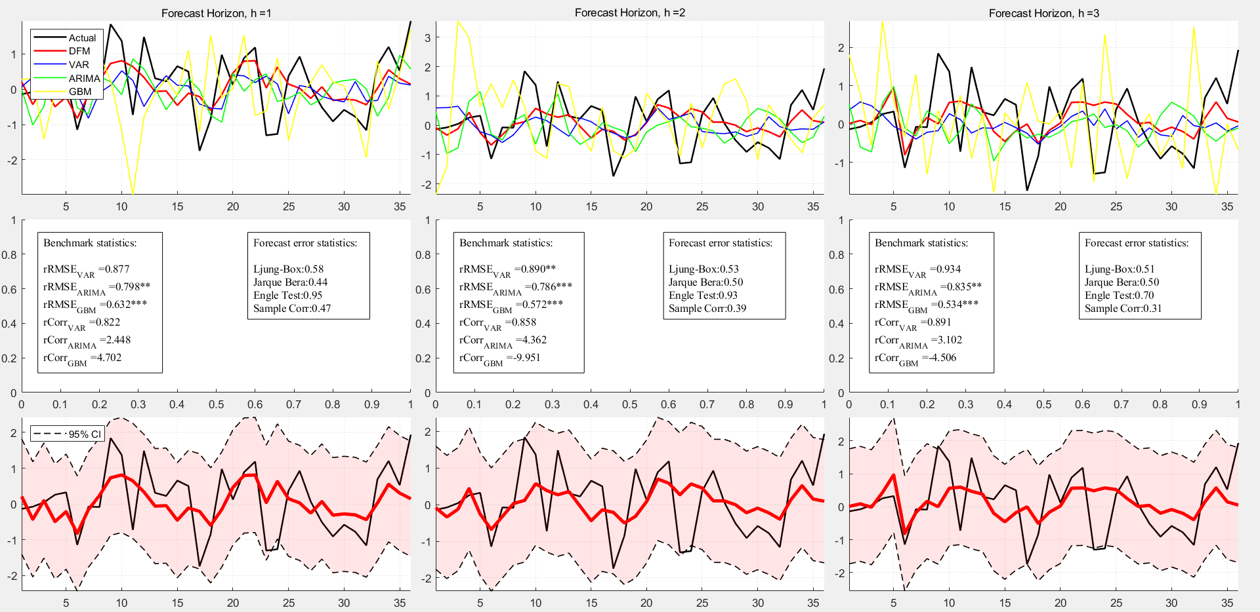
7 | SeaLice-9 | 0
8 | SeaLice-12 | 0
9 | SeaLice-15 | 0
10 | SeaTemp | 0
11 | SeaTemp-3 | 0
12 | SeaTemp-6 | 0
13 | SeaTemp-9 | 0
14 | SeaTemp-12 | 0
15 | SeaTemp-15 | 0
16 | Biomass salmon (ton) | 0
17 | BiomassSalmon-3 | 0
18 | BiomassSalmon-6 | 0
19 | BiomassSalmon-9 | 0
20 | BiomassSalmon-12 | 0
21 | BiomassSalmon-15 | 0
22 | Smolt (antall) | 0
23 | Smolt-12 | 0
24 | Smolt-15 | 0
25 | Smolt-17 | 0
26 | Smolt-18 | 0
27 | Smolt-21 | 0
28 | Cons.EU | 1
29 | ConsEU-3 | 0
30 | ConsEU-6 | 0
31 | ConsEU-9 | 0
32 | ConsEU-12 | 0
33 | ConsEU-15 | 0
34 | Cons.EM | 0
35 | ConsEM-3 | 0
36 | ConsEM-6 | 1
37 | ConsEM-9 | 0
38 | ConsEM-12 | 0
39 | ConsEM-15 | 0
40 | Salmon | 3
41 | Salmon-1 | 1
42 | Salmon-2 | 0
43 | Salmon-3 | 0
44 | Salmon-4 | 0
45 | Salmon-5 | 0
46 | Salmon-6 | 0
47 | Salmon-7 | 0
48 | Salmon-8 | 0
49 | Salmon-9 | 0
50 | Salmon-10 | 0
51 | Salmon-11 | 0
52 | Salmon-12 | 0
53 | Shrimp | 1
54 | Shrimp-3 | 0
55 | Shrimp-6 | 0
56 | Trout | 0
57 | Trout-3 | 0
58 | Trout-6 | 0
59 | Meat Index | 2
60 | Mea-3 | 0
61 | Beef Price | 0
62 | Bef-3 | 0
63 | Bef-6 | 0
64 | EUR/NOK | 1
65 | E/N-3 | 0
66 | E/N-6 | 0
67 | E/N-9 | 0
68 | CLP/USD | 0
69 | C/U-3 | 0
70 | C/U-6 | 0
71 | C/U-9 | 0
72 | Brent Blend | 0
73 | BB-3 | 0
74 | BB-6 | 0
75 | BB-9 | 0
76 | Real I-rate | 0
77 | RI-1 | 0
78 | RI-2 | 0
79 | RI-3 | 0
80 | RI-4 | 0
81 | RI-5 | 0
82 | RI-6 | 0
83 | Wheat, US SRW | 0
84 | WHE-3 | 0
85 | WHE-6 | 0
86 | Fish meal | 0
87 | FH-3 | 0
88 | FH-6 | 0
89 | Soybean meal | 0
90 | SOYM-3 | 0
91 | SOYM-6 | 0
92 | Rapeseed oil | 0
93 | RAP-3 | 0
94 | RAP-6 | 0
95 | Corn | 0
96 | COR-3 | 0
97 | COR-6 | 0
98 | MHG -Eq | 0
99 | MHG-1 | 0
100 | MHG-2 | 0
101 | MHG-3 | 0

G2
1 | Feed consumption (tonnes) | 0 |  | Global | GA1 | GA2 | GA3
2 | FeedCon-3 | 0 | Lags in VAR | 5 | 8 | 8 | 8
3 | FeedCon-6 | 0 | Variables | All | 40 | 40 | 40
4 | Sea Lice Level | 0 |  |  | 53 | 30 | 30
5 | SeaLice-3 | 0 |  |  | 98 | 34 | 34
6 | SeaLice-6 | 0 |  |  |  | 59
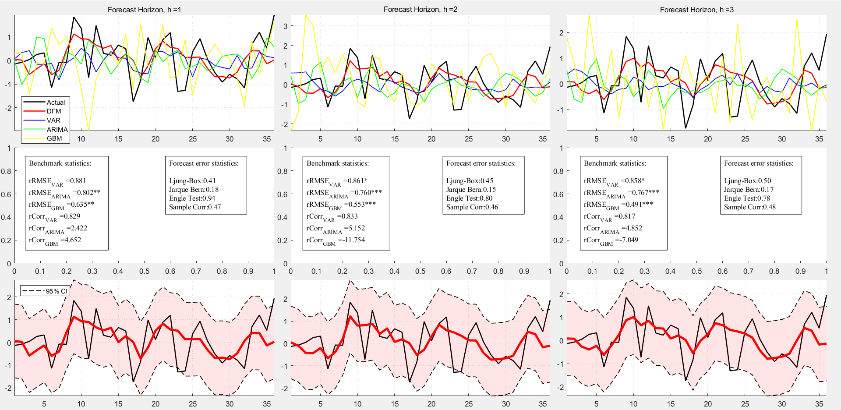
7 | SeaLice-9 | 0
8 | SeaLice-12 | 0
9 | SeaLice-15 | 0
10 | SeaTemp | 0
11 | SeaTemp-3 | 0
12 | SeaTemp-6 | 0
13 | SeaTemp-9 | 0
14 | SeaTemp-12 | 0
15 | SeaTemp-15 | 0
16 | Biomass salmon (ton) | 0
17 | BiomassSalmon-3 | 0
18 | BiomassSalmon-6 | 0
19 | BiomassSalmon-9 | 0
20 | BiomassSalmon-12 | 0
21 | BiomassSalmon-15 | 0
22 | Smolt (antall) | 0
23 | Smolt-12 | 0
24 | Smolt-15 | 0
25 | Smolt-17 | 0
26 | Smolt-18 | 0
27 | Smolt-21 | 0
28 | Cons.EU | 0
29 | ConsEU-3 | 0
30 | ConsEU-6 | 2
31 | ConsEU-9 | 0
32 | ConsEU-12 | 0
33 | ConsEU-15 | 0
34 | Cons.EM | 2
35 | ConsEM-3 | 0
36 | ConsEM-6 | 0
37 | ConsEM-9 | 0
38 | ConsEM-12 | 0
39 | ConsEM-15 | 0
40 | Salmon | 3
41 | Salmon-1 | 0
42 | Salmon-2 | 0
43 | Salmon-3 | 0
44 | Salmon-4 | 0
45 | Salmon-5 | 0
46 | Salmon-6 | 0
47 | Salmon-7 | 0
48 | Salmon-8 | 0
49 | Salmon-9 | 0
50 | Salmon-10 | 0
51 | Salmon-11 | 0
52 | Salmon-12 | 0
53 | Shrimp | 1
54 | Shrimp-3 | 0
55 | Shrimp-6 | 0
56 | Trout | 0
57 | Trout-3 | 0
58 | Trout-6 | 0
59 | Meat Index | 1
60 | Mea-3 | 0
61 | Beef Price | 0
62 | Bef-3 | 0
63 | Bef-6 | 0
64 | EUR/NOK | 0
65 | E/N-3 | 0
66 | E/N-6 | 0
67 | E/N-9 | 0
68 | CLP/USD | 0
69 | C/U-3 | 0
70 | C/U-6 | 0
71 | C/U-9 | 0
72 | Brent Blend | 0
73 | BB-3 | 0
74 | BB-6 | 0
75 | BB-9 | 0
76 | Real I-rate | 0
77 | RI-1 | 0
78 | RI-2 | 0
79 | RI-3 | 0
80 | RI-4 | 0
81 | RI-5 | 0
82 | RI-6 | 0
83 | Wheat, US SRW | 0
84 | WHE-3 | 0
85 | WHE-6 | 0
86 | Fish meal | 0
87 | FH-3 | 0
88 | FH-6 | 0
89 | Soybean meal | 0
90 | SOYM-3 | 0
91 | SOYM-6 | 0
92 | Rapeseed oil | 0
93 | RAP-3 | 0
94 | RAP-6 | 0
95 | Corn | 0
96 | COR-3 | 0
97 | COR-6 | 0
98 | MHG -Eq | 1
99 | MHG-1 | 0
100 | MHG-2 | 0
101 | MHG-3 | 0

G3
1 | Feed consumption (tonnes) | 0 |  | Global | GA1 | GA2 | GA3
2 | FeedCon-3 | 0 | Lags in VAR | 5 | 8 | 8 | 8
3 | FeedCon-6 | 0 | Variables | All | 40 | 40 | 40
4 | Sea Lice Level | 0 |  |  | 28 | 41 | 36
5 | SeaLice-3 | 0 |  |  | 53 | 28 | 53
6 | SeaLice-6 | 0 |  |  | 57 | 30 | 86
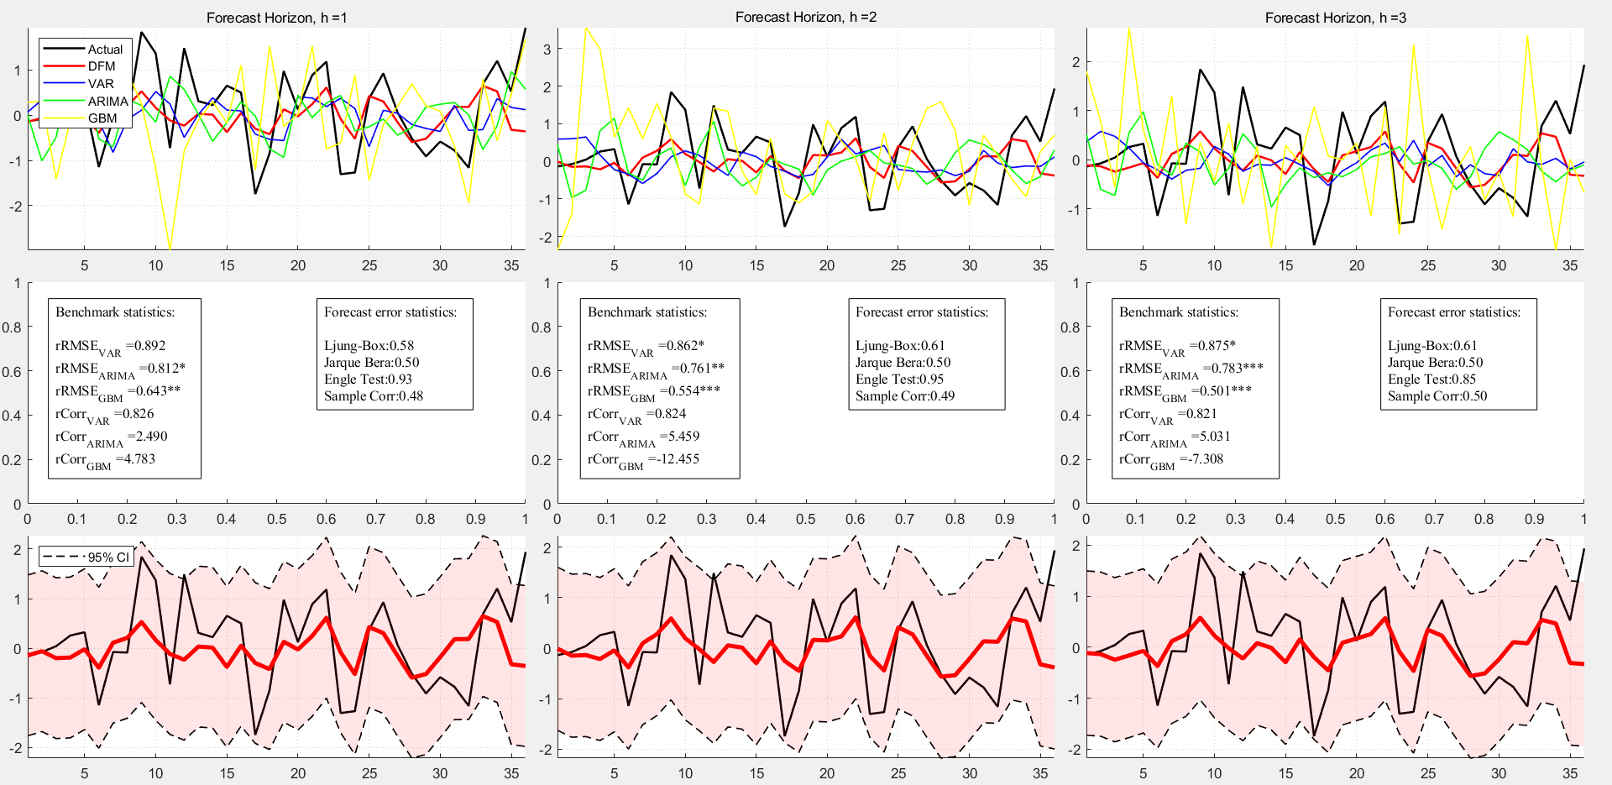
7 | SeaLice-9 | 0
8 | SeaLice-12 | 0
9 | SeaLice-15 | 0
10 | SeaTemp | 0
11 | SeaTemp-3 | 0
12 | SeaTemp-6 | 0
13 | SeaTemp-9 | 0
14 | SeaTemp-12 | 0
15 | SeaTemp-15 | 0
16 | Biomass salmon (ton) | 0
17 | BiomassSalmon-3 | 0
18 | BiomassSalmon-6 | 0
19 | BiomassSalmon-9 | 0
20 | BiomassSalmon-12 | 0
21 | BiomassSalmon-15 | 0
22 | Smolt (antall) | 0
23 | Smolt-12 | 0
24 | Smolt-15 | 0
25 | Smolt-17 | 0
26 | Smolt-18 | 0
27 | Smolt-21 | 0
28 | Cons.EU | 2
29 | ConsEU-3 | 0
30 | ConsEU-6 | 1
31 | ConsEU-9 | 0
32 | ConsEU-12 | 0
33 | ConsEU-15 | 0
34 | Cons.EM | 0
35 | ConsEM-3 | 0
36 | ConsEM-6 | 1
37 | ConsEM-9 | 0
38 | ConsEM-12 | 0
39 | ConsEM-15 | 0
40 | Salmon | 3
41 | Salmon-1 | 1
42 | Salmon-2 | 0
43 | Salmon-3 | 0
44 | Salmon-4 | 0
45 | Salmon-5 | 0
46 | Salmon-6 | 0
47 | Salmon-7 | 0
48 | Salmon-8 | 0
49 | Salmon-9 | 0
50 | Salmon-10 | 0
51 | Salmon-11 | 0
52 | Salmon-12 | 0
53 | Shrimp | 2
54 | Shrimp-3 | 0
55 | Shrimp-6 | 0
56 | Trout | 0
57 | Trout-3 | 1
58 | Trout-6 | 0
59 | Meat Index | 0
60 | Mea-3 | 0
61 | Beef Price | 0
62 | Bef-3 | 0
63 | Bef-6 | 0
64 | EUR/NOK | 0
65 | E/N-3 | 0
66 | E/N-6 | 0
67 | E/N-9 | 0
68 | CLP/USD | 0
69 | C/U-3 | 0
70 | C/U-6 | 0
71 | C/U-9 | 0
72 | Brent Blend | 0
73 | BB-3 | 0
74 | BB-6 | 0
75 | BB-9 | 0
76 | Real I-rate | 0
77 | RI-1 | 0
78 | RI-2 | 0
79 | RI-3 | 0
80 | RI-4 | 0
81 | RI-5 | 0
82 | RI-6 | 0
83 | Wheat, US SRW | 0
84 | WHE-3 | 0
85 | WHE-6 | 0
86 | Fish meal | 1
87 | FH-3 | 0
88 | FH-6 | 0
89 | Soybean meal | 0
90 | SOYM-3 | 0
91 | SOYM-6 | 0
92 | Rapeseed oil | 0
93 | RAP-3 | 0
94 | RAP-6 | 0
95 | Corn | 0
96 | COR-3 | 0
97 | COR-6 | 0
98 | MHG -Eq | 0
99 | MHG-1 | 0
100 | MHG-2 | 0
101 | MHG-3 | 0

G4
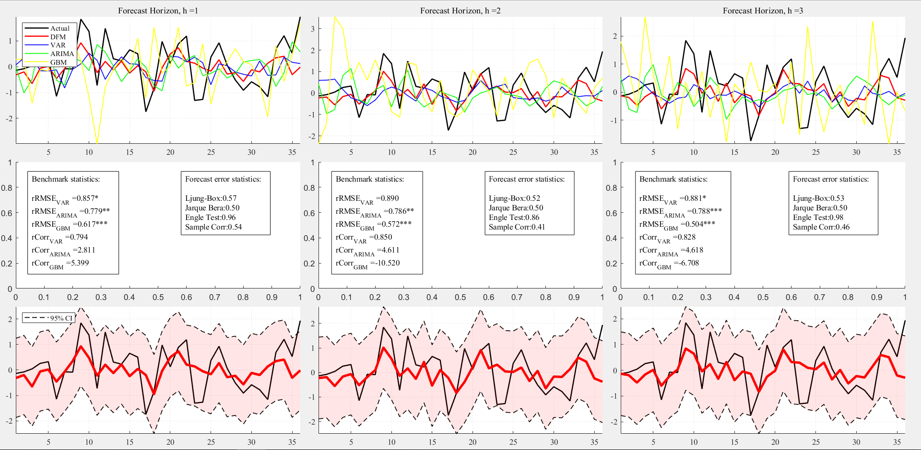
1 | Feed consumption (tonnes) | 0 |  | Global | GA1 | GA2 | GA3
2 | FeedCon-3 | 0 | Lags in VAR | 5 | 8 | 8 | 8
3 | FeedCon-6 | 0 | Variables | All | 40 | 40 | 40
4 | Sea Lice Level | 0 |  |  | 86 | 86 | 56
5 | SeaLice-3 | 0 |  |  | 64 | 98 | 30
6 | SeaLice-6 | 0 |  |  | 30 |  | 41
7 | SeaLice-9 | 0
8 | SeaLice-12 | 0
9 | SeaLice-15 | 0
10 | SeaTemp | 0
11 | SeaTemp-3 | 0
12 | SeaTemp-6 | 0
13 | SeaTemp-9 | 0
14 | SeaTemp-12 | 0
15 | SeaTemp-15 | 0
16 | Biomass salmon (ton) | 0
17 | BiomassSalmon-3 | 0
18 | BiomassSalmon-6 | 0
19 | BiomassSalmon-9 | 0
20 | BiomassSalmon-12 | 0
21 | BiomassSalmon-15 | 0
22 | Smolt (antall) | 0
23 | Smolt-12 | 0
24 | Smolt-15 | 0
25 | Smolt-17 | 0
26 | Smolt-18 | 0
27 | Smolt-21 | 0
28 | Cons.EU | 0
29 | ConsEU-3 | 0
30 | ConsEU-6 | 2
31 | ConsEU-9 | 0
32 | ConsEU-12 | 0
33 | ConsEU-15 | 0
34 | Cons.EM | 0
35 | ConsEM-3 | 0
36 | ConsEM-6 | 0
37 | ConsEM-9 | 0
38 | ConsEM-12 | 0
39 | ConsEM-15 | 0
40 | Salmon | 3
41 | Salmon-1 | 1
42 | Salmon-2 | 0
43 | Salmon-3 | 0
44 | Salmon-4 | 0
45 | Salmon-5 | 0
46 | Salmon-6 | 0
47 | Salmon-7 | 0
48 | Salmon-8 | 0
49 | Salmon-9 | 0
50 | Salmon-10 | 0
51 | Salmon-11 | 0
52 | Salmon-12 | 0
53 | Shrimp | 0
54 | Shrimp-3 | 0
55 | Shrimp-6 | 0
56 | Trout | 1
57 | Trout-3 | 0
58 | Trout-6 | 0
59 | Meat Index | 0
60 | Mea-3 | 0
61 | Beef Price | 0
62 | Bef-3 | 0
63 | Bef-6 | 0
64 | EUR/NOK | 1
65 | E/N-3 | 0
66 | E/N-6 | 0
67 | E/N-9 | 0
68 | CLP/USD | 0
69 | C/U-3 | 0
70 | C/U-6 | 0
71 | C/U-9 | 0
72 | Brent Blend | 0
73 | BB-3 | 0
74 | BB-6 | 0
75 | BB-9 | 0
76 | Real I-rate | 0
77 | RI-1 | 0
78 | RI-2 | 0
79 | RI-3 | 0
80 | RI-4 | 0
81 | RI-5 | 0
82 | RI-6 | 0
83 | Wheat, US SRW | 0
84 | WHE-3 | 0
85 | WHE-6 | 0
86 | Fish meal | 2
87 | FH-3 | 0
88 | FH-6 | 0
89 | Soybean meal | 0
90 | SOYM-3 | 0
91 | SOYM-6 | 0
92 | Rapeseed oil | 0
93 | RAP-3 | 0
94 | RAP-6 | 0
95 | Corn | 0
96 | COR-3 | 0
97 | COR-6 | 0
98 | MHG -Eq | 1
99 | MHG-1 | 0
100 | MHG-2 | 0
101 | MHG-3 | 0

G5
1 | Feed consumption (tonnes) | 0 |  | Global | GA1 | GA2 | GA3 | GA4 | GA5
2 | FeedCon-3 | 0 | Lags in VAR | 5 | 6 | 6 | 6 | 6 | 6
3 | FeedCon-6 | 0 | Variables | All | 40 | 40 | 40 | 40 | 40
4 | Sea Lice Level | 0 |  |  | 30 | 57 | 57 | 64 | 99
5 | SeaLice-3 | 0 |  |  | 56 | 34 | 34 | 65
6 | SeaLice-6 | 0 |  |  | 36 | 59 | 28 | 66
7 | SeaLice-9 | 0
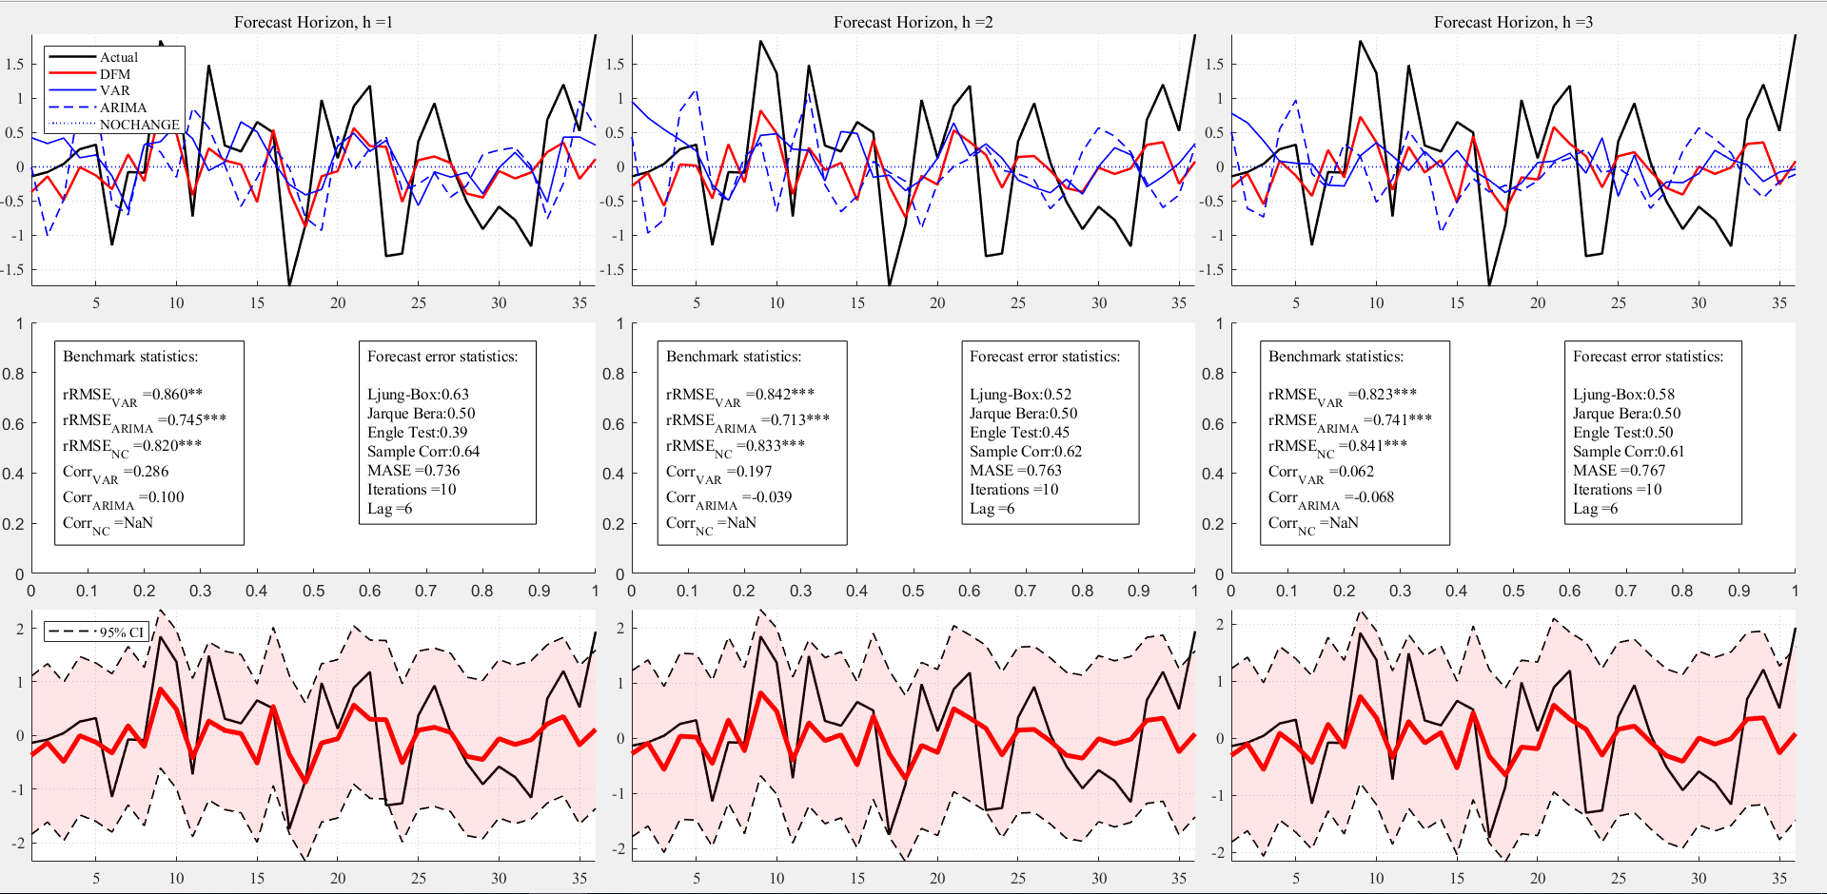
8 | SeaLice-12 | 0
9 | SeaLice-15 | 0
10 | SeaTemp | 0
11 | SeaTemp-3 | 0
12 | SeaTemp-6 | 0
13 | SeaTemp-9 | 0
14 | SeaTemp-12 | 0
15 | SeaTemp-15 | 0
16 | Biomass salmon (ton) | 0
17 | BiomassSalmon-3 | 0
18 | BiomassSalmon-6 | 0
19 | BiomassSalmon-9 | 0
20 | BiomassSalmon-12 | 0
21 | BiomassSalmon-15 | 0
22 | Smolt (antall) | 0
23 | Smolt-12 | 0
24 | Smolt-15 | 0
25 | Smolt-17 | 0
26 | Smolt-18 | 0
27 | Smolt-21 | 0
28 | Cons.EU | 1
29 | ConsEU-3 | 0
30 | ConsEU-6 | 1
31 | ConsEU-9 | 0
32 | ConsEU-12 | 0
33 | ConsEU-15 | 0
34 | Cons.EM | 2
35 | ConsEM-3 | 0
36 | ConsEM-6 | 1
37 | ConsEM-9 | 0
38 | ConsEM-12 | 0
39 | ConsEM-15 | 0
40 | Salmon | 5
41 | Salmon-1 | 0
42 | Salmon-2 | 0
43 | Salmon-3 | 0
44 | Salmon-4 | 0
45 | Salmon-5 | 0
46 | Salmon-6 | 0
47 | Salmon-7 | 0
48 | Salmon-8 | 0
49 | Salmon-9 | 0
50 | Salmon-10 | 0
51 | Salmon-11 | 0
52 | Salmon-12 | 0
53 | Shrimp | 0
54 | Shrimp-3 | 0
55 | Shrimp-6 | 0
56 | Trout | 1
57 | Trout-3 | 2
58 | Trout-6 | 0
59 | Meat Index | 1
60 | Mea-3 | 0
61 | Beef Price | 0
62 | Bef-3 | 0
63 | Bef-6 | 0
64 | EUR/NOK | 1
65 | E/N-3 | 1
66 | E/N-6 | 1
67 | E/N-9 | 0
68 | CLP/USD | 0
69 | C/U-3 | 0
70 | C/U-6 | 0
71 | C/U-9 | 0
72 | Brent Blend | 0
73 | BB-3 | 0
74 | BB-6 | 0
75 | BB-9 | 0
76 | Real I-rate | 0
77 | RI-1 | 0
78 | RI-2 | 0
79 | RI-3 | 0
80 | RI-4 | 0
81 | RI-5 | 0
82 | RI-6 | 0
83 | Wheat, US SRW | 0
84 | WHE-3 | 0
85 | WHE-6 | 0
86 | Fish meal | 0
87 | FH-3 | 0
88 | FH-6 | 0
89 | Soybean meal | 0
90 | SOYM-3 | 0
91 | SOYM-6 | 0
92 | Rapeseed oil | 0
93 | RAP-3 | 0
94 | RAP-6 | 0
95 | Corn | 0
96 | COR-3 | 0
97 | COR-6 | 0
98 | MHG -Eq | 0
99 | MHG-1 | 1
100 | MHG-2 | 0
101 | MHG-3 | 0

G6
1 | Feed consumption (tonnes) | 0 |  | Global | GA1 | GA2 | GA3
2 | FeedCon-3 | 0 | Lags in VAR | 5 | 8 | 8 | 8
3 | FeedCon-6 | 0 | Variables | All | 40 | 40 | 40
4 | Sea Lice Level | 1 |  |  | 30 | 41 | 41
5 | SeaLice-3 | 0 |  |  | 86 | 64 | 28
6 | SeaLice-6 | 0 |  |  |  |  | 4
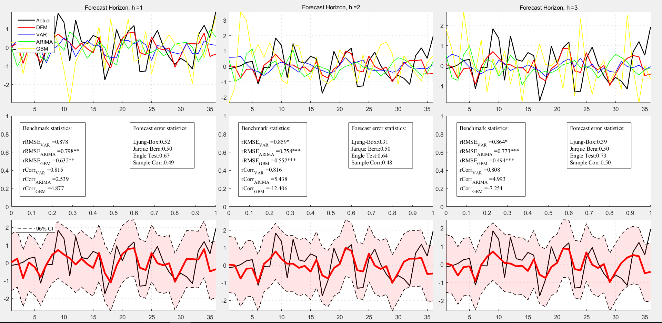
7 | SeaLice-9 | 0
8 | SeaLice-12 | 0
9 | SeaLice-15 | 0
10 | SeaTemp | 0
11 | SeaTemp-3 | 0
12 | SeaTemp-6 | 0
13 | SeaTemp-9 | 0
14 | SeaTemp-12 | 0
15 | SeaTemp-15 | 0
16 | Biomass salmon (ton) | 0
17 | BiomassSalmon-3 | 0
18 | BiomassSalmon-6 | 0
19 | BiomassSalmon-9 | 0
20 | BiomassSalmon-12 | 0
21 | BiomassSalmon-15 | 0
22 | Smolt (antall) | 0
23 | Smolt-12 | 0
24 | Smolt-15 | 0
25 | Smolt-17 | 0
26 | Smolt-18 | 0
27 | Smolt-21 | 0
28 | Cons.EU | 1
29 | ConsEU-3 | 0
30 | ConsEU-6 | 1
31 | ConsEU-9 | 0
32 | ConsEU-12 | 0
33 | ConsEU-15 | 0
34 | Cons.EM | 0
35 | ConsEM-3 | 0
36 | ConsEM-6 | 0
37 | ConsEM-9 | 0
38 | ConsEM-12 | 0
39 | ConsEM-15 | 0
40 | Salmon | 3
41 | Salmon-1 | 2
42 | Salmon-2 | 0
43 | Salmon-3 | 0
44 | Salmon-4 | 0
45 | Salmon-5 | 0
46 | Salmon-6 | 0
47 | Salmon-7 | 0
48 | Salmon-8 | 0
49 | Salmon-9 | 0
50 | Salmon-10 | 0
51 | Salmon-11 | 0
52 | Salmon-12 | 0
53 | Shrimp | 0
54 | Shrimp-3 | 0
55 | Shrimp-6 | 0
56 | Trout | 0
57 | Trout-3 | 0
58 | Trout-6 | 0
59 | Meat Index | 0
60 | Mea-3 | 0
61 | Beef Price | 0
62 | Bef-3 | 0
63 | Bef-6 | 0
64 | EUR/NOK | 1
65 | E/N-3 | 0
66 | E/N-6 | 0
67 | E/N-9 | 0
68 | CLP/USD | 0
69 | C/U-3 | 0
70 | C/U-6 | 0
71 | C/U-9 | 0
72 | Brent Blend | 0
73 | BB-3 | 0
74 | BB-6 | 0
75 | BB-9 | 0
76 | Real I-rate | 0
77 | RI-1 | 0
78 | RI-2 | 0
79 | RI-3 | 0
80 | RI-4 | 0
81 | RI-5 | 0
82 | RI-6 | 0
83 | Wheat, US SRW | 0
84 | WHE-3 | 0
85 | WHE-6 | 0
86 | Fish meal | 1
87 | FH-3 | 0
88 | FH-6 | 0
89 | Soybean meal | 0
90 | SOYM-3 | 0
91 | SOYM-6 | 0
92 | Rapeseed oil | 0
93 | RAP-3 | 0
94 | RAP-6 | 0
95 | Corn | 0
96 | COR-3 | 0
97 | COR-6 | 0
98 | MHG -Eq | 0
99 | MHG-1 | 0
100 | MHG-2 | 0
101 | MHG-3 | 0

