GA2
1 | Brent Crude oil | 4 |  | Global | B1 | B2 | B3 | B4
2 | BCO-1 | 0 | Lags in VAR | 12 | 6 | 6 | 6 | 6
3 | BCO-2 | 1 | Variables | All | 1 | 1 | 1 | 1
4 | World Prod | 1 |  |  | 15 | 16 | 37 | 16
5 | WP-1 | 0 |  |  | 4 | 6 | 22 | 12
6 | OPEC Prod | 1 |  |  |  | 3 | 19
7 | OPEC-1 | 0
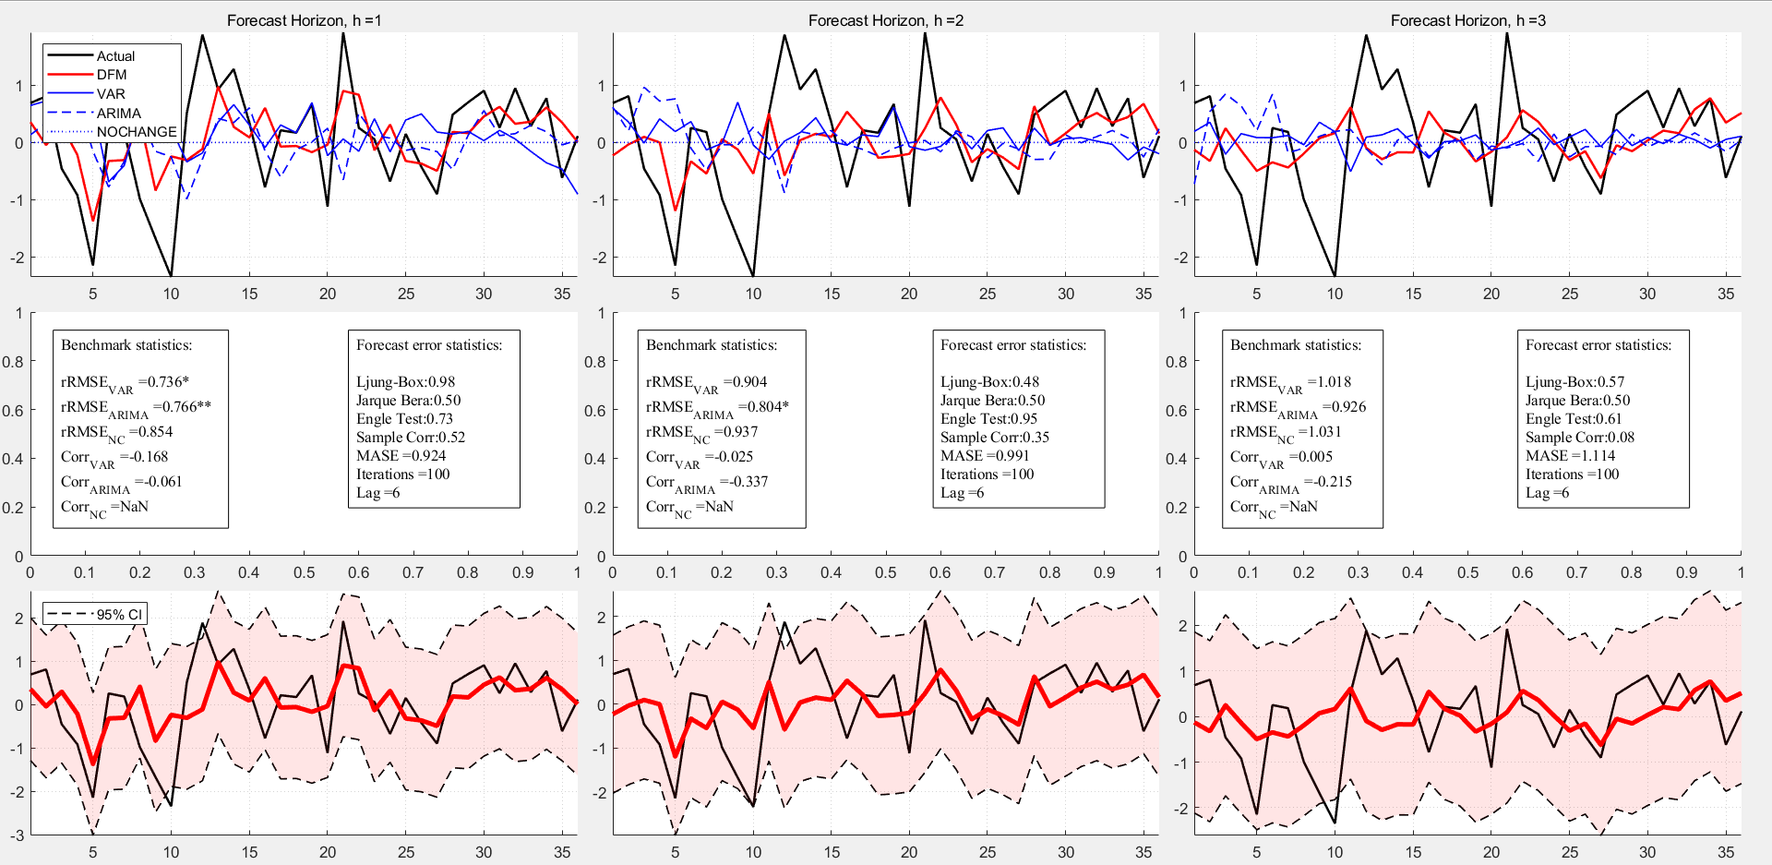
8 | OPEC-2 | 0
9 | Non-OPEC Prod | 0
10 | Saudi Prod | 0
11 | OECD inv | 0
12 | OECD-1 | 1
13 | OECD-2 | 0
14 | Agri | 0
15 | Metal | 1
16 | Metal-1 | 2
17 | Metal-2 | 0
18 | OSX | 0
19 | OSX-1 | 1
20 | OSX-2 | 0
21 | VIX | 0
22 | VIX-1 | 1
23 | VIX-2 | 0
24 | Fspread | 0
25 | BBspread | 0
26 | BB-1 | 0
27 | NYMEC Crack spread | 0
28 | MoneySupply | 0
29 | MS-1 | 0
30 | MS-2 | 0
31 | Surplus Cap | 0
32 | Unemp | 0
33 | World GDP | 0
34 | CPI | 0
35 | Gas | 0
36 | Rigs Op | 0
37 | Oil Stock | 1
38 | USD Trade Weighted | 0
39 | Treasury Rate | 0
40 | S&P 500 | 0
41 | Gold | 0
42 | US import | 0
43 | Refinery Util | 0
44 | Kilian | 0

GA3
1 | Brent Crude oil | 4 |  | Global | B1 | B2 | B3 | B4
2 | BCO-1 | 0 | Lags in VAR | 12 | 6 | 6 | 6 | 6
3 | BCO-2 | 0 | Variables | All | 1 | 1 | 1 | 1
4 | World Prod | 0 |  |  | 18 | 18 | 42 | 38
5 | WP-1 | 0 |  |  | 15 | 19 |  | 44
6 | OPEC Prod | 1 |  |  |  | 6
7 | OPEC-1 | 0
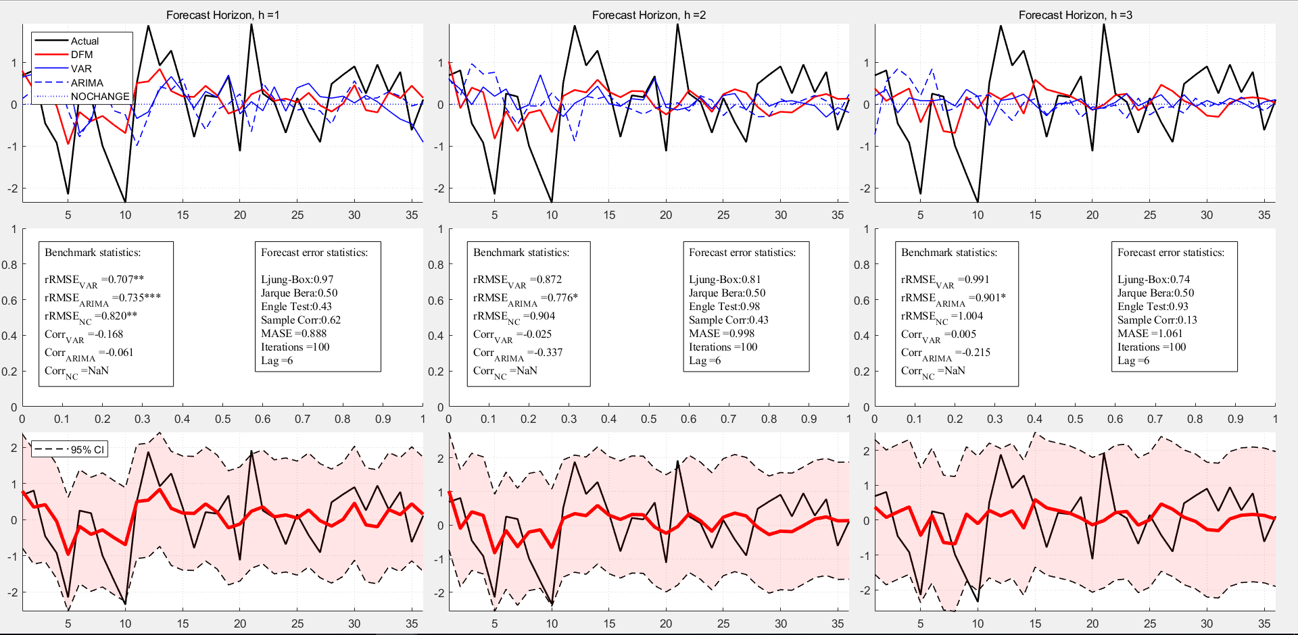
8 | OPEC-2 | 0
9 | Non-OPEC Prod | 0
10 | Saudi Prod | 0
11 | OECD inv | 0
12 | OECD-1 | 0
13 | OECD-2 | 0
14 | Agri | 0
15 | Metal | 1
16 | Metal-1 | 0
17 | Metal-2 | 0
18 | OSX | 2
19 | OSX-1 | 1
20 | OSX-2 | 0
21 | VIX | 0
22 | VIX-1 | 0
23 | VIX-2 | 0
24 | Fspread | 0
25 | BBspread | 0
26 | BB-1 | 0
27 | NYMEC Crack spread | 0
28 | MoneySupply | 0
29 | MS-1 | 0
30 | MS-2 | 0
31 | Surplus Cap | 0
32 | Unemp | 0
33 | World GDP | 0
34 | CPI | 0
35 | Gas | 0
36 | Rigs Op | 0
37 | Oil Stock | 0
38 | USD Trade Weighted | 1
39 | Treasury Rate | 0
40 | S&P 500 | 0
41 | Gold | 0
42 | US import | 1
43 | Refinery Util | 0
44 | Kilian | 1
45 | Kilian-1 | 0

