33_bus
DG parameter
 | Cost_coefficient(a_i($/MWh2)) | Cost_coefficient(b_i($/MWh)) | Cost coefficient of reserve ($/MWh) | Maximum active output(kW) | Minimum active output(kW) | Maximum reactive output(kVar) | Minimum reactive output(kVar)
 | 12 | 90 | 90 | 2500 | 0 | 1500 | 0

Forecasting RES output(kW)
 | time | 1 | 2 | 3 | 4 | 5 | 6 | 7 | 8 | 9 | 10 | 11 | 12 | 13 | 14 | 15 | 16 | 17 | 18 | 19 | 20 | 21 | 22 | 23 | 24 | 25 | 26 | 27 | 28 | 29 | 30 | 31 | 32 | 33 | 34 | 35 | 36 | 37 | 38 | 39 | 40 | 41 | 42 | 43 | 44 | 45 | 46 | 47 | 48 | 49 | 50 | 51 | 52 | 53 | 54 | 55 | 56 | 57 | 58 | 59 | 60 | 61 | 62 | 63 | 64 | 65 | 66 | 67 | 68 | 69 | 70 | 71 | 72 | 73 | 74 | 75 | 76 | 77 | 78 | 79 | 80 | 81 | 82 | 83 | 84 | 85 | 86 | 87 | 88 | 89 | 90 | 91 | 92 | 93 | 94 | 95 | 96
 | WT1 | 963.46 | 961.72 | 959.99 | 958.25 | 956.52 | 954.79 | 953.05 | 951.32 | 949.58 | 935.23 | 916.41 | 897.60 | 878.79 | 858.94 | 838.42 | 817.90 | 797.38 | 806.23 | 847.11 | 887.99 | 928.87 | 954.65 | 952.13 | 949.60 | 947.07 | 940.26 | 918.02 | 895.79 | 873.55 | 850.68 | 821.05 | 791.43 | 761.81 | 732.18 | 765.83 | 802.35 | 838.87 | 875.39 | 889.20 | 898.23 | 907.26 | 916.29 | 902.02 | 877.56 | 853.09 | 828.62 | 788.37 | 735.99 | 683.61 | 631.23 | 596.33 | 584.18 | 572.03 | 559.88 | 562.42 | 598.55 | 634.67 | 670.80 | 697.85 | 681.79 | 665.73 | 649.67 | 634.25 | 632.80 | 631.36 | 629.91 | 628.47 | 632.78 | 637.64 | 642.50 | 647.36 | 665.38 | 687.06 | 708.73 | 730.41 | 752.38 | 774.52 | 796.66 | 818.79 | 818.53 | 797.73 | 776.94 | 756.14 | 751.12 | 770.64 | 790.16 | 809.69 | 829.62 | 850.72 | 871.81 | 892.91 | 912.04 | 918.03 | 924.02 | 930.01 | 936.00
 | WT2 | 752.70 | 751.35 | 749.99 | 748.64 | 747.28 | 745.93 | 744.57 | 743.22 | 741.86 | 730.65 | 715.95 | 701.25 | 686.56 | 671.05 | 655.02 | 638.98 | 622.95 | 612.58 | 608.37 | 604.16 | 599.95 | 596.66 | 595.08 | 593.50 | 591.92 | 593.27 | 605.20 | 617.12 | 629.05 | 638.01 | 615.79 | 593.57 | 571.35 | 549.14 | 568.24 | 589.23 | 610.22 | 631.20 | 640.22 | 646.73 | 653.23 | 659.73 | 649.46 | 631.84 | 614.22 | 596.61 | 579.48 | 562.74 | 546.00 | 529.26 | 515.23 | 504.73 | 494.23 | 483.74 | 478.50 | 485.28 | 492.07 | 498.86 | 507.26 | 523.34 | 539.42 | 555.50 | 570.82 | 569.52 | 568.22 | 566.92 | 565.62 | 569.50 | 573.88 | 578.25 | 582.62 | 577.87 | 570.58 | 563.29 | 556.00 | 547.92 | 539.42 | 530.92 | 522.43 | 526.25 | 541.38 | 556.51 | 571.64 | 574.61 | 558.69 | 542.77 | 526.84 | 518.51 | 531.70 | 544.88 | 558.07 | 571.26 | 584.44 | 597.63 | 610.81 | 624.00
 | PV1 | 0.00 | 0.00 | 0.00 | 0.00 | 0.00 | 0.00 | 0.00 | 0.00 | 0.00 | 0.00 | 0.00 | 0.00 | 0.00 | 0.00 | 0.00 | 0.00 | 0.00 | 19.00 | 58.73 | 98.46 | 138.19 | 181.00 | 229.55 | 278.11 | 326.67 | 382.39 | 463.88 | 545.36 | 626.85 | 709.41 | 803.24 | 897.07 | 990.91 | 1084.74 | 1144.73 | 1203.19 | 1261.64 | 1320.10 | 1331.74 | 1333.52 | 1335.31 | 1337.09 | 1318.33 | 1290.58 | 1262.83 | 1235.07 | 1238.93 | 1267.11 | 1295.29 | 1323.46 | 1330.08 | 1308.68 | 1287.28 | 1265.87 | 1226.13 | 1144.47 | 1062.81 | 981.15 | 895.13 | 788.42 | 681.70 | 574.99 | 470.88 | 424.18 | 377.48 | 330.78 | 284.09 | 244.99 | 206.61 | 168.23 | 129.86 | 108.85 | 92.67 | 76.49 | 60.31 | 46.05 | 32.81 | 19.57 | 6.33 | 0.00 | 0.00 | 0.00 | 0.00 | 0.00 | 0.00 | 0.00 | 0.00 | 0.00 | 0.00 | 0.00 | 0.00 | 0.00 | 0.00 | 0.00 | 0.00 | 0.00
 | PV2 | 0.00 | 0.00 | 0.00 | 0.00 | 0.00 | 0.00 | 0.00 | 0.00 | 0.00 | 0.00 | 0.00 | 0.00 | 0.00 | 0.00 | 0.00 | 0.00 | 0.00 | 28.50 | 88.10 | 147.69 | 207.29 | 271.49 | 344.33 | 417.17 | 490.01 | 571.95 | 686.62 | 801.29 | 915.97 | 1030.28 | 1140.82 | 1251.35 | 1361.89 | 1472.42 | 1504.81 | 1533.64 | 1562.47 | 1591.30 | 1626.27 | 1662.53 | 1698.78 | 1735.04 | 1750.85 | 1757.71 | 1764.58 | 1771.44 | 1765.74 | 1750.38 | 1735.02 | 1719.65 | 1713.61 | 1719.69 | 1725.77 | 1731.85 | 1706.85 | 1610.79 | 1514.74 | 1418.69 | 1315.44 | 1178.03 | 1040.62 | 903.21 | 768.07 | 682.91 | 597.75 | 512.60 | 427.44 | 367.48 | 309.91 | 252.35 | 194.79 | 163.28 | 139.01 | 114.74 | 90.47 | 69.07 | 49.21 | 29.36 | 9.50 | 0.00 | 0.00 | 0.00 | 0.00 | 0.00 | 0.00 | 0.00 | 0.00 | 0.00 | 0.00 | 0.00 | 0.00 | 0.00 | 0.00 | 0.00 | 0.00 | 0.00

Wholesale market Price($/MWh) |  |  | Same price for upward and downward reserve
 | time | 1 | 2 | 3 | 4 | 5 | 6 | 7 | 8 | 9 | 10 | 11 | 12 | 13 | 14 | 15 | 16 | 17 | 18 | 19 | 20 | 21 | 22 | 23 | 24 | 25 | 26 | 27 | 28 | 29 | 30 | 31 | 32 | 33 | 34 | 35 | 36 | 37 | 38 | 39 | 40 | 41 | 42 | 43 | 44 | 45 | 46 | 47 | 48 | 49 | 50 | 51 | 52 | 53 | 54 | 55 | 56 | 57 | 58 | 59 | 60 | 61 | 62 | 63 | 64 | 65 | 66 | 67 | 68 | 69 | 70 | 71 | 72 | 73 | 74 | 75 | 76 | 77 | 78 | 79 | 80 | 81 | 82 | 83 | 84 | 85 | 86 | 87 | 88 | 89 | 90 | 91 | 92 | 93 | 94 | 95 | 96
 | energy price | 45.71 | 45.71 | 45.71 | 45.71 | 45.71 | 45.71 | 45.71 | 45.71 | 45.71 | 45.71 | 45.71 | 45.71 | 45.71 | 45.71 | 45.71 | 45.71 | 45.71 | 48.36 | 53.89 | 59.43 | 64.96 | 68.57 | 68.57 | 68.57 | 68.57 | 69.47 | 73.62 | 77.77 | 81.92 | 85.71 | 85.71 | 85.71 | 85.71 | 85.71 | 81.74 | 77.59 | 73.44 | 69.29 | 68.57 | 68.57 | 68.57 | 68.57 | 64.72 | 59.19 | 53.65 | 48.12 | 45.71 | 45.71 | 45.71 | 45.71 | 45.71 | 45.71 | 45.71 | 45.71 | 47.40 | 52.93 | 58.47 | 64.00 | 68.57 | 68.57 | 68.57 | 68.57 | 68.57 | 68.57 | 68.57 | 68.57 | 68.57 | 68.57 | 68.57 | 68.57 | 68.57 | 71.82 | 75.97 | 80.12 | 84.27 | 85.71 | 85.71 | 85.71 | 85.71 | 85.71 | 85.71 | 85.71 | 85.71 | 84.09 | 79.94 | 75.79 | 71.64 | 68.57 | 68.57 | 68.57 | 68.57 | 67.85 | 62.32 | 56.78 | 51.25 | 45.71
 | Reserve price | 64.29 | 64.29 | 64.29 | 64.29 | 64.29 | 64.29 | 64.29 | 64.29 | 64.29 | 64.29 | 64.29 | 64.29 | 64.29 | 64.29 | 64.29 | 64.29 | 64.29 | 64.29 | 64.29 | 64.29 | 64.29 | 66.99 | 74.77 | 82.56 | 90.34 | 96.43 | 96.43 | 96.43 | 96.43 | 96.43 | 96.43 | 96.43 | 96.43 | 96.43 | 96.43 | 96.43 | 96.43 | 96.43 | 96.43 | 96.43 | 96.43 | 96.43 | 91.02 | 83.23 | 75.45 | 67.67 | 64.29 | 64.29 | 64.29 | 64.29 | 64.29 | 64.29 | 64.29 | 64.29 | 65.23 | 68.35 | 71.46 | 74.57 | 77.14 | 77.14 | 77.14 | 77.14 | 77.14 | 77.14 | 77.14 | 77.14 | 77.14 | 81.41 | 86.08 | 90.74 | 95.41 | 96.43 | 96.43 | 96.43 | 96.43 | 96.43 | 96.43 | 96.43 | 96.43 | 96.43 | 96.43 | 96.43 | 96.43 | 94.60 | 89.93 | 85.26 | 80.59 | 77.14 | 77.14 | 77.14 | 77.14 | 77.14 | 77.14 | 77.14 | 77.14 | 77.14

AGG Price($/MWh)
 | time | 1 | 2 | 3 | 4 | 5 | 6 | 7 | 8 | 9 | 10 | 11 | 12 | 13 | 14 | 15 | 16 | 17 | 18 | 19 | 20 | 21 | 22 | 23 | 24 | 25 | 26 | 27 | 28 | 29 | 30 | 31 | 32 | 33 | 34 | 35 | 36 | 37 | 38 | 39 | 40 | 41 | 42 | 43 | 44 | 45 | 46 | 47 | 48 | 49 | 50 | 51 | 52 | 53 | 54 | 55 | 56 | 57 | 58 | 59 | 60 | 61 | 62 | 63 | 64 | 65 | 66 | 67 | 68 | 69 | 70 | 71 | 72 | 73 | 74 | 75 | 76 | 77 | 78 | 79 | 80 | 81 | 82 | 83 | 84 | 85 | 86 | 87 | 88 | 89 | 90 | 91 | 92 | 93 | 94 | 95 | 96
 | energy price | 27.43 | 27.43 | 27.43 | 27.43 | 27.43 | 27.43 | 27.43 | 27.43 | 27.43 | 27.43 | 27.43 | 27.43 | 27.43 | 27.43 | 27.43 | 27.43 | 27.43 | 29.02 | 32.34 | 35.66 | 38.98 | 41.14 | 41.14 | 41.14 | 41.14 | 41.68 | 44.17 | 46.66 | 49.15 | 51.43 | 51.43 | 51.43 | 51.43 | 51.43 | 49.05 | 46.56 | 44.07 | 41.58 | 41.14 | 41.14 | 41.14 | 41.14 | 38.83 | 35.51 | 32.19 | 28.87 | 27.43 | 27.43 | 27.43 | 27.43 | 27.43 | 27.43 | 27.43 | 27.43 | 28.44 | 31.76 | 35.08 | 38.40 | 41.14 | 41.14 | 41.14 | 41.14 | 41.14 | 41.14 | 41.14 | 41.14 | 41.14 | 41.14 | 41.14 | 41.14 | 41.14 | 43.09 | 45.58 | 48.07 | 50.56 | 51.43 | 51.43 | 51.43 | 51.43 | 51.43 | 51.43 | 51.43 | 51.43 | 50.45 | 47.96 | 45.47 | 42.98 | 41.14 | 41.14 | 41.14 | 41.14 | 40.71 | 37.39 | 34.07 | 30.75 | 27.43
 | Reserve price | 38.57 | 38.57 | 38.57 | 38.57 | 38.57 | 38.57 | 38.57 | 38.57 | 38.57 | 38.57 | 38.57 | 38.57 | 38.57 | 38.57 | 38.57 | 38.57 | 38.57 | 38.57 | 38.57 | 38.57 | 38.57 | 40.20 | 44.86 | 49.53 | 54.20 | 57.86 | 57.86 | 57.86 | 57.86 | 57.86 | 57.86 | 57.86 | 57.86 | 57.86 | 57.86 | 57.86 | 57.86 | 57.86 | 57.86 | 57.86 | 57.86 | 57.86 | 54.61 | 49.94 | 45.27 | 40.60 | 38.57 | 38.57 | 38.57 | 38.57 | 38.57 | 38.57 | 38.57 | 38.57 | 39.14 | 41.01 | 42.88 | 44.74 | 46.29 | 46.29 | 46.29 | 46.29 | 46.29 | 46.29 | 46.29 | 46.29 | 46.29 | 48.84 | 51.65 | 54.45 | 57.25 | 57.86 | 57.86 | 57.86 | 57.86 | 57.86 | 57.86 | 57.86 | 57.86 | 57.86 | 57.86 | 57.86 | 57.86 | 56.76 | 53.96 | 51.16 | 48.36 | 46.29 | 46.29 | 46.29 | 46.29 | 46.29 | 46.29 | 46.29 | 46.29 | 46.29

Forecasting active load (MW)
 | time | 1 | 2 | 3 | 4 | 5 | 6 | 7 | 8 | 9 | 10 | 11 | 12 | 13 | 14 | 15 | 16 | 17 | 18 | 19 | 20 | 21 | 22 | 23 | 24 | 25 | 26 | 27 | 28 | 29 | 30 | 31 | 32 | 33 | 34 | 35 | 36 | 37 | 38 | 39 | 40 | 41 | 42 | 43 | 44 | 45 | 46 | 47 | 48 | 49 | 50 | 51 | 52 | 53 | 54 | 55 | 56 | 57 | 58 | 59 | 60 | 61 | 62 | 63 | 64 | 65 | 66 | 67 | 68 | 69 | 70 | 71 | 72 | 73 | 74 | 75 | 76 | 77 | 78 | 79 | 80 | 81 | 82 | 83 | 84 | 85 | 86 | 87 | 88 | 89 | 90 | 91 | 92 | 93 | 94 | 95 | 96
 | active load | 5.78 | 5.69 | 5.60 | 5.51 | 5.42 | 5.43 | 5.46 | 5.49 | 5.51 | 5.56 | 5.61 | 5.65 | 5.70 | 5.86 | 6.09 | 6.33 | 6.56 | 6.86 | 7.24 | 7.62 | 8.00 | 8.39 | 8.81 | 9.23 | 9.65 | 10.05 | 10.40 | 10.75 | 11.10 | 11.42 | 11.46 | 11.50 | 11.54 | 11.58 | 11.49 | 11.39 | 11.30 | 11.20 | 10.66 | 10.03 | 9.40 | 8.76 | 8.36 | 8.05 | 7.75 | 7.45 | 7.26 | 7.17 | 7.07 | 6.98 | 6.94 | 6.96 | 6.98 | 7.00 | 7.06 | 7.23 | 7.40 | 7.57 | 7.73 | 7.84 | 7.95 | 8.07 | 8.18 | 8.45 | 8.72 | 8.99 | 9.26 | 9.67 | 10.08 | 10.49 | 10.91 | 11.11 | 11.25 | 11.39 | 11.53 | 11.62 | 11.68 | 11.73 | 11.79 | 11.67 | 11.39 | 11.10 | 10.82 | 10.45 | 9.96 | 9.46 | 8.96 | 8.53 | 8.27 | 8.00 | 7.74 | 7.48 | 7.28 | 7.08 | 6.88 | 6.68
 | reactive load | 2.57 | 2.59 | 2.62 | 2.64 | 2.67 | 2.68 | 2.70 | 2.71 | 2.72 | 2.74 | 2.77 | 2.79 | 2.82 | 2.85 | 2.88 | 2.92 | 2.95 | 3.01 | 3.09 | 3.17 | 3.25 | 3.34 | 3.46 | 3.58 | 3.71 | 3.82 | 3.90 | 3.98 | 4.06 | 4.13 | 4.15 | 4.17 | 4.18 | 4.20 | 4.17 | 4.13 | 4.10 | 4.06 | 3.90 | 3.71 | 3.51 | 3.32 | 3.23 | 3.17 | 3.12 | 3.06 | 3.00 | 2.94 | 2.87 | 2.81 | 2.77 | 2.78 | 2.79 | 2.80 | 2.82 | 2.89 | 2.96 | 3.03 | 3.09 | 3.14 | 3.18 | 3.23 | 3.27 | 3.38 | 3.49 | 3.60 | 3.71 | 3.87 | 4.03 | 4.20 | 4.36 | 4.44 | 4.50 | 4.56 | 4.61 | 4.65 | 4.67 | 4.69 | 4.72 | 4.67 | 4.55 | 4.44 | 4.33 | 4.18 | 3.98 | 3.78 | 3.59 | 3.41 | 3.31 | 3.20 | 3.10 | 2.99 | 2.91 | 2.83 | 2.75 | 2.67

Bus data
 | Vmax(p.u.) | 1.05 |  |  |  |  | The load of a node is multiplied by the total load multiplied by the proportion of the node's load to the total load
 | Vmin(p.u.) | 0.95

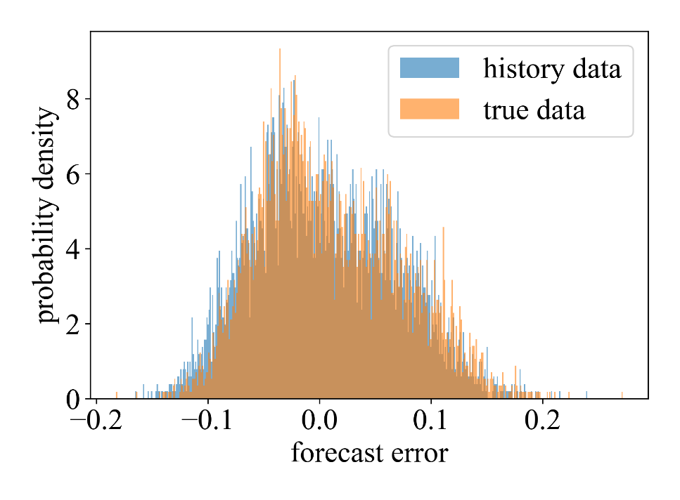
Branch data |  |  |  |  |  |  | Bus load data |  |  |  | The distribution of AGG parameter |  |  |  |  |  |  | Node injection power prediction error
 | bus_f | bus_t | r(Ω) | x(Ω) |  |  |  | bus_num | Load |  | Uniform distribution was used to generate the parameters of the running model shown in model (4)
 | 1 | 2 | 0.0007383376 | 0.000376376 |  |  |  | 1 | 0
 | 2 | 3 | 0.003947944 | 0.0020108088 |  |  |  | 2 | 100
 | 3 | 4 | 0.002930928 | 0.0014926912 |  |  |  | 3 | 90 |  | Parameter | Distribution | Parameter | Distribution
 | 4 | 5 | 0.0030518488 | 0.0015543528 |  |  |  | 4 | 120 |  |  | U(0.98,1) |  | U(0.95,0.99)
 | 5 | 6 | 0.006558552 | 0.005661656 |  |  |  | 5 | 60 |  |  | U(10,20kWh) |  | U(0,2kWh)
 | 6 | 7 | 0.0014990976 | 0.0049553504 |  |  |  | 6 | 60 |  |  | U(2,7kW) |  | U(0,0)
 | 7 | 8 | 0.0056968912 | 0.0018826808 |  |  |  | 7 | 200 |  |  | U(0,5kW) |  | U(0,0)
 | 8 | 9 | 0.00824824 | 0.00592592 |  |  |  | 8 | 200 |  |  | U(2,5kWh)
 | 9 | 10 | 0.008360352 | 0.00592592 |  |  |  | 9 | 60
 | 10 | 11 | 0.0015743728 | 0.00052052 |  |  |  | 10 | 60
 | 11 | 12 | 0.0029981952 | 0.0009913904 |  |  |  | 11 | 45
 | 12 | 13 | 0.011755744 | 0.00924924 |  |  |  | 12 | 60
 | 13 | 14 | 0.0043371328 | 0.0057089032 |  |  |  | 13 | 60
 | 14 | 15 | 0.004732728 | 0.004212208 |  |  |  | 14 | 120
 | 15 | 16 | 0.0059763704 | 0.00436436 |  |  |  | 15 | 60
 | 16 | 17 | 0.010322312 | 0.013781768 |  |  |  | 16 | 60
 | 17 | 18 | 0.005861856 | 0.004596592 |  |  |  | 17 | 60
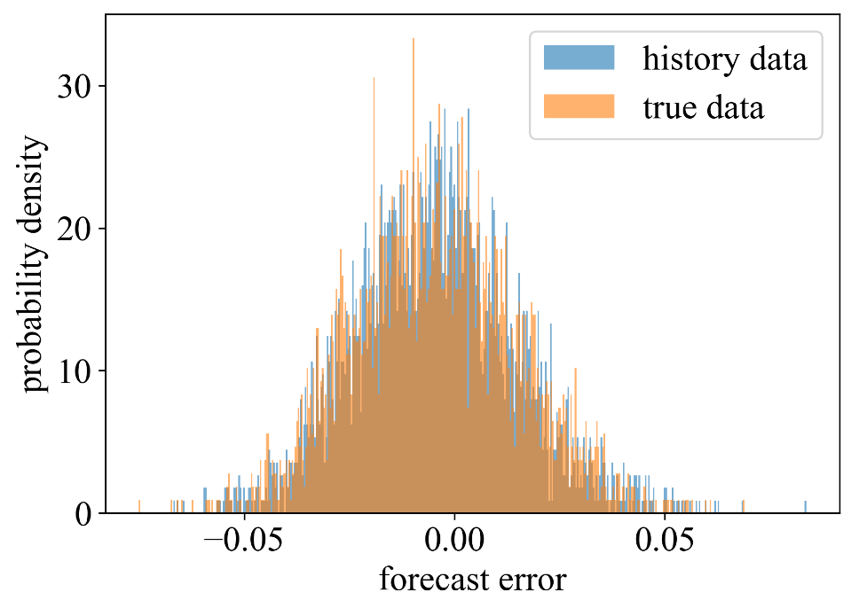
 | 2 | 19 | 0.001313312 | 0.001253252 |  |  |  | 18 | 90 |  |  |  |  |  |  |  |  | Operational model coefficient matrices forecast error
 | 19 | 20 | 0.0120456336 | 0.0108540432 |  |  |  | 19 | 90
 | 20 | 21 | 0.003279276 | 0.0038310272 |  |  |  | 20 | 90
 | 21 | 22 | 0.0056768712 | 0.0075058984 |  |  |  | 21 | 90
 | 3 | 23 | 0.0036132096 | 0.0024688664 |  |  |  | 22 | 90
 | 23 | 24 | 0.007191184 | 0.0056784728 |  |  |  | 23 | 90
 | 24 | 25 | 0.007175168 | 0.0056144088 |  |  |  | 24 | 420
 | 6 | 26 | 0.001625624 | 0.0008280272 |  |  |  | 25 | 420
 | 26 | 27 | 0.0022758736 | 0.0011587576 |  |  |  | 26 | 60
 | 27 | 28 | 0.008480472 | 0.0074770696 |  |  |  | 27 | 60
 | 28 | 29 | 0.0064400336 | 0.0056104048 |  |  |  | 28 | 60
 | 29 | 30 | 0.00406406 | 0.002070068 |  |  |  | 29 | 120
 | 30 | 31 | 0.0078029952 | 0.007711704 |  |  |  | 30 | 200
 | 31 | 32 | 0.002486484 | 0.0028980952 |  |  |  | 31 | 150
 | 32 | 33 | 0.002730728 | 0.0042938896 |  |  |  | 32 | 210
 |  |  |  |  |  |  |  | 33 | 60

141_bus
DG parameter
 | Cost_coefficient(a_i($/MWh2)) | Cost_coefficient(b_i($/MWh)) | Cost coefficient of reserve ($/MWh) | Maximum active output(kW) | Minimum active output(kW) | Maximum reactive output(kVar) | Minimum reactive output(kVar)
 | 12 | 90 | 90 | 2500 | 0 | 1500 | 0

Forecasting RES output(kW)
 | time | 1 | 2 | 3 | 4 | 5 | 6 | 7 | 8 | 9 | 10 | 11 | 12 | 13 | 14 | 15 | 16 | 17 | 18 | 19 | 20 | 21 | 22 | 23 | 24
 | WT1 | 1930.00 | 1915.65 | 1901.30 | 1745.65 | 1575.87 | 1531.30 | 1514.57 | 1367.39 | 1171.30 | 1130.43 | 1178.26 | 1048.70 | 771.30 | 706.96 | 898.26 | 1016.52 | 1006.96 | 1039.13 | 1182.61 | 1329.13 | 1489.35 | 1650.87 | 1825.43 | 2000.00
 | WT2 | 1158.00 | 1149.39 | 1140.78 | 1047.39 | 945.52 | 918.78 | 908.74 | 820.43 | 702.78 | 678.26 | 706.96 | 629.22 | 462.78 | 424.17 | 538.96 | 609.91 | 604.17 | 623.48 | 709.57 | 797.48 | 893.61 | 990.52 | 1095.26 | 1200.00
 | PV1 | 0.00 | 0.00 | 0.00 | 0.00 | 0.00 | 126.23 | 280.52 | 539.42 | 837.55 | 1023.28 | 1143.28 | 1161.45 | 1144.77 | 962.30 | 702.84 | 363.78 | 215.40 | 93.47 | 42.06 | 0.00 | 0.00 | 0.00 | 0.00 | 0.00
 | PV2 | 0.00 | 0.00 | 0.00 | 0.00 | 0.00 | 189.35 | 420.78 | 785.13 | 1136.33 | 1534.92 | 1678.92 | 1706.18 | 1645.16 | 1335.44 | 1030.26 | 593.67 | 323.11 | 140.21 | 63.09 | 0.00 | 0.00 | 0.00 | 0.00 | 0.00

Wholesale market Price($/MWh) |  |  | Same price for upward and downward reserve
 | time | 1 | 2 | 3 | 4 | 5 | 6 | 7 | 8 | 9 | 10 | 11 | 12 | 13 | 14 | 15 | 16 | 17 | 18 | 19 | 20 | 21 | 22 | 23 | 24
 | energy | 45.71 | 45.71 | 45.71 | 45.71 | 45.71 | 68.57 | 68.57 | 85.71 | 85.71 | 68.57 | 68.57 | 45.71 | 45.71 | 45.71 | 68.57 | 68.57 | 68.57 | 68.57 | 85.71 | 85.71 | 85.71 | 68.57 | 68.57 | 45.71
 | Reserve | 64.29 | 64.29 | 64.29 | 64.29 | 64.29 | 64.29 | 96.43 | 96.43 | 96.43 | 96.43 | 96.43 | 64.29 | 64.29 | 64.29 | 77.14 | 77.14 | 77.14 | 96.43 | 96.43 | 96.43 | 96.43 | 77.14 | 77.14 | 77.14

AGG Price($/MWh)
 | time | 1 | 2 | 3 | 4 | 5 | 6 | 7 | 8 | 9 | 10 | 11 | 12 | 13 | 14 | 15 | 16 | 17 | 18 | 19 | 20 | 21 | 22 | 23 | 24
 | energy price | 27.43 | 27.43 | 27.43 | 27.43 | 27.43 | 41.14 | 41.14 | 51.43 | 51.43 | 41.14 | 41.14 | 27.43 | 27.43 | 27.43 | 41.14 | 41.14 | 41.14 | 41.14 | 51.43 | 51.43 | 51.43 | 41.14 | 41.14 | 27.43
 | Reserve | 38.57 | 38.57 | 38.57 | 38.57 | 38.57 | 38.57 | 57.86 | 57.86 | 57.86 | 57.86 | 57.86 | 38.57 | 38.57 | 38.57 | 46.29 | 46.29 | 46.29 | 57.86 | 57.86 | 57.86 | 57.86 | 46.29 | 46.29 | 46.29

Forecasting active load (MW)
 | time | 1 | 2 | 3 | 4 | 5 | 6 | 7 | 8 | 9 | 10 | 11 | 12 | 13 | 14 | 15 | 16 | 17 | 18 | 19 | 20 | 21 | 22 | 23 | 24
 | active | 11.60 | 11.40 | 11.00 | 11.80 | 13.00 | 14.20 | 16.60 | 19.62 | 20.95 | 21.83 | 20.16 | 16.63 | 15.31 | 15.15 | 15.78 | 17.82 | 21.12 | 22.00 | 21.78 | 21.34 | 18.20 | 16.00 | 13.80 | 12.60
 | reactive | 5.80 | 5.70 | 5.50 | 5.90 | 6.50 | 7.10 | 8.30 | 9.81 | 10.47 | 10.91 | 10.08 | 8.32 | 7.66 | 7.57 | 7.89 | 8.91 | 10.56 | 11.00 | 10.89 | 10.67 | 9.10 | 8.00 | 6.90 | 6.30

Bus data
 | Vmax(p.u.) | 1.05
 | Vmin(p.u.) | 0.95

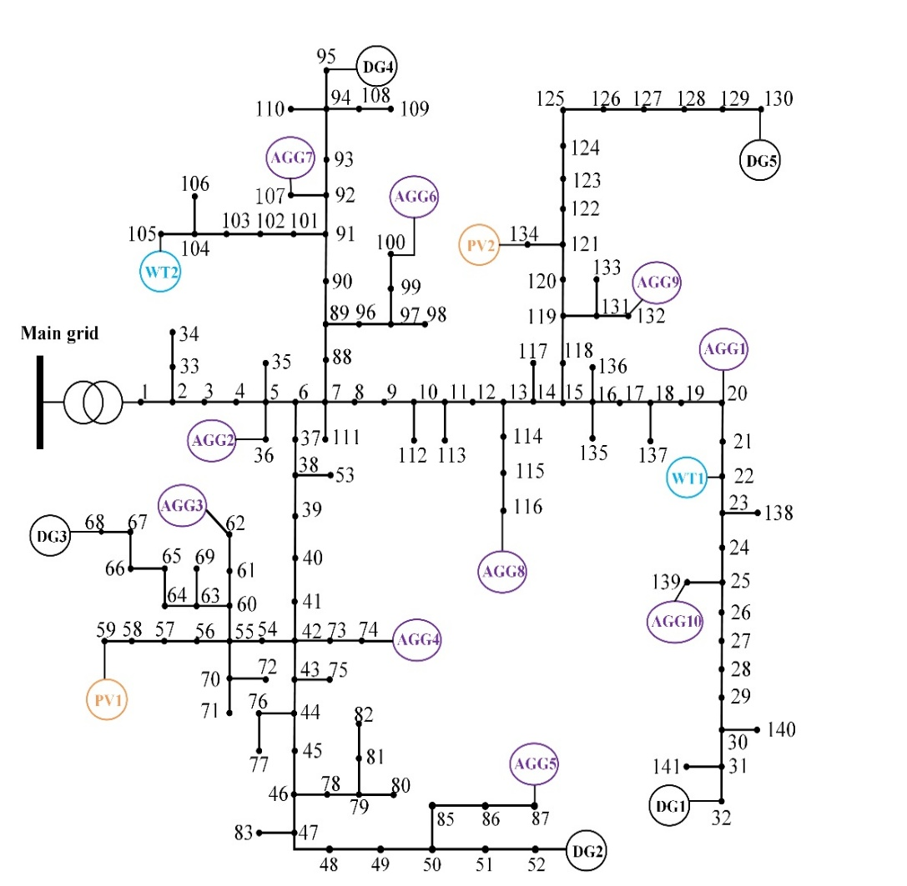
 |  |  |  |  |  |  |  |  |  | The load of a node is multiplied by the total load multiplied by the proportion of the node's load to the total load
Branch data |  |  |  |  |  |  | Bus load data
 | bus_f | bus_t | r(Ω) | x(Ω) |  |  |  | bus_num | Load
 | 1 | 2 | 0.0129825 | 0.0092025 |  |  |  | 1 | 0.0000
 | 2 | 3 | 0.0388125 | 0.0275175 |  |  |  | 2 | 0.0000
 | 3 | 4 | 0.0007425 | 0.00045 |  |  |  | 3 | 0.0014
 | 4 | 5 | 0.00207 | 0.0014625 |  |  |  | 4 | 0.0035
 | 5 | 6 | 0.00153 | 0.0011025 |  |  |  | 5 | 0.0035
 | 6 | 7 | 0.0105525 | 0.0140625 |  |  |  | 6 | 0.0014
 | 7 | 8 | 0.01656 | 0.0220725 |  |  |  | 7 | 0.0014
 | 8 | 9 | 0.0146025 | 0.0103275 |  |  |  | 8 | 0.0105
 | 9 | 10 | 0.0114075 | 0.0080775 |  |  |  | 9 | 0.0014
 | 10 | 11 | 0.00261 | 0.001845 |  |  |  | 10 | 0.0000
 | 11 | 12 | 0.0290475 | 0.0205425 |  |  |  | 11 | 0.0000
 | 12 | 13 | 0.0276075 | 0.019485 |  |  |  | 12 | 0.0035
 | 13 | 14 | 0.01098 | 0.0077625 |  |  |  | 13 | 0.0105
 | 14 | 15 | 0.0215325 | 0.0152325 |  |  |  | 14 | 0.0035
 | 15 | 16 | 0.01935 | 0.0137025 |  |  |  | 15 | 0.0035
 | 16 | 17 | 0.008955 | 0.006345 |  |  |  | 16 | 0.0035
 | 17 | 18 | 0.01863 | 0.012735 |  |  |  | 17 | 0.0210
 | 18 | 19 | 0.004185 | 0.00297 |  |  |  | 18 | 0.0000
 | 19 | 20 | 0.0125775 | 0.0088875 |  |  |  | 19 | 0.0000
 | 20 | 21 | 0.0082125 | 0.005535 |  |  |  | 20 | 0.0014
 | 21 | 22 | 0.0128925 | 0.0069075 |  |  |  | 21 | 0.0105
 | 22 | 23 | 0.0059175 | 0.0042975 |  |  |  | 22 | 0.0000
 | 23 | 24 | 0.0153675 | 0.0111825 |  |  |  | 23 | 0.0105
 | 24 | 25 | 0.008955 | 0.006345 |  |  |  | 24 | 0.0000
 | 25 | 26 | 0.0164025 | 0.011925 |  |  |  | 25 | 0.0000
 | 26 | 27 | 0.0075375 | 0.00549 |  |  |  | 26 | 0.0210
 | 27 | 28 | 0.01314 | 0.009315 |  |  |  | 27 | 0.0105
 | 28 | 29 | 0.0147375 | 0.0104175 |  |  |  | 28 | 0.0000
 | 61 | 62 | 0.0092475 | 0.0065475 |  |  |  | 29 | 0.0105
 | 60 | 63 | 0.0079425 | 0.005625 |  |  |  | 30 | 0.0000
 | 63 | 64 | 0.0235575 | 0.0166725 |  |  |  | 31 | 0.0000
 | 64 | 65 | 0.015165 | 0.0107325 |  |  |  | 32 | 0.0210
 | 65 | 66 | 0.006795 | 0.004815 |  |  |  | 33 | 0.0000
 | 66 | 67 | 0.01026 | 0.0072675 |  |  |  | 34 | 0.0210
 | 67 | 68 | 0.004905 | 0.003465 |  |  |  | 35 | 0.0000
 | 70 | 72 | 0.01575 | 0.0111375 |  |  |  | 36 | 0.0014
 | 42 | 73 | 0.0051975 | 0.00369 |  |  |  | 37 | 0.0070
 | 73 | 74 | 0.000675 | 0.00144 |  |  |  | 38 | 0.0000
 | 43 | 75 | 0.0085275 | 0.00603 |  |  |  | 39 | 0.0028
 | 44 | 76 | 0.01242 | 0.0087975 |  |  |  | 40 | 0.0000
 | 46 | 77 | 0.01161 | 0.00981 |  |  |  | 41 | 0.0105
 | 76 | 78 | 0.0037575 | 0.002475 |  |  |  | 42 | 0.0000
 | 78 | 79 | 0.0093375 | 0.0022725 |  |  |  | 43 | 0.0000
 | 79 | 80 | 0.0225675 | 0.00549 |  |  |  | 44 | 0.0070
 | 79 | 81 | 0.0340425 | 0.008325 |  |  |  | 45 | 0.0070
 | 81 | 82 | 0.0007425 | 0.00045 |  |  |  | 46 | 0.0070
 | 47 | 83 | 0.0019125 | 0.001395 |  |  |  | 47 | 0.0000
 | 49 | 84 | 0.0116325 | 0.0101025 |  |  |  | 48 | 0.0175
 | 50 | 85 | 0.0033075 | 0.00081 |  |  |  | 49 | 0.0210
 | 85 | 86 | 0.0008325 | 0.00045 |  |  |  | 50 | 0.0000
 | 86 | 87 | 0.0007425 | 0.00045 |  |  |  | 51 | 0.0175
 | 7 | 88 | 0.003915 | 0.0051975 |  |  |  | 52 | 0.0105
 | 88 | 89 | 0.0105525 | 0.0140625 |  |  |  | 53 | 0.0140
 | 89 | 90 | 0.0067275 | 0.008955 |  |  |  | 54 | 0.0000
 | 90 | 91 | 0.00477 | 0.0063675 |  |  |  | 55 | 0.0000
 | 91 | 92 | 0.0070875 | 0.00945 |  |  |  | 56 | 0.0035
 | 92 | 93 | 0.0063 | 0.0083925 |  |  |  | 57 | 0.0000
 | 93 | 94 | 0.004635 | 0.006165 |  |  |  | 58 | 0.0000
 | 94 | 95 | 0.004635 | 0.006165 |  |  |  | 59 | 0.0210
 | 89 | 96 | 0.0154575 | 0.010935 |  |  |  | 60 | 0.0000
 | 96 | 97 | 0.021825 | 0.015435 |  |  |  | 61 | 0.0000
 | 97 | 98 | 0.020295 | 0.00441 |  |  |  | 62 | 0.0014
 | 97 | 99 | 0.0007425 | 0.00045 |  |  |  | 63 | 0.0000
 | 131 | 132 | 0.0078075 | 0.0055125 |  |  |  | 64 | 0.0000
 | 131 | 133 | 0.0207 | 0.0150525 |  |  |  | 65 | 0.0210
 | 121 | 134 | 0.0189225 | 0.01377 |  |  |  | 66 | 0.0315
 | 16 | 135 | 0.0118575 | 0.0083925 |  |  |  | 67 | 0.0070
 | 16 | 136 | 0.006795 | 0.004815 |  |  |  | 68 | 0.0140
 | 18 | 137 | 0.01314 | 0.009315 |  |  |  | 69 | 0.0070
 | 23 | 138 | 0.0173025 | 0.0125775 |  |  |  | 70 | 0.0000
 | 29 | 30 | 0.007695 | 0.00558 |  |  |  | 71 | 0.0070
 | 30 | 31 | 0.00288 | 0.0020475 |  |  |  | 72 | 0.0210
 | 31 | 32 | 0.0078075 | 0.0055125 |  |  |  | 73 | 0.0000
 | 2 | 33 | 0.0099675 | 0.007065 |  |  |  | 74 | 0.0014
 | 33 | 34 | 0.0007425 | 0.00045 |  |  |  | 75 | 0.0063
 | 5 | 35 | 0.051165 | 0.012465 |  |  |  | 76 | 0.0105
 | 5 | 36 | 0.0284625 | 0.0352125 |  |  |  | 77 | 0.0210
 | 6 | 37 | 0.0012375 | 0.0016425 |  |  |  | 78 | 0.0000
 | 37 | 38 | 0.04581 | 0.0324 |  |  |  | 79 | 0.0000
 | 38 | 39 | 0.021105 | 0.0149175 |  |  |  | 80 | 0.0070
 | 39 | 40 | 0.0078075 | 0.0055125 |  |  |  | 81 | 0.0000
 | 40 | 41 | 0.020655 | 0.014625 |  |  |  | 82 | 0.0210
 | 41 | 42 | 0.052155 | 0.0369 |  |  |  | 83 | 0.0105
 | 42 | 43 | 0.0271575 | 0.019215 |  |  |  | 84 | 0.0315
 | 43 | 44 | 0.0099675 | 0.007065 |  |  |  | 85 | 0.0000
 | 44 | 45 | 0.0091125 | 0.00648 |  |  |  | 86 | 0.0014
 | 45 | 46 | 0.0036 | 0.0028575 |  |  |  | 87 | 0.0210
 | 46 | 47 | 0.01431 | 0.010125 |  |  |  | 88 | 0.0105
 | 47 | 48 | 0.0093825 | 0.0066375 |  |  |  | 89 | 0.0091
 | 48 | 49 | 0.01647 | 0.011475 |  |  |  | 90 | 0.0035
 | 49 | 50 | 0.01863 | 0.01251 |  |  |  | 91 | 0.0035
 | 50 | 51 | 0.008955 | 0.006345 |  |  |  | 92 | 0.0035
 | 51 | 52 | 0.0050625 | 0.0035775 |  |  |  | 93 | 0.0000
 | 38 | 53 | 0.0189225 | 0.0133875 |  |  |  | 94 | 0.0154
 | 42 | 54 | 0.0036225 | 0.002565 |  |  |  | 95 | 0.0000
 | 54 | 55 | 0.0118575 | 0.0083925 |  |  |  | 96 | 0.0210
 | 55 | 56 | 0.0200925 | 0.01422 |  |  |  | 97 | 0.0000
 | 56 | 57 | 0.0195075 | 0.0137925 |  |  |  | 98 | 0.0070
 | 57 | 58 | 0.015165 | 0.0107325 |  |  |  | 99 | 0.0000
 | 58 | 59 | 0.0105525 | 0.00747 |  |  |  | 100 | 0.0014
 | 55 | 60 | 0.007515 | 0.00531 |  |  |  | 101 | 0.0021
 | 60 | 61 | 0.0073575 | 0.00522 |  |  |  | 102 | 0.0000
 | 63 | 69 | 0.008235 | 0.0058275 |  |  |  | 103 | 0.0175
 | 55 | 70 | 0.0051975 | 0.00369 |  |  |  | 104 | 0.0000
 | 70 | 71 | 0.0027 | 0.0006525 |  |  |  | 105 | 0.0420
 | 99 | 100 | 0.0007425 | 0.00045 |  |  |  | 106 | 0.0210
 | 91 | 101 | 0.0051975 | 0.00369 |  |  |  | 107 | 0.0014
 | 101 | 102 | 0.013005 | 0.0092025 |  |  |  | 108 | 0.0000
 | 102 | 103 | 0.0200025 | 0.0048825 |  |  |  | 109 | 0.0035
 | 103 | 104 | 0.0141525 | 0.0034425 |  |  |  | 110 | 0.0210
 | 104 | 105 | 0.026325 | 0.0064125 |  |  |  | 111 | 0.0035
 | 104 | 106 | 0.002565 | 0.000585 |  |  |  | 112 | 0.0070
 | 92 | 107 | 0.0191025 | 0.0046575 |  |  |  | 113 | 0.0105
 | 94 | 108 | 0.01377 | 0.00585 |  |  |  | 114 | 0.0105
 | 108 | 109 | 0.01017 | 0.00432 |  |  |  | 115 | 0.0105
 | 94 | 110 | 0.0007425 | 0.00045 |  |  |  | 116 | 0.0014
 | 7 | 111 | 0.0161775 | 0.0114525 |  |  |  | 117 | 0.0091
 | 10 | 112 | 0.024075 | 0.0058725 |  |  |  | 118 | 0.0000
 | 11 | 113 | 0.0078075 | 0.0055125 |  |  |  | 119 | 0.0154
 | 13 | 114 | 0.0140175 | 0.0099225 |  |  |  | 120 | 0.0091
 | 114 | 115 | 0.01503 | 0.0106425 |  |  |  | 121 | 0.0091
 | 115 | 116 | 0.0009 | 0.00045 |  |  |  | 122 | 0.0091
 | 14 | 117 | 0.011385 | 0.008235 |  |  |  | 123 | 0.0140
 | 15 | 118 | 0.0036225 | 0.002565 |  |  |  | 124 | 0.0175
 | 118 | 119 | 0.010395 | 0.0073575 |  |  |  | 125 | 0.0000
 | 119 | 120 | 0.00954 | 0.00675 |  |  |  | 126 | 0.0000
 | 120 | 121 | 0.0114075 | 0.0080775 |  |  |  | 127 | 0.0105
 | 121 | 122 | 0.01647 | 0.011655 |  |  |  | 128 | 0.0105
 | 122 | 123 | 0.01314 | 0.009315 |  |  |  | 129 | 0.0154
 | 123 | 124 | 0.013725 | 0.00972 |  |  |  | 130 | 0.0157
 | 124 | 125 | 0.0176175 | 0.012465 |  |  |  | 131 | 0.0000
 | 125 | 126 | 0.018765 | 0.0136575 |  |  |  | 132 | 0.0014
 | 126 | 127 | 0.0078075 | 0.0055125 |  |  |  | 133 | 0.0063
 | 127 | 128 | 0.012825 | 0.00945 |  |  |  | 134 | 0.0049
 | 128 | 129 | 0.0131625 | 0.0095625 |  |  |  | 135 | 0.0035
 | 129 | 130 | 0.0023175 | 0.0016425 |  |  |  | 136 | 0.0105
 | 119 | 131 | 0.0079875 | 0.0056925 |  |  |  | 137 | 0.0077
 | 25 | 139 | 0.021375 | 0.0151425 |  |  |  | 138 | 0.0070
 | 30 | 140 | 0.0116775 | 0.0084825 |  |  |  | 139 | 0.0014
 | 31 | 141 | 0.01314 | 0.009315 |  |  |  | 140 | 0.0210
 |  |  |  |  |  |  |  | 141 | 0.0105

